data_dictionary
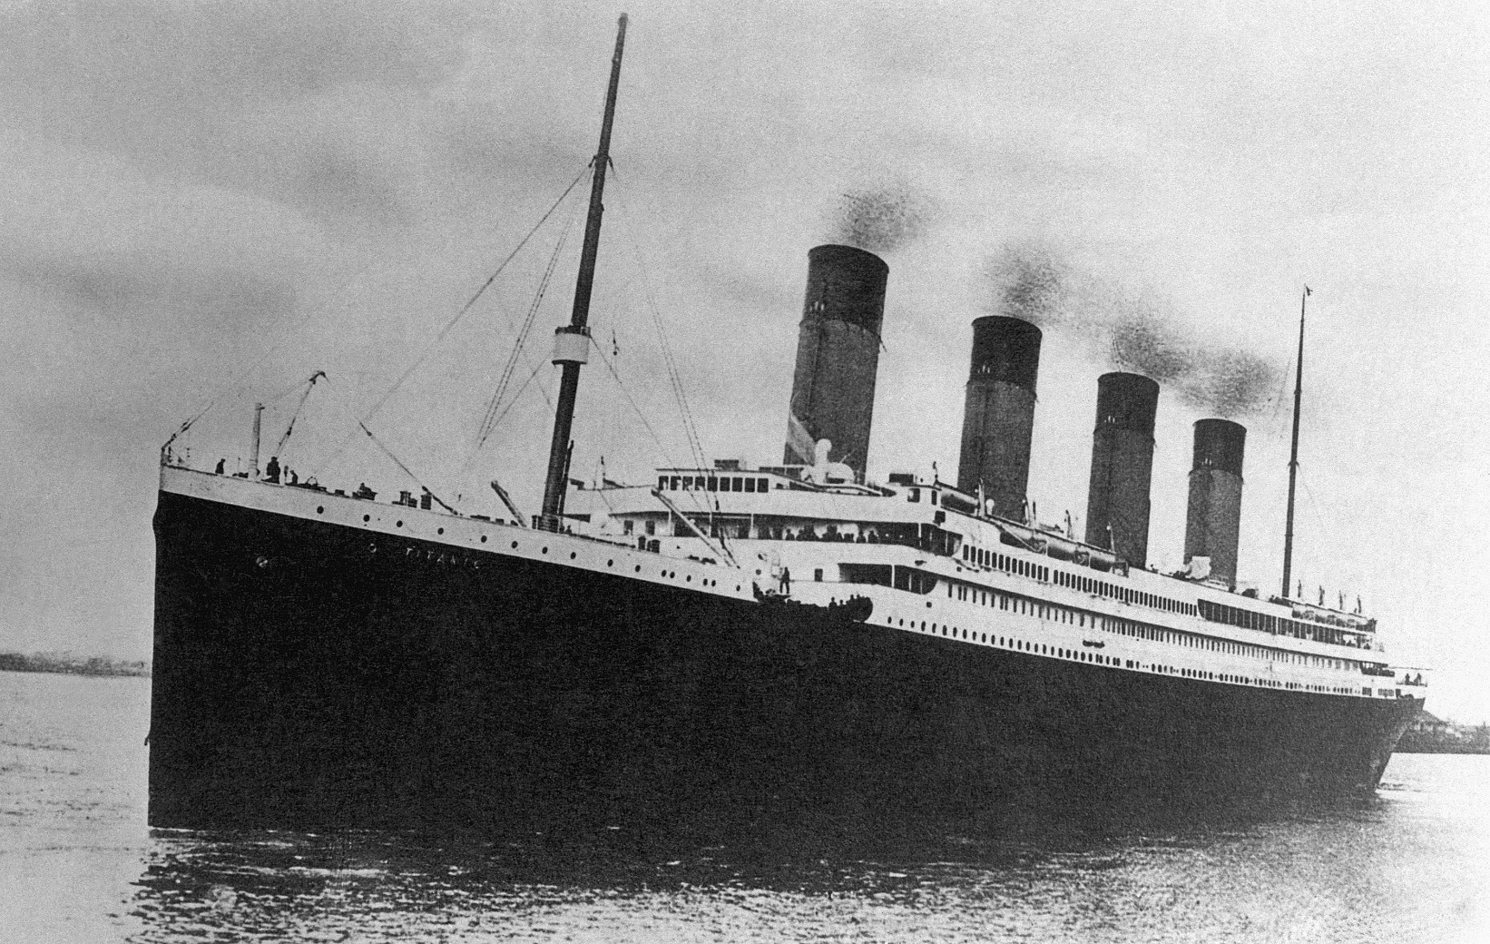

Variable | Definition | Key | Variable Type?
survival | Survival | 0 = No, 1 = Yes
pclass | Ticket class | 1 = 1st, 2 = 2nd, 3 = 3rd
sex | Sex
Age | Age in years |  |  | Nominal
sibsp | # of siblings / spouses aboard the Titanic |  |  | Ordinal
parch | # of parents / children aboard the Titanic |  |  | Interval
ticket | Ticket number |  |  | Ratio
fare | Passenger fare
cabin | Cabin number
embarked | Port of Embarkation | C = Cherbourg, Q = Queenstown, S = Southampton

