CRITERIA_1
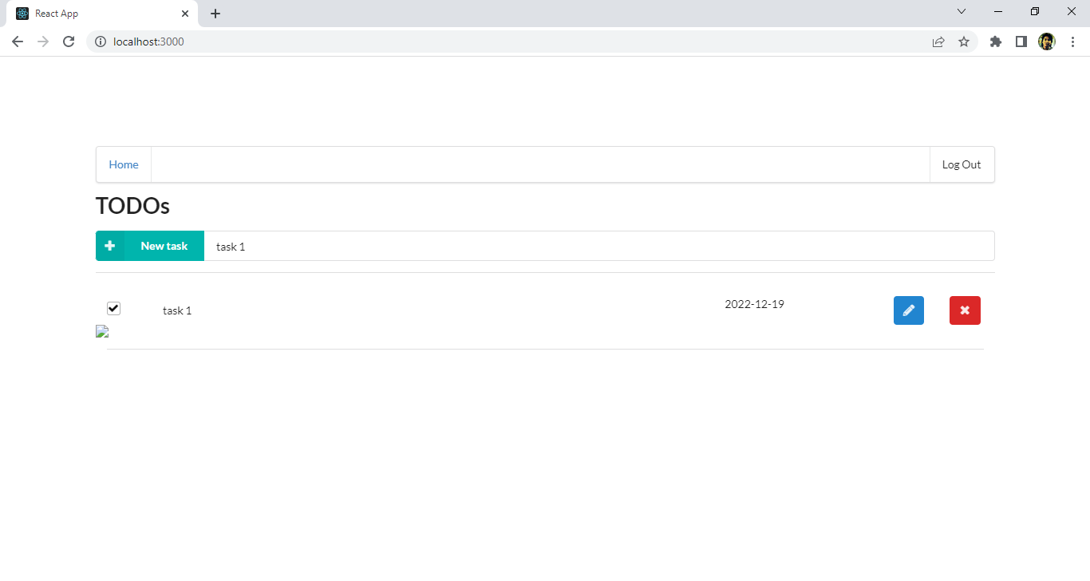
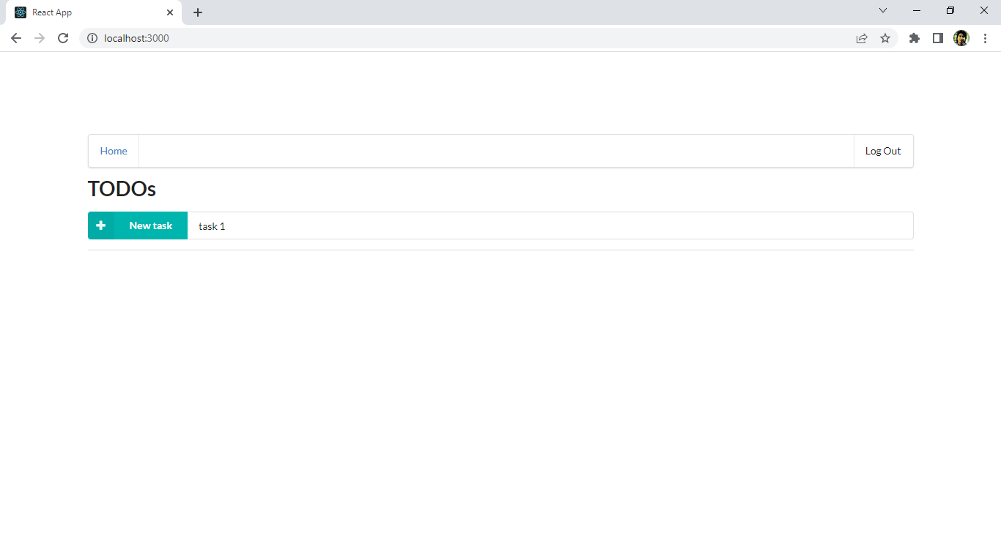
 | CRITERIA | MEETS SPECIFICATIONS
 | The application allows users to create, update, delete items | A user of the web application can use the interface to create, delete and complete an item.

1 | Create TODO will be fail when name length is < 3 character


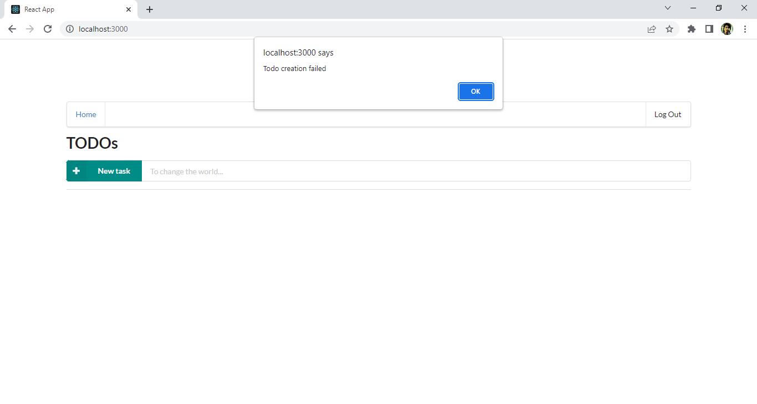

2 | Create TODO successful with name length > 3



3 | Complete items



4 | Delete a todo

CRITERIA_2
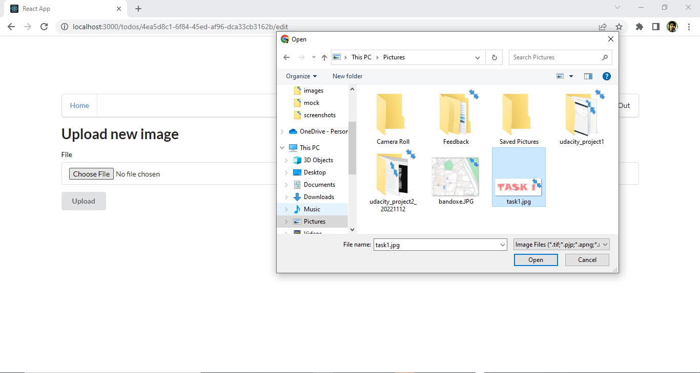
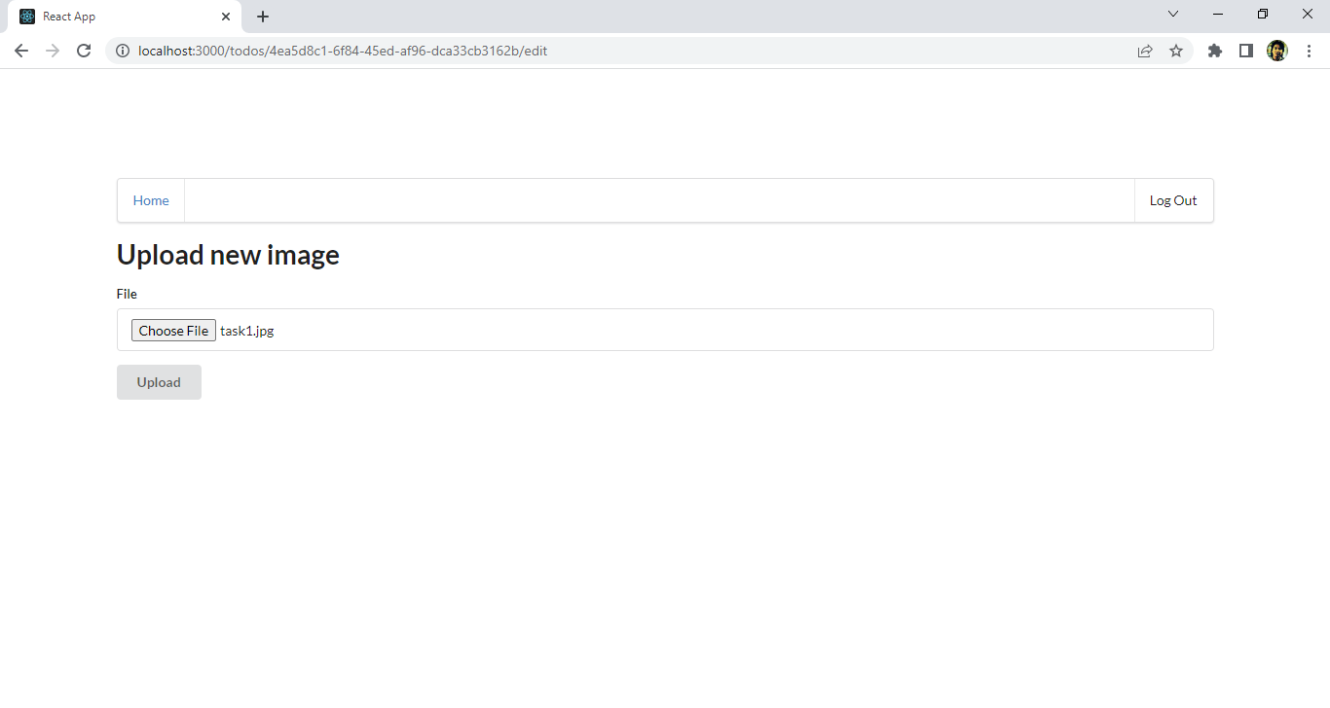
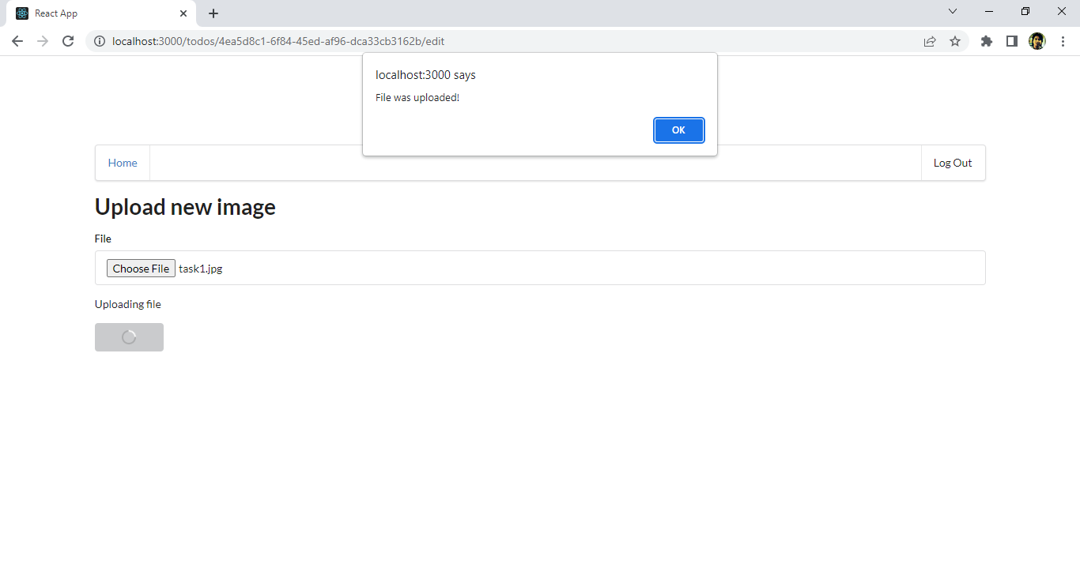
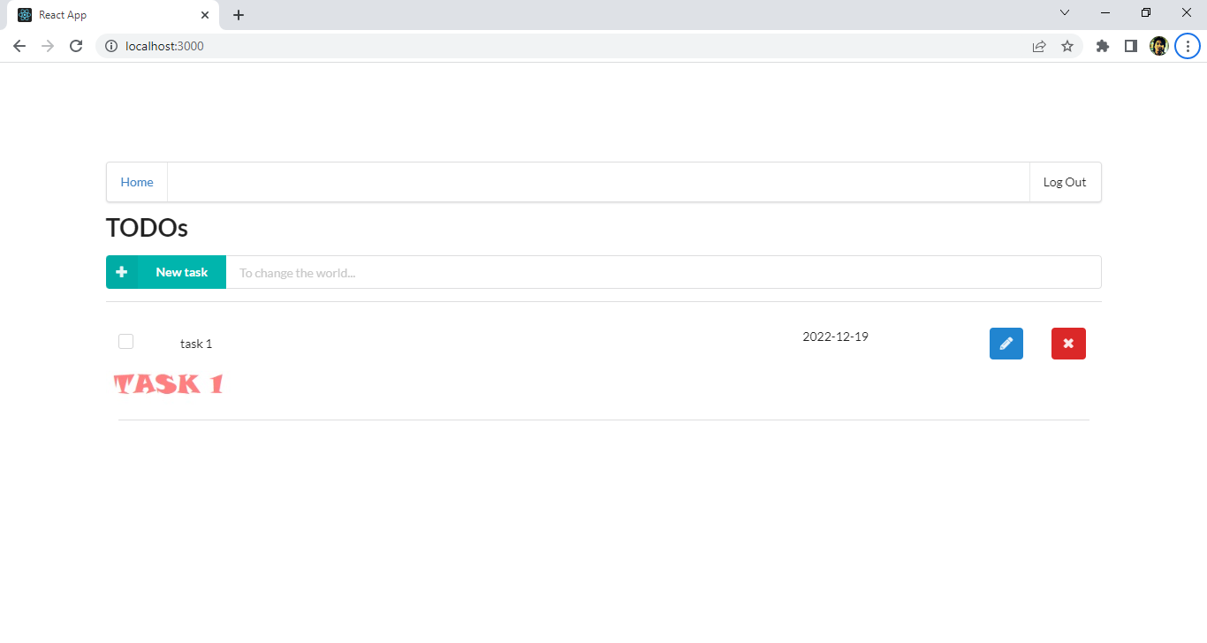
CRITERIA | MEETS SPECIFICATIONS
The application allows users to upload a file. | A user of the web interface can click on a "pencil" button, then select and upload a file. A file should appear in the list of items on the home page.

CRITERIA_3
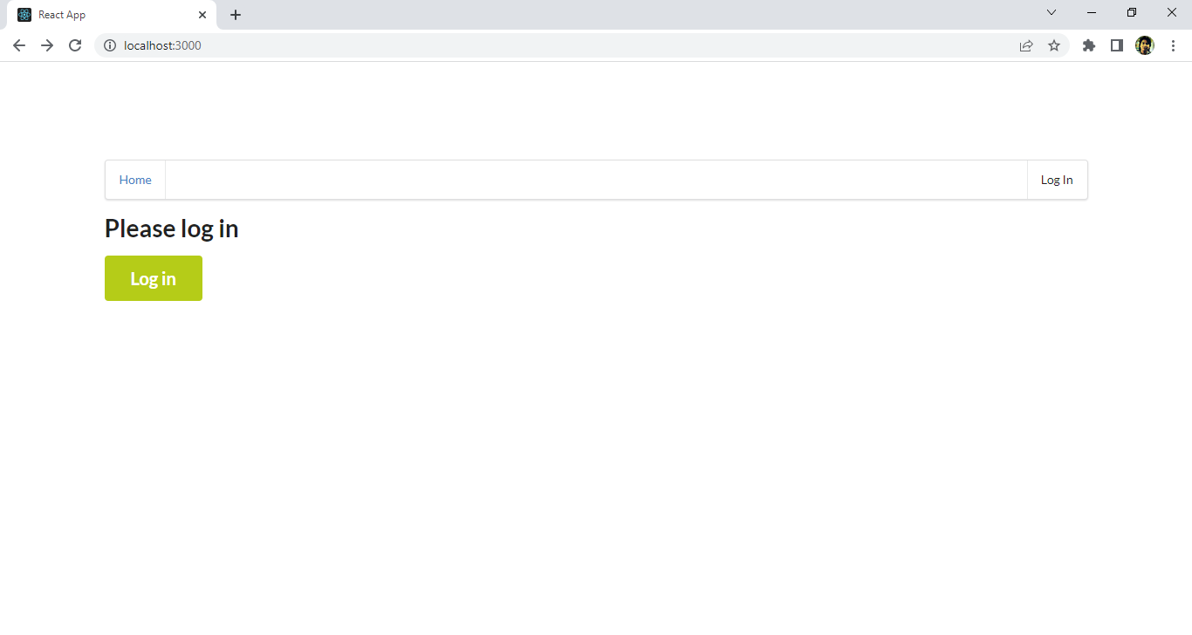
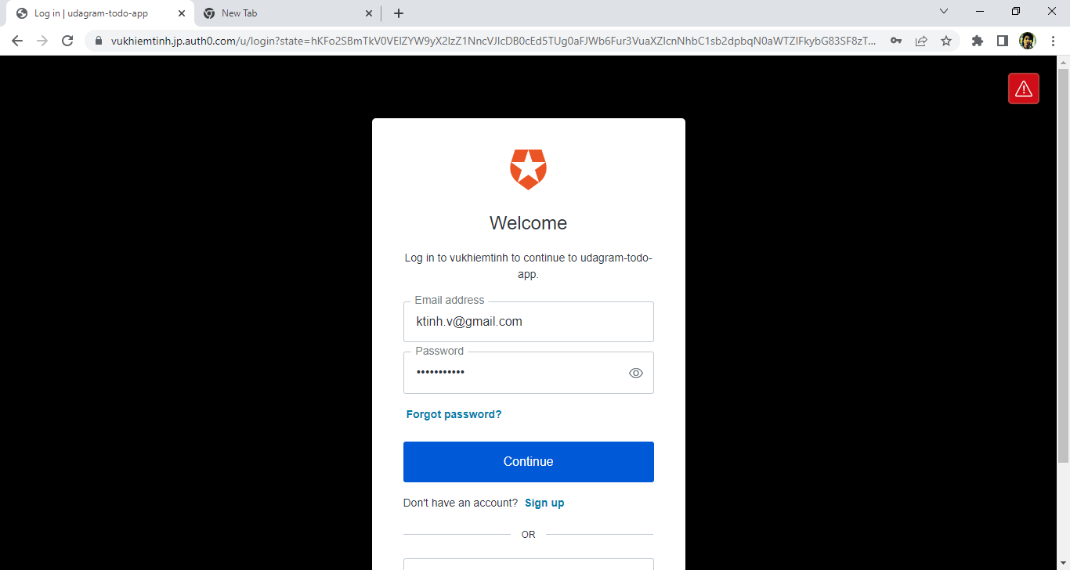
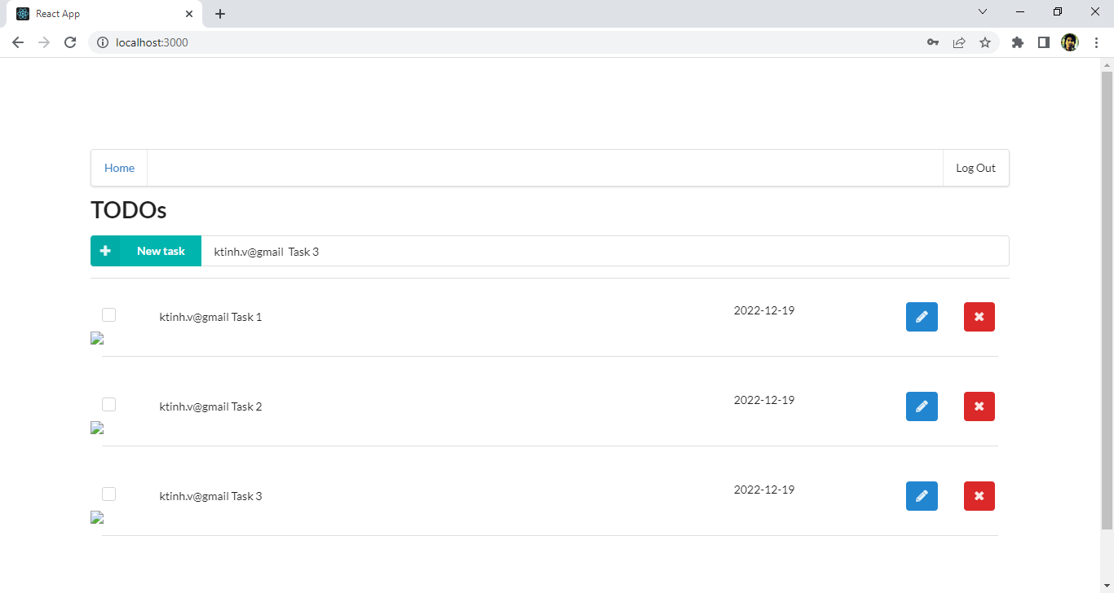
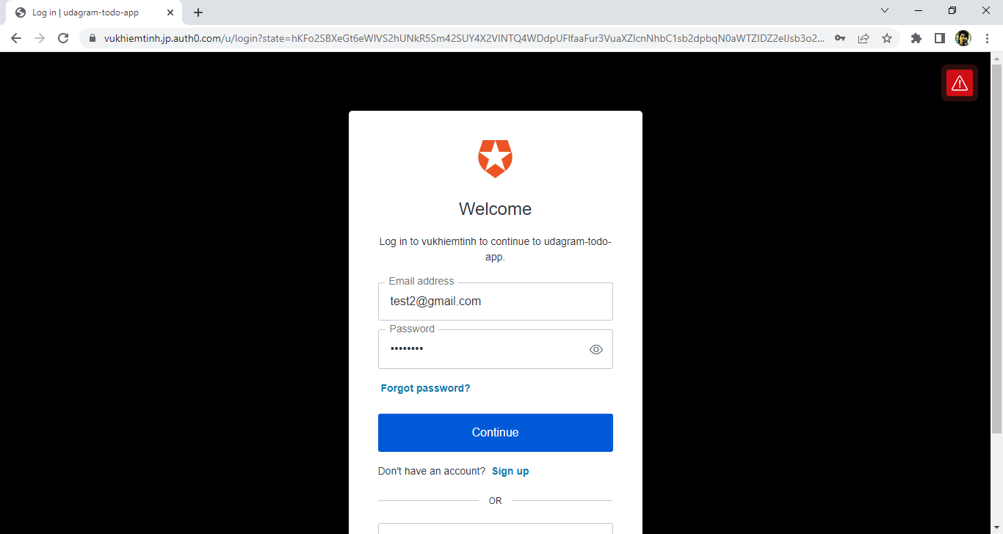
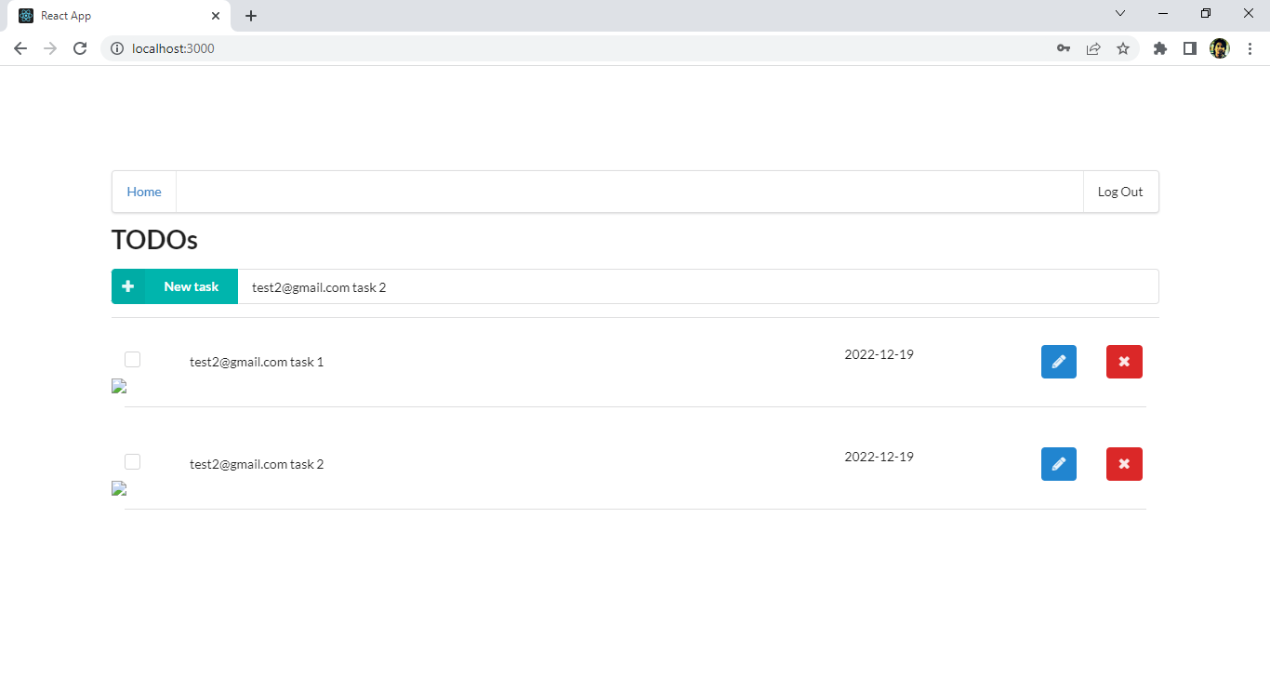
CRITERIA | MEETS SPECIFICATIONS
The application only displays items for a logged in user. | If you log out from a current user and log in as a different user, the application should not show items created by the first account.

CRITERIA_4
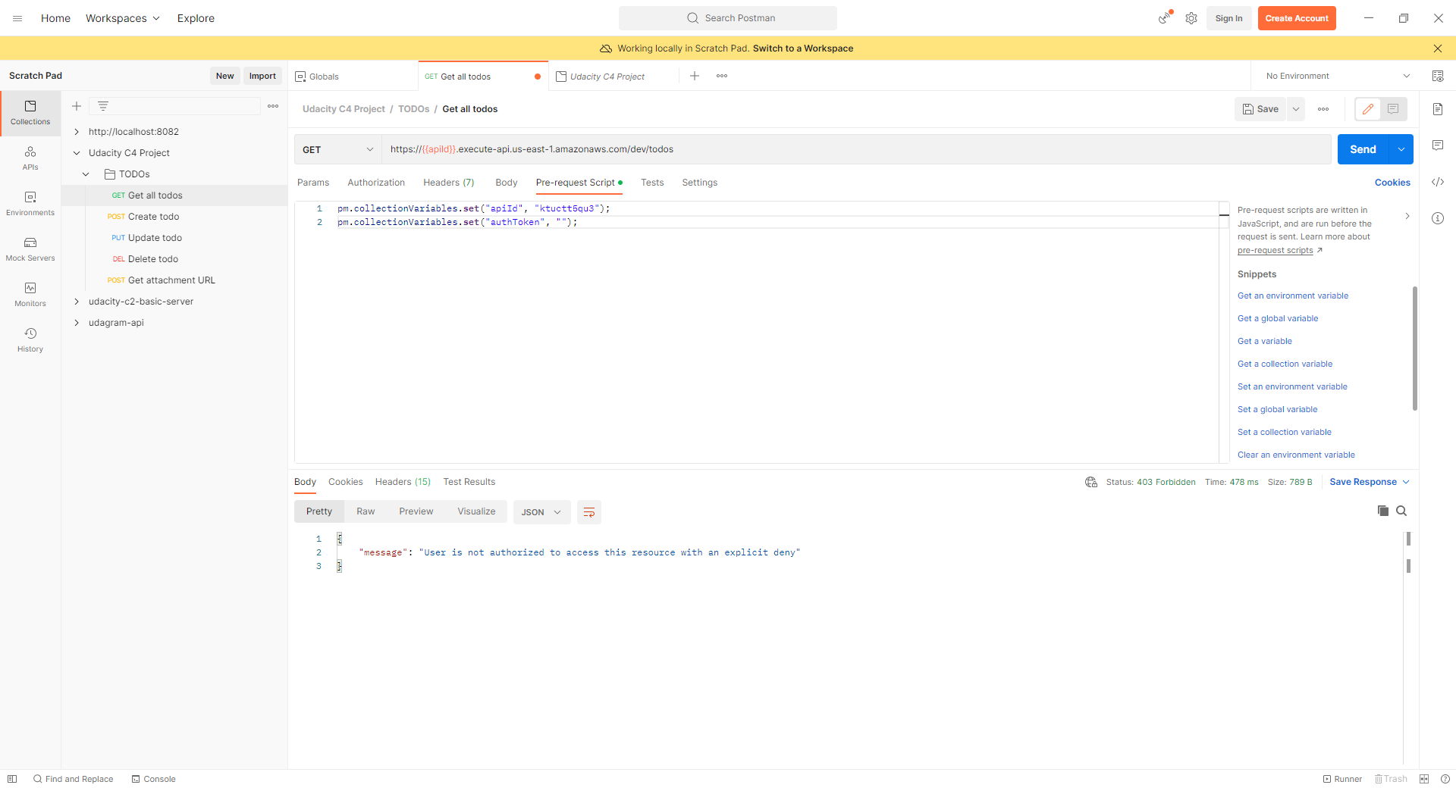
CRITERIA | MEETS SPECIFICATIONS
Authentication is implemented and does not allow unauthenticated access. | A user needs to authenticate in order to use an application.

