data
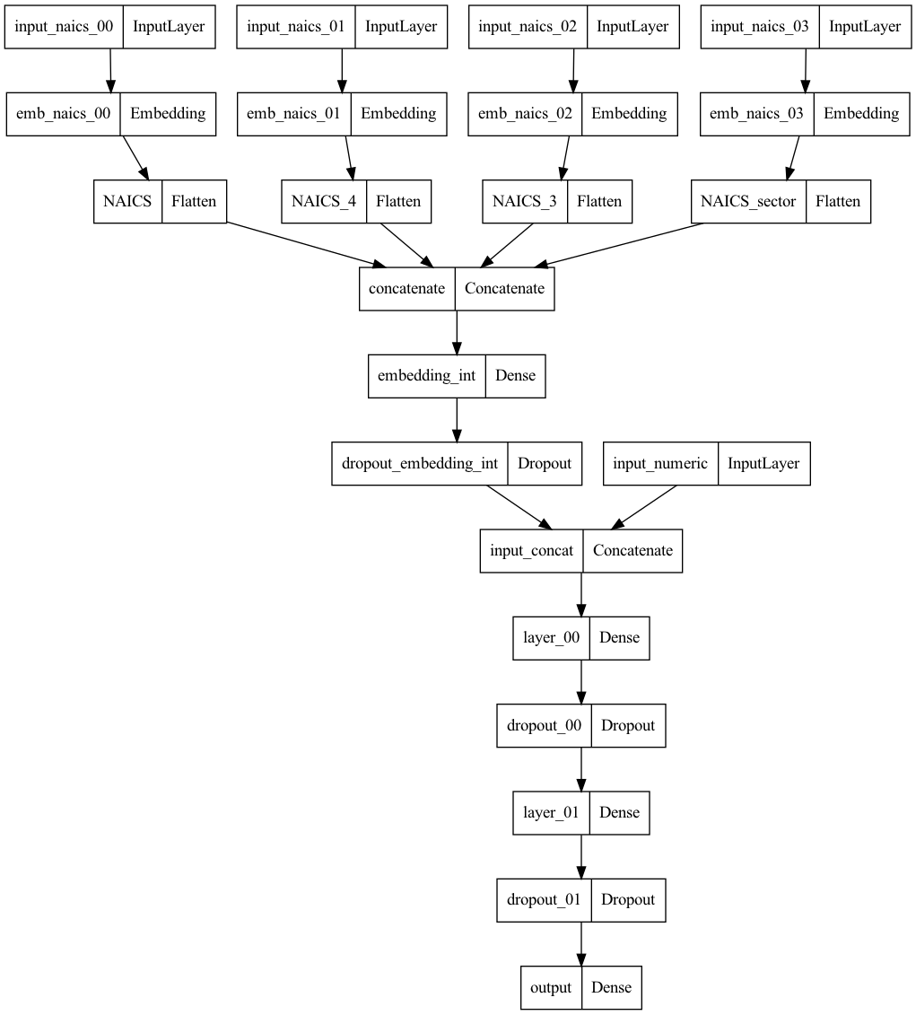
Model Performance Comparisons - Entity Embeddings from Hierarchical Categorical Feature (NAICS)

 |  | no random injection |  | with random injection
 |  | test PR-AUC | holdout PR-AUC | test PR-AUC | holdout PR-AUC
1 | baseline (no NAICS, unmodified data) | 0.3382 | 0.3530 | NA | NA
2 | NAICS entity embeddings | 0.3793 | 0.3464 | 0.3803 | 0.3529
3 | NAICS +hierarchy entity embeddings | 0.3801 | 0.3639 | 0.3798 | 0.3854
4 | NAICS +hierarchy entity embeddings with hidden layer | 0.3795 | 0.3728 | 0.3792 | 0.3865

 | Rows 1-3 from the table above are taken from Table 3 of "Data Disruptions to Elevate Entity Embeddings"
 | (https://medium.com/towards-data-science/data-disruptions-to-elevate-entity-embeddings-b1ddf86a3c95)
 | The fourth row shows results from a model similar to the third row, but with an extra hidden layer that combines inputs from the different levels of the NAICS hierarchy.
 | The extra layer does not much change the performance

Model Diagrams
 | The diagrams below show the model architecture for rows 2-4

 | 2) NAICS entity embeddings
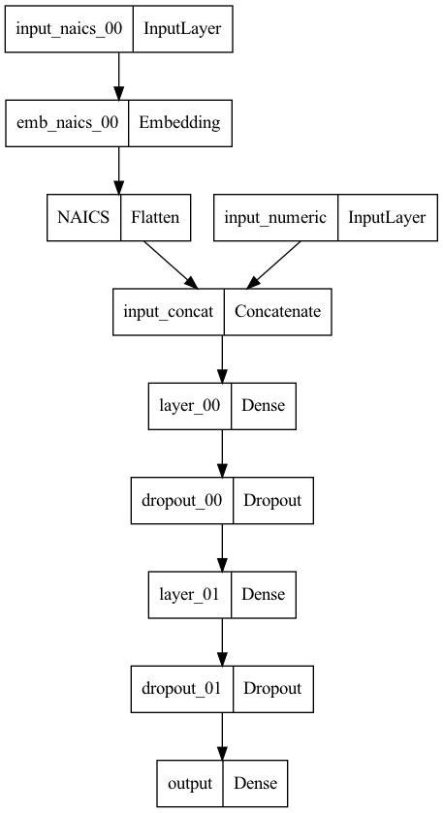

 | 3) NAICS +hierarchy entity embeddings
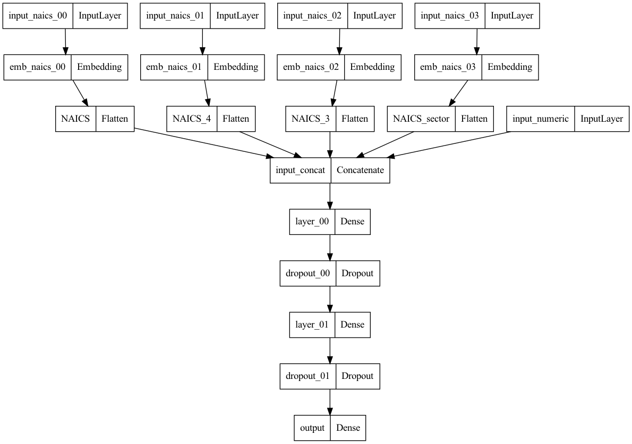

 | 4) NAICS +hierarchy entity embeddings with hidden layer

