Sheet1
1 | Setup

2
3
4
5
6
7
8 | REERs of EAEU countries

9 | <class 'pandas.core.frame.DataFrame'>
 | DatetimeIndex: 251 entries, 2000-01-01 to 2020-11-01
 | Data columns (total 8 columns):
 | # Column Non-Null Count Dtype
 | --- ------ -------------- -----
 | 0 Armenia 251 non-null float64
 | 1 Belarus 251 non-null float64
 | 2 Kazakhstan 251 non-null float64
 | 3 Kyrgyz Republic 251 non-null float64
 | 4 Moldova 251 non-null float64
 | 5 Russian Federation 251 non-null float64
 | 6 Tajikistan 251 non-null float64
 | 7 Ukraine 251 non-null float64
 | dtypes: float64(8)
 | memory usage: 17.6 KB

10
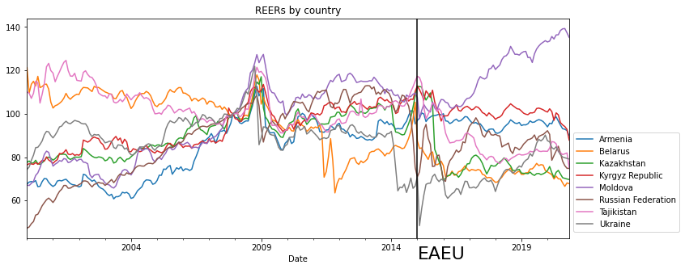

11

12

13
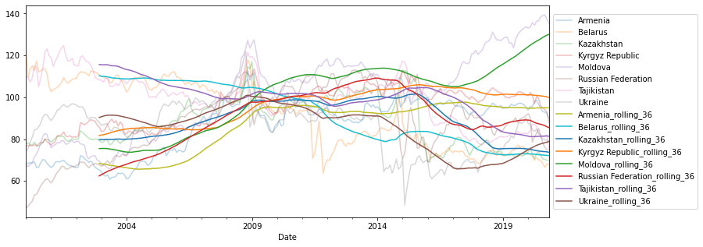

14 |  | N | Mean | Median | Min. | Max. | St.dev. | Skewness | Kurtosis | Jarque-Bera | Jarque-Bera (P-value)
 | Armenia | 251 | 86.436 | 91.964 | 60.748 | 112.67 | 12.978 | -0.587 | 1.967 | 25.576 | 0
 | Belarus | 251 | 92.156 | 93.926 | 63.49 | 121.25 | 15.739 | -0.112 | 1.465 | 25.185 | 0
 | Kazakhstan | 251 | 87.638 | 85.562 | 69.135 | 117.063 | 11.577 | 0.288 | 1.98 | 14.334 | 0.001
 | Kyrgyz Republic | 251 | 95.324 | 98.99 | 76.395 | 113.535 | 9.665 | -0.282 | 1.842 | 17.35 | 0
 | Moldova | 251 | 101.414 | 105.679 | 65.751 | 139.276 | 19.526 | -0.105 | 1.949 | 12.008 | 0.002
 | Russian Federation | 251 | 87.958 | 89.74 | 47.244 | 112.963 | 15.747 | -0.349 | 2.303 | 10.171 | 0.006
 | Tajikistan | 251 | 99.532 | 100.077 | 75.248 | 124.61 | 11.582 | -0.078 | 2.382 | 4.249 | 0.119
 | Ukraine | 251 | 85.497 | 88.55 | 48.422 | 121.9 | 11.897 | -0.365 | 2.993 | 5.561 | 0.062

15 |  | ADF | DFGLS | PP | KPSS | ZA
 | Armenia | 0.394 | 0.417 | 0.463 | 0 | 0.052
 | Belarus | 0.769 | 0.857 | 0.562 | 0 | 0.124
 | Kazakhstan | 0.241 | 0.074 | 0.545 | 0.039 | 0
 | Kyrgyz Republic | 0.23 | 0.357 | 0.242 | 0 | 0.498
 | Moldova | 0.713 | 0.882 | 0.733 | 0 | 0.548
 | Russian Federation | 0.13 | 0.532 | 0.116 | 0.004 | 0.345
 | Tajikistan | 0.415 | 0.287 | 0.706 | 0 | 0.156
 | Ukraine | 0.301 | 0.124 | 0.205 | 0.002 | 0.211

16
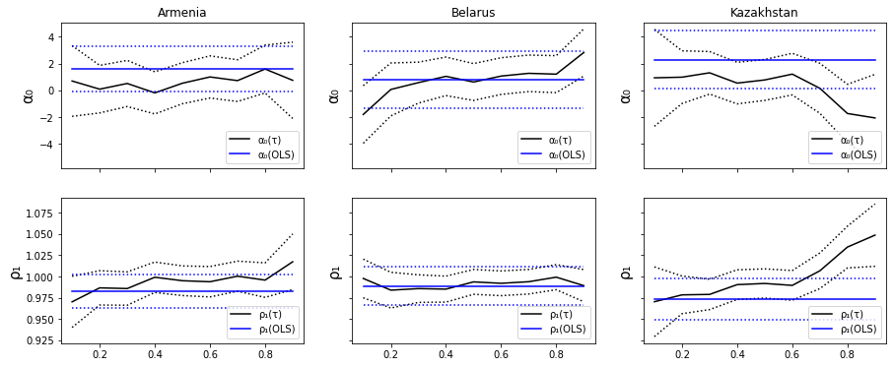

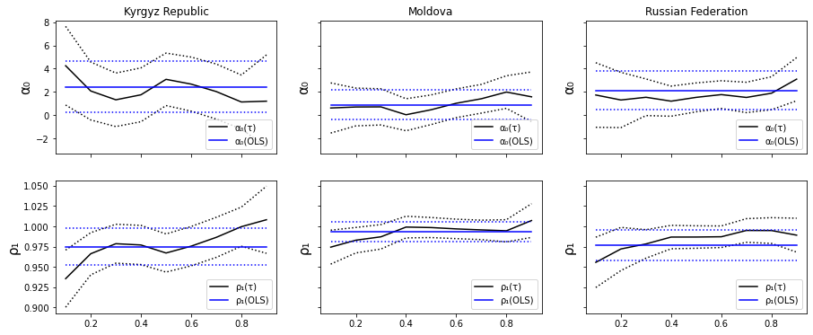

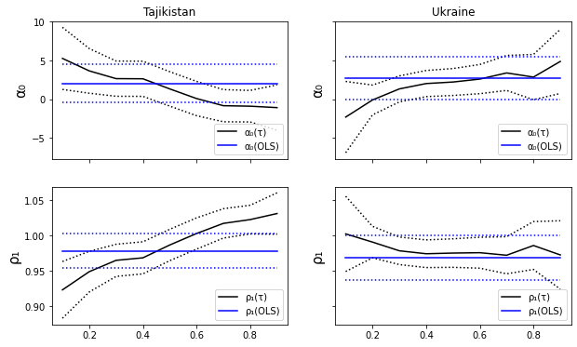

17 | Markov Switching

18

 | Model-1 exprected Durations Low vs High (future persistence in months): [190.87416977 286.09326068]
 | Model-2 exprected Durations Low vs High (future persistence in months): [2.24588581 2.25350824]

19

20 | /Users/victor_yerz/anaconda3/lib/python3.8/site-packages/statsmodels/base/model.py:566: ConvergenceWarning: Maximum Likelihood optimization failed to converge. Check mle_retvals
 | warnings.warn("Maximum Likelihood optimization failed to "

21
22 | Results

23
24 |  | Armenia | Belarus | Kazakhstan | Kyrgyz Republic | Moldova | Russian Federation | Tajikistan | Ukraine
 | Date
 | 2000-01-01 | 67.584163 | 121.249657 | 77.580923 | 76.395403 | 67.088115 | 47.243677 | 110.087088 | 74.340017
 | 2000-02-01 | 68.494432 | 109.552717 | 78.210787 | 76.987894 | 66.917751 | 47.791244 | 109.455091 | 75.456058

25 | Starting Execution:

 | Armenia finished in: 447.36s
 | Belarus finished in: 583.43s
 | Kazakhstan finished in: 441.97s
 | Kyrgyz Republic finished in: 448.53s
 | Moldova finished in: 448.98s
 | Russian Federation finished in: 598.81s
 | Tajikistan finished in: 549.91s
 | Ukraine finished in: 525.98s

 | Total time spent executing: 67m, 25s

26
27
28
29

