Sheet1
Tightening
Policy | FCyI | FCI | Tail | Median | Gap |  | quantile | Tightening | Loosening
Tightening | 0 | 0 | 0.1 | -0.8 | -0.9 | FCyI=0, FCI=0 | 0.1 | 0.1 | 0.05
 | 0 | 1 | 0.1 | -0.85 | -0.95 |  | 0.5 | -0.8 | -0.85
 | 0.5 | 0.5 | 0.24 | -0.72 | -0.96 | FCyI=0, FCI=1 | 0.1 | 0.1 | 0.05
 | 1 | 0.5 | 0.34 | -0.72 | -1.06 |  | 0.5 | -0.85 | -0.9
Loosening | 0 | 0 | -0.05 | 0.85 | 0.9 | FCyI=0.5, FCI=0.5 | 0.1 | 0.24 | 0.1
 | 0 | 1 | -0.05 | 0.9 | 0.95 |  | 0.5 | -0.72 | -0.8
 | 0.5 | 0.5 | -0.1 | 0.8 | 0.9 | FCyI=1, FCI=0.5 | 0.1 | 0.34 | 0.25
 | 1 | 0.5 | -0.25 | 0.7 | 0.95 |  | 0.5 | -0.72 | -0.7
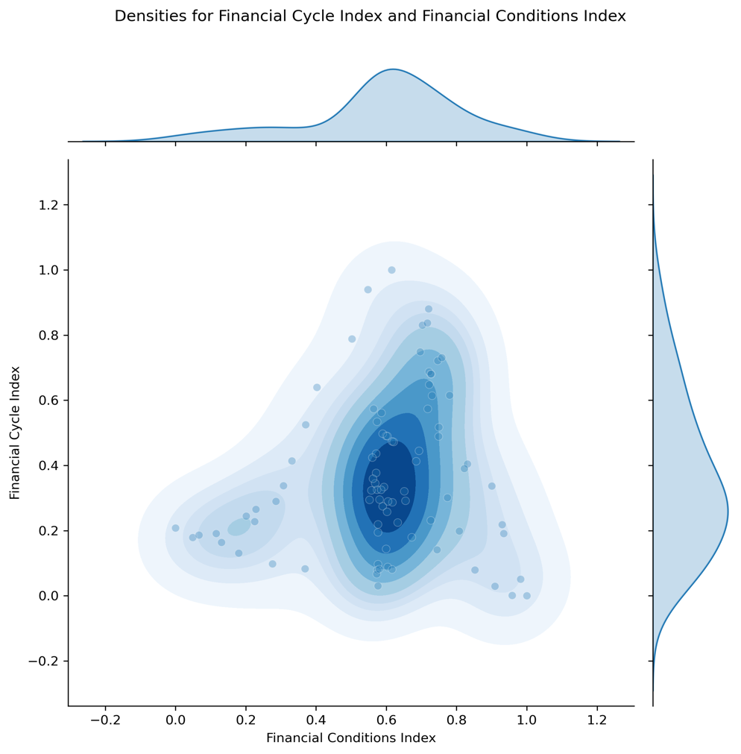

Loosening

