Sheet1
 |  |  |  | תאריך הגשה - 4.4.20 | קבוצה 1
 |  |  |  | liorwunsch@gmail.com | לי אור וונש
 |  |  |  | vladigr1@gmail.com | ולדיסלב ברקנס
 |  |  |  | eldadkro@gmail.com | אלדד קרונפלד
 |  |  |  | elroye77@gmail.com | אלרואי כהנא
 |  |  |  | liadvv@gmail.com | ליעד וקסמן

fast fuel tests

# | Test id | Description | Expected Result | Pre-Condition | Comments
1 | fast fuel operation successful | 1. client chooses the fuel pump 2. put the pump handle to the chamber 3. use an NFC sensor which has the following data: 3.a. NFC id = 223344 4. wait for pump to be ready 5. start refueling | 1. the pump works and the car gets fuel 2. the system shows the client his rate by his current business conditions 3. the system sends the payment to an external system 4. the system recalculates current fuel capacity in storage 5. the system saves the purchase | 1. the NFC id = 223344 belongs to a client that is registered to the system 2. there is enough fuel in the required fuel type in the pump | the NFC id is correct | 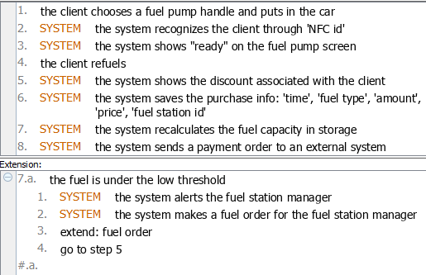
2 | operation, wrong id | 1. client chooses the fuel pump 2. put the pump handle to the chamber 3. use an NFC sensor which has the following data: 3.a. NFC id = 111111 | 1. the system shows "invalid NFC" on the pump's screen | 1. the NFC id = 111111 does not belong to any client in the database | the NFC id is not recognizable
3 | operation, no NFC | 1. client chooses the fuel pump 2. put the pump handle to the chamber | 1. the operation will stop and the car won't get refueled | 1. the car does not have NFC sensor | operation does not continue without NFC sensor
4 | operation, no fuel | 1. client chooses the fuel pump 2. put the pump handle to the chamber 3. use an NFC sensor which has the following data: 3.a. NFC id = 223344 | 1. the operation will stop and the car won't get refueled 2. the system will show "not enough fuel, change pump" on the pump's screen | 1. the NFC id = 223344 belongs to a client that is registered to the system 2. there is no fuel in the required fuel type in the pump | operation stops becuase there is no fuel in the pump
5 | operation, fuel is under the threshold | 1. client chooses the fuel pump 2. put the pump handle to the chamber 3. use an NFC sensor which has the following data: 3.a. NFC id = 223344 4. wait for pump to be ready 5. refuel the car until the fuel in the pump is lower than the "low threshold" | 1. the pump works and the car gets fuel 2. the system shows the client his rate by his current business conditions 3. the system sends the payment to an external system 4. the system recalculates current fuel capacity in storage 5. the system saves the purchase 6. system alerts the fuel station manager 7. system creates an order | 1. the NFC id = 223344 belongs to a client that is registered to the system 2. there is enough fuel in the required fuel type in the pump 3. the pump has a higher fuel capacity than the threshold | fueling operation completed succssefuly
6 | operation, not enough fuel | 1. client chooses the fuel pump 2. put the pump handle to the chamber 3. use an NFC sensor which has the following data: 3.a. NFC id = 223344 4. wait for pump to be ready 5. start refueling | 1. the pump works and the car gets fuel 2. the system shows "pump is now empty" on the pump's screen 3. the system shows the client his rate by his current business conditions 4. the system sends the payment to an external system 5. the system recalculates current fuel capacity in storage 6. the system saves the purchase 7. system alerts the fuel station manager 8. system creates an order | 1. the NFC id = 223344 belongs to a client that is registered to the system 2. there is no fuel in the required fuel type in the pump 3. the pump has a lower fuel capacity than the threshold | fueling operation has been done but not in the required capacity

home fuel tests

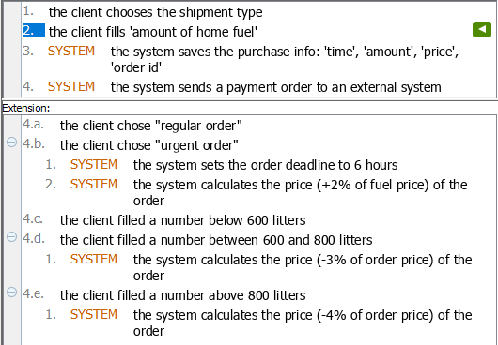
# | Test id | Description | Expected Result | Pre-Condition | Comments
1 | home fuel purchase successful | 1. the client chooses "home fuel purchase" 2. chooses shipment type from list 3. sets field 'fuel amount' = 500 4. press button "confrim purchase" | 1. the system saves the purchase 2. the system sends the payment order to an external system | the client is logged into the system | 1. client fills a purchase request in the correct way and the system create such order 2. client fills 'fuel amount' below 600
2 | home fuel purchase successful - discount | 1. the client chooses "home fuel purchase" 2. chooses shipment type from list 3. sets field 'fuel amount' = 700 4. press button "confrim purchase" | 1. the system saves the purchase 2. the system recalculates purchase fee (-3% of order price) 3. the system sends the payment order to an external system | the client is logged into the system | 1. client fills a purchase request in the correct way and the system create such order 2. client fills 'fuel amount' between 600 and 800
3 | home fuel purchase successful - highest discount | 1. the client chooses "home fuel purchase" 2. chooses shipment type from list 3. sets field 'fuel amount' = 900 4. press button "confrim purchase" | 1. the system saves the purchase 2. the system recalculates purchase fee (-4% of order price) 3. the system sends the payment order to an external system | the client is logged into the system | 1. client fills a purchase request in the correct way and the system create such order 2. client fills 'fuel amount' above 800
4 | home fuel purchase, negative fuel amount | 1. the client chooses "home fuel purchase" 2. chooses shipment type from list 3. sets field 'fuel amount' = -5 4. press button "confrim purchase" | the system prints "amount invalid" | the client is logged into the system | client fills a negative amount of fuel
5 | home fuel purchase, zero fuel amount | 1. the client chooses "home fuel purchase" 2. chooses shipment type from list 3. sets field 'fuel amount' = 0 4. press button "confrim purchase" | the system prints "amount invalid" | the client is logged into the system | client fills 'fuel amount' = 0
6 | home fuel purchase, invalid fuel amount | 1. the client chooses "home fuel purchase" 2. chooses shipment type from list 3. sets field 'fuel amount' = aaa 4. press button "confrim purchase" | the system prints "amount invalid" | the client is logged into the system | client fills non-digits in amount of fuel
7 | home fuel purchase, no fuel amount | 1. the client chooses "home fuel purchase" 2. chooses shipment type from list 3. press button "confrim purchase" | the system prints "missing fields" | the client is logged into the system | client does not fill any amount of fuel
8 | home fuel purchase, regular shipment type | 1. the client chooses "home fuel purchase" 2. chooses shipment type 'regular' 3. fills 'fuel amount' 4. press button "confrim purchase" | 1. the system saves the purchase 2. the system sends the payment order to an external system | the client is logged into the system | 1. client fills a purchase request in the correct way and the system create such order 2. client chooses 'regular order'
9 | home fuel purchase, urgent shipment type | 1. the client chooses "home fuel purchase" 2. chooses shipment type 'urgent' 3. fills 'fuel amount' 4. press button "confrim purchase" | 1. the system saves the purchase 2. the system recalculates purchase fee (+2% of fuel price) 3. the system sets deadline to 6 hours 4. the system sends the payment order to an external system | the client is logged into the system | 1. client fills a purchase request in the correct way and the system create such order 2. client chooses 'urgent order'
10 | home fuel purchase, no shipment type | 1. the client chooses "home fuel purchase" 2. sets field 'fuel amount' = 500 3. press button "confrim purchase" | the system prints "missing fields" | the client is logged into the system | client does not choose any shipment type

