tracking
Batch | changes | partnumbers | partnames | date 1 input | BP number | next batches
RKY1230 2024-01-12 switch from RKY1241 | Before change | 3603500XKN45A | CORNER RADAR CONTROL MODULE | 2024-02-06 | BP23012406
 | After Change | 3603501XKN01A | CORNER RADAR CONTROL MODULE
 | Before change | S024C01XKN46001 | SOFTWARE,CORNER RADAR CONTROL MODULE
 | After Change | S024C02XKN46001 | SOFTWARE,CORNER RADAR CONTROL MODULE
 | Before change | S024A01XKN45002 | SOFTWARE,CORNER RADAR CONTROL MODULE
 | After Change | S024A01XKN42004 | SOFTWARE,CORNER RADAR CONTROL MODULE
RAS0025 4wd 4х4 RAR0037 | Before change | 1201109XGW02A | MAIN MUFFLER ASSY | 06.02.2024 07.02.2024 | BP23009488 | 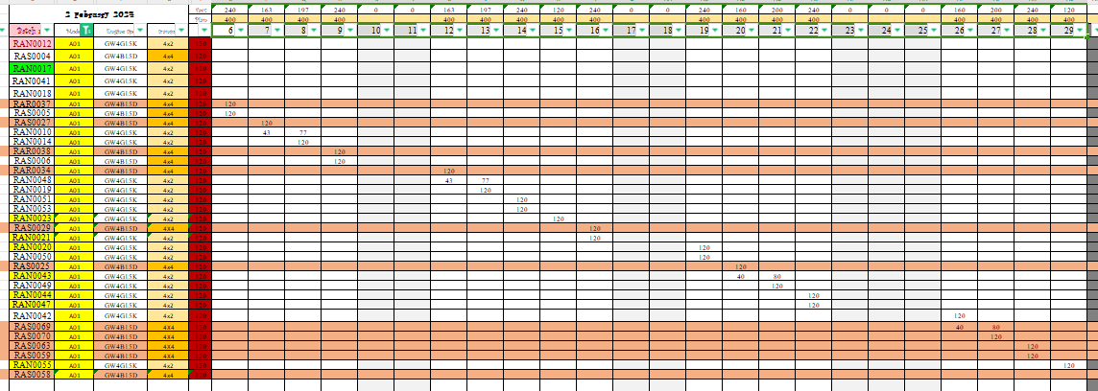
 | After Change | 1201109XGW02A | MAIN MUFFLER ASSY
 | Before change | 1201108XGW02A | AUX MUFFLER ASSY
 | After Change | 1201108XGW02A | AUX MUFFLER ASSY
 | Delete | 1201592XGW02A | TAIL PIPE,RH
 | Delete | 1201591XGW02A | TAIL PIPE,LH
 | Delete | 1201695XGW02A | AIR INLET PIPE
 | Delete | 1201691XGW02A | EXH PIPE
 | Delete | 1201690XGW02A | AIR INLET PIPE
 | Add | 1201734XGW02A | EXH PIPE
 | Add | 1201733XGW02A | AIR INLET PIPE
 | Add | 1201594XGW02A | TAIL PIPE,RH
 | Add | 1201593XGW02A | TAIL PIPE,LH
 | Add | 1201735XGW02A | AIR INLET PIPE
с RKY1262 16.03.24 Tech+ (15 batches) | Before change | 1000KN460001A | ENGINE SUB-ASSY kd parts | с 16.03.24 | rnd request for 15 batches Tech+
 | After change | 1000KN460001B | ENGINE SUB-ASSY LOCAL parts
 | Before change | 1004011XEN01 | PISTON kd parts
 | After change | 1004011BEN01 | PISTON local parts
с RAR0086 21.03.2024 Premium (20 batches) | Before change | 1000ST110003E (Include：1000100REB05, 3611200XEN03) | Двигатель в сборе (Двигатель в сборе, датчик температуры воды) ENGINE SUB-ASSY (ENGINE ASSY, SENSOR,WATER TEMPERATURE) for LOCAL | c 21.03.2024 | RnD ES Local to KD (to use 2024 units of engines) | A01 2024 MY 4WD Premium RAR0086 21.03.2024 RAR0103 25.03.2024 RAR0104 25.03.2024 RAR0102 26.03.2024 RAR0105 26.03.2024 RAR0039 27.03.2024 RAR0040 28.03.2024 RAR0036 30.03.2024 RAR0033 02.04.2024 RAR0127 10.04.2024 RAR0128 12.04.2024 RAR0129 12.04.2024 RAR0130 12.04.2024 RAR0081 22.04.2024 RAR0082 23.04.2024 RAR0083 23.04.2024 RAR0084 23.04.2024 RAR0087 24.04.2024 RAR0088 24.04.2024 RAR0149 25.05.2024 RAR0150 26.04.2024
 | After change | 1000ST110003D (Include：1000100XEB05, 3611200XEN02/ 3611200XEN03) | Двигатель в сборе (Двигатель в сборе, датчик температуры воды) ENGINE SUB-ASSY (ENGINE ASSY, SENSOR,WATER TEMPERATURE) KD
 | Before change | 4001101XST33B | Жгут проводов в сборе, двигатель HARN ASSY,ENGINE for LOCAL
 | After change | 4001102XST02A/ 4001101XST33B | Жгут проводов в сборе, двигатель HARN ASSY,ENGINE for KD

