JSON & XML
JSON-Processing
Installing JSON.NET | Install-Package Newtonsoft.Json
General Usage - Used for parsing and configuration
To Serialize an object: | var jsonProduct = JsonConvert.SerializeObject(product);
To Deserialize an object: | var objProduct = JsonConvert.DeserializeObject<Product>(jsonProduct);
JSON.NET Features
JSON.NET can be configured to: | Indent the output JSON string To convert JSON to anonymous types To control the casing and properties to parse To skip errors
JSON.NET also supports: | LINQ-to-JSON Direct parsing between XML and JSON
Configuring JSON.NET
By default, the result is a single line of text
To indent the output string use Formatting.Indented | JsonConvert.SerializeObject(products, Formatting.Indented); | { "pump": { "Id": 0, "Name": "Oil Pump", "Description": null, "Cost": 25.0 }, "filter": { "Id": 0, "Name": "Oil Filter", "Description": null, "Cost": 15.0 }}
Deserializing to anonymous types: | var json = @"{ 'firstName': 'Vladimir', 'lastName': 'Georgiev', 'jobTitle': 'Technical Trainer' }"; - Incoming JSON var template = new { FirstName = string.Empty, LastName = string.Empty, Occupation = string.Empty }; - Template objects var person = JsonConvert.DeserializeAnonymousType(json, template);
JSON.NET Parsing of Objects
By default JSON.NET takes each property / field from the class and parses it | This can be controlled using attributes: public class User { [JsonProperty("user")] -Parse Username to user public string Username { get; set; } [JsonIgnore] - Skip the property public string Password { get; set; } }
 | This can be controlled using ContractResolver: DefaultContractResolver contractResolver = new DefaultContractResolver() { NamingStrategy = new SnakeCaseNamingStrategy() }; var serialized = JsonConvert.SerializeObject(person, new JsonSerializerSettings() { ContractResolver = contractResolver, Formatting = Formatting.Indented });
LINQ-to-JSON
LINQ-to-JSON works with Jobjects | Create from JSON string: JObject obj = JObject.Parse(jsonProduct);
 | Reading from file: var people = JObject.Parse(File.ReadAllText(@"c:\people.json"))
 | Using JObject: foreach (JToken person in people) { Console.WriteLine(person["FirstName"]); // Ivan Console.WriteLine(person["LastName"]); // Petrov }
JObjects can be queried with LINQ | var json = JObject.Parse(@"{'products': [ {'name': 'Fruits', 'products': ['apple', 'banana']}, {'name': 'Vegetables', 'products': ['cucumber']}]}"); var products = json["products"].Select(t => string.Format("{0} ({1})", t["name"], string.Join(", ", c["products"]) )) // Fruits (apple, banana) // Vegetables (cucumber)
XML-to-JSON
string xml = @"<?xml version='1.0' standalone='no'?> <root> <person id='1'> <name>Alan</name> <url>www.google.com</url> </person> <person id='2'> <name>Louis</name> <url>www.yahoo.com</url> </person> </root>"; XmlDocument doc = new XmlDocument(); doc.LoadXml(xml); string jsonText = JsonConvert.SerializeXmlNode(doc); | { "?xml": { "@version": "1.0", "@standalone": "no" }, "root": { "person": [ { "@id": "1", "name": "Alan", "url": "www.google.com" }, { "@id": "2", "name": "Louis", "url": "www.yahoo.com" }]} }
XML-Processing
What is XML (EXtensible Markup Language)? | Universal notation (data format / language) for describing structured data using text with tags
 | Designed to store and transport data
 | The data is stored together with the meta-data about it
XML Syntax
Header | Defines a version and character encoding: <?xml version="1.0" encoding="UTF-8"?>
Elements | Define the structure
Attributes | Element metadata
Values | Actual data, that can also be nested elements
Root element | Required to only have one
<title lang="en">Professional C# 4.0 and .NET 4</title> | title - Element name lang - Attribute Professional C# 4.0 and .NET 4 - Value
XML - Structure
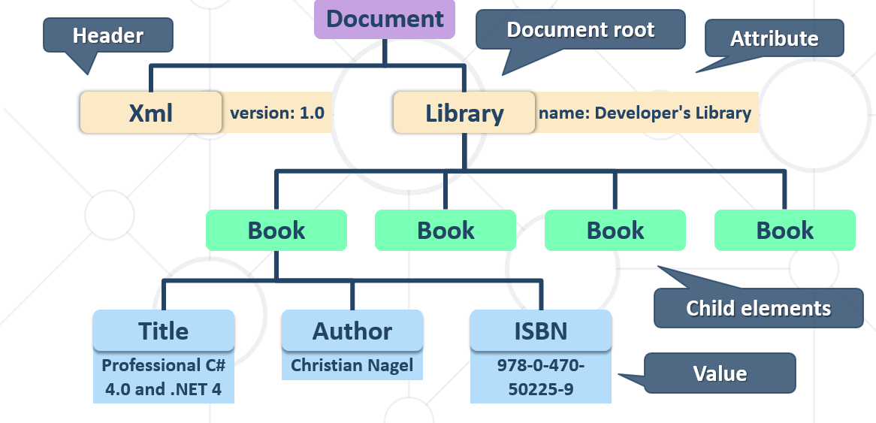
XML and HTML
Similarities between XML and HTML | Both are text based notations
 | Both use tags and attributes
Differences between XML and HTML | HTML describes documents, XML is a syntax for describing other languages (meta-language)
 | HTML describes the layout and the structure of information
 | XML requires the documents to be well-formatted
XML: Advantages
Advantages of XML: | XML is human-readable (unlike binary formats)
 | Stores any kind of structured data
 | Data comes with self-describing meta-data
 | Full Unicode support
 | Custom XML-based languages can be designed for certain apps
 | Parsers available for virtually all languages and platforms
XML: Disadvantages
Disadvantages of XML: | XML data is bigger (takes more space) than binary or JSON - More memory consumption, more network traffic, more hard-disk space, more resources, etc.
 | Decreased performance - CPU consumption: need of parsing / constructing the XML tags
 | XML is not suitable for all kinds of data - E.g. binary data: graphics, images, videos, etc.
Parsing XML Using XDocument and LINQ
LINQ to XML
LINQ to XML | Use the power of LINQ to process XML data
 | Easily read, search, write, modify XML documents
LINQ to XML classes: | XDocument – represents a LINQ-enabled XML document (containing prolog, root element, …)
 | XElement – main component holding information
Reading XML
To process an XML string: | string str = @"<?xml version=""1.0""?> <!-- comment at the root level --> <Root> <Child>Content</Child> </Root>"; XDocument doc = XDocument.Parse(str);
Loading XML directly from file: | XDocument xmlDoc = XDocument.Load("../../books.xml");
Working with XDocument
var cars = xmlDoc.Root.Elements(); foreach (var car in cars) { string make = car.Element("make").Value; string model = car.Element("model").Value; Console.WriteLine($"{make} {model}"); } | xmlDoc.Root - Access root element
 | xmlDoc.Root.Elements(); - Get collection of children
 | car.Element("make"); - Access element by name
 | car.Element("make").Value; - Get value
Set an element value by name | If it doesn't exist, it will be added
 | If it is set to null, it will be removed
 | customer.SetElementValue("birth-date", "1990-10-04T00:00:00");
Remove an element from its parent | var youngDriver = customer.Element("is-young-driver"); youngDriver.Remove();
Get or set an element attribute by name | customer.Attribute("name").Value
Get a list of all attributes for an element | var attrs = customer.Attributes;
Set an attribute value by name | If it doesn't exist, it will be added
 | If it is set to null, it will be removed
 | customer.SetAttributeValue("age", "21");
LINQ to XML – Searching with LINQ
Searching in XML with LINQ is like searching with LINQ in array | XDocument xmlDoc = XDocument.Load("cars.xml"); var cars = xmlDoc.Root.Elements() .Where(e => e.Element("make").Value == "Opel" && (long)e.Element("travelled-distance") >= 300000) .Select(c => new { Model = c.Element("model").Value, Traveled = c.Element("travelled-distance").Value }) .ToList(); foreach (var car in cars) Console.WriteLine(car.Model + " " + car.Traveled);
Creating XML with Xelement
XDocuments can be composed from XElements and XAttributes | <books> <book> <author>Don Box</author> <title lang="en">Essential .NET</title> </book> </book>
 | XDocument xmlDoc = new XDocument(); xmlDoc.Add( new XElement("books", new XElement("book", new XElement("author", "Don Box"), new XElement("title", "ASP.NET", new XAttribute("lang", "en")) )));
Serializing XML to File
To flush a XDocument to file with default settings: | xmlDoc.Save("myBooks.xml");
To disable automatic indentation: | xmlDoc.Save("myBooks.xml", SaveOptions.DisableFormatting);
To serialize any object to file: | var serializer = new XmlSerializer(typeof(ProductDTO)); using (var writer = new StreamWriter("myProduct.xml");) { serializer.Serialize(writer, product); }
Deserialize XML from String XML
To deserialize an object from a XML string | var serializer = new XmlSerializer(typeof(OrderDto[]), new XmlRootAttribute("Orders")); var deserializedOrders = (OrderDto[])serializer.Deserialize(new StringReader(xmlString));
Specifying root attribute name | var attr = new XmlRootAttribute("Orders"); var serializer = new XmlSerializer(typeof(OrderDto[]), attr); var deserializedOrders = (OrderDto[])serializer.Deserialize(new StringReader(xmlString));
XML Attributes
Using xml attributes - We can use several attributes to control serialization to XML
[XmlType("Name")] | Specifies the type’s name in XML
[XmlAttribute("name")] | Serializes as XML Attribute
[XmlElement] | Serialize as XML Element
[XmlIgnore] | Do not serialize
[XmlArray] | Serialize as an array of XML elements
[XmlRoot] | Specifies the root element name
[XmlText] | Serialize multiple xml elements on one line
XML Attributes: Example - We can use several XML attributes to control serialization
[XmlType("Book")] public class BookDto //XML Type name { [XmlAttribute("name")] public string Name { get; } [XmlElement("Author")] public string Author { get; } [XmlIgnore] //Not serialized public decimal Price { get; } } | <Book name="It"> <Author>Stephen King</Author> </Book> <Book name="Frankenstein"> <Author>Mary Shelley</Author> </Book> <Book name="Queen Lucia"> <Author>E.F. Benson</Author> </Book> <Book name="Paper Towns"> <Author>John Green</Author> </Book>
Steps To Deserialize XML
1.Create DTO | namespace ProductShop.Dtos.Import { using System.Xml.Serialization; [XmlType("User")] public class UserDto { [XmlElement("firstName")] public string FirstName { get; set; } [XmlElement("age")] public int Age { get; set; } }} | //<User> // <firstName>Chrissy</firstName> // <lastName>Falconbridge</lastName> // <age>50</age> //</User>
2.Create Map in - public class ProductShopProfile : Profile | public ProductShopProfile() { this.CreateMap<UserDto, User>(); }
3.Mapper.Initialize in - Main Use DBContext, Create Databse if doesn’t exist and read XML File - In Main | Mapper.Initialize(x => x.AddProfile<ProductShopProfile>());
 | using (ProductShopContext context = new ProductShopContext()) { context.Database.EnsureDeleted(); context.Database.EnsureCreated(); var usersXml = File.ReadAllText(@"Datasets\users.xml"); Console.WriteLine(ImportUsers(context, usersXml)); Console.WriteLine(GetProductsInRange(context)); }
4. Import (or deserialize) Users from readed file | public static string ImportUsers(ProductShopContext context, string inputXml) { XmlSerializer xmlSerializer = new XmlSerializer(typeof(UserDto[]), new XmlRootAttribute("Users")); var usersDto = (UserDto[])xmlSerializer.Deserialize(new StringReader(inputXml)); var users = new List<User>(); foreach (var userDto in usersDto) { var user = Mapper.Map<User>(userDto); users.Add(user); } context.Users.AddRange(users); context.SaveChanges(); return $"Successfully imported {users.Count}"; ; }

Steps To Serialize XML
1.Create DTO | namespace ProductShop.Dtos.Export { using System.Xml.Serialization; [XmlType("Product")] public class ExportProductInRange { [XmlElement("name")] public string Name { get; set; } [XmlElement("price")] public decimal price { get; set; } } } | // <Product> // <name>TRAMADOL HYDROCHLORIDE</name> // <price>516.48</price> //</Product>
2.Create Map in - public class ProductShopProfile : Profile | public ProductShopProfile() { this.CreateMap<UserDto, User>(); }
3.Mapper.Initialize in - Main Use DBContext, Create Databse if doesn’t exist and read XML File - In Main | Mapper.Initialize(x => x.AddProfile<ProductShopProfile>());
 | using (ProductShopContext context = new ProductShopContext()) { context.Database.EnsureDeleted(); context.Database.EnsureCreated(); var usersXml = File.ReadAllText(@"Datasets\users.xml"); Console.WriteLine(ImportUsers(context, usersXml)); Console.WriteLine(GetProductsInRange(context)); }
4.Export (or serialize) | public static string GetProductsInRange(ProductShopContext context) {var products = context.Products.Take(10).Where(p => p.Price >= 500 && p.Price <= 1000) .Select(p => new ExportProductInRangeDto { Name = p.Name,Price = p.Price,Buyer = p.Buyer.FirstName + " " + p.Buyer.LastName}).OrderBy(p => p.Price).ToArray(); XmlSerializer serializer = new XmlSerializer(typeof(ExportProductInRangeDto[]), new XmlRootAttribute("Products")); var sb = new StringBuilder(); var namespaces = new XmlSerializerNamespaces(new[] {new XmlQualifiedName("","")}); serializer.Serialize(new StringWriter(sb), products, namespaces); return sb.ToString().TrimEnd();}

Mappings
DTO Definition (Data Transfer Objects)
What is a Data Transfer Object? | A DTO is an object that carries data between processes - Used to aggregate only the needed information in a single call - Example: In web applications, between the server and client Doesn't contain any logic – only stores values | public class ProductDTO { public string Name { get; set; } public int StockQty { get; set; } }
DTO Usage Scenarios | - Remove circular references - Hide particular properties that clients are not supposed to view - Omit some properties in order to reduce payload size - Flatten object graphs that contain nested objects to make them more convenient for clients - Decouple your service layer from your database layer

Manual Mapping
Relationship Diagram | 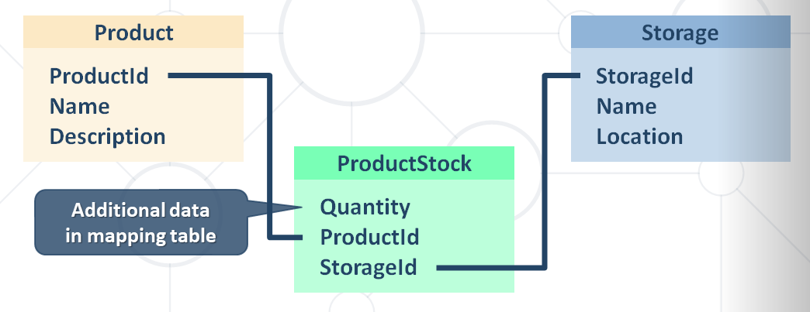
Get product name and stock quantity in a new DTO object | var product = context.Products.FirstOrDefault(); var productDto = new ProductDTO { Name = product.Name, StockQty = product.ProductStocks.Sum(ps => ps.Quantity) - Aggregate information from mapping table };

AutoMapper
What is AutoMapper? | Library to eliminate manual mapping code Available as a NuGet Package Official GitHub Page Install-Package AutoMapper
Initialization and Configuration | AutoMapper offers a static service for use and configuration Add mappings between objects and DTOs: Mapper.Initialize(cfg => cfg.CreateMap<Product, ProductDTO>()); Product - Source ProductDTO - Target
 | Properties will be mapped by name var product = context.Products.FirstOrDefault(); ProductDTO dto = Mapper.Map<ProductDTO>(product);
Multiple Mappings | You can configure all mapping configurations at once: Mapper.Initialize(cfg => { cfg.CreateMap<Product, ProductDTO>(); cfg.CreateMap<Order, OrderDTO>(); cfg.CreateMap<Client, ClientDTO>(); cfg.CreateMap<SupportTicket, TicketDTO>(); });
Custom Member Mapping | Mapper.Initialize(cfg => cfg.CreateMap<Product, ProductDTO>() .ForMember(dto => dto.StockQty, opt => opt.MapFrom(src => src.ProductStocks.Sum(p => p.Quantity))));
Flattening Complex Properties | AutoMapper can also be used to flatten complex properties: Mapper.Initialize(cfg => cfg.CreateMap<Event, CalendarEventViewModel>() .ForMember(dest => dest.Date, opt => opt.MapFrom(src => src.Date.Date)) .ForMember(dest => dest.Hour, opt => opt.MapFrom(src => src.Date.Hour)) .ForMember(dest => dest.Minute, opt => opt.MapFrom(src => src.Date.Minute)));
Flattening Complex Objects | Flattening of related objects is automatically supported: public class OrderDTO { public string ClientName { get; set; } public decimal Total { get; set; } }
 | AutoMapper understands ClientName is the Name of a Client: Mapper.Initialize(cfg => cfg.CreateMap<Order, OrderDTO>()); OrderDTO dto = Mapper.Map<Order, OrderDTO>(order);
Unflattening Complex Objects | Unflattening of related objects is automatically supported: public class OrderDTO { public string ClientName { get; set; } public decimal Total { get; set; } }
 | AutoMapper understands ClientName is the Name of a Client, but to unflatten it, it needs ReverseMap: Mapper .Initialize(cfg => cfg.CreateMap<Order, OrderDTO>() .ReverseMap());
Mapping Collections | EF Core uses IQueryable<T> for all DB operations - AutoMapper can work with IQueryable<T> to map classes
 | Using AutoMapper to map an entire DB collection: var posts = context.Posts .Where(p => p.Author.Username == "gosho") //IQueryable<Post> .ProjectTo<PostDto>() IQueryable<PostDto> .ToArray();
 | Works like an automatic .Select() EF Core generates optimized SQL (like with an anonymous object)
AutoMapper.Collection | Adds ability to map collections to existing collections without re-creating the collection object
 | Will Add/Update/Delete items from a preexisting collection object based on user defined equivalency between the collection's generic item type from the source collection and the destination collection Mapper.Initialize(cfg => cfg.AddCollectionMappers());
AutoMapper.Collection.EntityFrameworkCore | Automapper.Collection.EntityFrameworkCore will help you mapping of EntityFrameowrk Core DbContext-object Mapper.Initialize(cfg => { cfg.AddCollectionMappers(); cfg.SetGeneratePropertyMaps <GenerateEntityFrameworkCorePrimaryKeyPropertyMaps<Context>>(); // Configuration code });
 | Comparing to a single existing Entity for updating dbContext.Orders.Persist().InsertOrUpdate<OrderDTO>(newOrderDto); dbContext.Orders.Persist().InsertOrUpdate<OrderDTO>(existingOrderDto); dbContext.Orders.Persist().Remove<OrderDTO>(deletedOrderDto); dbContext.SubmitChanges();
Inheritance Mapping | Inheritance chains are defined via Include() AutoMapper chooses the most appropriate child class Mapper.Initialize(cfg => { cfg.CreateMap<Order, OrderDto>() .Include<OnlineOrder, OnlineOrderDto>() .Include<MailOrder, MailOrderDto>(); cfg.CreateMap<OnlineOrder, OnlineOrderDto>(); cfg.CreateMap<MailOrder, MailOrderDto>(); });
Mapping Profiles | We can extract our configuration to a class (called a profile): public class ForumProfile : Profile { public ForumProfile() { CreateMap<Post, PostDto>(); CreateMap<Category, CategoryDto>(); } }
 | Using our configuration class: Mapper.Initialize(cfg => cfg.AddProfile<ForumProfile>());

