Mappings
DTO Definition (Data Transfer Objects)
What is a Data Transfer Object? | A DTO is an object that carries data between processes - Used to aggregate only the needed information in a single call - Example: In web applications, between the server and client Doesn't contain any logic – only stores values | public class ProductDTO { public string Name { get; set; } public int StockQty { get; set; } }
DTO Usage Scenarios | - Remove circular references - Hide particular properties that clients are not supposed to view - Omit some properties in order to reduce payload size - Flatten object graphs that contain nested objects to make them more convenient for clients - Decouple your service layer from your database layer

Manual Mapping
Relationship Diagram | 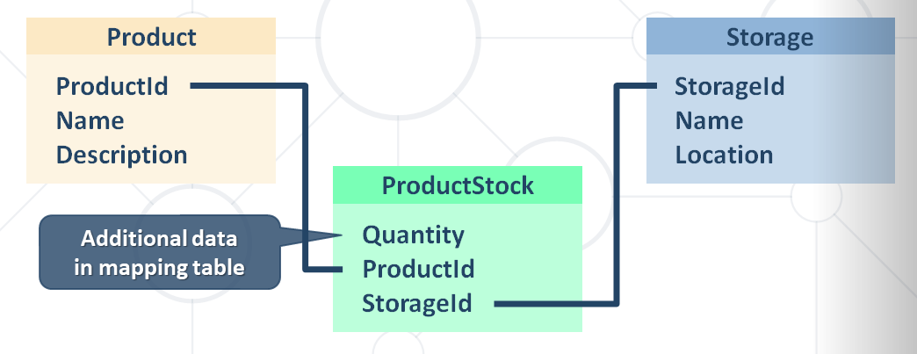
Get product name and stock quantity in a new DTO object | var product = context.Products.FirstOrDefault(); var productDto = new ProductDTO { Name = product.Name, StockQty = product.ProductStocks.Sum(ps => ps.Quantity) - Aggregate information from mapping table };

AutoMapper
What is AutoMapper? | Library to eliminate manual mapping code Available as a NuGet Package Official GitHub Page Install-Package AutoMapper
Initialization and Configuration | AutoMapper offers a static service for use and configuration Add mappings between objects and DTOs: Mapper.Initialize(cfg => cfg.CreateMap<Product, ProductDTO>()); Product - Source ProductDTO - Target
 | Properties will be mapped by name var product = context.Products.FirstOrDefault(); ProductDTO dto = Mapper.Map<ProductDTO>(product);
Multiple Mappings | You can configure all mapping configurations at once: Mapper.Initialize(cfg => { cfg.CreateMap<Product, ProductDTO>(); cfg.CreateMap<Order, OrderDTO>(); cfg.CreateMap<Client, ClientDTO>(); cfg.CreateMap<SupportTicket, TicketDTO>(); });
Custom Member Mapping | Mapper.Initialize(cfg => cfg.CreateMap<Product, ProductDTO>() .ForMember(dto => dto.StockQty, opt => opt.MapFrom(src => src.ProductStocks.Sum(p => p.Quantity))));
Flattening Complex Properties | AutoMapper can also be used to flatten complex properties: Mapper.Initialize(cfg => cfg.CreateMap<Event, CalendarEventViewModel>() .ForMember(dest => dest.Date, opt => opt.MapFrom(src => src.Date.Date)) .ForMember(dest => dest.Hour, opt => opt.MapFrom(src => src.Date.Hour)) .ForMember(dest => dest.Minute, opt => opt.MapFrom(src => src.Date.Minute)));
Flattening Complex Objects | Flattening of related objects is automatically supported: public class OrderDTO { public string ClientName { get; set; } public decimal Total { get; set; } }
 | AutoMapper understands ClientName is the Name of a Client: Mapper.Initialize(cfg => cfg.CreateMap<Order, OrderDTO>()); OrderDTO dto = Mapper.Map<Order, OrderDTO>(order);
Unflattening Complex Objects | Unflattening of related objects is automatically supported: public class OrderDTO { public string ClientName { get; set; } public decimal Total { get; set; } }
 | AutoMapper understands ClientName is the Name of a Client, but to unflatten it, it needs ReverseMap: Mapper .Initialize(cfg => cfg.CreateMap<Order, OrderDTO>() .ReverseMap());
Mapping Collections | EF Core uses IQueryable<T> for all DB operations - AutoMapper can work with IQueryable<T> to map classes
 | Using AutoMapper to map an entire DB collection: var posts = context.Posts .Where(p => p.Author.Username == "gosho") //IQueryable<Post> .ProjectTo<PostDto>() IQueryable<PostDto> .ToArray();
 | Works like an automatic .Select() EF Core generates optimized SQL (like with an anonymous object)
AutoMapper.Collection | Adds ability to map collections to existing collections without re-creating the collection object
 | Will Add/Update/Delete items from a preexisting collection object based on user defined equivalency between the collection's generic item type from the source collection and the destination collection Mapper.Initialize(cfg => cfg.AddCollectionMappers());
AutoMapper.Collection.EntityFrameworkCore | Automapper.Collection.EntityFrameworkCore will help you mapping of EntityFrameowrk Core DbContext-object Mapper.Initialize(cfg => { cfg.AddCollectionMappers(); cfg.SetGeneratePropertyMaps <GenerateEntityFrameworkCorePrimaryKeyPropertyMaps<Context>>(); // Configuration code });
 | Comparing to a single existing Entity for updating dbContext.Orders.Persist().InsertOrUpdate<OrderDTO>(newOrderDto); dbContext.Orders.Persist().InsertOrUpdate<OrderDTO>(existingOrderDto); dbContext.Orders.Persist().Remove<OrderDTO>(deletedOrderDto); dbContext.SubmitChanges();
Inheritance Mapping | Inheritance chains are defined via Include() AutoMapper chooses the most appropriate child class Mapper.Initialize(cfg => { cfg.CreateMap<Order, OrderDto>() .Include<OnlineOrder, OnlineOrderDto>() .Include<MailOrder, MailOrderDto>(); cfg.CreateMap<OnlineOrder, OnlineOrderDto>(); cfg.CreateMap<MailOrder, MailOrderDto>(); });
Mapping Profiles | We can extract our configuration to a class (called a profile): public class ForumProfile : Profile { public ForumProfile() { CreateMap<Post, PostDto>(); CreateMap<Category, CategoryDto>(); } }
 | Using our configuration class: Mapper.Initialize(cfg => cfg.AddProfile<ForumProfile>());

