Req02.CFG-Paths
do not print this form |  | VVSS, Info Romana, 2018-2019

Req02. calcularea mediilor semestriale pentru fiecare elev (nume, nr. matricol)

Req02. Covered source code |  |  | Req02. Control Flow Graph (CFG) | Req02. Cyclomatic Complexity (CC)
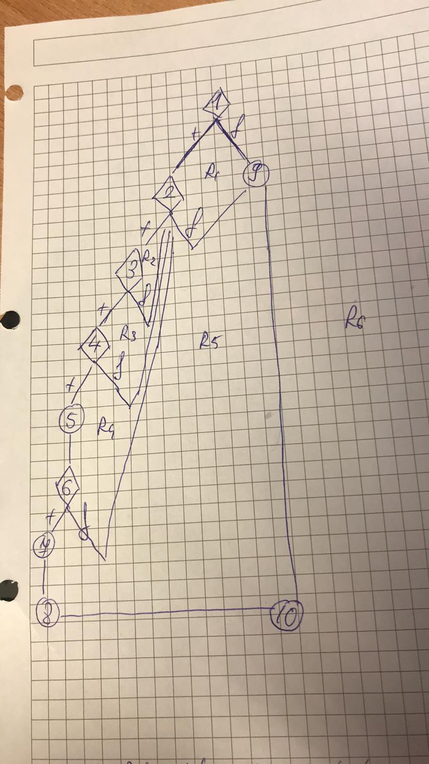
Line No. | Source code |  | please insert the CFG for this requirement | CC1 = No. of regions = |  | 5
Req02_L01 | … |  | It may be a screen capture, image, etc. | CC2 = Edges - Nodes + 2 = |  | 5
Req02_L02 | … |  | <Req02 CFG > | CC3 = No. of Conditions + 1 = | Predicate+1 | 5
Req02_L03 | …
... | …
.. | … |  |  | Req02. Individual Paths
... | …
 |  |  |  | Path No. | Path
 |  |  |  | 1 | 1 t - 2 t - 3 t - 4t - 5 - 6t - 7 - 8 - 10
 |  |  |  | 2 | 1 t - 2 t - 3 t - 4t - 5 - 6f - 2f - 9 - 10
 |  |  |  | 3 | 1 t - 2 t - 3 t - 4f - 2f - 9 - 10
 |  |  |  | 4 | 1 t - 2 t - 3f - 2f - 9 - 10
 |  |  |  | 5 | 1 t - 2f - 9 - 10
 |  |  |  | 6 | 1 f - 9 - 10

