DwC OBIS-ENV schema


OBIS-ENV schema

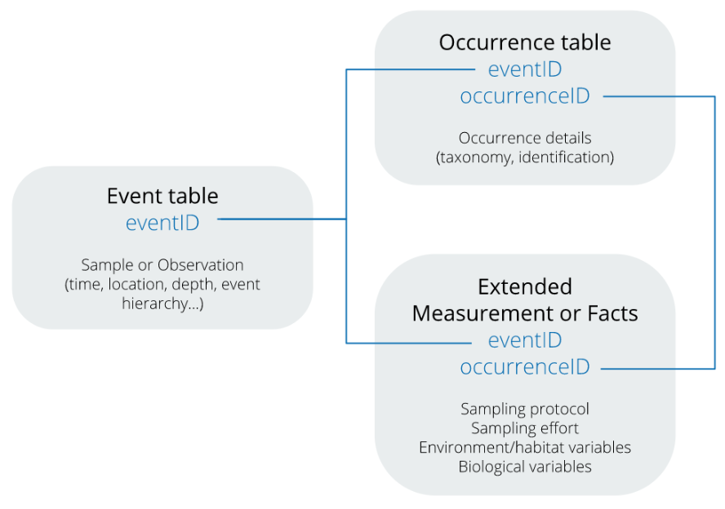

 | OBIS manual: | https://www.obis.org/manual/
 | DwC terms: | https://dwc.tdwg.org/terms/

