Version Control Research
 |  | POWER DEVICE LIBRARY | NETWORK DEVICE LIBRARY | IO-LINK DEVICE LIBRARY | SAFETY DEVICE LIBRARY | IO DEVICE LIBRARY

STUDIO 5000 LOGIX DESIGNER

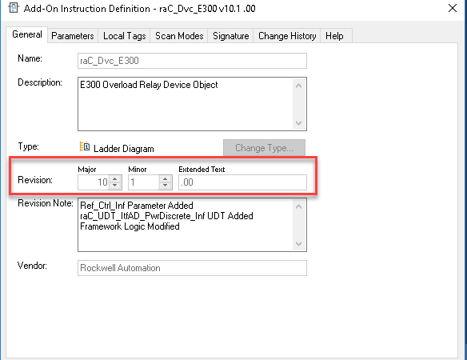
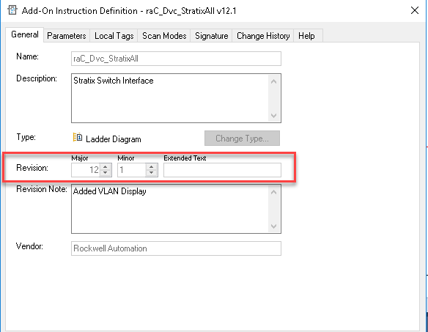
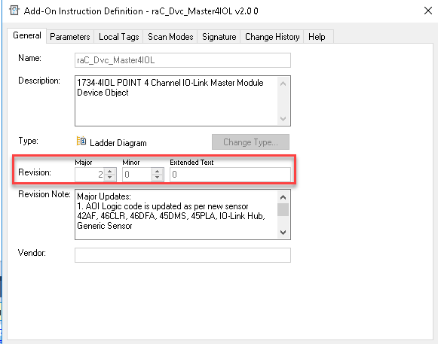
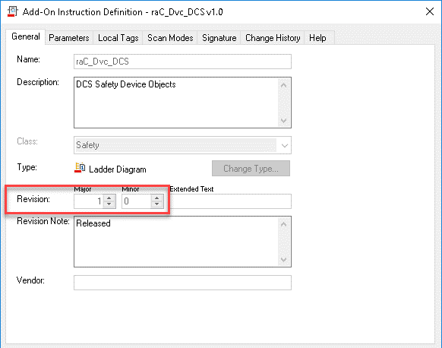
 | AOI Definition General

 |  |  | DLR is missing revision notes
 |  |  | StratixAll is v12.1?

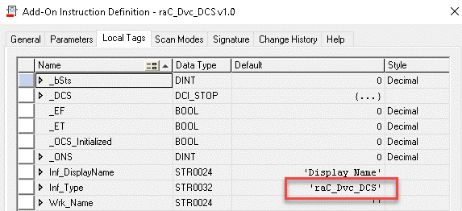
 | AOI local tags

 |  |  |  | IO-Link has no version reference in local tags

 |  |  |  |  | Safety has no version reference in local tags

 |  |  | StratixAll has no version reference in local tags

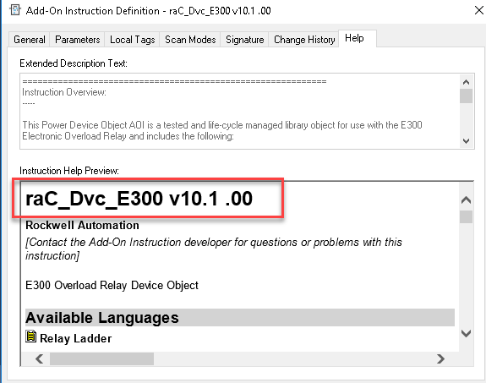
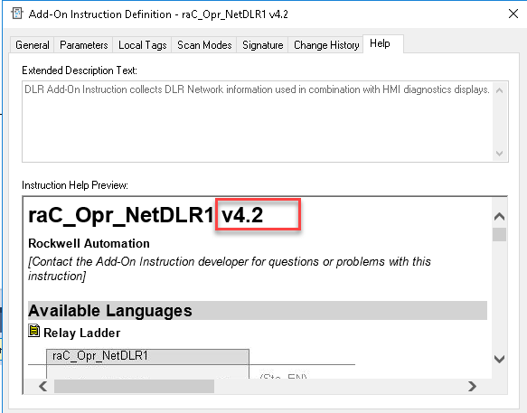
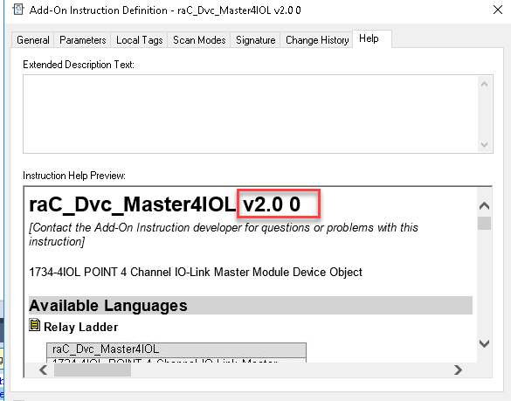
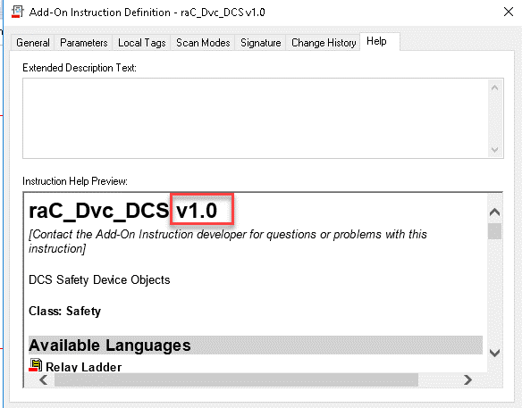
 | AOI Help

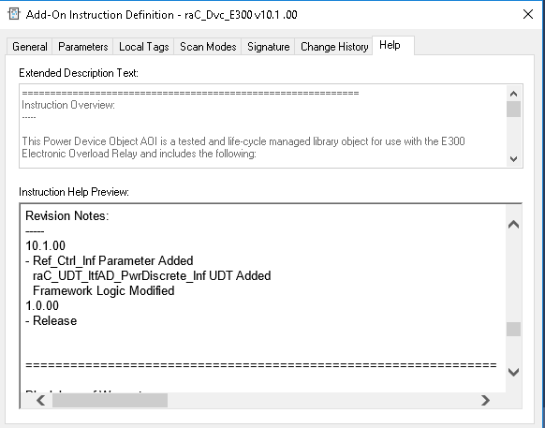
 |  |  | No Revision Notes For DLR and StratixAll | No Revision Notes For IO-Link

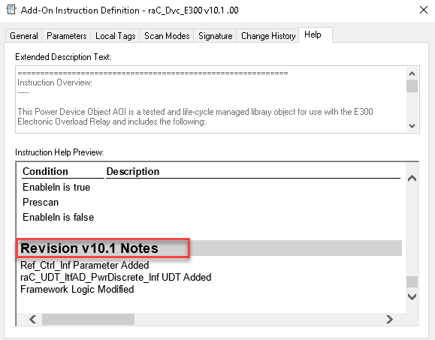
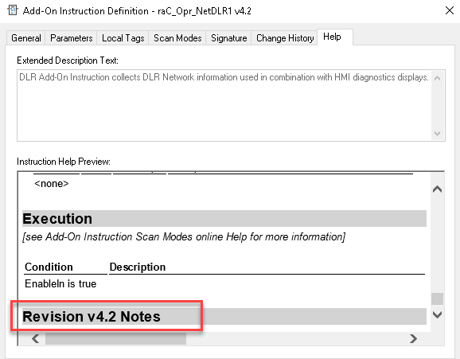
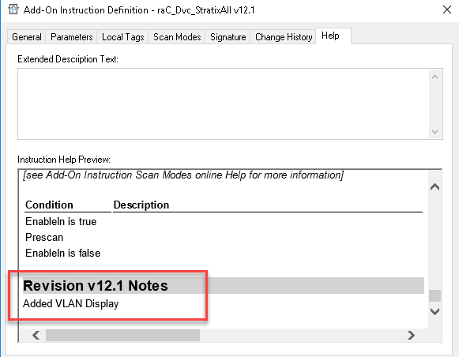
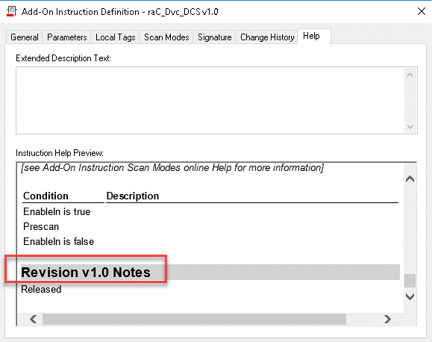

 | Rung Comment

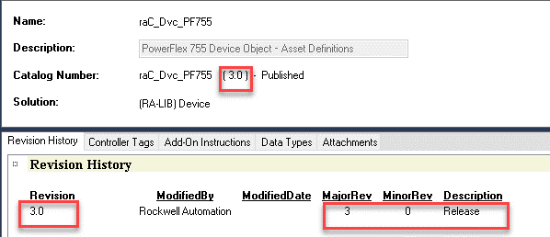
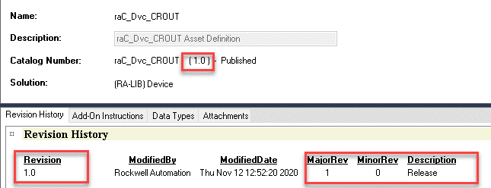
STUDIO 5000 ACM

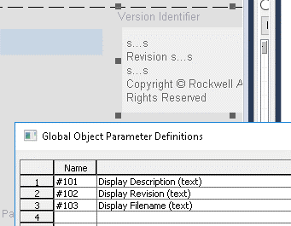
FactoryTalk View SE/ME
 | Version Indentifier Global Object (all)

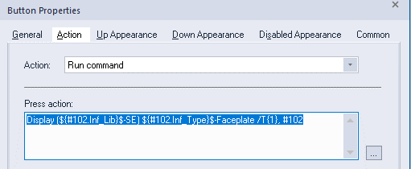
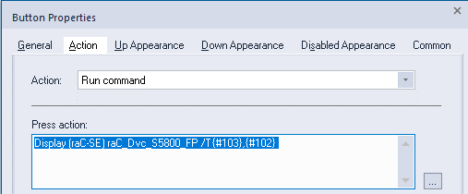
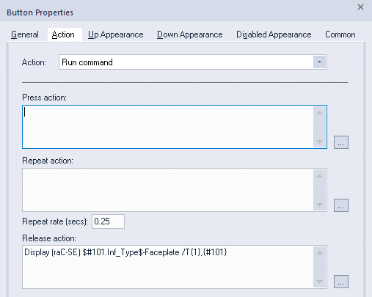
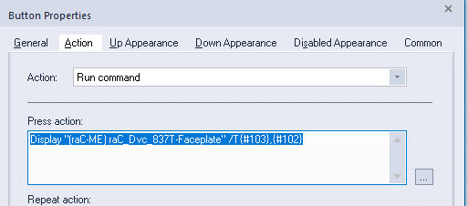
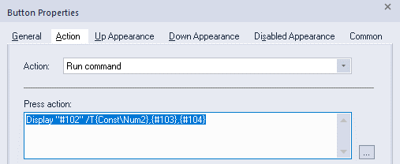
 | Launch Button

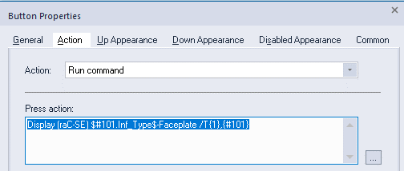
 |  | Power Device
 |  |  |  | There actuall are no launch buttons for these. This is from Demo
 |  |  |  |  |  | No need for version reference because there is no AOI. Display name called out explictly
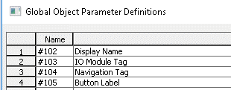

 | AOI local tags

 |  |  |  | IO-Link has no version reference in local tags

 |  |  |  |  | Safety has no version reference in local tags

 |  |  | StratixAll has no version reference in local tags

 |  | Power Monitor Device

