Intro
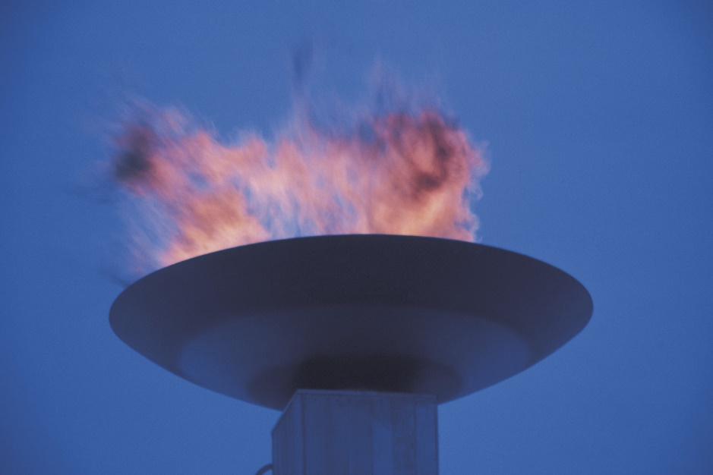 Olympics
This model contains data about medals won at the Olympic games from 1896 through 2008.
It contains information about the countries and athletes to whom medals were awarded in each discipline, sport and event, along with which country hosted each Olympics.
Data is on hidden sheets, images are linked from: http://upload.wikimedia.org/wikipedia/commons

Insights that can be gained from this data includes, but is not limited to:
Analysis of medal types (Gold, Silver, Bronze) won by each region by year
Analysis of number of medals won by a particular country

Medal Distribution
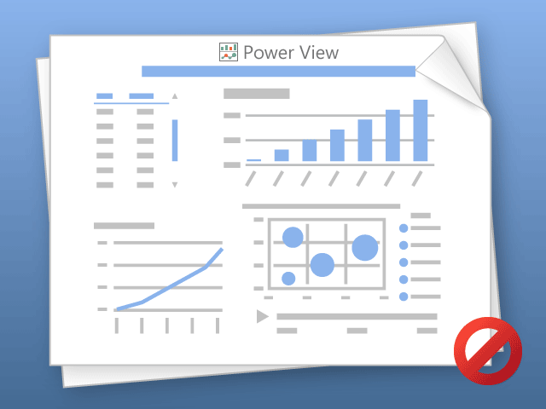

Power View can only print one sheet at a time.
Please switch to the desired sheet and try again.

