Registers
Step | Comment | Reg ID | Ref | Value | Value (d)
1 | Enter STANDBY, check the XO_RCO_TEST, disable PD_CLKDIV | 0xB4 |  | 101001 (0x29) | 41
2 | Set SYNT3 →WCP [2:0] should be 011b | … | See 2 Summary
3 | Set SYNT0 to very low band (should be 101b) | … | See 3 Summary
4 | Check SYNTH_CONFIG[0] | 0x9F |  | 100000 (0x20) | 32
5 | SYNTH_CONFIG[1] (REFDIV and VCO_L_SEL) | 0x9E |  | 1011101 (0x5D) | 93
6 | RCO and VCO automatic calibration RCO_CALIBRATION | 0x50 |  | 110 (0x06) | 6
7 | Check RCO_VCO_CALIBR_OUT[1] | 0xE4
8 | Check RCO_VCO_CALIBR_OUT[0] | 0xE5
9 | Check the 24_26MHz_SELECT bit in the ANA_FUNC_CONF register | 0x01 |  | 11000000 (0xC0) | 192
10 | Set SYNT value (=25413288d) |  |  |  |  | SYNT3 4:0 | SYNT2 | SYNT1 | SYNT0 7:3
11 | Set FC_OFFSET (=0d) | 0x0F, 0x0E |  | 0 (0x00) | 0 | 01100 | 00011110 | 00110101 | 01000
12 | Set CHSPACE (=16d) | 0x0C |  | 10000 (0x10) | 16
13 | Set CHNUM (=0d) | 0x6C |  | 0 (0x00) | 0
2 Summary | Set SYNT3 | 0x08 |  | 01101100 (0x6C) | 108
14 | Set SYNT2 | 0x09 |  | 00011110 (0x1E) | 30
15 | Set SYNT1 | 0x0A |  | 00110101 (0x35) | 53
3 Summary | Set SYNT0 | 0x0B |  | 01000101 (0x45) | 69
16 | Set PN9 inside PCKTCTRL1 | 0x33 |  | 1100 (0x0C) | 12
17 | Set BT_SEL | 0x1B |  | (0x5A) | 90
18 | Set PA_POWER[8] | 0x10 |  | (0x21) | 33
19 | Set PA_POWER[7] | 0x11 |  | (0x0E) | 14
20 | Set PA_POWER[6] | 0x12 |  | (0x1A) | 26
21 | Set PA_POWER[5] | 0x13 |  | (0x25) | 37
22 | Set PA_POWER[4] | 0x14 |  | (0x35) | 53
23 | Set PA_POWER[3] | 0x15 |  | (0x40) | 64
24 | Set PA_POWER[2] | 0x16 |  | (0x4E) | 78
25 | Set PA_POWER[1] | 0x17 |  | (0x00) | 0
26 | Set PA_POWER[0] | 0x18 |  | (0x07) | 7
27 | Execute “STANDBY” → “READY” → “LOCK” | CMD
28 | Execute “START TX” | CMD
29 | Check STATE[6:0] residing inside MC_STATE[0] | 0xC1 |  | … | …
30 | Check ERROR_LOCK (bit #0) inside MC_STATE[1] | 0xC0 |  | … | …

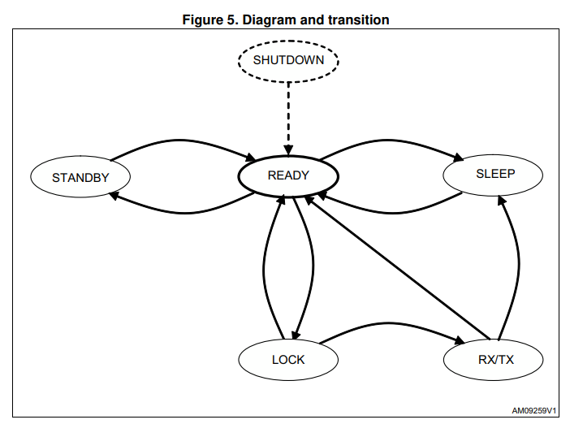

STATE[6:0] | Description
0x40 | STANDBY
0x36 | SLEEP
0x03 | READY (Default)
0x0F | LOCK
0x33 | RX
0x5F | TX

COMMAND | Description | Command Name
0x60 | Start to transmit | TX
0x61 | Start to receive | RX
0x62 | Go to READY | READY
0x63 | Go to STANDBY | STANDBY
0x64 | Go to SLEEP | SLEEP
0x65 | Go to LOCK state by using the RX configuration of the synthesizer | LOCKRX
0x66 | Go to LOCK state by using the TX configuration of the synthesizer | LOCKTX
0x67 | Exit from TX or RX states and go to READY state | SABORT
0x68 | Reload the LDC timer with the value stored in the LDC_PRESCALER/COUNTER registers | LDC_RELOAD
0x69 | Reload the packet sequence counter with the value stored in the PROTOCOL[2] register. | SEQUENCE_UPDA TE
0x6A | Start the encryption routine | AES Enc
0x6B | Start the procedure to compute the key for decryption | AES Key
0x6C | Start decryption using the current key | AES Dec
0x6D | Compute the key and start decryption | AES KeyDec
0x70 | Reset | SRES
0x71 | Clean the RX FIFO | FLUSHRXFIFO
0x72 | Clean the TX FIFO | FLUSHTXFIFO

