1. Title Page
Grocery Basket Analysis

Project Name: Instacart Grocery Basket Analysis
Date: 07/29/2023
Analyst Name: Vyndell Michael

Contents:
Population Flow
Consistency checks
Wrangling steps
Column derivations
Visualizations
Recommendations

2. Population Flow
Title page

Population flow

Total: 134x2
aisle -
original data
Exclusion flag
Condition: max_order <
Obervations to be removed:
Final total count of order_products_all:

Total: 51x4
regions -
created data

Orders_products_combined
Orders_products_merged

Ords_prods_cust
Total: 32,434,489x9
Total: 32,404,859x13
final_data

Total: 32,399,732x29
Total: 32,399,732x35

Orders_products_merge_updated
after column derivations
Orders_products_merge_updated_v2
after grouping and aggregation

Total: 32,404,859x16
Total: 32,404,859x22

1.) The grey boxes in the first row of the population flow represent the original data sets as they were when you downloaded them. In the Total fields you need to add the count of the rows when you imported the data set into Jupyter.
2.) The second row of boxes (coloured) represents the data sets after you manipulated them, e.g., removed missing values and duplicates. In the Total fields you need to add the count of the rows after conducting these operations. This offers a visual oveview of how the data flows throughout the data consistency checks.
3.) The third row, where also the arrows are coloured, represents the merges you performed between the datasets. In the Total fields you need to add the count of the rows in the merged datasets, so that you end up with the final dataset (in the red box). Keep in mind the final dataset should be without exclusions (based on the exclusion flag).

3. Consistency checks
 |  |  |  | Title page
Consistency checks

Dataset | Missing values | Missing values treatment | Duplicates
products | product_name: 16 | drop observations | 5 true duplicates
 |  |  | product_id: 2 -> use product column instead

orders | days_since_prio_order: 206209 | replace with 0 | None

customers | First Name: 11259 | None | None

4. Wrangling steps
 |  |  |  | Title page
Wrangling steps

Columns dropped | Columns renamed | Columns' type changed | Comment/Reason
orders > eval_set |  |  | not needed
 | order_dow -> orders_day_of_week |  | clearer name
 |  | days_since_prior_order (float > int) | days are whole numbers

customers > First Name |  |  | Data privacy
customers > Last Name |  |  | Data privacy

customers > date_joined |  | pd.to_datetime()

 | all column names made snake_case and ordert alphabetically

5. Column derivations
 |  |  |  |  | Title page

Column derivations and aggregations

Dataset | New column | Column/s it was derived from | Conditions | Value Counts
Orders Products Merged | price_label | prices | High-range product: price > 15 Mid-range product: 5 < price <= 15 Low-range product: price <=5 | Mid-range product 21860860 Low-range product 10126321 High-range product 417678 Name: price_label, dtype: int64
Orders Products Merged | busiest_day | orders_day_of_week | Busiest days: 2 most frequent days Least busy: 2 slowest days Regular busy: Other days | Regulary busy 12916111 Busiest days 11864412 Least busy days 7624336 Name: busiest_day, dtype: int64
Orders Products Merged | busiest_period_of_day | order_hour_of_day | Most orders: top 20% of most frequent hours Average orders: other 60% Fewest orders: bottom 20% of most frequent hours | Average orders 19425943 Fewest orders 7481016 Most orders 5497900 Name: busiest_period_of_day, dtype: int64
Orders Products Merged Updated | loyalty_flag | max_order | New customer: max_order <=10 Regular customer: 10 < max_order <=40 Loyal customer: max_order > 40 | Regular customer 15876776 Loyal customer 10284093 New customer 6243990 Name: loyalty_flag, dtype: int64

Orders Products Merged Updated | spending_flag | avg_usr_prices | High spender: avg_usr_price > 10 Low spender: avg_usr_price <= 10 | Low spender 32280394 High spender 119338 Name: spending_flag, dtype: int64
Orders Products Merged Updated | order_freq_flag | median_days_since_prior_order | Frequent customer: median_days <=10 Regular customer: 10 < median_days <= 20 Non-frequent customer: median_days > 20 | Frequent customer 22793177 Regular customer 6920582 Non-frequent customer 2685973 Name: order_freq_flag, dtype: int64

6. Visualizations
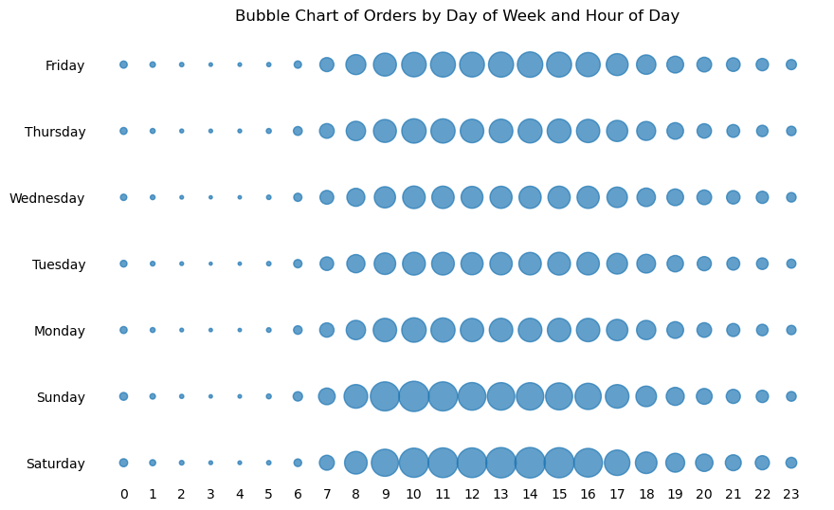
 |  | Title page

Visualisations

In this tab you should include all the visualtions from Exercises 4.9 and 4.10, alongside the questions from the project brief that they answer. Include any commentary on the relationship between different variables.

 | Sales distributed throughout the day

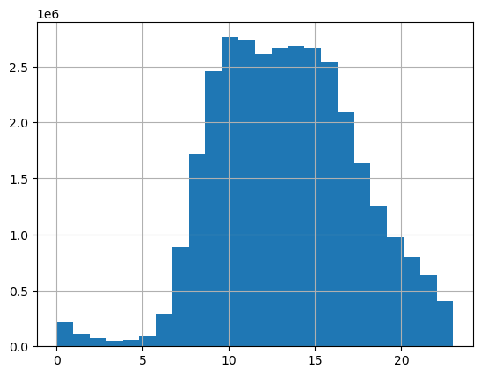

 | Number of orders by customers per loyalty group



 | Prices distributed throughout the day

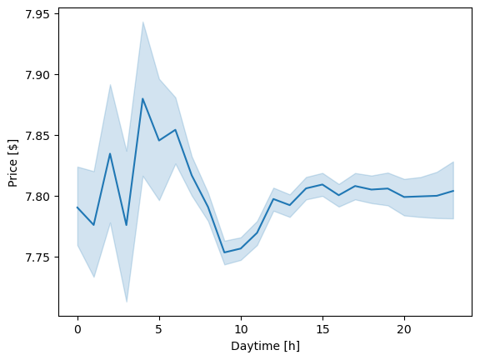
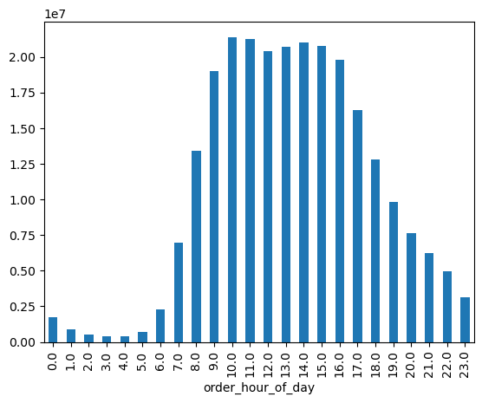

 | Customer demographics

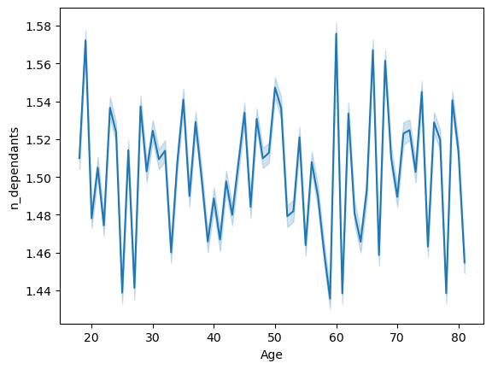

 | >- Across all ages the number of dependants fluctuates around 1.5 with a small confidence intervall
i | >- This plot doesn't tell us that 1.5 is the mean of the random distribution of 0, 1, 2 and 3
 | >- This can be seen in the scatterplot above.

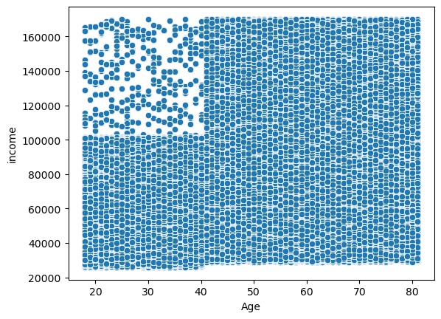

 | >- Note that incomes above 170k were neglected due to its strange distribution
 | >- There are fewer people under 40 years old with incomes over 100k
 | >- This seems a bit odd because of the sharp cut.
 | >- The rest seems randomly distributed without any correlation

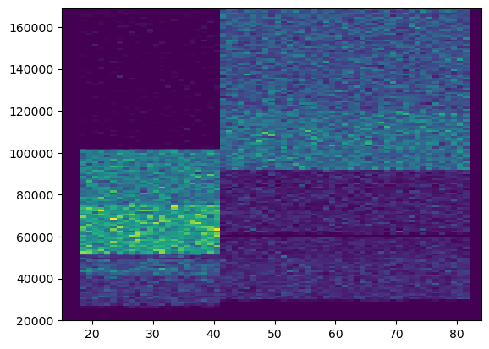

 | >- this kind of heatmap is a more suitable chart to see relationship
 | >- Below age 40, most people have incomes from 60-100k
 | >- Above age 40, most people tend to have incomes above 90k
 | >- Still, these sharp cuts in the distributions are weird

 | Customer Profiling by Income

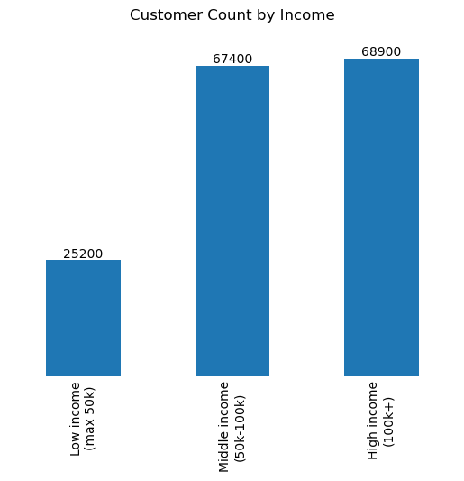
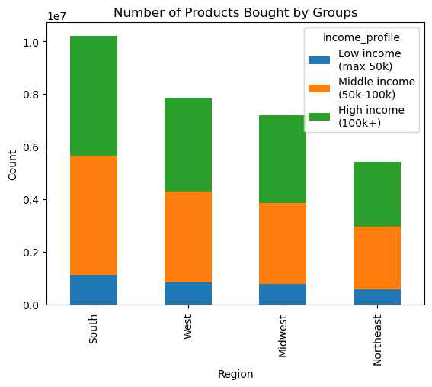
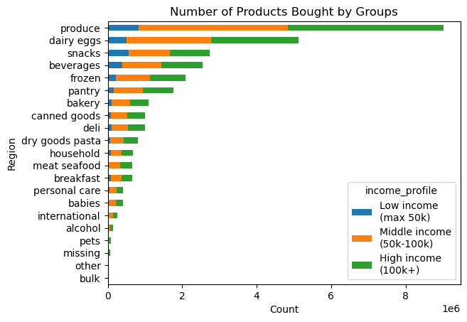

 | Customer Profiling by Family Situation

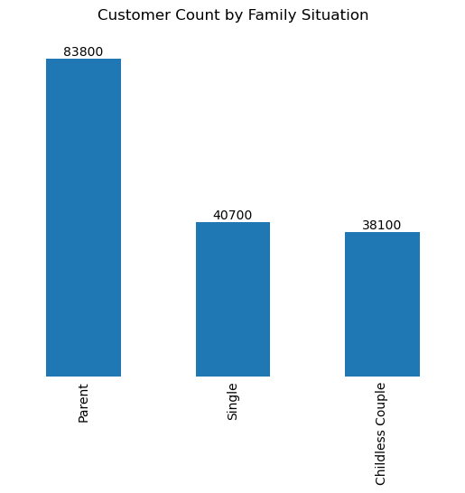
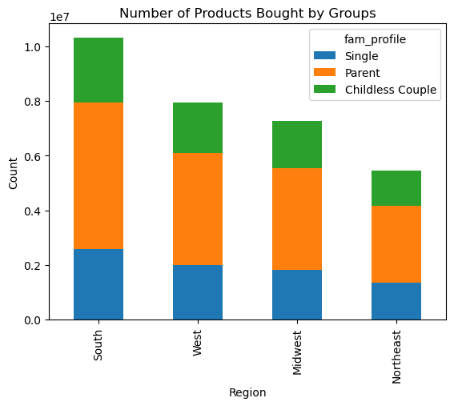
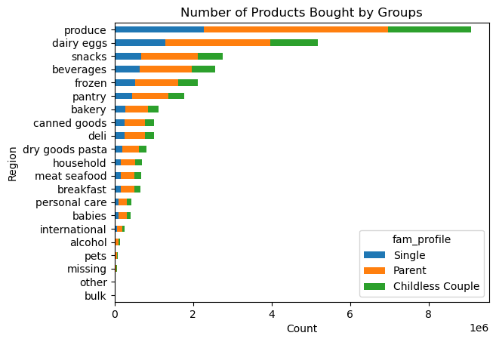

 | Customer Profiling by Special Products Bought

 | histogram for fraction of party products to total products bought
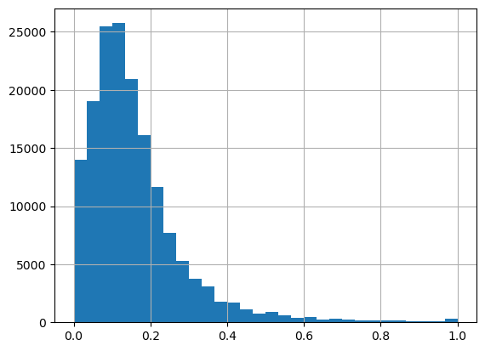
How much % of the order are party products?

Party Shopping at least 50% products are party products

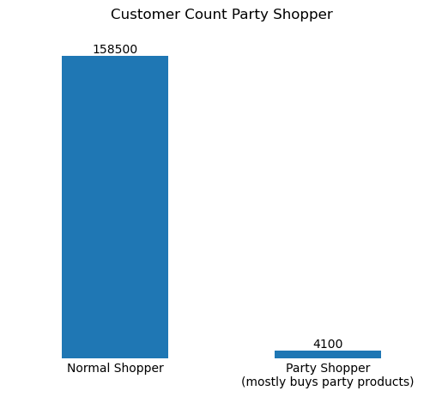

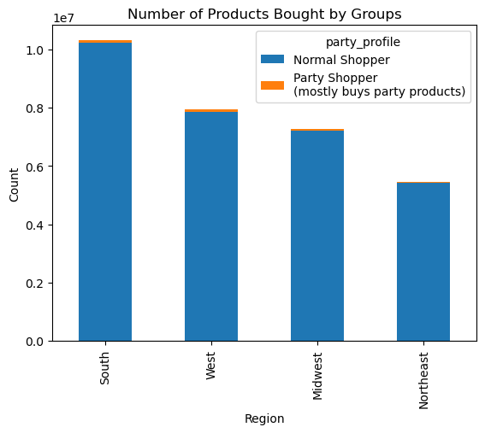
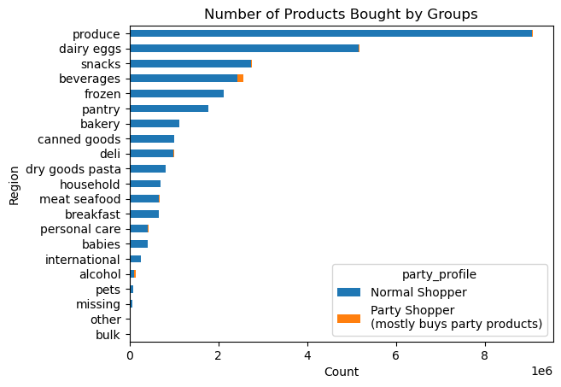

 | Dayily and Weekly Shopping Patterns

7. Recommendations
 |  |  | Title page

Recommendations

In this tab you should include any recommendations you would made to Instcart in terms of their marketing strategy based on the questions posed in the brief. Every key question has been covered in the Tasks of the Exercises - here you need to add an item - a visualisation or table/crosstable that is showing the answer in the data, acompanied by a comment from you. Please, list the questions below and add the answer underneath.

The sales team needs to know what the busiest days of the week and hours of the day are (i.e., the days and times with the most orders) in order to schedule ads at times when there are fewer orders.

 |  | The bubble chart visually presents the distribution of orders based on the day and hour of placement. The x-axis represents the hours of the day, while the y-axis represents the days of the week. The size of each bubble corresponds to the number of orders recorded for a specific day and hour combination. In total, there are approximately 31 million orders represented in the chart. The chart indicates that the busiest hours throughout the entire week are between 8 am and 5 pm. Additionally, it is evident that the majority of orders are concentrated on the weekends, with a notable trend of higher order volumes in the afternoon on Saturdays and around noon on Sundays. It's important to note that the available data does not include more detailed time series information, which means we cannot analyze any potential seasonal patterns that may exist within the data.

Recommendation: Considering these patterns and the knowledge of typical work and sleep patterns, I would recommend scheduling ads during off-peak hours. Targeting customers during early mornings or late evenings, when order volumes are generally lower, might yield better results. These time slots are more likely to capture the attention of customers who are not occupied with work or other activities. Additionally, focusing on weekdays may be beneficial, as weekends tend to have higher order volumes.

They also want to know whether there are particular times of the day when people spend the most money, as this might inform the type of products they advertise at these times.
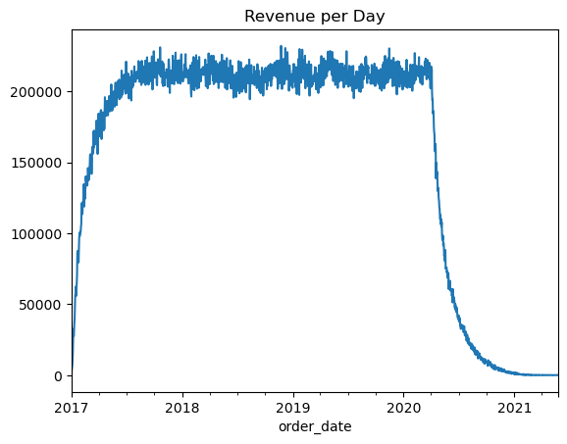
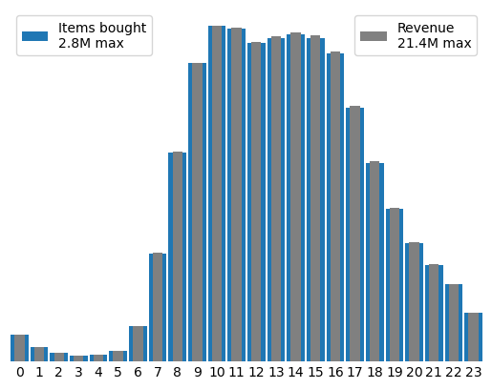

The most money is spent during 9 am and 5 pm which directly aligns with the number of products bought
There doesn't seem to be a seasonal aspect in the data (see right image, beginning and end of the plot is probably a data collection issue)

Instacart has a lot of products with different price tags. Marketing and sales want to use simpler price range groupings to help direct their efforts

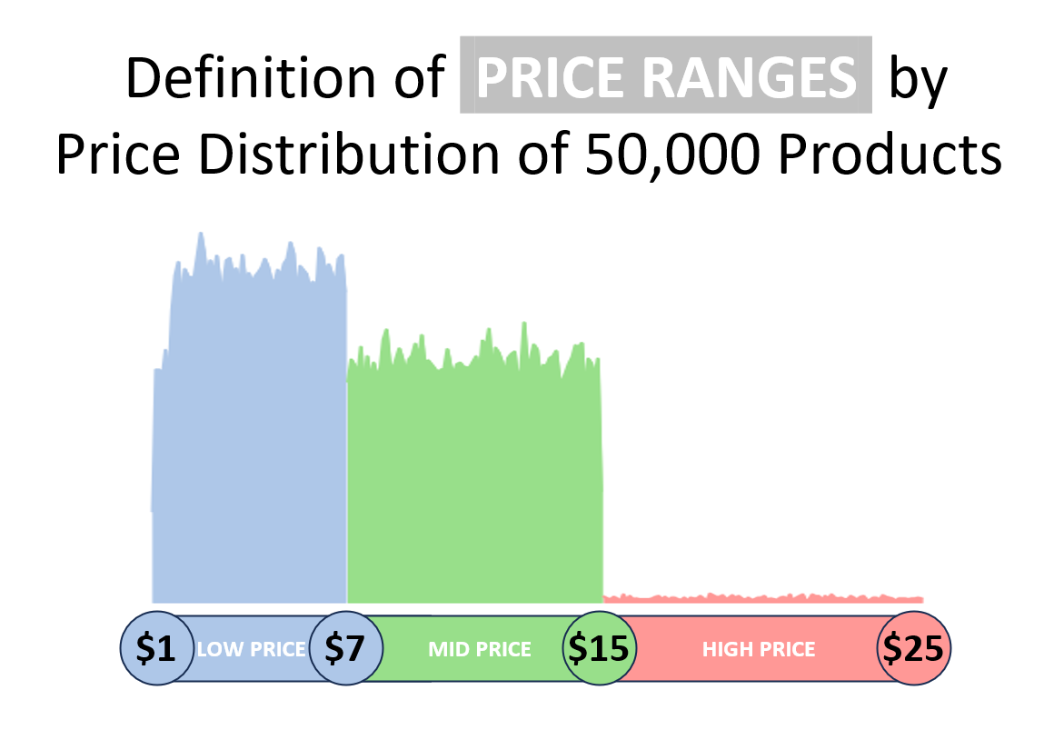

 | Distribution of prices displays distinct divisions at two price points, which are suggested to split the different price groups
 | 1: Products priced between $1 and $7 -> Low Price / Budget-Friendly / Economy Range
 | 2: Products priced over $7 and up to $15 -> Mid Price / Mid Range / Standard Selection
 | 3: Products priced over $15 and up to $25 -> High Price / Premium Meat and Seafood (there are only meat and seafood products in this price range)
 | Note that currently there are no products with prices below $1 or above $25
 | The first two groups are almost equally sized

Are there certain types of products that are more popular than others? The marketing and sales teams want to know which departments have the highest frequency of product orders

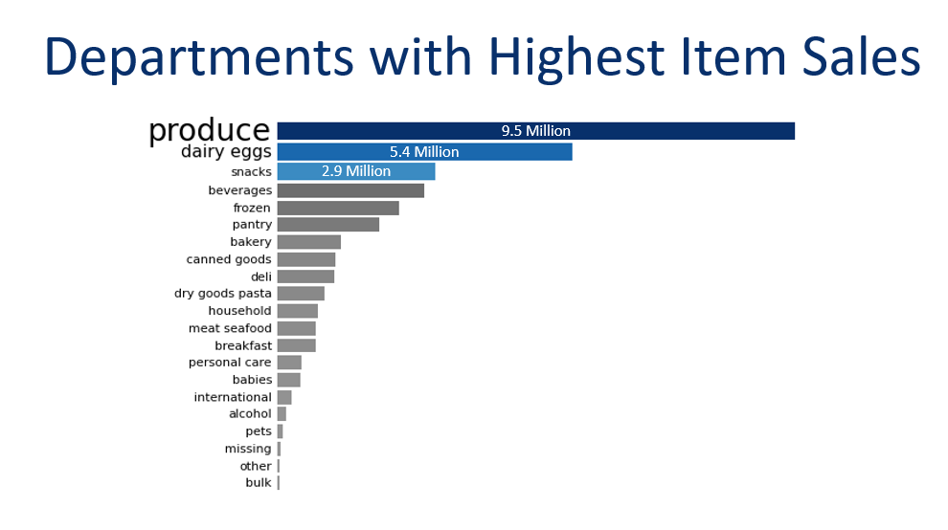

 | Produce, dairy/eggs and snacks are the most popular categories among Instacart customers
 | Would be beneficial to analyze these categories in more detail to understand which specific items are driving sales
 | Understanding the factors for popularity could offer insights to boost sales in less pupolar categories
 | Targeted marketing for less popular categories could help to increase their market share.

What’s the distribution among users in regards to their brand loyalty (i.e., how often do they return to Instacart)?
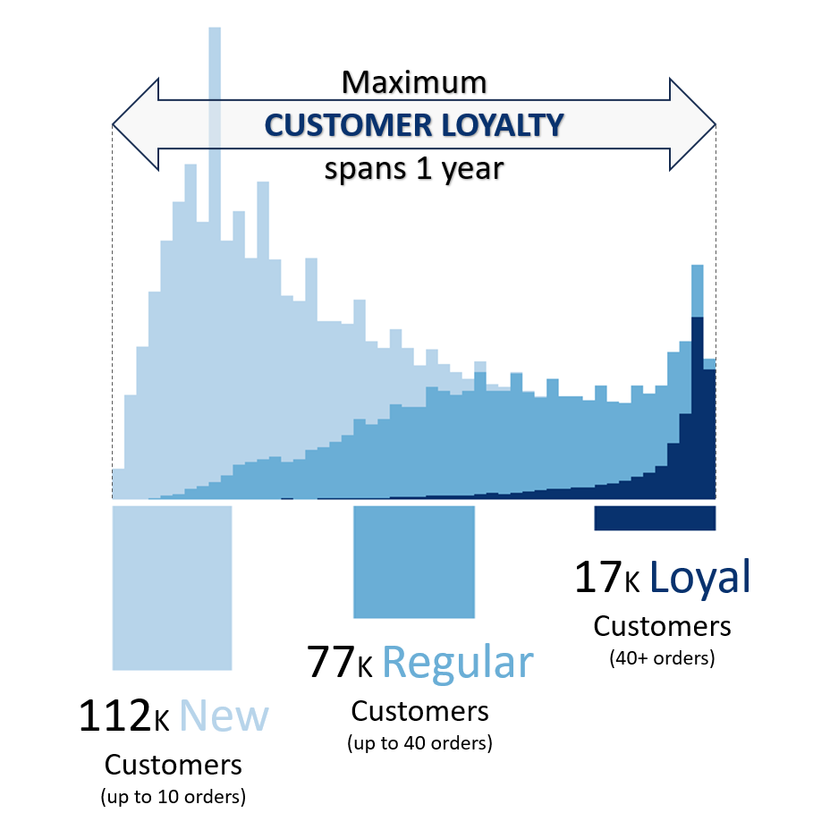

 | New customers constitute the majority of the user base. Could indicate successful customer aquisition
 | The number of Regular Customers indicates a positive customer retention rate.
 | We can observe an increase in customer tenure from new to regular to loyal customers.
 | We can suggest that the longer customers uses Instacart, the more likely they are to become loyal customers.

 | It's interesting that there is a maximum tenure at 365 days. Could be due to a one-year free membership or due to the data collection limit

Are there differences in ordering habits based on a customer’s loyalty status?

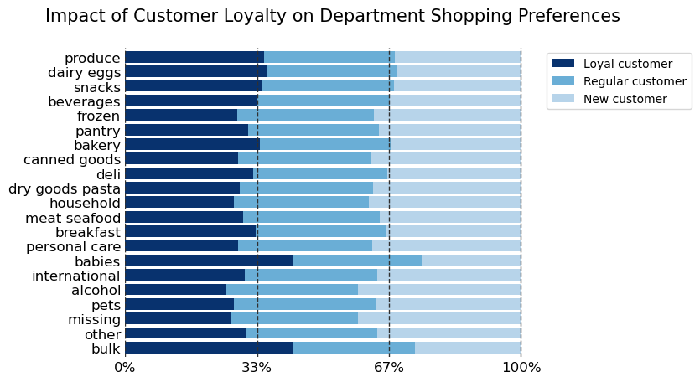

 | Loyal customer tend to more baby and bulk products where as new costomer don't
 | Consider creating speacial bundles for baby or bulk products that offer value for money -> encourage larger purchases
 | Marketing for new customers. Emphasize on wide variety and RELIABLE supply for baby and bulk products

Are there differences in ordering habits based on a customer’s region?

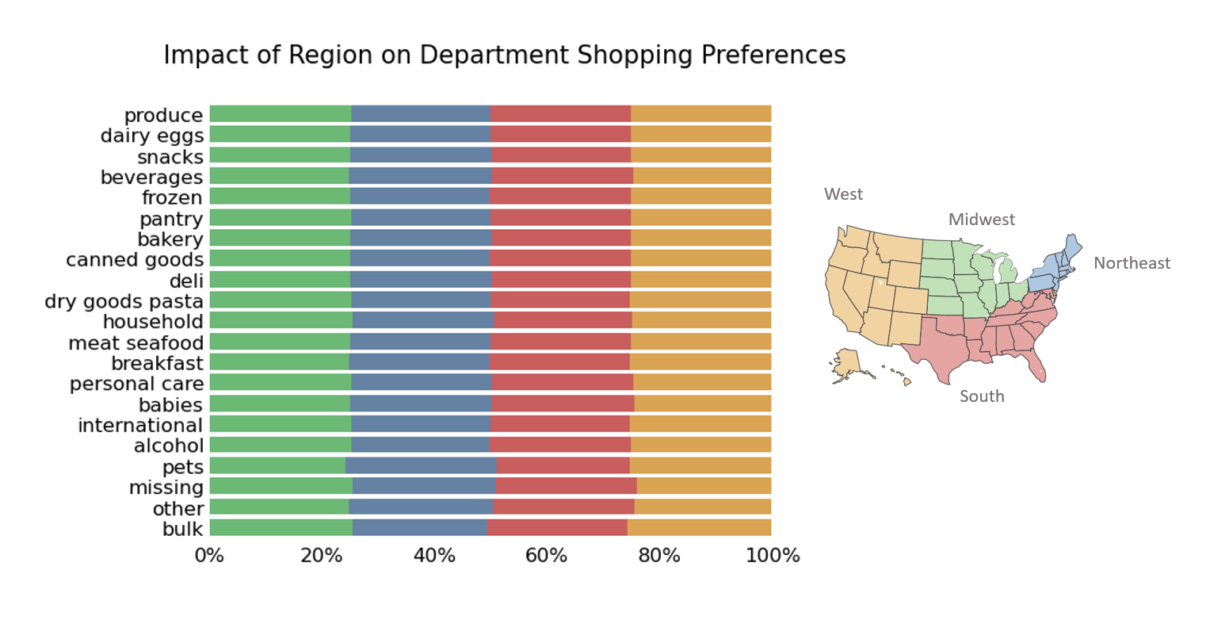

 | The regional aspect as no impact on the customer's ordering habits.

Is there a connection between age and family status in terms of ordering habits?

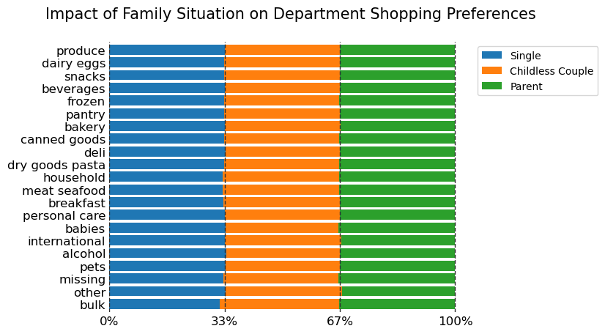
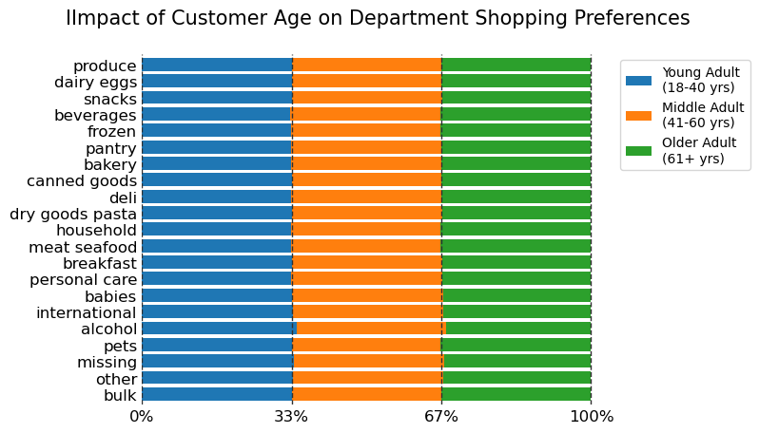

 | No connection

What different classifications does the demographic information suggest? Age? Income? Certain types of goods? Family status?

 | Charts are normalized by product counts and customer counts

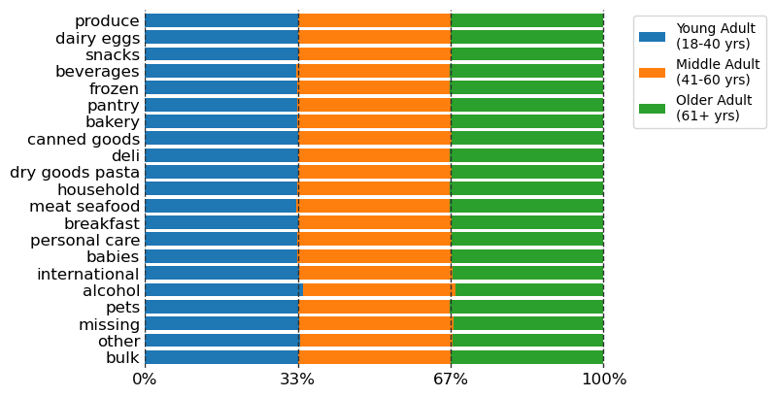
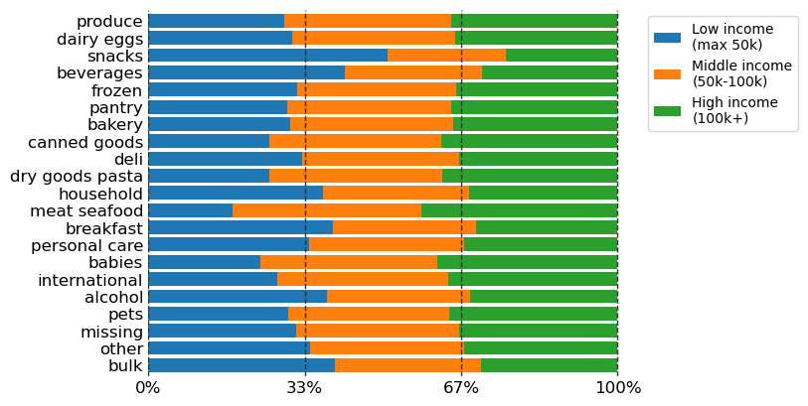
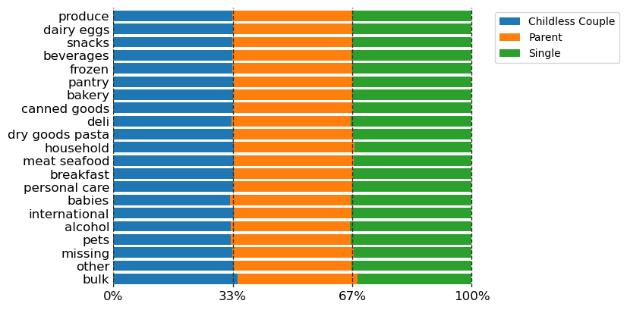
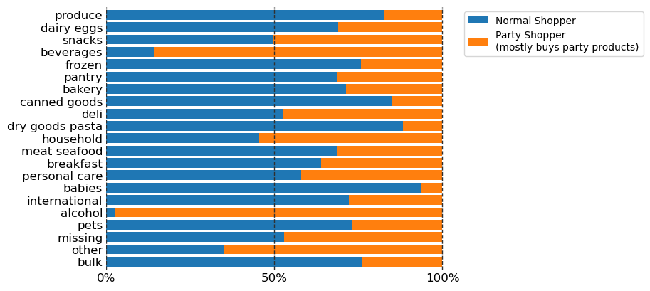

 | No impact on shopping preferances by age or family situation
 | People with low buy less meat and seefood products but more snacks
 | Party shopper (alcohol, deli, beverages, and meat/seafood) mostly buy alcohol and beverages, but also more other products

