curve
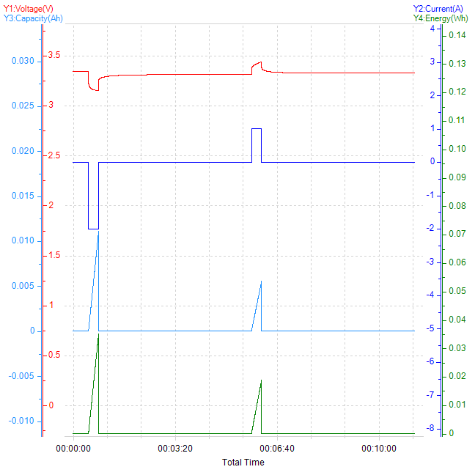
Total Time-Voltage&&Current&&Capacity&&Energy

