Buildings
Building Name | Code | Proximity | Other
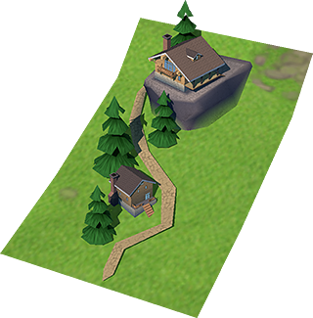

Mountain Cottage | MC | Mountain | One side of the city should be mountains

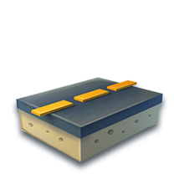

Road | R | Beside House/Cottages | Could be anywhere, but should connect every home

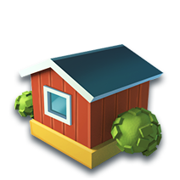

House | H | Should have Road Connection | Surely far from a power house

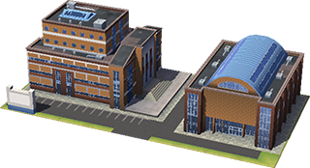

High School | SCH | Should have Road Connection | Away from power house, beside a house. Atleast 1 for 20 houses/MCs

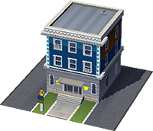

Police Station | PS | Should be around houses | Atleast 1 for 8 houses.

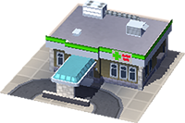

Clinic | C | Should be around houses | Aleast 1 for 8 houses.

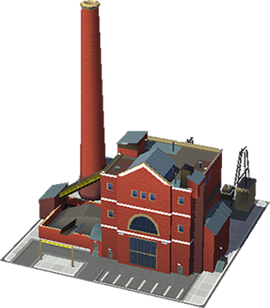

Coal Power Plant | PP | Should be away from houses | Atleast 1 for 20 houses.

