Cost Simulation
 | Simulating Profit with XLSim®

1) Make sure that the Simulate menu is present in Excel. If not, open XLSim® using START PROGRAMS XLSim.

2) Click on the Model tab and explore the spreadsheet. Notice that with average demand of 5000 in cell A2, cost (C8) is $0.

3) To model the uncertainty in demand, execute the Simulate Thaw command. This restores the XLSim random number formula
stored in the comment field of cell A2. The formula gen_resample(HISTORICAL_DEMAND) will generate Demand drawn at
random from historical data. Press the F9 key a few times to make sure the formula is giving different numbers.

4) Choose Simulation from the Simulate menu to bring up the dialog box on the left below.
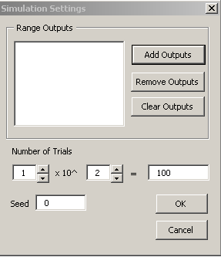

 |  |  | 5) Click on Add Outputs to bring up the output cell box shown below.
 |  |  | With the cursor in the Cells field click on cell C8 (the cost formula).
 |  |  | Select cell A8 for the Names field then click OK.
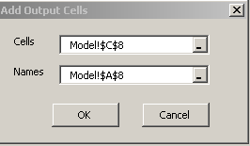

6) Next click OK on the dialog box above. The simulation will now be run by plugging random Demand values into cell A2
while recording the resulting values of the Cost in C8. NOTE: The trial version of XLSim is limited to 100 trials.
You may upgrade to 1 Million trials at www.AnalyCorp.com.

7) The results will appear in a new workbook called SimStats.xls as shown below for 1000 trials. You may move between the
the model and SimStats by means of the Excel Window command.

 |  | Overall Cost

 | Average | 149050
 | Std Dev | 187127.26716
 | Std Err | 5917.4837654
 | Max | 750000
 | Min | 0

You will find that average cost is much greater than the cost associated with average demand ($0).
This is a glaring example of the Flaw of Averages as discussed in the XLSim® Tutorial.

NOTE: Due to the random nature of simulation, your results will vary from run to run, especially with a small number of trials.

8) Use the Simulate Graphs command to bring up the Graph Settings box shown below. Set Bins to 5 and decimals to 0.
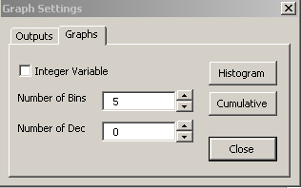

Click on the Histogram and Cumulative buttons to view these graphs.

 | The Histogram below clearly shows that $0 is not the average cost, but the best case.
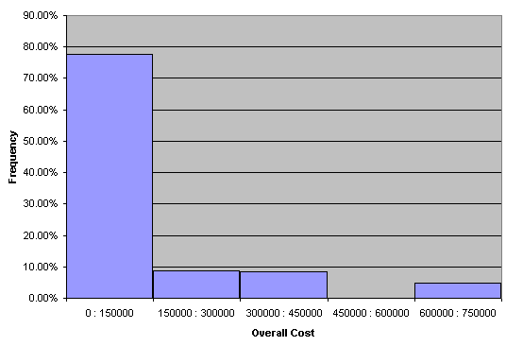

 | The Cumulative graph allows us to read off the chance that cost is less than a particular amount. For example, there is
 | an 80% chance that cost will be under $200,000. This implies a 20% chance that it will exceed $200,000.

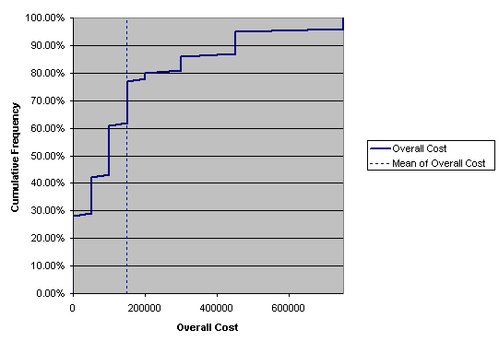

 | The information in the cumulative graph is contained numerically in the Percentiles column of SimStats.xls.

Summary: In this tutorial we have learned that BioPharmCo's average cost is not be the cost associated with the average demand.
This was because a cost penalty was incurred regardless of whether demand exceeded or fell short of the average. This is an example
of what is known as a non-linear relationship.

The tutorial on the next sheet shows how to determine an optimal stocking level given the uncertainty in demand.

Stocking for Minimum Cost
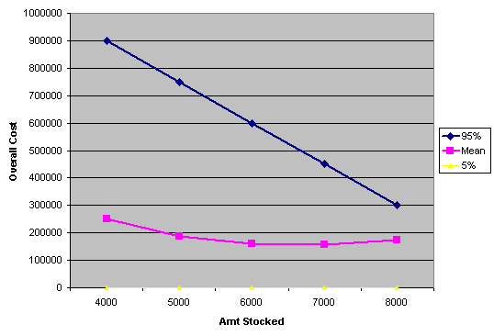
 | Experimenting with Various Stocking Levels to Minimize Cost
 |  | (Parameterized Simulation)
In the previous tutorial we analyzed cost in the face of uncertain demand. It was shown that
the cost associated with the average demand was not equal to the average cost.

This tutorial performs an experiment to quickly compare the results of various stocking levels.
Five stocking levels have been entered in cells E14:E18. These will be sequentially plugged into cell C2,
whereupon a new simulation will be run. This process is known as Parameterized Simulation.

1) Make sure that the Simulate menu is present in Excel. If not, open XLSim® using START PROGRAMS XLSim.

2) If you have not done so, go through the tutorial on the previous tab to familiarize yourself with the underlying concepts.
Be sure to check that the random number formula is still operable in cell A2 by pressing the F9 key.

3) Choose the Parameterized Sim command from the Simulate menu and specify the settings in the dialog box as shown.
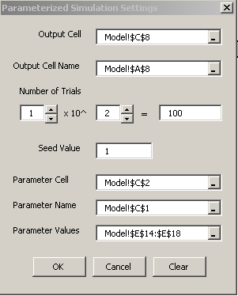

 |  | As in the previous tutorial cost is the output cell

 |  | 100 trials are enough to see what is going on here, although more accuracy would
 |  | result from a higher number.

 |  | The Seed Value is discussed in the XLSim tutorial. Leave it at the default of 1.

 |  | The parameter cell is the one we wish to experiment with. In this case
 |  | the stocking level in C2.

 |  | Cell C1("Amount Stocked") is selected as the name of the parameter.

 |  | Cells E14:E18 contain the stocking levels to be plugged sequentially
 |  | into cell C2 for each simulation.

4) Click OK. The parameterized simulation will now perform |  |  | Notice that minimum average cost occurs at
five separate simulations of cost, one for each stocking |  |  | at a stocking level of 7,000.
level, and SimStats.xls will appear as shown below.

5) But a graph provides a bigger picture. Invoke the Common Graphs command from the Simulate menu.

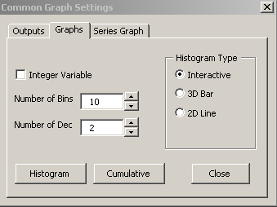
 |  |  | Click the Series Graph tab, and then the Series Graph button.
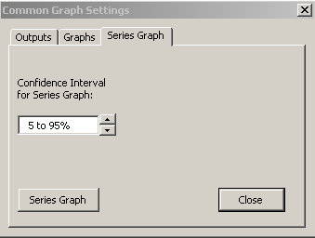

The Series Graph is shown below. The magenta line shows the average cost for the various stocking levels.
But more importantly, the dark line shows the 95th percentile. (cost will exceed this amount 5% of the time).

This graph makes it clear that stocking the average demand of 5,000 results in both higher average cost
and increased risk of very high costs than stocking larger amounts. The lowest average cost occurs at 7,000 units,
while the lowest risk occurs at 8,000.

