Cover
User System |  |  |  | Process | Function Name
 |  |  |  | Database Design | User Management

 | 1. | Overview
 |  | Tài liệu này mô tả thiết kế Database của hệ thống User
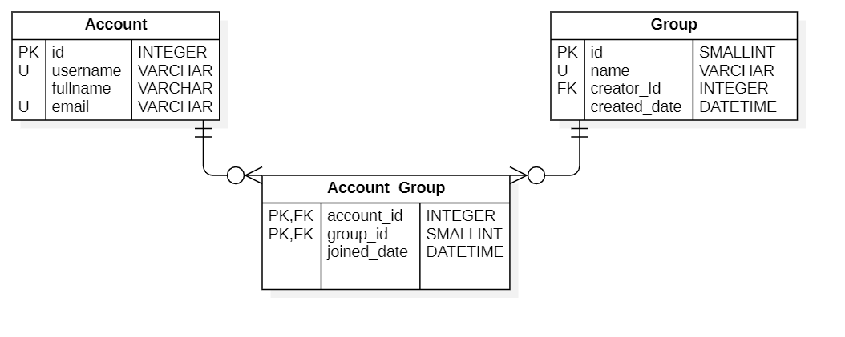

 | 2. | Screen list

 |  | No | Table ID |  |  | Table Name
 |  | 1 | DB_BLOG_01 |  |  | User
 |  | 2
 |  | 3

User
User System |  |  |  | Process | Screen ID |  |  | Screen Name |  |  |  | Created By | Created Date | Approved Date
 |  |  |  | Database Design | DB_BLOG_01 |  |  | User |  |  |  | NguyenTuan | 2023-04-22 | MMDDYYY

1. Overview
 | この画面からは、ユーザーテープルの設計が表示されます

2. Table Design
 | 2.1. Table Detail Image

 |  | 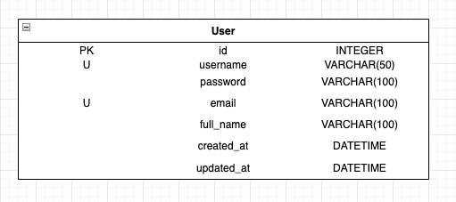

 |  | Description

 |  | Table: User
 |  |  | Field id | Field Name |  | Type | Min Length |  | Max Length | Default value | Format | Primary Key | Unique Key | Foreign Key | Reference To | Not null | Note
 |  | 1 | id | ユーザーID |  | Integer |  |  |  | auto increment |  | x
 |  | 2 | username | ログイン名 |  | VARCHAR | 6 |  | 50 |  |  |  | x |  |  | x
 |  | 3 | pasword | パスワード |  | VARCHAR | 6 |  | 100 |  |  |  |  |  |  | x
 |  | 4 | email | メールアドレス |  | VARCHAR | 6 |  | 100 |  | ...@... |  | x |  |  | x | Eメールに必ず[@] が含まれるがあります
 |  | 5 | full_name | 氏名 |  | VARCHAR | 6 |  | 100 |  |  |  |  |  |  | x
 |  | 6 | created_at | アカウント作成日時 |  | DATETIME |  |  |  |  |  |  |  |  |  | x
 |  | 7 | updated_at | アカウント情報更新日時 |  | DATETIME

 | 2.2. Sample

