ProForma income
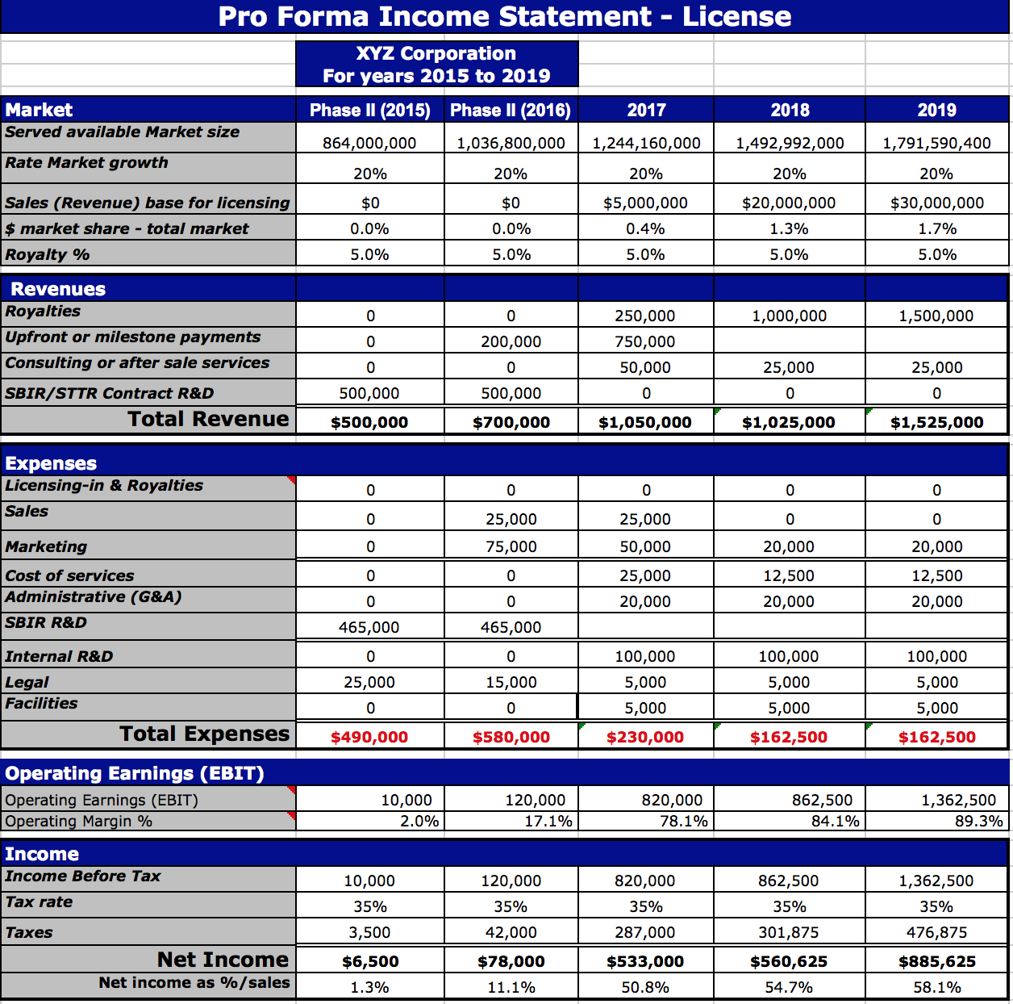
 | Pro Forma Income Statement (CloudBench)

 |  | RNET Technologies, Inc.
 |  | For years 2017 to 2021

1 | Market | Phase II (2017) | Phase II (2018) | 2019 | 2020 | 2021
 | CAE and Simulation Market Size | $7,000,000,000 | $7,770,000,000 | $8,624,700,000 | $9,573,417,000 | $10,626,492,870
 | Rate Market growth (average) | 11% | 11% | 11% | 11% | 11%
 | Sales (Revenue) | $0 | $200,000 | $1,000,000 | $1,900,000 | $3,500,000 | 0.00011594606189 | 0.00019846623207
 | % market share | 0.00% | 0.00% | 0.01% | 0.02% | 0.03%

2 | Revenues
 | Software Licenses Sold | 0 | 100 | 700 | 1400 | 2800 |  | #REF!
 | Average License Price | $1,000 | $1,000 | $1,000 | $1,000 | $1,000
 | Software Sales | $0 | $100,000 | $700,000 | $1,400,000 | $2,800,000
 | Consulting or aftersale services |  | $100,000 | $300,000 | $500,000 | $700,000
 | SBIR/STTR Contract R&D | $500,000 | $500,000 | $0 | $0 | $0
 | Total Revenue | $500,000 | $700,000 | $1,000,000 | $1,900,000 | $3,500,000

3 | Expenses
 | Licensing & Royalties | $0 | $0 | $0 | $0 | $0
 | Sales & Marketing | $0 | $92,400 | $184,800 | $369,600 | $369,600 | 0.25, 0.5, 1.5, and then 2 salesmen
 | Cost of services (technical support) | $0 | $61,600 | $123,200 | $246,400 | $246,400 | 1, 2 and then 3 full time support staff/FAE
 | Administrative (G&A) - 7% | $0 | $20,636 | $30,072 | $56,476 | $308,000
 | SBIR R&D | $465,000 | $465,000
 | Internal R&D | $0 | $92,400 | $184,800 | $277,200 | $346,500
 | Legal | $0 | $100,000 | $50,000 | $150,000 | $300,000
 | Facilities | $0 | $10,000 | $10,000 | $10,000 | $20,000
 | Total Expenses | $465,000 | $842,036 | $582,872 | $1,109,676 | $1,590,500

4 | Operating Earnings (EBIT) |  |  |  |  |  | <= this is also EBITDA
 | Operating Earnings (EBIT) | $35,000 | -$142,036 | $417,128 | $790,324 | $1,909,500
 | Operating Margin % | 7.0% | -20.3% | 41.7% | 41.6% | 54.6%

5 | Income
 | Income Before Tax | $35,000 | -$142,036 | $417,128 | $790,324 | $1,909,500
 | Tax rate | 35% | 35% | 35% | 35% | 35%
 | Taxes | $12,250 | $0 | $145,995 | $276,613 | $668,325
 | Net Income | $22,750 | -$142,036 | $271,133 | $513,711 | $1,241,175
 | Net income as %/sales | 4.6% | -20.3% | 27.1% | 27.0% | 35.5%

 | Back calculated revnue and CAGR | $1,200,927,169 | $1,364,253,264 | $1,549,791,708 | $1,760,563,380 | $2,000,000,000
 |  | $1,992,389,543 | $2,412,783,737 | $2,921,881,105 | $3,538,398,018 | $4,285,000,000
 |  | $3,074,849,439 | $3,254,728,131 | $3,445,129,727 | $3,646,669,816 | $3,860,000,000
 |  |  |  |  |  | 13.60%
 |  |  |  |  |  | 21.10%
 |  |  |  |  |  | 5.85% | 0.13516666667

 | $5,547,049,691.15 | $6,268,166,151 | $7,031,765,132 | $7,916,802,540 | $8,945,631,214 | $10,145,000,000
 |  |  | 12.18% | 12.59% | 13.00% | 13.41%

 | Floating Node Price |  |  | $1,000 | $1,000 | $1,000 | $1,000
 | Nodes Per User |  |  | 1 | 1 | 1 | 1
 | Revenue per User |  |  | $1,000 | $1,000 | $1,000 | $1,000
 | Num Users |  |  | 700 | 1400 | 2800 | 28000 | Max users
 | Revenue |  |  | $700,000 | $1,400,000 | $2,800,000 | $28,000,000 |  | 1.71875
 |  |  |  |  | 700 | 933.33333333 | 9333.3333333

 | G&A | 7%
 | OH | 54%

 |  |  |  |  |  |  |  |  | 175000
 | Salary | Loaded Rate | 25% of loaded rate | 50%of loaded Rate
 | $50,000 | $77,000 | $19,250 | $38,500
 | $60,000 | $92,400 | $23,100 | $46,200
 | $70,000 | $107,800 | $26,950 | $53,900
 | $80,000 | $123,200 | $30,800 | $61,600
 | $90,000 | $138,600 | $34,650 | $69,300
 | $100,000 | $154,000 | $38,500 | $77,000
 | $110,000 | $169,400 | $42,350 | $84,700
 | $120,000 | $184,800 | $46,200 | $92,400
 | $130,000 | $200,200 | $50,050 | $100,100
 | $140,000 | $215,600 | $53,900 | $107,800
 | $150,000 | $231,000 | $57,750 | $115,500
 | $160,000 | $246,400 | $61,600 | $123,200
 | $170,000 | $261,800 | $65,450 | $130,900
 | $180,000 | $277,200 | $69,300 | $138,600
 | $190,000 | $292,600 | $73,150 | $146,300
 | $200,000 | $308,000 | $77,000 | $154,000
 | $210,000 | $323,400 | $80,850 | $161,700

