ProForma income
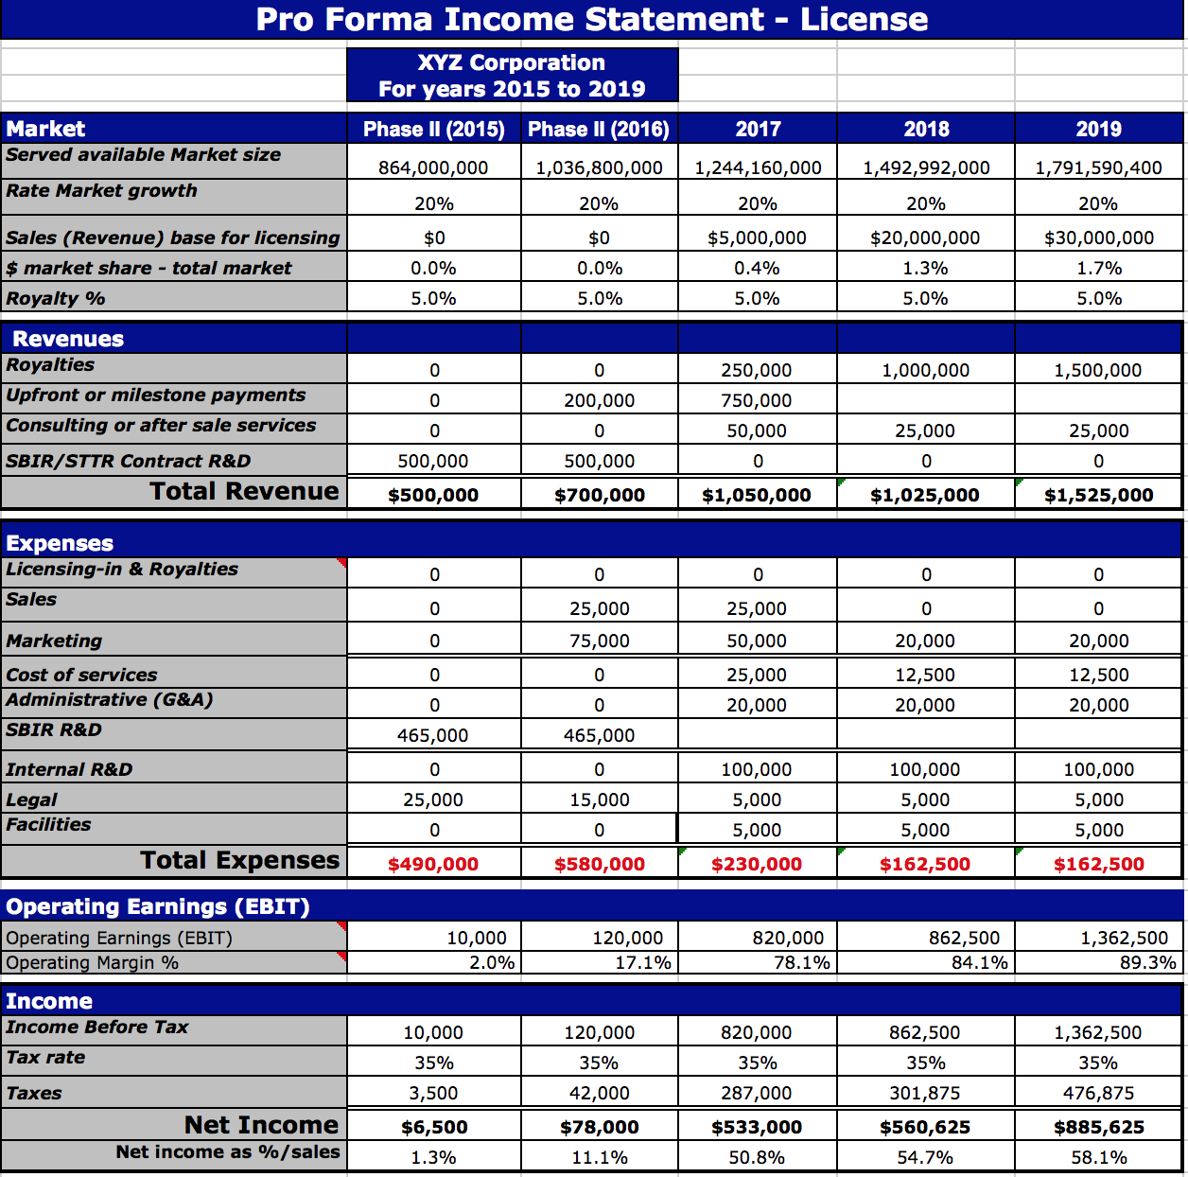
 | Pro Forma Income Statement (V&V Toolkit)

 |  | RNET Technologies, Inc.
 |  | For years 2019 to 2023
 |  |  |  |  |  |  | Cost | Phase II (2019) | Phase II (2020) | 2021 | 2022 | 2023
1 | Market | Phase II (2019) | Phase II (2020) | 2021 | 2022 | 2023
 | CAE and Simulation Market Size | $7,000,000,000 | $7,770,000,000 | $8,624,700,000 | $9,573,417,000 | $10,626,492,870
 | Rate Market growth (average) | 11% | 11% | 11% | 11% | 11%
 | Sales (Revenue) | $- | $100,000 | $637,500 | $1,425,000 | $3,875,000
 | % market share | 0.00% | 0.00% | 0.01% | 0.01% | 0.04%

2 | Revenues
 | Integration Contracts ($500,000) | $- | $250,000 | $250,000 | $500,000 | $500,000 | 250000 | 0 | 1 | 1 | 2 | 2
 | Third Party User Royalty ($1,500/user) | $- | $- | $37,500 | $300,000 | $2,250,000 | 1500 | 0 | 0 | 25 | 200 | 1500
 | User Support Contracts ($5,000/user) | $- | $- | $50,000 | $250,000 | $750,000 | $5,000 | 0 | 0 | 10 | 50 | 150
 | Commercial Licences ($75,000 each) | $- | $- | $75,000 | $150,000 | $150,000 | 75000 | 0 | 0 | 1 | 2 | 2
 | R&D Contracts ($225,000 each) | $- | $- | $225,000 | $225,000 | $225,000 | 225000 | 0 | 0 | 1 | 1 | 1
 | SBIR/STTR Contract R&D | $500,000 | $500,000 | $- | $- | $-
 | Total Revenue | $500,000 | $750,000 | $637,500 | $1,425,000 | $3,875,000

3 | Expenses
 | Licensing & Royalties | $0.00 | $0.00 | $0.00 | $0.00 | $0.00
 | Sales & Marketing | $0.00 | $92,400.00 | $184,800.00 | $369,600.00 | $369,600.00
 | Cost of services (technical support) | $0.00 | $61,600.00 | $123,200.00 | $246,400.00 | $246,400.00
 | Administrative (G&A) - 7% | $0.00 | $7,168.00 | $30,072.00 | $56,476.00 | $308,000.00
 | SBIR R&D | $465,000.00 | $465,000.00
 | Internal R&D | $0.00 | $0.00 | $184,800.00 | $277,200.00 | $346,500.00
 | Legal | $0.00 | $0.00 | $50,000.00 | $150,000.00 | $300,000.00
 | Facilities | $0.00 | $10,000.00 | $10,000.00 | $10,000.00 | $20,000.00
 | Total Expenses | $465,000 | $636,168 | $582,872 | $1,109,676 | $1,590,500

4 | Operating Earnings (EBIT)
 | Operating Earnings (EBIT) | $35,000 | $113,832 | $54,628 | $315,324 | $2,284,500
 | Operating Margin % | 7.0% | 15.2% | 8.6% | 22.1% | 59.0%

5 | Income
 | Income Before Tax | $35,000 | $113,832 | $54,628 | $315,324 | $2,284,500
 | Tax rate | 35% | 35% | 35% | 35% | 35%
 | Taxes | $12,250 | $39,841 | $19,120 | $110,363 | $799,575
 | Net Income | $22,750 | $73,991 | $35,508 | $204,961 | $1,484,925
 | Net income as %/sales | 4.6% | 9.9% | 5.6% | 14.4% | 38.3%

 | G&A | 7%
 | OH | 54%

 |  |  |  |  |  |  |  |  | 175000
 | Salary | Loaded Rate | 25% of loaded rate | 50%of loaded Rate
 | $50,000 | $77,000 | $19,250 | $38,500
 | $60,000 | $92,400 | $23,100 | $46,200
 | $70,000 | $107,800 | $26,950 | $53,900
 | $80,000 | $123,200 | $30,800 | $61,600
 | $90,000 | $138,600 | $34,650 | $69,300
 | $100,000 | $154,000 | $38,500 | $77,000
 | $110,000 | $169,400 | $42,350 | $84,700
 | $120,000 | $184,800 | $46,200 | $92,400
 | $130,000 | $200,200 | $50,050 | $100,100
 | $140,000 | $215,600 | $53,900 | $107,800
 | $150,000 | $231,000 | $57,750 | $115,500
 | $160,000 | $246,400 | $61,600 | $123,200
 | $170,000 | $261,800 | $65,450 | $130,900
 | $180,000 | $277,200 | $69,300 | $138,600
 | $190,000 | $292,600 | $73,150 | $146,300
 | $200,000 | $308,000 | $77,000 | $154,000
 | $210,000 | $323,400 | $80,850 | $161,700

