Sheet1
Part Name | Picture | Material | Dimentions | Manufacturer | Comments | Supplier | Price / $ | # | Total / $
Coilover Oil-Fileld Shock Absorvber |  | Steel | Extended Length: 12-3/4", Travel: 3", Mounting Hole: 3/8", Mounting Hole Width: 13/16" | Surplus Center / 28-1721 | Comes with spring mounts and ajustor | Surplus-Center | 12.95 | 2 | 25.9
Front Bicycle Wheel | 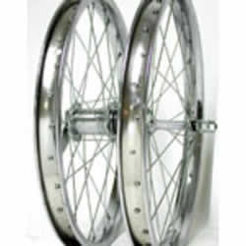 | Steel | 18" x 1.75", 5/16 Axle | Wheel Master | Bolt On, Silver | http://www.niagaracycle.com/ | 12.73 | 2 | 25.46
Inner Tube | 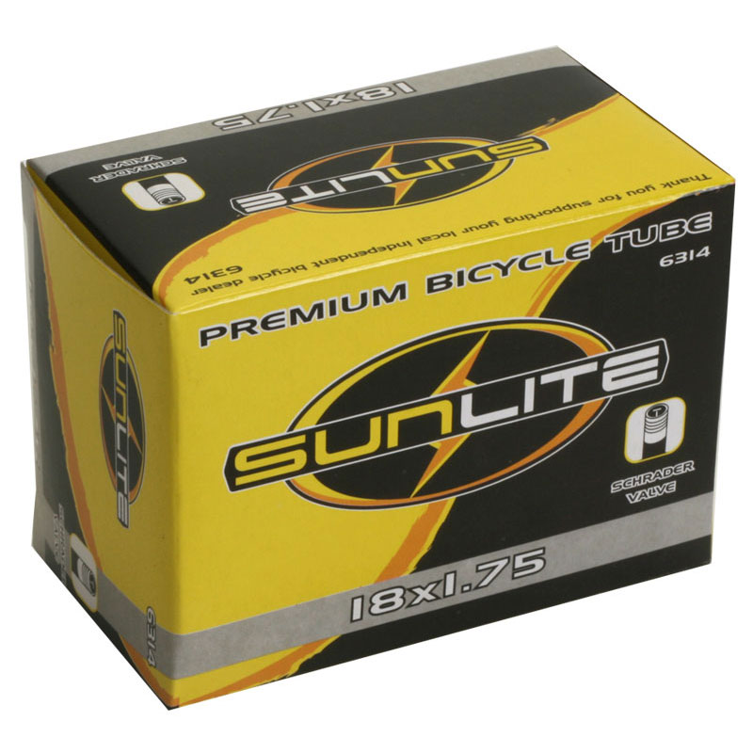 | Ruber | 18" x 1.75" | Sunlite Tube | SCHRADER valve | http://www.niagaracycle.com/ | 2.99 | 2 | 5.98
Bicycle Tire | 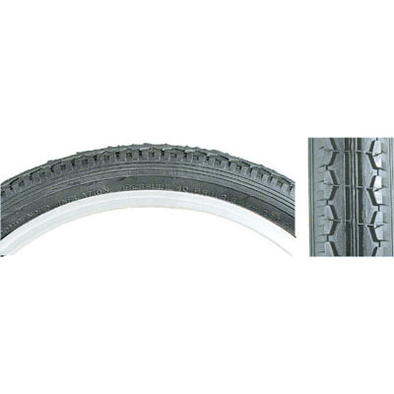 | Ruber | 18" x 1.75" | Sunlite Street Tire | Black tread with black wall, stret style | http://www.niagaracycle.com/ | 7.63 | 2 | 15.26
U-Bolt | 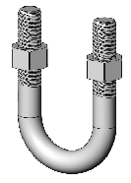 | Steel | For Pipe Size: 1/2", Thread Size: 3/8"-16, For Outside Diameter: 1", Length: 2-1/4", Thread Length: 1-1/4" | McMaster / 3043T35 | Comes with Two hex nuts. Pack of 5 | http://www.mcmaster.com/ | 5.38 | 2 | 10.76
Sleeve Bearing | 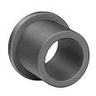 | PTFE/Oil-Lubricated SAE 841 Bronze | Inside Diameter 1/4": -.001" to +.000", Outside Diameter: 3/8" -.001" to +.000", Flange Outside Diameter: 1/2", Flange Thickness: 1/16", Length: 1/2" ±.005" | McMaster / 1677K3 |  | http://www.mcmaster.com/ | 0.71 | 28 | 19.88
Bearing |  | PTFE/Oil-Lubricated SAE 841 Bronze | Inside Diameter 1/4": -.001" to +.000", Outside Diameter: 3/8" -.001" to +.000", Length: 1/2" ±.005" | McMaster / 1688K6 |  | http://www.mcmaster.com/ | 0.52 | 24 | 12.48
Matal for top wishbone. |  | Aluminum (Alloy 6061) | Thickness: 5/8" ±.009", Length: 36" ±1", Width: 4" ±.034" | McMaster / 8975K227 | Temper T6511 | http://www.mcmaster.com/ | 49.99 | 1 | 49.99
Matal for bottom wishbone. |  | Aluminum (Alloy 6061) | Thickness: 5/8" ±.009", Length: 36" ±1", Width: 3" ±.034" | McMaster / 8975K225 | Temper T6511 | http://www.mcmaster.com/ | 41.15 | 1 | 41.15
Matal for mounting plate |  | Aluminum (Alloy 6061) | Thickness: 1" ±.012", Length: 36" ±1", Width: 3" ±.034" | McMaster / 8975K241 | Temper T6511 | http://www.mcmaster.com/ | 59.99 | 1 | 59.99
Matal for wheel plate |  | Aluminum (Alloy 6061) | Thickness: 1" ±.012", Length: 12" ±1", Width: 3" ±.034" | McMaster / 8975K313 | Temper T6511 | http://www.mcmaster.com/ | 23.16 | 1 | 23.16
Sholder Bolt |  | Plain Steel | Head Diameter: 3/8", Head Height: 3/16", Inch Thread Size: 10-24, Shoulder Diameter: 1/4" -.002" to -.004", Shoulder Length: 3" ±.005" | McMaster / 91259A106 |  | http://www.mcmaster.com/ | 1.57 | 10 | 15.7
Sholder Bolt |  | Plain Steel | Head Diameter: 3/8", Head Height: 3/16", Inch Thread Size: 10-24, Shoulder Diameter: 1/4" -.002" to -.004", Shoulder Length: 4" ±.005" | McMaster / 91259A115 |  | http://www.mcmaster.com/ | 6.09 | 3 | 18.27
Hex Nuts |  | Steel | 10-24 Width: 3/8", Height: 15/64" | McMaster / 90631A011 | The nylon insert / pack of 100 | http://www.mcmaster.com/ | 2.59 | 1 | 2.59
Washer |  | Steel | Inside Diameter: 1/4", Outside Diameter: 1/2", Minimum Thickness 1/32" ±.005" | McMaster / 95601A315 |  | http://www.mcmaster.com/ | 2.41 | 1 | 2.41
Axel | 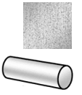 | Stainless Steel | Diameter: 3/4" ±.002", Length: 12" ±1/2" | McMaster / 89535K121 |  | http://www.mcmaster.com/ | 9.05 | 1 | 9.05
Springs |  | Spring Steel | Comp / Outer Diam =2.187in, Length = 9.00in, Width = .218in, Rate = 33lb/in | CenturySpring / 73029 |  | http://www.centuryspring.com/ |  | 2 | 12.05
 |  |  |  |  |  |  |  |  | 350.08

