Sheet2
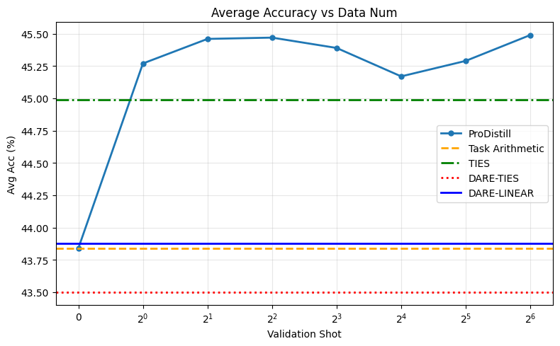
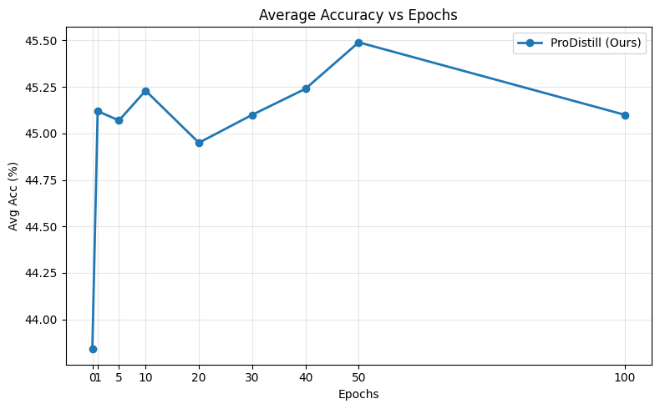
Method | CNN | Arxiv | MediaSum | Avg
Individual | 0.4613 | 0.4540 | 0.4612 | 0.4588
Task Arithmetic | 0.4431 | 0.4329 | 0.4393 | 0.4384
Ties | 0.4577 | 0.4439 | 0.4482 | 0.4499
Dare-Ties | 0.4404 | 0.4271 | 0.4374 | 0.4350
Dare-Linear | 0.4433 | 0.4336 | 0.4394 | 0.4388
ProDistill | 0.4592 | 0.4472 | 0.4584 | 0.4549

