How to utilize Title Plan
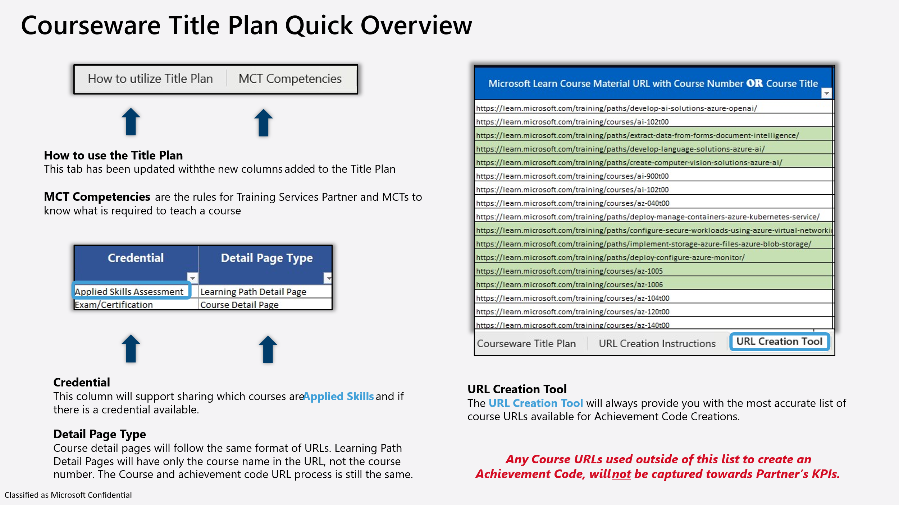
Title Plan Guide Last Modified: June 16th, 2025 Last modified date includes: Copilot End User tab has now been added. | Please find a "Title Plan Quick Overview" at the bottom of this list, with supporting infographics from the Title Plan.
Title Plan Color Key: | 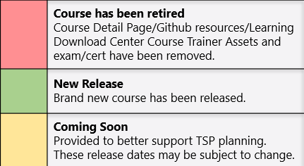 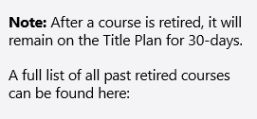 Microsoft Learn retired courses

The Title Plan contains the following tabs:

TAB: Courseware News | This tab has been retired. For all ILT Communication, please refer to our new blog. aka.ms/ILT_Communications_Blog

TAB: MCT Competencies to deliver ILT Courses | Set guidelines for delivering ILT courses, to help TSPs and MCTs understand the qualifications to deliver a particular ILT course.

TAB: Courseware Title Plan | The truest source of all ILT offerings. This is your "ILT Catalog"
Solution Area | The type of subject area the course is in. Data & AI Azure Infrastructure Azure Digital & App Innovation Security Business Applications Modern Work
Course No | Course number Note: Currently courses that have "Learning Path Detail Pages" will not have a course number available in the Detail page URL or on the page itself.
Title | Course Title
ILT Duration | The course duration for Instructor-Led Training (ILT) courses. We’ve updated the format to include short-form courses that are measured in hours.
Credential | This field shows if the ILT course has a Credential associated to it. The following are the categories for a Credential that an ILT Course can have: Applied Skills Assesment Exam/Cert 1-Day ILT with neither N/A
Detail Page Type | This field shows if the ILT course has a Course Detail Page or a Learning Path Detail Page. Note: Course detail pages will follow the same format of URLs. Learning Path Detail Pages will have only the course name in the URL, not the course number. The Course and achievement code URL process is still the same.
Detail Page URL | The URL for each course on Microsoft Learn, where Learners can find modules.
Partner Program Value | This field provides you with the Partner Program Value for each course.
Pub Type | New or Update
Scope | Major or Minor (this is to help MCTs anticipate a course update) Minor = Will not interupt MCTs deliveries of an ILT course they have scheduled close to a minor update Major = MCT should plan to update course materials prior to any deliveries of that ILT course
Release Date | Release of the new course or release of the update
Title Plan Note | Important information/Content Owner notes, pertaining to the course and or the course update.
State | Closed (Retired), Planned, Released, or Under Development
Retired Date | Retired date or upcoming retirement date. Retired courses will only remain on Title Plan 30-days after retirement. A full list of past retirements can be found here:
Course Contains | Labs will now be referred to as interactivities.
Lab Hosting | If ALH is offered for the course. (Authorized Lab Hosting)

TAB: Certifications & Exams | English Language Exams and Certifications - This tab provides a current list of all offered certifications and exams associated with ILT courses. Note: Applied Skills assessments are not included.

TAB: Applied Skills Assesments | A list of currently available Applied Skills assessments, including their corresponding ILT course numbers and titles. Each entry also includes a direct link to the assessment. Note: The list reflects the current status of each assessment, including whether it is temporarily offline. This information is updated on a bi-weekly basis.

TAB: Copilot End User | List of current eligible Copilot End User courses.

NEW! TAB: Is AI | List of current eligible Is AI courses.

TAB: LOC Courseware | 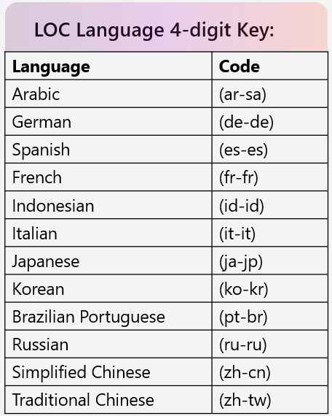
Course Number | LOC course number - note that the language is included in the course number as the last 2 letters in the number
Title | Course title in English
Release date | LOC course release date
Retired Date | Retired date or upcoming retirement date of the localized course
LOC Language | Language
Status | Closed: Course is retired Released: The latest date and update shown in the Title Plan for a particular course has been published. This means other planned updates currently in the scheduled for that course. Under Development: Next planned update for a particular course in being worked on, and hasn't published yet.

TAB: LOC Exams | All current localized exams

URL Creation Instructions
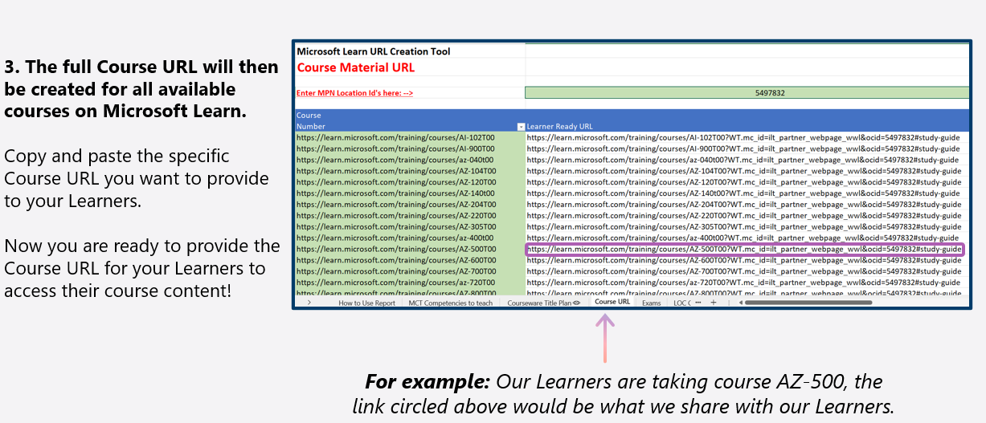
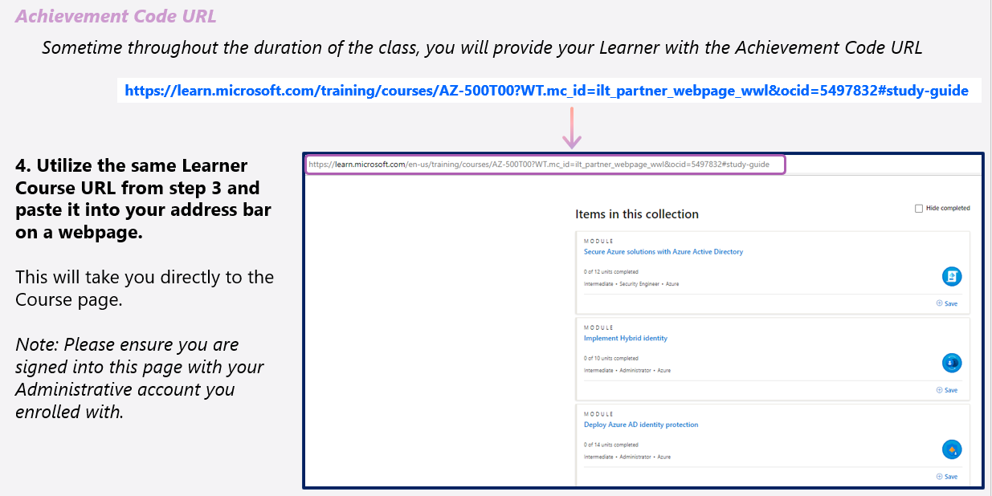
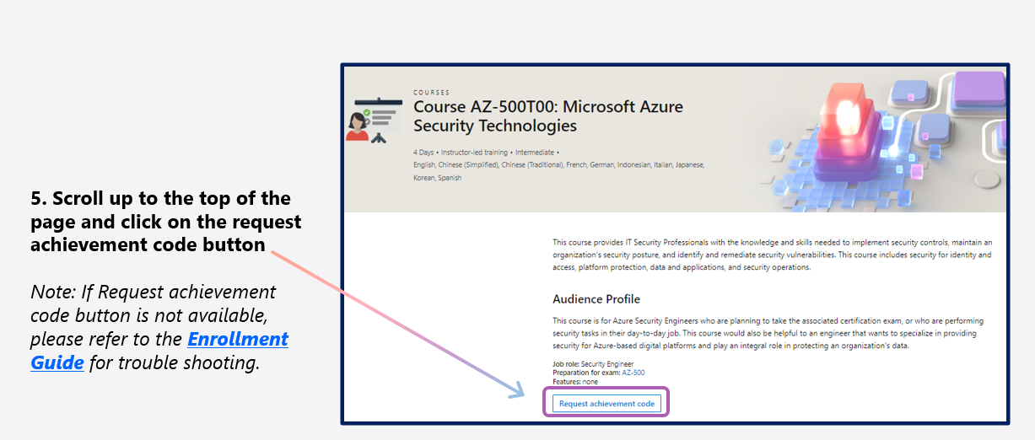
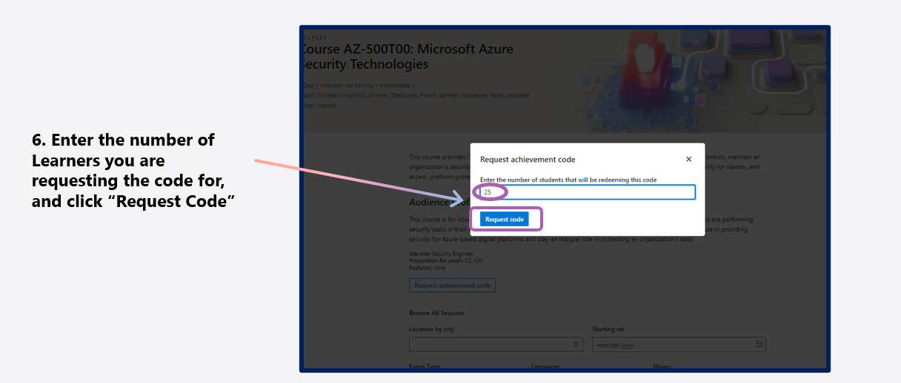
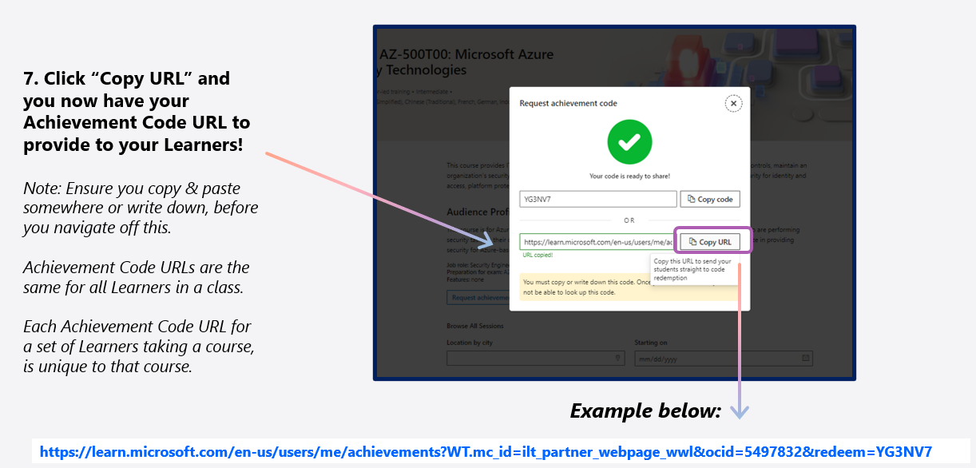
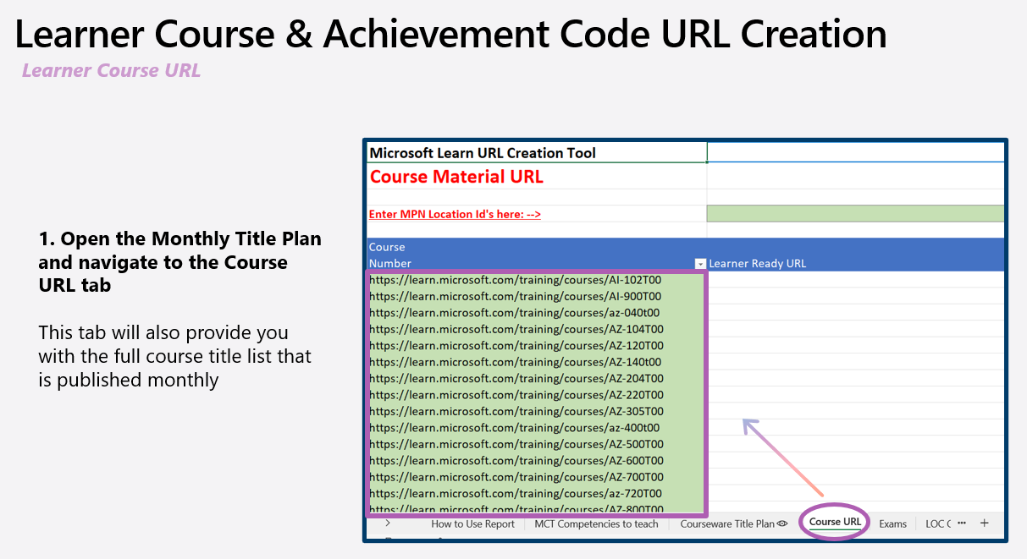

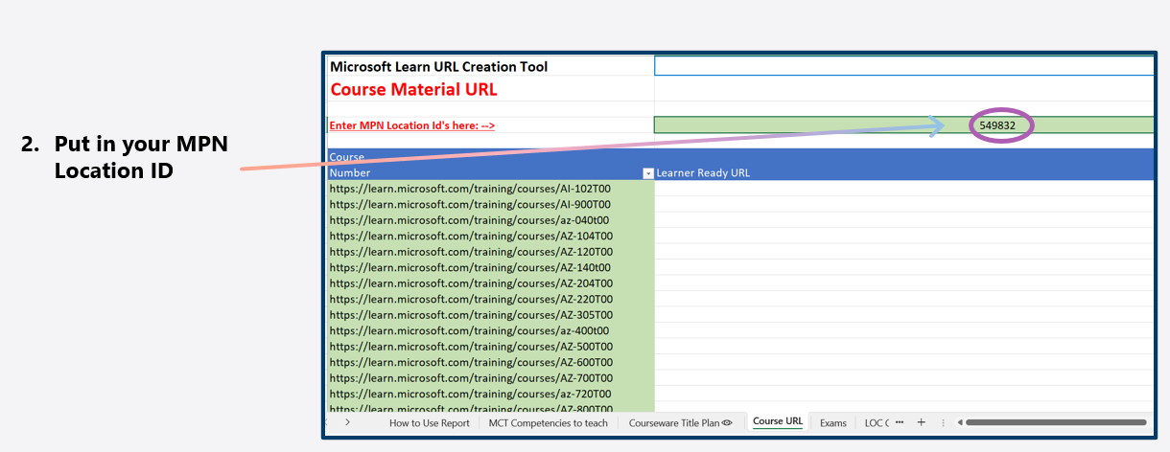

S

LOC Courseware

Solution Area | Course Number | Title | Loc Language | Duration | Credential | Pub Type | Release Date | State
Data & AI | AI-102T00AR | AI-102T00: Develop AI solutions in Azure (Arabic) | Arabic (ar-sa) | 5 | Exam/Certification | Update | 2025-10-17 07:00:00 | Released
Data & AI | AI-102T00BR | AI-102T00: Develop AI solutions in Azure (Portuguese Brazil) | Portuguese Brazil (pt-br) | 5 | Exam/Certification | Update | 2025-10-17 07:00:00 | Released
Data & AI | AI-102T00DE | AI-102T00: Develop AI solutions in Azure (German) | German (de-de) | 5 | Exam/Certification | Update | 2025-10-17 07:00:00 | Released
Data & AI | AI-102T00ES | AI-102T00: Develop AI solutions in Azure (Spanish) | Spanish (es-es) | 5 | Exam/Certification | Update | 2025-10-17 07:00:00 | Released
Data & AI | AI-102T00FR | AI-102T00: Develop AI solutions in Azure (French) | French (fr-fr) | 5 | Exam/Certification | Update | 2025-10-17 07:00:00 | Released
Data & AI | AI-102T00ID | AI-102T00: Develop AI solutions in Azure (Indonesian) | Indonesian (id-id) | 5 | Exam/Certification | Update | 2025-10-17 07:00:00 | Released
Data & AI | AI-102T00IT | AI-102T00: Develop AI solutions in Azure (Italian) | Italian (it-it) | 5 | Exam/Certification | Update | 2025-10-17 07:00:00 | Released
Data & AI | AI-102T00JA | AI-102T00: Develop AI solutions in Azure (Japanese) | Japanese (ja-jp) | 5 | Exam/Certification | Update | 2025-10-17 07:00:00 | Released
Data & AI | AI-102T00KO | AI-102T00: Develop AI solutions in Azure (Korean) | Korean (ko-kr) | 5 | Exam/Certification | Update | 2025-10-17 07:00:00 | Released
Data & AI | AI-102T00TW | AI-102T00: Develop AI solutions in Azure (Chinese Traditional) | Chinese Traditional (zh-tw) | 5 | Exam/Certification | Update | 2025-10-17 07:00:00 | Released
Data & AI | AI-102T00ZH | AI-102T00: Develop AI solutions in Azure (Chinese Simplified) | Chinese Simplified (zh-cn) | 5 | Exam/Certification | Update | 2025-10-17 07:00:00 | Released
Data & AI | AI-3002AR | AI-3002: Develop AI information extraction solutions in Azure (Arabic) | Arabic (ar-sa) | 1 | Applied Skills Assessment | Update | 2025-06-27 07:00:00 | Released
Data & AI | AI-3002BR | AI-3002: Develop AI information extraction solutions in Azure (Portuguese Brazil) | Portuguese Brazil (pt-br) | 1 | Applied Skills Assessment | Update | 2025-06-27 07:00:00 | Released
Data & AI | AI-3002DE | AI-3002: Develop AI information extraction solutions in Azure (German) | German (de-de) | 1 | Applied Skills Assessment | Update | 2025-06-27 07:00:00 | Released
Data & AI | AI-3002ES | AI-3002: Develop AI information extraction solutions in Azure (Spanish) | Spanish (es-es) | 1 | Applied Skills Assessment | Update | 2025-06-27 07:00:00 | Released
Data & AI | AI-3002FR | AI-3002: Develop AI information extraction solutions in Azure (French) | French (fr-fr) | 1 | Applied Skills Assessment | Update | 2025-06-27 07:00:00 | Released
Data & AI | AI-3002ID | AI-3002: Develop AI information extraction solutions in Azure (Indonesian) | Indonesian (id-id) | 1 | Applied Skills Assessment | Update | 2025-06-27 07:00:00 | Released
Data & AI | AI-3002IT | AI-3002: Develop AI information extraction solutions in Azure (Italian) | Italian (it-it) | 1 | Applied Skills Assessment | Update | 2025-06-27 07:00:00 | Released
Data & AI | AI-3002JA | AI-3002: Develop AI information extraction solutions in Azure (Japanese) | Japanese (ja-jp) | 1 | Applied Skills Assessment | Update | 2025-06-27 07:00:00 | Released
Data & AI | AI-3002KO | AI-3002: Develop AI information extraction solutions in Azure (Korean) | Korean (ko-kr) | 1 | Applied Skills Assessment | Update | 2025-06-27 07:00:00 | Released
Data & AI | AI-3002TW | AI-3002: Develop AI information extraction solutions in Azure (Chinese Traditional) | Chinese Traditional (zh-tw) | 1 | Applied Skills Assessment | Update | 2025-06-27 07:00:00 | Released
Data & AI | AI-3002ZH | AI-3002: Develop AI information extraction solutions in Azure (Chinese Simplified) | Chinese Simplified (zh-cn) | 1 | Applied Skills Assessment | Update | 2025-06-27 07:00:00 | Released
Data & AI | AI-3003AR | AI-3003: Develop natural language solutions in Azure​ (Arabic) | Arabic (ar-sa) | 1 | Applied Skills Assessment | Update | 2025-06-27 07:00:00 | Released
Data & AI | AI-3003BR | AI-3003: Develop natural language solutions in Azure​ (Portuguese Brazil) | Portuguese Brazil (pt-br) | 1 | Applied Skills Assessment | Update | 2025-06-27 07:00:00 | Released
Data & AI | AI-3003DE | AI-3003: Develop natural language solutions in Azure​ (German) | German (de-de) | 1 | Applied Skills Assessment | Update | 2025-06-27 07:00:00 | Released
Data & AI | AI-3003ES | AI-3003: Develop natural language solutions in Azure​ (Spanish) | Spanish (es-es) | 1 | Applied Skills Assessment | Update | 2025-06-27 07:00:00 | Released
Data & AI | AI-3003FR | AI-3003: Develop natural language solutions in Azure​ (French) | French (fr-fr) | 1 | Applied Skills Assessment | Update | 2025-06-27 07:00:00 | Released
Data & AI | AI-3003ID | AI-3003: Develop natural language solutions in Azure​ (Indonesian) | Indonesian (id-id) | 1 | Applied Skills Assessment | Update | 2025-06-27 07:00:00 | Released
Data & AI | AI-3003IT | AI-3003: Develop natural language solutions in Azure​ (Italian) | Italian (it-it) | 1 | Applied Skills Assessment | Update | 2025-06-27 07:00:00 | Released
Data & AI | AI-3003JA | AI-3003: Develop natural language solutions in Azure​ (Japanese) | Japanese (ja-jp) | 1 | Applied Skills Assessment | Update | 2025-06-27 07:00:00 | Released
Data & AI | AI-3003KO | AI-3003: Develop natural language solutions in Azure​ (Korean) | Korean (ko-kr) | 1 | Applied Skills Assessment | Update | 2025-06-27 07:00:00 | Released
Data & AI | AI-3003TW | AI-3003: Develop natural language solutions in Azure​ (Chinese Traditional) | Chinese Traditional (zh-tw) | 1 | Applied Skills Assessment | Update | 2025-06-27 07:00:00 | Released
Data & AI | AI-3003ZH | AI-3003: Develop natural language solutions in Azure​ (Chinese Simplified) | Chinese Simplified (zh-cn) | 1 | Applied Skills Assessment | Update | 2025-06-27 07:00:00 | Released
Data & AI | AI-3004AR | AI-3004: Develop computer vision solutions in Azure (Arabic) | Arabic (ar-sa) | 1 | Applied Skills Assessment | Update | 2025-06-27 07:00:00 | Released
Data & AI | AI-3004BR | AI-3004: Develop computer vision solutions in Azure (Portuguese Brazil) | Portuguese Brazil (pt-br) | 1 | Applied Skills Assessment | Update | 2025-06-27 07:00:00 | Released
Data & AI | AI-3004DE | AI-3004: Develop computer vision solutions in Azure (German) | German (de-de) | 1 | Applied Skills Assessment | Update | 2025-06-27 07:00:00 | Released
Data & AI | AI-3004ES | AI-3004: Develop computer vision solutions in Azure (Spanish) | Spanish (es-es) | 1 | Applied Skills Assessment | Update | 2025-06-27 07:00:00 | Released
Data & AI | AI-3004FR | AI-3004: Develop computer vision solutions in Azure (French) | French (fr-fr) | 1 | Applied Skills Assessment | Update | 2025-06-27 07:00:00 | Released
Data & AI | AI-3004ID | AI-3004: Develop computer vision solutions in Azure (Indonesian) | Indonesian (id-id) | 1 | Applied Skills Assessment | Update | 2025-06-27 07:00:00 | Released
Data & AI | AI-3004IT | AI-3004: Develop computer vision solutions in Azure (Italian) | Italian (it-it) | 1 | Applied Skills Assessment | Update | 2025-06-27 07:00:00 | Released
Data & AI | AI-3004JA | AI-3004: Develop computer vision solutions in Azure (Japanese) | Japanese (ja-jp) | 1 | Applied Skills Assessment | Update | 2025-06-27 07:00:00 | Released
Data & AI | AI-3004KO | AI-3004: Develop computer vision solutions in Azure (Korean) | Korean (ko-kr) | 1 | Applied Skills Assessment | Update | 2025-06-27 07:00:00 | Released
Data & AI | AI-3004TW | AI-3004: Develop computer vision solutions in Azure (Chinese Traditional) | Chinese Traditional (zh-tw) | 1 | Applied Skills Assessment | Update | 2025-06-27 07:00:00 | Released
Data & AI | AI-3004ZH | AI-3004: Develop computer vision solutions in Azure (Chinese Simplified) | Chinese Simplified (zh-cn) | 1 | Applied Skills Assessment | Update | 2025-06-27 07:00:00 | Released
Data & AI | AI-3016AR | AI-3016: Develop generative AI apps in Azure (Arabic) | Arabic (ar-sa) | 1 | Applied Skills Assessment | Update | 2025-09-26 07:00:00 | Released
Data & AI | AI-3016BR | AI-3016: Develop generative AI apps in Azure (Portuguese Brazil) | Portuguese Brazil (pt-br) | 1 | Applied Skills Assessment | Update | 2025-09-26 07:00:00 | Released
Data & AI | AI-3016DE | AI-3016: Develop generative AI apps in Azure (German) | German (de-de) | 1 | Applied Skills Assessment | Update | 2025-09-26 07:00:00 | Released
Data & AI | AI-3016ES | AI-3016: Develop generative AI apps in Azure (Spanish) | Spanish (es-es) | 1 | Applied Skills Assessment | Update | 2025-09-26 07:00:00 | Released
Data & AI | AI-3016FR | AI-3016: Develop generative AI apps in Azure (French) | French (fr-fr) | 1 | Applied Skills Assessment | Update | 2025-09-26 07:00:00 | Released
Data & AI | AI-3016ID | AI-3016: Develop generative AI apps in Azure (Indonesian) | Indonesian (id-id) | 1 | Applied Skills Assessment | Update | 2025-09-26 07:00:00 | Released
Data & AI | AI-3016IT | AI-3016: Develop generative AI apps in Azure (Italian) | Italian (it-it) | 1 | Applied Skills Assessment | Update | 2025-09-26 07:00:00 | Released
Data & AI | AI-3016JA | AI-3016: Develop generative AI apps in Azure (Japanese) | Japanese (ja-jp) | 1 | Applied Skills Assessment | Update | 2025-09-26 07:00:00 | Released
Data & AI | AI-3016KO | AI-3016: Develop generative AI apps in Azure (Korean) | Korean (ko-kr) | 1 | Applied Skills Assessment | Update | 2025-09-26 07:00:00 | Released
Data & AI | AI-3016ZH | AI-3016: Develop generative AI apps in Azure (Chinese Simplified) | Chinese Simplified (zh-cn) | 1 | Applied Skills Assessment | Update | 2025-09-26 07:00:00 | Released
Data & AI | AI-3017AR | AI-3017: AI for business leaders (Arabic) | Arabic (ar-sa) | 1 | N/A | Update | 2025-08-29 07:00:00 | Released
Data & AI | AI-3017BR | AI-3017: AI for business leaders (Portuguese Brazil) | Portuguese Brazil (pt-br) | 1 | N/A | Update | 2025-08-29 07:00:00 | Released
Data & AI | AI-3017DE | AI-3017: AI for business leaders (German) | German (de-de) | 1 | N/A | Update | 2025-08-29 07:00:00 | Released
Data & AI | AI-3017ES | AI-3017: AI for business leaders (Spanish) | Spanish (es-es) | 1 | N/A | Update | 2025-08-29 07:00:00 | Released
Data & AI | AI-3017FR | AI-3017: AI for business leaders (French) | French (fr-fr) | 1 | N/A | Update | 2025-08-29 07:00:00 | Released
Data & AI | AI-3017ID | AI-3017: AI for business leaders (Indonesian) | Indonesian (id-id) | 1 | N/A | Update | 2025-08-29 07:00:00 | Released
Data & AI | AI-3017IT | AI-3017: AI for business leaders (Italian) | Italian (it-it) | 1 | N/A | Update | 2025-08-29 07:00:00 | Released
Data & AI | AI-3017JA | AI-3017: AI for business leaders (Japanese) | Japanese (ja-jp) | 1 | N/A | Update | 2025-08-29 07:00:00 | Released
Data & AI | AI-3017KO | AI-3017: AI for business leaders (Korean) | Korean (ko-kr) | 1 | N/A | Update | 2025-08-29 07:00:00 | Released
Data & AI | AI-3017ZH | AI-3017: AI for business leaders (Chinese Simplified) | Chinese Simplified (zh-cn) | 1 | N/A | Update | 2025-08-29 07:00:00 | Released
Data & AI | AI-3019BR | AI-3019: Build AI Apps with Azure Database for PostgreSQL (Portuguese Brazil) | Portuguese Brazil (pt-br) | 1 | Applied Skills Assessment | New | 2024-09-27 07:00:00 | Released
Data & AI | AI-3019DE | AI-3019: Build AI Apps with Azure Database for PostgreSQL (German) | German (de-de) | 1 | Applied Skills Assessment | New | 2024-09-27 07:00:00 | Released
Data & AI | AI-3019ES | AI-3019: Build AI Apps with Azure Database for PostgreSQL (Spanish) | Spanish (es-es) | 1 | Applied Skills Assessment | New | 2024-09-27 07:00:00 | Released
Data & AI | AI-3019FR | AI-3019: Build AI Apps with Azure Database for PostgreSQL (French) | French (fr-fr) | 1 | Applied Skills Assessment | New | 2024-09-27 07:00:00 | Released
Data & AI | AI-3019JA | AI-3019: Build AI Apps with Azure Database for PostgreSQL (Japanese) | Japanese (ja-jp) | 1 | Applied Skills Assessment | New | 2024-09-27 07:00:00 | Released
Data & AI | AI-3019KO | AI-3019: Build AI Apps with Azure Database for PostgreSQL (Korean) | Korean (ko-kr) | 1 | Applied Skills Assessment | New | 2024-09-27 07:00:00 | Released
Data & AI | AI-3019ZH | AI-3019: Build AI Apps with Azure Database for PostgreSQL (Chinese Simplified) | Chinese Simplified (zh-cn) | 1 | Applied Skills Assessment | New | 2024-09-27 07:00:00 | Released
Data & AI | AI-3022BR | AI-3022: Implement knowledge mining with Azure AI Search (Portuguese Brazil) | Portuguese Brazil (pt-br) | 1 | Applied Skills Assessment | New | 2024-12-06 08:00:00 | Released
Data & AI | AI-3022DE | AI-3022: Implement knowledge mining with Azure AI Search (German) | German (de-de) | 1 | Applied Skills Assessment | New | 2024-12-06 08:00:00 | Released
Data & AI | AI-3022ES | AI-3022: Implement knowledge mining with Azure AI Search (Spanish) | Spanish (es-es) | 1 | Applied Skills Assessment | New | 2024-12-06 08:00:00 | Released
Data & AI | AI-3022FR | AI-3022: Implement knowledge mining with Azure AI Search (French) | French (fr-fr) | 1 | Applied Skills Assessment | New | 2024-12-06 08:00:00 | Released
Data & AI | AI-3022JA | AI-3022: Implement knowledge mining with Azure AI Search (Japanese) | Japanese (ja-jp) | 1 | Applied Skills Assessment | New | 2024-12-06 08:00:00 | Released
Data & AI | AI-3022KO | AI-3022: Implement knowledge mining with Azure AI Search (Korean) | Korean (ko-kr) | 1 | Applied Skills Assessment | New | 2024-12-06 08:00:00 | Released
Data & AI | AI-3022ZH | AI-3022: Implement knowledge mining with Azure AI Search (Chinese Simplified) | Chinese Simplified (zh-cn) | 1 | Applied Skills Assessment | New | 2024-12-06 08:00:00 | Released
Data & AI | AI-3024AR | AI-3024: Design a dream destination with AI (Arabic) | Arabic (ar-sa) | 1 | N/A | Update | 2025-01-17 08:00:00 | Released
Data & AI | AI-3024BR | AI-3024: Design a dream destination with AI (Portuguese Brazil) | Portuguese Brazil (pt-br) | 1 | N/A | Update | 2025-01-17 08:00:00 | Released
Data & AI | AI-3024DE | AI-3024: Design a dream destination with AI (German) | German (de-de) | 1 | N/A | Update | 2025-01-17 08:00:00 | Released
Data & AI | AI-3024ES | AI-3024: Design a dream destination with AI (Spanish) | Spanish (es-es) | 1 | N/A | Update | 2025-01-17 08:00:00 | Released
Data & AI | AI-3024FR | AI-3024: Design a dream destination with AI (French) | French (fr-fr) | 1 | N/A | Update | 2025-01-17 08:00:00 | Released
Data & AI | AI-3024ID | AI-3024: Design a dream destination with AI (Indonesian) | Indonesian (id-id) | 1 | N/A | Update | 2025-01-17 08:00:00 | Released
Data & AI | AI-3024IT | AI-3024: Design a dream destination with AI (Italian) | Italian (it-it) | 1 | N/A | Update | 2025-01-17 08:00:00 | Released
Data & AI | AI-3024JA | AI-3024: Design a dream destination with AI (Japanese) | Japanese (ja-jp) | 1 | N/A | Update | 2025-01-17 08:00:00 | Released
Data & AI | AI-3024KO | AI-3024: Design a dream destination with AI (Korean) | Korean (ko-kr) | 1 | N/A | Update | 2025-01-17 08:00:00 | Released
Data & AI | AI-3024TW | AI-3024: Design a dream destination with AI (Chinese Traditional) | Chinese Traditional (zh-tw) | 1 | N/A | Update | 2025-01-17 08:00:00 | Released
Data & AI | AI-3024ZH | AI-3024: Design a dream destination with AI (Chinese Simplified) | Chinese Simplified (zh-cn) | 1 | N/A | Update | 2025-01-17 08:00:00 | Released
Data & AI | AI-3025BR | AI-3025: Work smarter with AI (Portuguese Brazil) | Portuguese Brazil (pt-br) | 1 | N/A | Update | 2025-01-31 08:00:00 | Released
Data & AI | AI-3025DE | AI-3025: Work smarter with AI (German) | German (de-de) | 1 | N/A | Update | 2025-01-31 08:00:00 | Released
Data & AI | AI-3025ES | AI-3025: Work smarter with AI (Spanish) | Spanish (es-es) | 1 | N/A | Update | 2025-01-31 08:00:00 | Released
Data & AI | AI-3025FR | AI-3025: Work smarter with AI (French) | French (fr-fr) | 1 | N/A | Update | 2025-01-31 08:00:00 | Released
Data & AI | AI-3025JA | AI-3025: Work smarter with AI (Japanese) | Japanese (ja-jp) | 1 | N/A | Update | 2025-01-31 08:00:00 | Released
Data & AI | AI-3025KO | AI-3025: Work smarter with AI (Korean) | Korean (ko-kr) | 1 | N/A | Update | 2025-01-31 08:00:00 | Released
Data & AI | AI-3025ZH | AI-3025: Work smarter with AI (Chinese Simplified) | Chinese Simplified (zh-cn) | 1 | N/A | Update | 2025-01-31 08:00:00 | Released
Data & AI | AI-3026BR | AI-3026: Develop AI agents on Azure (Portuguese Brazil) | Portuguese Brazil (pt-br) | 1 | N/A | Update | 2025-10-17 07:00:00 | Released
Data & AI | AI-3026DE | AI-3026: Develop AI agents on Azure (German) | German (de-de) | 1 | N/A | Update | 2025-10-17 07:00:00 | Released
Data & AI | AI-3026ES | AI-3026: Develop AI agents on Azure (Spanish) | Spanish (es-es) | 1 | N/A | Update | 2025-10-17 07:00:00 | Released
Data & AI | AI-3026FR | AI-3026: Develop AI agents on Azure (French) | French (fr-fr) | 1 | N/A | Update | 2025-10-17 07:00:00 | Released
Data & AI | AI-3026JA | AI-3026: Develop AI agents on Azure (Japanese) | Japanese (ja-jp) | 1 | N/A | Update | 2025-10-17 07:00:00 | Released
Data & AI | AI-3026KO | AI-3026: Develop AI agents on Azure (Korean) | Korean (ko-kr) | 1 | N/A | Update | 2025-10-17 07:00:00 | Released
Data & AI | AI-3026ZH | AI-3026: Develop AI agents on Azure (Chinese Simplified) | Chinese Simplified (zh-cn) | 1 | N/A | Update | 2025-10-17 07:00:00 | Released
Infrastructure | AI-900T00AR | AI-900T00: Introduction to AI in Azure (Arabic) | Arabic (ar-sa) | 1 | Exam/Certification | Update | 2025-10-10 07:00:00 | Released
Infrastructure | AI-900T00BR | AI-900T00: Introduction to AI in Azure (Portuguese Brazil) | Portuguese Brazil (pt-br) | 1 | Exam/Certification | Update | 2025-10-10 07:00:00 | Released
Infrastructure | AI-900T00DE | AI-900T00: Introduction to AI in Azure (German) | German (de-de) | 1 | Exam/Certification | Update | 2025-10-10 07:00:00 | Released
Infrastructure | AI-900T00ES | AI-900T00: Introduction to AI in Azure (Spanish) | Spanish (es-es) | 1 | Exam/Certification | Update | 2025-10-10 07:00:00 | Released
Infrastructure | AI-900T00FR | AI-900T00: Introduction to AI in Azure (French) | French (fr-fr) | 1 | Exam/Certification | Update | 2025-10-10 07:00:00 | Released
Infrastructure | AI-900T00ID | AI-900T00: Introduction to AI in Azure (Indonesian) | Indonesian (id-id) | 1 | Exam/Certification | Update | 2025-10-10 07:00:00 | Released
Infrastructure | AI-900T00IT | AI-900T00: Introduction to AI in Azure (Italian) | Italian (it-it) | 1 | Exam/Certification | Update | 2025-10-10 07:00:00 | Released
Infrastructure | AI-900T00JA | AI-900T00: Introduction to AI in Azure (Japanese) | Japanese (ja-jp) | 1 | Exam/Certification | Update | 2025-10-10 07:00:00 | Released
Infrastructure | AI-900T00KO | AI-900T00: Introduction to AI in Azure (Korean) | Korean (ko-kr) | 1 | Exam/Certification | Update | 2025-10-10 07:00:00 | Released
Infrastructure | AI-900T00RU | AI-900T00: Introduction to AI in Azure (Russian) | Russian (ru-ru) | 1 | Exam/Certification | Update | 2025-10-10 07:00:00 | Released
Infrastructure | AI-900T00TW | AI-900T00: Introduction to AI in Azure (Chinese Traditional) | Chinese Traditional (zh-tw) | 1 | Exam/Certification | Update | 2025-10-10 07:00:00 | Released
Infrastructure | AI-900T00ZH | AI-900T00: Introduction to AI in Azure (Chinese Simplified) | Chinese Simplified (zh-cn) | 1 | Exam/Certification | Update | 2025-10-10 07:00:00 | Released
Infrastructure | AZ-040T00JA | AZ-040T00: Automating Administration with PowerShell (Japanese) | Japanese (ja-jp) | 5 | N/A | Update | 2023-12-08 08:00:00 | Released
Infrastructure | AZ-1002BR | AZ-1002: Configure secure access to your workloads using networking with Azure Virtual Network (Portuguese Brazil) | Portuguese Brazil (pt-br) | 1 | Applied Skills Assessment | Update | 2024-12-13 08:00:00 | Released
Infrastructure | AZ-1002DE | AZ-1002: Configure secure access to your workloads using networking with Azure Virtual Network (German) | German (de-de) | 1 | Applied Skills Assessment | Update | 2024-12-13 08:00:00 | Released
Infrastructure | AZ-1002ES | AZ-1002: Configure secure access to your workloads using networking with Azure Virtual Network (Spanish) | Spanish (es-es) | 1 | Applied Skills Assessment | Update | 2024-12-13 08:00:00 | Released
Infrastructure | AZ-1002FR | AZ-1002: Configure secure access to your workloads using networking with Azure Virtual Network (French) | French (fr-fr) | 1 | Applied Skills Assessment | Update | 2024-12-13 08:00:00 | Released
Infrastructure | AZ-1002JA | AZ-1002: Configure secure access to your workloads using networking with Azure Virtual Network (Japanese) | Japanese (ja-jp) | 1 | Applied Skills Assessment | Update | 2024-12-13 08:00:00 | Released
Infrastructure | AZ-1002ZH | AZ-1002: Configure secure access to your workloads using networking with Azure Virtual Network (Chinese Simplified) | Chinese Simplified (zh-cn) | 1 | Applied Skills Assessment | Update | 2024-12-13 08:00:00 | Released
Infrastructure | AZ-1003BR | AZ-1003: Secure storage for Azure Files and Azure Blob Storage (Portuguese Brazil) | Portuguese Brazil (pt-br) | 1 | Applied Skills Assessment | New | 2024-02-05 08:00:00 | Released
Infrastructure | AZ-1003DE | AZ-1003: Secure storage for Azure Files and Azure Blob Storage (German) | German (de-de) | 1 | Applied Skills Assessment | New | 2024-02-05 08:00:00 | Released
Infrastructure | AZ-1003ES | AZ-1003: Secure storage for Azure Files and Azure Blob Storage (Spanish) | Spanish (es-es) | 1 | Applied Skills Assessment | New | 2024-02-05 08:00:00 | Released
Infrastructure | AZ-1003FR | AZ-1003: Secure storage for Azure Files and Azure Blob Storage (French) | French (fr-fr) | 1 | Applied Skills Assessment | New | 2024-02-05 08:00:00 | Released
Infrastructure | AZ-1003JA | AZ-1003: Secure storage for Azure Files and Azure Blob Storage (Japanese) | Japanese (ja-jp) | 1 | Applied Skills Assessment | New | 2024-02-05 08:00:00 | Released
Infrastructure | AZ-1003ZH | AZ-1003: Secure storage for Azure Files and Azure Blob Storage (Chinese Simplified) | Chinese Simplified (zh-cn) | 1 | Applied Skills Assessment | New | 2024-02-05 08:00:00 | Released
Infrastructure | AZ-1004BR | AZ-1004: Deploy and configure Azure Monitor (Portuguese Brazil) | Portuguese Brazil (pt-br) | 1 | Applied Skills Assessment | Update | 2025-05-09 07:00:00 | Released
Infrastructure | AZ-1004DE | AZ-1004: Deploy and configure Azure Monitor (German) | German (de-de) | 1 | Applied Skills Assessment | Update | 2025-05-09 07:00:00 | Released
Infrastructure | AZ-1004ES | AZ-1004: Deploy and configure Azure Monitor (Spanish) | Spanish (es-es) | 1 | Applied Skills Assessment | Update | 2025-05-09 07:00:00 | Released
Infrastructure | AZ-1004FR | AZ-1004: Deploy and configure Azure Monitor (French) | French (fr-fr) | 1 | Applied Skills Assessment | Update | 2025-05-09 07:00:00 | Released
Infrastructure | AZ-1004JA | AZ-1004: Deploy and configure Azure Monitor (Japanese) | Japanese (ja-jp) | 1 | Applied Skills Assessment | Update | 2025-05-09 07:00:00 | Released
Infrastructure | AZ-1004ZH | AZ-1004: Deploy and configure Azure Monitor (Chinese Simplified) | Chinese Simplified (zh-cn) | 1 | Applied Skills Assessment | Update | 2025-05-09 07:00:00 | Released
Infrastructure | AZ-1006BR | AZ-1006: Migrate and Modernize SAP in the Microsoft Cloud (Portuguese Brazil) | Portuguese Brazil (pt-br) | 1 | N/A | New | 2024-03-06 08:00:00 | Released
Infrastructure | AZ-1006DE | AZ-1006: Migrate and Modernize SAP in the Microsoft Cloud (German) | German (de-de) | 1 | N/A | New | 2024-03-06 08:00:00 | Released
Infrastructure | AZ-1006ES | AZ-1006: Migrate and Modernize SAP in the Microsoft Cloud (Spanish) | Spanish (es-es) | 1 | N/A | New | 2024-03-06 08:00:00 | Released
Infrastructure | AZ-1006FR | AZ-1006: Migrate and Modernize SAP in the Microsoft Cloud (French) | French (fr-fr) | 1 | N/A | New | 2024-03-06 08:00:00 | Released
Infrastructure | AZ-1006JA | AZ-1006: Migrate and Modernize SAP in the Microsoft Cloud (Japanese) | Japanese (ja-jp) | 1 | N/A | New | 2024-03-06 08:00:00 | Released
Infrastructure | AZ-1006ZH | AZ-1006: Migrate and Modernize SAP in the Microsoft Cloud (Chinese Simplified) | Chinese Simplified (zh-cn) | 1 | N/A | New | 2024-03-06 08:00:00 | Released
Infrastructure | AZ-1007BR | AZ-1007: Deploy and administer Linux virtual machines on Azure (Portuguese Brazil) | Portuguese Brazil (pt-br) | 1 | Applied Skills Assessment | Update | 2025-05-30 07:00:00 | Released
Infrastructure | AZ-1007DE | AZ-1007: Deploy and administer Linux virtual machines on Azure (German) | German (de-de) | 1 | Applied Skills Assessment | Update | 2025-05-30 07:00:00 | Released
Infrastructure | AZ-1007ES | AZ-1007: Deploy and administer Linux virtual machines on Azure (Spanish) | Spanish (es-es) | 1 | Applied Skills Assessment | Update | 2025-05-30 07:00:00 | Released
Infrastructure | AZ-1007FR | AZ-1007: Deploy and administer Linux virtual machines on Azure (French) | French (fr-fr) | 1 | Applied Skills Assessment | Update | 2025-05-30 07:00:00 | Released
Infrastructure | AZ-1007JA | AZ-1007: Deploy and administer Linux virtual machines on Azure (Japanese) | Japanese (ja-jp) | 1 | Applied Skills Assessment | Update | 2025-05-30 07:00:00 | Released
Infrastructure | AZ-1007ZH | AZ-1007: Deploy and administer Linux virtual machines on Azure (Chinese Simplified) | Chinese Simplified (zh-cn) | 1 | Applied Skills Assessment | Update | 2025-05-30 07:00:00 | Released
Infrastructure | AZ-1008BR | AZ-1008: Administer Active Directory Domain Services (Portuguese Brazil) | Portuguese Brazil (pt-br) | 1 | Applied Skills Assessment | New | 2024-09-27 07:00:00 | Released
Infrastructure | AZ-1008DE | AZ-1008: Administer Active Directory Domain Services (German) | German (de-de) | 1 | Applied Skills Assessment | New | 2024-09-27 07:00:00 | Released
Infrastructure | AZ-1008ES | AZ-1008: Administer Active Directory Domain Services (Spanish) | Spanish (es-es) | 1 | Applied Skills Assessment | New | 2024-09-27 07:00:00 | Released
Infrastructure | AZ-1008FR | AZ-1008: Administer Active Directory Domain Services (French) | French (fr-fr) | 1 | Applied Skills Assessment | New | 2024-09-27 07:00:00 | Released
Infrastructure | AZ-1008JA | AZ-1008: Administer Active Directory Domain Services (Japanese) | Japanese (ja-jp) | 1 | Applied Skills Assessment | New | 2024-09-27 07:00:00 | Released
Infrastructure | AZ-1008ZH | AZ-1008: Administer Active Directory Domain Services (Chinese Simplified) | Chinese Simplified (zh-cn) | 1 | Applied Skills Assessment | New | 2024-09-27 07:00:00 | Released
Infrastructure | AZ-1010BR | AZ-1010: Deploy and manage Azure Arc-enabled Servers (Portuguese Brazil) | Portuguese Brazil (pt-br) | 1 | Applied Skills Assessment | Update | 2025-06-27 07:00:00 | Released
Infrastructure | AZ-1010DE | AZ-1010: Deploy and manage Azure Arc-enabled Servers (German) | German (de-de) | 1 | Applied Skills Assessment | Update | 2025-06-27 07:00:00 | Released
Infrastructure | AZ-1010ES | AZ-1010: Deploy and manage Azure Arc-enabled Servers (Spanish) | Spanish (es-es) | 1 | Applied Skills Assessment | Update | 2025-06-27 07:00:00 | Released
Infrastructure | AZ-1010FR | AZ-1010: Deploy and manage Azure Arc-enabled Servers (French) | French (fr-fr) | 1 | Applied Skills Assessment | Update | 2025-06-27 07:00:00 | Released
Infrastructure | AZ-1010JA | AZ-1010: Deploy and manage Azure Arc-enabled Servers (Japanese) | Japanese (ja-jp) | 1 | Applied Skills Assessment | Update | 2025-06-27 07:00:00 | Released
Infrastructure | AZ-1010ZH | AZ-1010: Deploy and manage Azure Arc-enabled Servers (Chinese Simplified) | Chinese Simplified (zh-cn) | 1 | Applied Skills Assessment | Update | 2025-06-27 07:00:00 | Released
Infrastructure | AZ-104T00BR | AZ-104T00: Microsoft Azure Administrator (Portuguese Brazil) | Portuguese Brazil (pt-br) | 4 | Exam/Certification | Update | 2025-08-29 07:00:00 | Released
Infrastructure | AZ-104T00DE | AZ-104T00: Microsoft Azure Administrator (German) | German (de-de) | 4 | Exam/Certification | Update | 2025-08-29 07:00:00 | Released
Infrastructure | AZ-104T00ES | AZ-104T00: Microsoft Azure Administrator (Spanish) | Spanish (es-es) | 4 | Exam/Certification | Update | 2025-08-29 07:00:00 | Released
Infrastructure | AZ-104T00FR | AZ-104T00: Microsoft Azure Administrator (French) | French (fr-fr) | 4 | Exam/Certification | Update | 2025-08-29 07:00:00 | Released
Infrastructure | AZ-104T00IT | AZ-104T00: Microsoft Azure Administrator (Italian) | Italian (it-it) | 4 | Exam/Certification | Update | 2025-08-29 07:00:00 | Released
Infrastructure | AZ-104T00JA | AZ-104T00: Microsoft Azure Administrator (Japanese) | Japanese (ja-jp) | 4 | Exam/Certification | Update | 2025-08-29 07:00:00 | Released
Infrastructure | AZ-104T00KO | AZ-104T00: Microsoft Azure Administrator (Korean) | Korean (ko-kr) | 4 | Exam/Certification | Update | 2025-08-29 07:00:00 | Released
Infrastructure | AZ-104T00TW | AZ-104T00: Microsoft Azure Administrator (Chinese Traditional) | Chinese Traditional (zh-tw) | 4 | Exam/Certification | Update | 2025-08-29 07:00:00 | Released
Infrastructure | AZ-104T00ZH | AZ-104T00: Microsoft Azure Administrator (Chinese Simplified) | Chinese Simplified (zh-cn) | 4 | Exam/Certification | Update | 2025-08-29 07:00:00 | Released
Infrastructure | AZ-120T00JA | AZ-120T00: Planning and Deploying SAP on Azure (Japanese) | Japanese (ja-jp) | 3 | Exam/Certification | Update | 2024-08-30 07:00:00 | Released
Infrastructure | AZ-120T00ZH | AZ-120T00: Planning and Deploying SAP on Azure (Chinese Simplified) | Chinese Simplified (zh-cn) | 3 | Exam/Certification | Update | 2024-08-30 07:00:00 | Released
Infrastructure | AZ-140T00JA | AZ-140T00: Configure and Operate Microsoft Azure Virtual Desktop (Japanese) | Japanese (ja-jp) | 4 | Exam/Certification | Update | 2025-06-20 07:00:00 | Released
Infrastructure | AZ-140T00KO | AZ-140T00: Configure and Operate Microsoft Azure Virtual Desktop (Korean) | Korean (ko-kr) | 4 | Exam/Certification | Update | 2025-06-20 07:00:00 | Released
Infrastructure | AZ-140T00ZH | AZ-140T00: Configure and Operate Microsoft Azure Virtual Desktop (Chinese Simplified) | Chinese Simplified (zh-cn) | 4 | Exam/Certification | Update | 2025-06-20 07:00:00 | Released
Digital and App Innovation | AZ-2001BR | AZ-2001: Implement security through a pipeline using Azure DevOps (Portuguese Brazil) | Portuguese Brazil (pt-br) | 1 | Applied Skills Assessment | Update | 2024-11-22 08:00:00 | Released
Digital and App Innovation | AZ-2001DE | AZ-2001: Implement security through a pipeline using Azure DevOps (German) | German (de-de) | 1 | Applied Skills Assessment | Update | 2024-11-22 08:00:00 | Released
Digital and App Innovation | AZ-2001ES | AZ-2001: Implement security through a pipeline using Azure DevOps (Spanish) | Spanish (es-es) | 1 | Applied Skills Assessment | Update | 2024-11-22 08:00:00 | Released
Digital and App Innovation | AZ-2001FR | AZ-2001: Implement security through a pipeline using Azure DevOps (French) | French (fr-fr) | 1 | Applied Skills Assessment | Update | 2024-11-22 08:00:00 | Released
Digital and App Innovation | AZ-2001JA | AZ-2001: Implement security through a pipeline using Azure DevOps (Japanese) | Japanese (ja-jp) | 1 | Applied Skills Assessment | Update | 2024-11-22 08:00:00 | Released
Digital and App Innovation | AZ-2001ZH | AZ-2001: Implement security through a pipeline using Azure DevOps (Chinese Simplified) | Chinese Simplified (zh-cn) | 1 | Applied Skills Assessment | Update | 2024-11-22 08:00:00 | Released
Digital and App Innovation | AZ-2002BR | AZ-2002: Develop an ASP.NET Core web app that consumes an API (Portuguese Brazil) | Portuguese Brazil (pt-br) | 1 | Applied Skills Assessment | Update | 2025-02-14 08:00:00 | Released
Digital and App Innovation | AZ-2002DE | AZ-2002: Develop an ASP.NET Core web app that consumes an API (German) | German (de-de) | 1 | Applied Skills Assessment | Update | 2025-02-14 08:00:00 | Released
Digital and App Innovation | AZ-2002ES | AZ-2002: Develop an ASP.NET Core web app that consumes an API (Spanish) | Spanish (es-es) | 1 | Applied Skills Assessment | Update | 2025-02-14 08:00:00 | Released
Digital and App Innovation | AZ-2002FR | AZ-2002: Develop an ASP.NET Core web app that consumes an API (French) | French (fr-fr) | 1 | Applied Skills Assessment | Update | 2025-02-14 08:00:00 | Released
Digital and App Innovation | AZ-2002JA | AZ-2002: Develop an ASP.NET Core web app that consumes an API (Japanese) | Japanese (ja-jp) | 1 | Applied Skills Assessment | Update | 2025-02-14 08:00:00 | Released
Digital and App Innovation | AZ-2002ZH | AZ-2002: Develop an ASP.NET Core web app that consumes an API (Chinese Simplified) | Chinese Simplified (zh-cn) | 1 | Applied Skills Assessment | Update | 2025-02-14 08:00:00 | Released
Digital and App Innovation | AZ-2003BR | AZ-2003: Deploy cloud-native apps using Azure Container Apps (Portuguese Brazil) | Portuguese Brazil (pt-br) | 1 | Applied Skills Assessment | Update | 2024-03-01 08:00:00 | Released
Digital and App Innovation | AZ-2003DE | AZ-2003: Deploy cloud-native apps using Azure Container Apps (German) | German (de-de) | 1 | Applied Skills Assessment | Update | 2024-03-01 08:00:00 | Released
Digital and App Innovation | AZ-2003ES | AZ-2003: Deploy cloud-native apps using Azure Container Apps (Spanish) | Spanish (es-es) | 1 | Applied Skills Assessment | Update | 2024-03-01 08:00:00 | Released
Digital and App Innovation | AZ-2003FR | AZ-2003: Deploy cloud-native apps using Azure Container Apps (French) | French (fr-fr) | 1 | Applied Skills Assessment | Update | 2024-03-01 08:00:00 | Released
Digital and App Innovation | AZ-2003JA | AZ-2003: Deploy cloud-native apps using Azure Container Apps (Japanese) | Japanese (ja-jp) | 1 | Applied Skills Assessment | Update | 2024-03-01 08:00:00 | Released
Digital and App Innovation | AZ-2003ZH | AZ-2003: Deploy cloud-native apps using Azure Container Apps (Chinese Simplified) | Chinese Simplified (zh-cn) | 1 | Applied Skills Assessment | Update | 2024-03-01 08:00:00 | Released
Digital and App Innovation | AZ-2005BR | AZ-2005: Develop Generative AI solutions using Azure OpenAI and the Semantic Kernel SDK (Portuguese Brazil) | Portuguese Brazil (pt-br) | 1 | N/A | Update | 2025-09-26 07:00:00 | Released
Digital and App Innovation | AZ-2005DE | AZ-2005: Develop Generative AI solutions using Azure OpenAI and the Semantic Kernel SDK (German) | German (de-de) | 1 | N/A | Update | 2025-09-26 07:00:00 | Released
Digital and App Innovation | AZ-2005ES | AZ-2005: Develop Generative AI solutions using Azure OpenAI and the Semantic Kernel SDK (Spanish) | Spanish (es-es) | 1 | N/A | Update | 2025-09-26 07:00:00 | Released
Digital and App Innovation | AZ-2005FR | AZ-2005: Develop Generative AI solutions using Azure OpenAI and the Semantic Kernel SDK (French) | French (fr-fr) | 1 | N/A | Update | 2025-09-26 07:00:00 | Released
Digital and App Innovation | AZ-2005JA | AZ-2005: Develop Generative AI solutions using Azure OpenAI and the Semantic Kernel SDK (Japanese) | Japanese (ja-jp) | 1 | N/A | Update | 2025-09-26 07:00:00 | Released
Digital and App Innovation | AZ-2005KO | AZ-2005: Develop Generative AI solutions using Azure OpenAI and the Semantic Kernel SDK (Korean) | Korean (ko-kr) | 1 | N/A | Update | 2025-09-26 07:00:00 | Released
Digital and App Innovation | AZ-2005ZH | AZ-2005: Develop Generative AI solutions using Azure OpenAI and the Semantic Kernel SDK (Chinese Simplified) | Chinese Simplified (zh-cn) | 1 | N/A | Update | 2025-09-26 07:00:00 | Released
Digital and App Innovation | AZ-2006BR | AZ-2006: Automate Azure Load Testing by using GitHub Actions (Portuguese Brazil) | Portuguese Brazil (pt-br) | 1 | Applied Skills Assessment | Update | 2025-08-08 07:00:00 | Released
Digital and App Innovation | AZ-2006DE | AZ-2006: Automate Azure Load Testing by using GitHub Actions (German) | German (de-de) | 1 | Applied Skills Assessment | Update | 2025-08-08 07:00:00 | Released
Digital and App Innovation | AZ-2006ES | AZ-2006: Automate Azure Load Testing by using GitHub Actions (Spanish) | Spanish (es-es) | 1 | Applied Skills Assessment | Update | 2025-08-08 07:00:00 | Released
Digital and App Innovation | AZ-2006FR | AZ-2006: Automate Azure Load Testing by using GitHub Actions (French) | French (fr-fr) | 1 | Applied Skills Assessment | Update | 2025-08-08 07:00:00 | Released
Digital and App Innovation | AZ-2006JA | AZ-2006: Automate Azure Load Testing by using GitHub Actions (Japanese) | Japanese (ja-jp) | 1 | Applied Skills Assessment | Update | 2025-08-08 07:00:00 | Released
Digital and App Innovation | AZ-2006ZH | AZ-2006: Automate Azure Load Testing by using GitHub Actions (Chinese Simplified) | Chinese Simplified (zh-cn) | 1 | Applied Skills Assessment | Update | 2025-08-08 07:00:00 | Released
Digital and App Innovation | AZ-2007BR | AZ-2007: Accelerate app development by using GitHub Copilot (Portuguese Brazil) | Portuguese Brazil (pt-br) | 1 | N/A | Update | 2025-06-20 07:00:00 | Released
Digital and App Innovation | AZ-2007DE | AZ-2007: Accelerate app development by using GitHub Copilot (German) | German (de-de) | 1 | N/A | Update | 2025-06-20 07:00:00 | Released
Digital and App Innovation | AZ-2007ES | AZ-2007: Accelerate app development by using GitHub Copilot (Spanish) | Spanish (es-es) | 1 | N/A | Update | 2025-06-20 07:00:00 | Released
Digital and App Innovation | AZ-2007FR | AZ-2007: Accelerate app development by using GitHub Copilot (French) | French (fr-fr) | 1 | N/A | Update | 2025-06-20 07:00:00 | Released
Digital and App Innovation | AZ-2007JA | AZ-2007: Accelerate app development by using GitHub Copilot (Japanese) | Japanese (ja-jp) | 1 | N/A | Update | 2025-06-20 07:00:00 | Released
Digital and App Innovation | AZ-2007ZH | AZ-2007: Accelerate app development by using GitHub Copilot (Chinese Simplified) | Chinese Simplified (zh-cn) | 1 | N/A | Update | 2025-06-20 07:00:00 | Released
Digital and App Innovation | AZ-2008BR | AZ-2008: DevOps Foundations: The Core Principles and Practices (Portuguese Brazil) | Portuguese Brazil (pt-br) | 1 | N/A | Update | 2024-11-22 08:00:00 | Released
Digital and App Innovation | AZ-2008DE | AZ-2008: DevOps Foundations: The Core Principles and Practices (German) | German (de-de) | 1 | N/A | Update | 2024-11-22 08:00:00 | Released
Digital and App Innovation | AZ-2008ES | AZ-2008: DevOps Foundations: The Core Principles and Practices (Spanish) | Spanish (es-es) | 1 | N/A | Update | 2024-11-22 08:00:00 | Released
Digital and App Innovation | AZ-2008FR | AZ-2008: DevOps Foundations: The Core Principles and Practices (French) | French (fr-fr) | 1 | N/A | Update | 2024-11-22 08:00:00 | Released
Digital and App Innovation | AZ-2008JA | AZ-2008: DevOps Foundations: The Core Principles and Practices (Japanese) | Japanese (ja-jp) | 1 | N/A | Update | 2024-11-22 08:00:00 | Released
Digital and App Innovation | AZ-2008ZH | AZ-2008: DevOps Foundations: The Core Principles and Practices (Chinese Simplified) | Chinese Simplified (zh-cn) | 1 | N/A | Update | 2024-11-22 08:00:00 | Released
Digital and App Innovation | AZ-2010BR | AZ-2010: Designing and Implementing Platform Engineering (Portuguese Brazil) | Portuguese Brazil (pt-br) | 1 | N/A | New | 2025-04-18 07:00:00 | Released
Digital and App Innovation | AZ-2010DE | AZ-2010: Designing and Implementing Platform Engineering (German) | German (de-de) | 1 | N/A | New | 2025-04-18 07:00:00 | Released
Digital and App Innovation | AZ-2010ES | AZ-2010: Designing and Implementing Platform Engineering (Spanish) | Spanish (es-es) | 1 | N/A | New | 2025-04-18 07:00:00 | Released
Digital and App Innovation | AZ-2010FR | AZ-2010: Designing and Implementing Platform Engineering (French) | French (fr-fr) | 1 | N/A | New | 2025-04-18 07:00:00 | Released
Digital and App Innovation | AZ-2010JA | AZ-2010: Designing and Implementing Platform Engineering (Japanese) | Japanese (ja-jp) | 1 | N/A | New | 2025-04-18 07:00:00 | Released
Digital and App Innovation | AZ-2010ZH | AZ-2010: Designing and Implementing Platform Engineering (Chinese Simplified) | Chinese Simplified (zh-cn) | 1 | N/A | New | 2025-04-18 07:00:00 | Released
Digital and App Innovation | AZ-204T00BR | AZ-204T00: Develop Solutions for Microsoft Azure (Portuguese Brazil) | Portuguese Brazil (pt-br) | 5 | Exam/Certification | Update | 2025-08-22 07:00:00 | Released
Digital and App Innovation | AZ-204T00DE | AZ-204T00: Develop Solutions for Microsoft Azure (German) | German (de-de) | 5 | Exam/Certification | Update | 2025-08-22 07:00:00 | Released
Digital and App Innovation | AZ-204T00ES | AZ-204T00: Develop Solutions for Microsoft Azure (Spanish) | Spanish (es-es) | 5 | Exam/Certification | Update | 2025-08-22 07:00:00 | Released
Digital and App Innovation | AZ-204T00FR | AZ-204T00: Develop Solutions for Microsoft Azure (French) | French (fr-fr) | 5 | Exam/Certification | Update | 2025-08-22 07:00:00 | Released
Digital and App Innovation | AZ-204T00IT | AZ-204T00: Develop Solutions for Microsoft Azure (Italian) | Italian (it-it) | 5 | Exam/Certification | Update | 2025-08-22 07:00:00 | Released
Digital and App Innovation | AZ-204T00JA | AZ-204T00: Develop Solutions for Microsoft Azure (Japanese) | Japanese (ja-jp) | 5 | Exam/Certification | Update | 2025-08-22 07:00:00 | Released
Digital and App Innovation | AZ-204T00KO | AZ-204T00: Develop Solutions for Microsoft Azure (Korean) | Korean (ko-kr) | 5 | Exam/Certification | Update | 2025-08-22 07:00:00 | Released
Digital and App Innovation | AZ-204T00TW | AZ-204T00: Develop Solutions for Microsoft Azure (Chinese Traditional) | Chinese Traditional (zh-tw) | 5 | Exam/Certification | Update | 2025-08-22 07:00:00 | Released
Digital and App Innovation | AZ-204T00ZH | AZ-204T00: Develop Solutions for Microsoft Azure (Chinese Simplified) | Chinese Simplified (zh-cn) | 5 | Exam/Certification | Update | 2025-08-22 07:00:00 | Released
Infrastructure | AZ-305T00BR | AZ-305T00: Design Microsoft Azure Infrastructure Solutions (Portuguese Brazil) | Portuguese Brazil (pt-br) | 4 | Exam/Certification | Update | 2025-09-19 07:00:00 | Released
Infrastructure | AZ-305T00DE | AZ-305T00: Design Microsoft Azure Infrastructure Solutions (German) | German (de-de) | 4 | Exam/Certification | Update | 2025-09-19 07:00:00 | Released
Infrastructure | AZ-305T00ES | AZ-305T00: Design Microsoft Azure Infrastructure Solutions (Spanish) | Spanish (es-es) | 4 | Exam/Certification | Update | 2025-09-19 07:00:00 | Released
Infrastructure | AZ-305T00FR | AZ-305T00: Design Microsoft Azure Infrastructure Solutions (French) | French (fr-fr) | 4 | Exam/Certification | Update | 2025-09-19 07:00:00 | Released
Infrastructure | AZ-305T00JA | AZ-305T00: Design Microsoft Azure Infrastructure Solutions (Japanese) | Japanese (ja-jp) | 4 | Exam/Certification | Update | 2025-09-19 07:00:00 | Released
Infrastructure | AZ-305T00KO | AZ-305T00: Design Microsoft Azure Infrastructure Solutions (Korean) | Korean (ko-kr) | 4 | Exam/Certification | Update | 2025-09-19 07:00:00 | Released
Infrastructure | AZ-305T00ZH | AZ-305T00: Design Microsoft Azure Infrastructure Solutions (Chinese Simplified) | Chinese Simplified (zh-cn) | 4 | Exam/Certification | Update | 2025-09-19 07:00:00 | Released
Digital and App Innovation | AZ-400T00BR | AZ-400T00: Designing and Implementing Microsoft DevOps solutions (Portuguese Brazil) | Portuguese Brazil (pt-br) | 4 | Exam/Certification | Update | 2024-11-15 08:00:00 | Released
Digital and App Innovation | AZ-400T00DE | AZ-400T00: Designing and Implementing Microsoft DevOps solutions (German) | German (de-de) | 4 | Exam/Certification | Update | 2024-11-15 08:00:00 | Released
Digital and App Innovation | AZ-400T00ES | AZ-400T00: Designing and Implementing Microsoft DevOps solutions (Spanish) | Spanish (es-es) | 4 | Exam/Certification | Update | 2024-11-15 08:00:00 | Released
Digital and App Innovation | AZ-400T00FR | AZ-400T00: Designing and Implementing Microsoft DevOps solutions (French) | French (fr-fr) | 4 | Exam/Certification | Update | 2024-11-15 08:00:00 | Released
Digital and App Innovation | AZ-400T00JA | AZ-400T00: Designing and Implementing Microsoft DevOps solutions (Japanese) | Japanese (ja-jp) | 4 | Exam/Certification | Update | 2024-11-15 08:00:00 | Released
Digital and App Innovation | AZ-400T00KO | AZ-400T00: Designing and Implementing Microsoft DevOps solutions (Korean) | Korean (ko-kr) | 4 | Exam/Certification | Update | 2024-11-15 08:00:00 | Released
Digital and App Innovation | AZ-400T00ZH | AZ-400T00: Designing and Implementing Microsoft DevOps solutions (Chinese Simplified) | Chinese Simplified (zh-cn) | 4 | Exam/Certification | Update | 2024-11-15 08:00:00 | Released
Security | AZ-500T00BR | AZ-500T00: Microsoft Azure Security Technologies (Portuguese Brazil) | Portuguese Brazil (pt-br) | 4 | Exam/Certification | Update | 2025-09-05 07:00:00 | Released
Security | AZ-500T00DE | AZ-500T00: Microsoft Azure Security Technologies (German) | German (de-de) | 4 | Exam/Certification | Update | 2025-09-05 07:00:00 | Released
Security | AZ-500T00ES | AZ-500T00: Microsoft Azure Security Technologies (Spanish) | Spanish (es-es) | 4 | Exam/Certification | Update | 2025-09-05 07:00:00 | Released
Security | AZ-500T00FR | AZ-500T00: Microsoft Azure Security Technologies (French) | French (fr-fr) | 4 | Exam/Certification | Update | 2025-09-05 07:00:00 | Released
Security | AZ-500T00IT | AZ-500T00: Microsoft Azure Security Technologies (Italian) | Italian (it-it) | 4 | Exam/Certification | Update | 2025-09-05 07:00:00 | Released
Security | AZ-500T00JA | AZ-500T00: Microsoft Azure Security Technologies (Japanese) | Japanese (ja-jp) | 4 | Exam/Certification | Update | 2025-09-05 07:00:00 | Released
Security | AZ-500T00KO | AZ-500T00: Microsoft Azure Security Technologies (Korean) | Korean (ko-kr) | 4 | Exam/Certification | Update | 2025-09-05 07:00:00 | Released
Security | AZ-500T00TW | AZ-500T00: Microsoft Azure Security Technologies (Chinese Traditional) | Chinese Traditional (zh-tw) | 4 | Exam/Certification | Update | 2025-09-05 07:00:00 | Released
Security | AZ-500T00ZH | AZ-500T00: Microsoft Azure Security Technologies (Chinese Simplified) | Chinese Simplified (zh-cn) | 4 | Exam/Certification | Update | 2025-09-05 07:00:00 | Released
Infrastructure | AZ-700T00BR | AZ-700T00: Design and Implement Microsoft Azure Network Solutions (Portuguese Brazil) | Portuguese Brazil (pt-br) | 3 | Exam/Certification | Update | 2025-09-19 07:00:00 | Released
Infrastructure | AZ-700T00DE | AZ-700T00: Design and Implement Microsoft Azure Network Solutions (German) | German (de-de) | 3 | Exam/Certification | Update | 2025-09-19 07:00:00 | Released
Infrastructure | AZ-700T00ES | AZ-700T00: Design and Implement Microsoft Azure Network Solutions (Spanish) | Spanish (es-es) | 3 | Exam/Certification | Update | 2025-09-19 07:00:00 | Released
Infrastructure | AZ-700T00FR | AZ-700T00: Design and Implement Microsoft Azure Network Solutions (French) | French (fr-fr) | 3 | Exam/Certification | Update | 2025-09-19 07:00:00 | Released
Infrastructure | AZ-700T00JA | AZ-700T00: Design and Implement Microsoft Azure Network Solutions (Japanese) | Japanese (ja-jp) | 3 | Exam/Certification | Update | 2025-09-19 07:00:00 | Released
Infrastructure | AZ-700T00KO | AZ-700T00: Design and Implement Microsoft Azure Network Solutions (Korean) | Korean (ko-kr) | 3 | Exam/Certification | Update | 2025-09-19 07:00:00 | Released
Infrastructure | AZ-700T00ZH | AZ-700T00: Design and Implement Microsoft Azure Network Solutions (Chinese Simplified) | Chinese Simplified (zh-cn) | 3 | Exam/Certification | Update | 2025-09-19 07:00:00 | Released
Infrastructure | AZ-800T00JA | AZ-800T00: Administer Windows Server Hybrid Core Infrastructure (Japanese) | Japanese (ja-jp) | 4 | Exam/Certification | Update | 2025-06-06 07:00:00 | Released
Infrastructure | AZ-800T00ZH | AZ-800T00: Administer Windows Server Hybrid Core Infrastructure (Chinese Simplified) | Chinese Simplified (zh-cn) | 4 | Exam/Certification | Update | 2025-06-06 07:00:00 | Released
Infrastructure | AZ-801T00JA | AZ-801T00: Configure Windows Server Hybrid Advanced Services (Japanese) | Japanese (ja-jp) | 4 | Exam/Certification | Update | 2025-06-27 07:00:00 | Released
Infrastructure | AZ-801T00ZH | AZ-801T00: Configure Windows Server Hybrid Advanced Services (Chinese Simplified) | Chinese Simplified (zh-cn) | 4 | Exam/Certification | Update | 2025-06-27 07:00:00 | Released
Infrastructure | AZ-900T00AR | AZ-900T00: Introduction to Microsoft Azure (Arabic) | Arabic (ar-sa) | 1 | Exam/Certification | Update | 2025-09-19 07:00:00 | Released
Infrastructure | AZ-900T00BR | AZ-900T00: Introduction to Microsoft Azure (Portuguese Brazil) | Portuguese Brazil (pt-br) | 1 | Exam/Certification | Update | 2025-09-19 07:00:00 | Released
Infrastructure | AZ-900T00DE | AZ-900T00: Introduction to Microsoft Azure (German) | German (de-de) | 1 | Exam/Certification | Update | 2025-09-19 07:00:00 | Released
Infrastructure | AZ-900T00ES | AZ-900T00: Introduction to Microsoft Azure (Spanish) | Spanish (es-es) | 1 | Exam/Certification | Update | 2025-09-19 07:00:00 | Released
Infrastructure | AZ-900T00FR | AZ-900T00: Introduction to Microsoft Azure (French) | French (fr-fr) | 1 | Exam/Certification | Update | 2025-09-19 07:00:00 | Released
Infrastructure | AZ-900T00ID | AZ-900T00: Introduction to Microsoft Azure (Indonesian) | Indonesian (id-id) | 1 | Exam/Certification | Update | 2025-09-19 07:00:00 | Released
Infrastructure | AZ-900T00IT | AZ-900T00: Introduction to Microsoft Azure (Italian) | Italian (it-it) | 1 | Exam/Certification | Update | 2025-09-19 07:00:00 | Released
Infrastructure | AZ-900T00JA | AZ-900T00: Introduction to Microsoft Azure (Japanese) | Japanese (ja-jp) | 1 | Exam/Certification | Update | 2025-09-19 07:00:00 | Released
Infrastructure | AZ-900T00KO | AZ-900T00: Introduction to Microsoft Azure (Korean) | Korean (ko-kr) | 1 | Exam/Certification | Update | 2025-09-19 07:00:00 | Released
Infrastructure | AZ-900T00RU | AZ-900T00: Introduction to Microsoft Azure (Russian) | Russian (ru-ru) | 1 | Exam/Certification | Update | 2025-09-19 07:00:00 | Released
Infrastructure | AZ-900T00TW | AZ-900T00: Introduction to Microsoft Azure (Chinese Traditional) | Chinese Traditional (zh-tw) | 1 | Exam/Certification | Update | 2025-09-19 07:00:00 | Released
Infrastructure | AZ-900T00ZH | AZ-900T00: Introduction to Microsoft Azure (Chinese Simplified) | Chinese Simplified (zh-cn) | 1 | Exam/Certification | Update | 2025-09-19 07:00:00 | Released
Data & AI | DP-100T01BR | DP-100T01: Designing and implementing a data science solution on Azure (Portuguese Brazil) | Portuguese Brazil (pt-br) | 4 | Exam/Certification | Update | 2025-02-21 08:00:00 | Released
Data & AI | DP-100T01DE | DP-100T01: Designing and implementing a data science solution on Azure (German) | German (de-de) | 4 | Exam/Certification | Update | 2025-02-21 08:00:00 | Released
Data & AI | DP-100T01ES | DP-100T01: Designing and implementing a data science solution on Azure (Spanish) | Spanish (es-es) | 4 | Exam/Certification | Update | 2025-02-21 08:00:00 | Released
Data & AI | DP-100T01FR | DP-100T01: Designing and implementing a data science solution on Azure (French) | French (fr-fr) | 4 | Exam/Certification | Update | 2025-02-21 08:00:00 | Released
Data & AI | DP-100T01IT | DP-100T01: Designing and implementing a data science solution on Azure (Italian) | Italian (it-it) | 4 | Exam/Certification | Update | 2025-02-21 08:00:00 | Released
Data & AI | DP-100T01JA | DP-100T01: Designing and implementing a data science solution on Azure (Japanese) | Japanese (ja-jp) | 4 | Exam/Certification | Update | 2025-02-21 08:00:00 | Released
Data & AI | DP-100T01KO | DP-100T01: Designing and implementing a data science solution on Azure (Korean) | Korean (ko-kr) | 4 | Exam/Certification | Update | 2025-02-21 08:00:00 | Released
Data & AI | DP-100T01TW | DP-100T01: Designing and implementing a data science solution on Azure (Chinese Traditional) | Chinese Traditional (zh-tw) | 4 | Exam/Certification | Update | 2025-02-21 08:00:00 | Released
Data & AI | DP-100T01ZH | DP-100T01: Designing and implementing a data science solution on Azure (Chinese Simplified) | Chinese Simplified (zh-cn) | 4 | Exam/Certification | Update | 2025-02-21 08:00:00 | Released
Data & AI | DP-203T00BR | DP-203T00: Data Engineering on Microsoft Azure (Portuguese Brazil) | Portuguese Brazil (pt-br) | 4 | Exam/Certification | Update | 2024-03-01 08:00:00 | Released
Data & AI | DP-203T00DE | DP-203T00: Data Engineering on Microsoft Azure (German) | German (de-de) | 4 | Exam/Certification | Update | 2024-03-01 08:00:00 | Released
Data & AI | DP-203T00ES | DP-203T00: Data Engineering on Microsoft Azure (Spanish) | Spanish (es-es) | 4 | Exam/Certification | Update | 2024-03-01 08:00:00 | Released
Data & AI | DP-203T00FR | DP-203T00: Data Engineering on Microsoft Azure (French) | French (fr-fr) | 4 | Exam/Certification | Update | 2024-03-01 08:00:00 | Released
Data & AI | DP-203T00JA | DP-203T00: Data Engineering on Microsoft Azure (Japanese) | Japanese (ja-jp) | 4 | Exam/Certification | Update | 2024-03-01 08:00:00 | Released
Data & AI | DP-203T00KO | DP-203T00: Data Engineering on Microsoft Azure (Korean) | Korean (ko-kr) | 4 | Exam/Certification | Update | 2024-03-01 08:00:00 | Released
Data & AI | DP-203T00ZH | DP-203T00: Data Engineering on Microsoft Azure (Chinese Simplified) | Chinese Simplified (zh-cn) | 4 | Exam/Certification | Update | 2024-03-01 08:00:00 | Released
Data & AI | DP-3001BR | DP-3001: Migrate SQL Server workload to Azure SQL (Portuguese Brazil) | Portuguese Brazil (pt-br) | 1 | Applied Skills Assessment | New | 2024-03-05 08:00:00 | Released
Data & AI | DP-3001DE | DP-3001: Migrate SQL Server workload to Azure SQL (German) | German (de-de) | 1 | Applied Skills Assessment | New | 2024-03-05 08:00:00 | Released
Data & AI | DP-3001ES | DP-3001: Migrate SQL Server workload to Azure SQL (Spanish) | Spanish (es-es) | 1 | Applied Skills Assessment | New | 2024-03-05 08:00:00 | Released
Data & AI | DP-3001FR | DP-3001: Migrate SQL Server workload to Azure SQL (French) | French (fr-fr) | 1 | Applied Skills Assessment | New | 2024-03-05 08:00:00 | Released
Data & AI | DP-3001JA | DP-3001: Migrate SQL Server workload to Azure SQL (Japanese) | Japanese (ja-jp) | 1 | Applied Skills Assessment | New | 2024-03-05 08:00:00 | Released
Data & AI | DP-3001ZH | DP-3001: Migrate SQL Server workload to Azure SQL (Chinese Simplified) | Chinese Simplified (zh-cn) | 1 | Applied Skills Assessment | New | 2024-03-05 08:00:00 | Released
Data & AI | DP-300T00BR | DP-300T00: Implement scalable database solutions using Azure SQL (Portuguese Brazil) | Portuguese Brazil (pt-br) | 4 | Exam/Certification | Update | 2025-09-19 07:00:00 | Released
Data & AI | DP-300T00DE | DP-300T00: Implement scalable database solutions using Azure SQL (German) | German (de-de) | 4 | Exam/Certification | Update | 2025-09-19 07:00:00 | Released
Data & AI | DP-300T00ES | DP-300T00: Implement scalable database solutions using Azure SQL (Spanish) | Spanish (es-es) | 4 | Exam/Certification | Update | 2025-09-19 07:00:00 | Released
Data & AI | DP-300T00FR | DP-300T00: Implement scalable database solutions using Azure SQL (French) | French (fr-fr) | 4 | Exam/Certification | Update | 2025-09-19 07:00:00 | Released
Data & AI | DP-300T00JA | DP-300T00: Implement scalable database solutions using Azure SQL (Japanese) | Japanese (ja-jp) | 4 | Exam/Certification | Update | 2025-09-19 07:00:00 | Released
Data & AI | DP-300T00KO | DP-300T00: Implement scalable database solutions using Azure SQL (Korean) | Korean (ko-kr) | 4 | Exam/Certification | Update | 2025-09-19 07:00:00 | Released
Data & AI | DP-300T00ZH | DP-300T00: Implement scalable database solutions using Azure SQL (Chinese Simplified) | Chinese Simplified (zh-cn) | 4 | Exam/Certification | Update | 2025-09-19 07:00:00 | Released
Data & AI | DP-3011BR | DP-3011: Implement a Data Analytics Solution with Azure Databricks (Portuguese Brazil) | Portuguese Brazil (pt-br) | 1 | N/A | Update | 2025-10-17 07:00:00 | Released
Data & AI | DP-3011DE | DP-3011: Implement a Data Analytics Solution with Azure Databricks (German) | German (de-de) | 1 | N/A | Update | 2025-10-17 07:00:00 | Released
Data & AI | DP-3011ES | DP-3011: Implement a Data Analytics Solution with Azure Databricks (Spanish) | Spanish (es-es) | 1 | N/A | Update | 2025-10-17 07:00:00 | Released
Data & AI | DP-3011FR | DP-3011: Implement a Data Analytics Solution with Azure Databricks (French) | French (fr-fr) | 1 | N/A | Update | 2025-10-17 07:00:00 | Released
Data & AI | DP-3011JA | DP-3011: Implement a Data Analytics Solution with Azure Databricks (Japanese) | Japanese (ja-jp) | 1 | N/A | Update | 2025-10-17 07:00:00 | Released
Data & AI | DP-3011ZH | DP-3011: Implement a Data Analytics Solution with Azure Databricks (Chinese Simplified) | Chinese Simplified (zh-cn) | 1 | N/A | Update | 2025-10-17 07:00:00 | Released
Data & AI | DP-3014BR | DP-3014: Build machine learning solutions using Azure Databricks (Portuguese Brazil) | Portuguese Brazil (pt-br) | 1 | N/A | Update | 2025-09-12 07:00:00 | Released
Data & AI | DP-3014DE | DP-3014: Build machine learning solutions using Azure Databricks (German) | German (de-de) | 1 | N/A | Update | 2025-09-12 07:00:00 | Released
Data & AI | DP-3014ES | DP-3014: Build machine learning solutions using Azure Databricks (Spanish) | Spanish (es-es) | 1 | N/A | Update | 2025-09-12 07:00:00 | Released
Data & AI | DP-3014FR | DP-3014: Build machine learning solutions using Azure Databricks (French) | French (fr-fr) | 1 | N/A | Update | 2025-09-12 07:00:00 | Released
Data & AI | DP-3014JA | DP-3014: Build machine learning solutions using Azure Databricks (Japanese) | Japanese (ja-jp) | 1 | N/A | Update | 2025-09-12 07:00:00 | Released
Data & AI | DP-3014KO | DP-3014: Build machine learning solutions using Azure Databricks (Korean) | Korean (ko-kr) | 1 | N/A | Update | 2025-09-12 07:00:00 | Released
Data & AI | DP-3014ZH | DP-3014: Build machine learning solutions using Azure Databricks (Chinese Simplified) | Chinese Simplified (zh-cn) | 1 | N/A | Update | 2025-09-12 07:00:00 | Released
Data & AI | DP-3015BR | DP-3015: Getting Started with Cosmos DB NoSQL Development (Portuguese Brazil) | Portuguese Brazil (pt-br) | 1 | N/A | New | 2024-03-08 08:00:00 | Released
Data & AI | DP-3015DE | DP-3015: Getting Started with Cosmos DB NoSQL Development (German) | German (de-de) | 1 | N/A | New | 2024-03-08 08:00:00 | Released
Data & AI | DP-3015ES | DP-3015: Getting Started with Cosmos DB NoSQL Development (Spanish) | Spanish (es-es) | 1 | N/A | New | 2024-03-08 08:00:00 | Released
Data & AI | DP-3015FR | DP-3015: Getting Started with Cosmos DB NoSQL Development (French) | French (fr-fr) | 1 | N/A | New | 2024-03-08 08:00:00 | Released
Data & AI | DP-3015JA | DP-3015: Getting Started with Cosmos DB NoSQL Development (Japanese) | Japanese (ja-jp) | 1 | N/A | New | 2024-03-08 08:00:00 | Released
Data & AI | DP-3015ZH | DP-3015: Getting Started with Cosmos DB NoSQL Development (Chinese Simplified) | Chinese Simplified (zh-cn) | 1 | N/A | New | 2024-03-08 08:00:00 | Released
Data & AI | DP-3020BR | DP-3020: Develop data-driven applications with Azure SQL Database (Portuguese Brazil) | Portuguese Brazil (pt-br) | 1 | Applied Skills Assessment | New | 2025-02-07 08:00:00 | Released
Data & AI | DP-3020DE | DP-3020: Develop data-driven applications with Azure SQL Database (German) | German (de-de) | 1 | Applied Skills Assessment | New | 2025-02-07 08:00:00 | Released
Data & AI | DP-3020ES | DP-3020: Develop data-driven applications with Azure SQL Database (Spanish) | Spanish (es-es) | 1 | Applied Skills Assessment | New | 2025-02-07 08:00:00 | Released
Data & AI | DP-3020FR | DP-3020: Develop data-driven applications with Azure SQL Database (French) | French (fr-fr) | 1 | Applied Skills Assessment | New | 2025-02-07 08:00:00 | Released
Data & AI | DP-3020JA | DP-3020: Develop data-driven applications with Azure SQL Database (Japanese) | Japanese (ja-jp) | 1 | Applied Skills Assessment | New | 2025-02-07 08:00:00 | Released
Data & AI | DP-3020KO | DP-3020: Develop data-driven applications with Azure SQL Database (Korean) | Korean (ko-kr) | 1 | Applied Skills Assessment | New | 2025-02-07 08:00:00 | Released
Data & AI | DP-3020ZH | DP-3020: Develop data-driven applications with Azure SQL Database (Chinese Simplified) | Chinese Simplified (zh-cn) | 1 | Applied Skills Assessment | New | 2025-02-07 08:00:00 | Released
Data & AI | DP-3021BR | DP-3021: Configure and migrate to Azure Database for PostgreSQL (Portuguese Brazil) | Portuguese Brazil (pt-br) | 1 | Applied Skills Assessment | New | 2024-10-25 07:00:00 | Released
Data & AI | DP-3021DE | DP-3021: Configure and migrate to Azure Database for PostgreSQL (German) | German (de-de) | 1 | Applied Skills Assessment | New | 2024-10-25 07:00:00 | Released
Data & AI | DP-3021ES | DP-3021: Configure and migrate to Azure Database for PostgreSQL (Spanish) | Spanish (es-es) | 1 | Applied Skills Assessment | New | 2024-10-25 07:00:00 | Released
Data & AI | DP-3021FR | DP-3021: Configure and migrate to Azure Database for PostgreSQL (French) | French (fr-fr) | 1 | Applied Skills Assessment | New | 2024-10-25 07:00:00 | Released
Data & AI | DP-3021JA | DP-3021: Configure and migrate to Azure Database for PostgreSQL (Japanese) | Japanese (ja-jp) | 1 | Applied Skills Assessment | New | 2024-10-25 07:00:00 | Released
Data & AI | DP-3021KO | DP-3021: Configure and migrate to Azure Database for PostgreSQL (Korean) | Korean (ko-kr) | 1 | Applied Skills Assessment | New | 2024-10-25 07:00:00 | Released
Data & AI | DP-3021ZH | DP-3021: Configure and migrate to Azure Database for PostgreSQL (Chinese Simplified) | Chinese Simplified (zh-cn) | 1 | Applied Skills Assessment | New | 2024-10-25 07:00:00 | Released
Data & AI | DP-3028BR | DP-3028: Implement Generative AI engineering with Azure Databricks (Portuguese Brazil) | Portuguese Brazil (pt-br) | 1 | N/A | New | 2025-08-08 07:00:00 | Released
Data & AI | DP-3028DE | DP-3028: Implement Generative AI engineering with Azure Databricks (German) | German (de-de) | 1 | N/A | New | 2025-08-08 07:00:00 | Released
Data & AI | DP-3028ES | DP-3028: Implement Generative AI engineering with Azure Databricks (Spanish) | Spanish (es-es) | 1 | N/A | New | 2025-08-08 07:00:00 | Released
Data & AI | DP-3028FR | DP-3028: Implement Generative AI engineering with Azure Databricks (French) | French (fr-fr) | 1 | N/A | New | 2025-08-08 07:00:00 | Released
Data & AI | DP-3028JA | DP-3028: Implement Generative AI engineering with Azure Databricks (Japanese) | Japanese (ja-jp) | 1 | N/A | New | 2025-08-08 07:00:00 | Released
Data & AI | DP-3028KO | DP-3028: Implement Generative AI engineering with Azure Databricks (Korean) | Korean (ko-kr) | 1 | N/A | New | 2025-08-08 07:00:00 | Released
Data & AI | DP-3028ZH | DP-3028: Implement Generative AI engineering with Azure Databricks (Chinese Simplified) | Chinese Simplified (zh-cn) | 1 | N/A | New | 2025-08-08 07:00:00 | Released
Data & AI | DP-3029BR | DP-3029: Work smarter with Copilot in Microsoft Fabric (Portuguese Brazil) | Portuguese Brazil (pt-br) | 1 | N/A | New | 2025-09-19 07:00:00 | Released
Data & AI | DP-3029DE | DP-3029: Work smarter with Copilot in Microsoft Fabric (German) | German (de-de) | 1 | N/A | New | 2025-09-19 07:00:00 | Released
Data & AI | DP-3029ES | DP-3029: Work smarter with Copilot in Microsoft Fabric (Spanish) | Spanish (es-es) | 1 | N/A | New | 2025-09-19 07:00:00 | Released
...

