How to utilize Title Plan
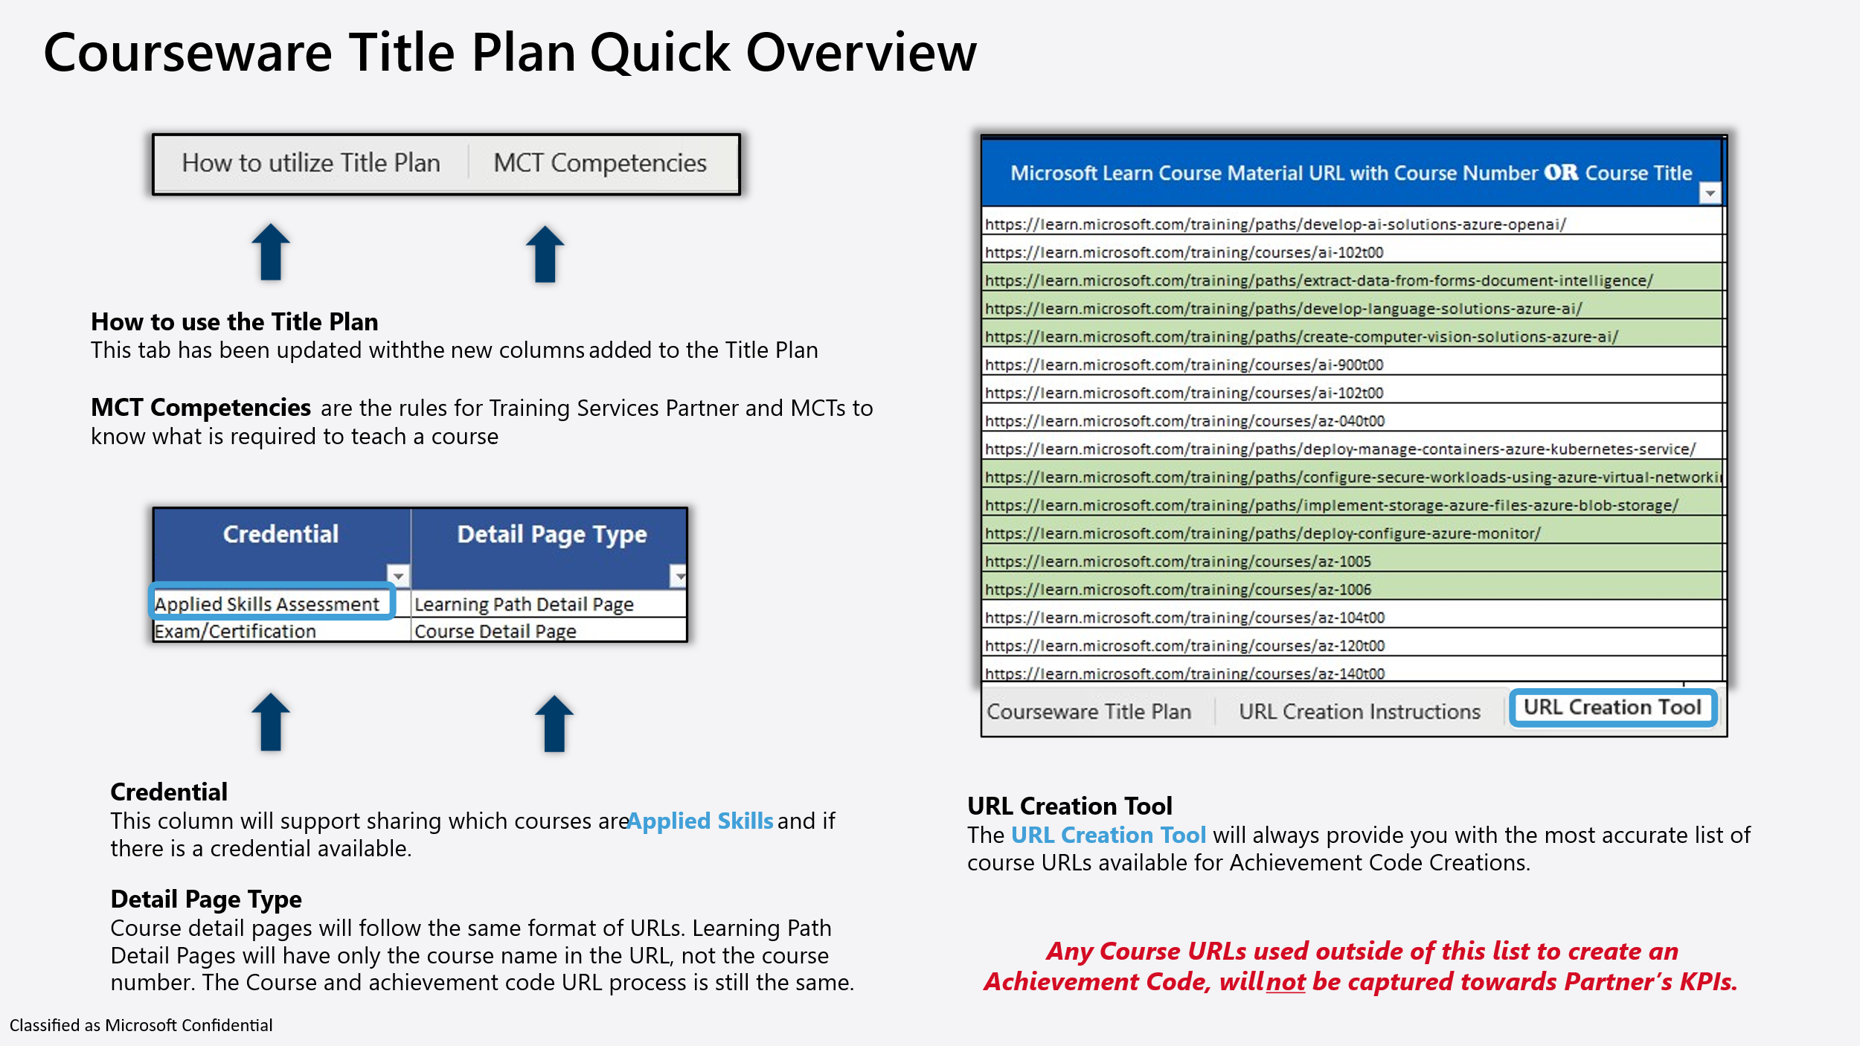
Title Plan Guide Last Modified: January 15, 2026 Last modified date includes: Minor typos fixed | Please find a "Title Plan Quick Overview" at the bottom of this list, with supporting infographics from the Title Plan.
Title Plan Color Key: | 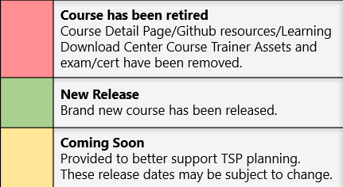 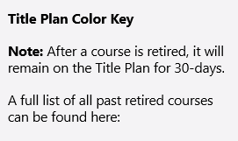 Microsoft Learn retired courses

The Title Plan contains the following tabs:

Courseware News | For all ILT Communication, please refer to our new blog. aka.ms/ILT_Communications_Blog

TAB: MCT Competencies to deliver ILT Courses | Set guidelines for delivering ILT courses, to help TSPs and MCTs understand the qualifications to deliver a particular ILT course.

TAB: Courseware Title Plan | The truest source of all ILT offerings. This is your "ILT Catalog"
Solution Area | The type of subject area the course is in. Data & AI Azure Infrastructure Azure Digital & App Innovation Security Business Applications Modern Work
Course No | Course number Note: Currently courses that have "Learning Path Detail Pages" will not have a course number available in the Detail page URL or on the page itself.
Title | Course Title
ILT Duration | The course duration for Instructor-Led Training (ILT) courses. We’ve updated the format to include short-form courses that are measured in hours.
Credential | This field shows if the ILT course has a Credential associated to it. The following are the categories for a Credential that an ILT Course can have: Applied Skills Assesment Exam/Cert N/A (1-Day ILT with neither )
Detail Page Type | This field shows if the ILT course has a Course Detail Page or a Learning Path Detail Page. Note: Course detail pages will follow the same format of URLs. Learning Path Detail Pages will have only the course name in the URL, not the course number. The Course and achievement code URL process is still the same.
Detail Page URL | The URL for each course on Microsoft Learn, where Learners can find modules.
Partner Program Value | This field provides you with the Partner Program Value for each course.
Pub Type | New or Update
Scope | Major or Minor (this is to help MCTs anticipate a course update) Minor = Will not interupt MCTs deliveries of an ILT course they have scheduled close to a minor update Major = MCT should plan to update course materials prior to any deliveries of that ILT course
Release Date | Release date of the new course or course update
Title Plan Note | Important information/Content Owner notes, pertaining to the course and or the course update.
State | Closed: Course is retired Released: The latest date and update shown in the Title Plan for a particular course has been published. This means there are no other planned updates currently in the scheduled for that course. Under Development: Next planned update for a particular course is being worked on, and hasn't published yet.
Retired Date | Retired date or upcoming retirement date. Retired courses will only remain on Title Plan 30-days after retirement. A full list of past retirements can be found here: https://learn.microsoft.com/credentials/certifications/retired-courses
Course Contains | The type of Interacivity/Lab a course contains.
Lab Hosting | If ALH is offered for the course. (Authorized Lab Hosting)

TAB: Certifications & Exams | English Language Exams and Certifications - This tab provides a current list of all offered certifications and exams associated with ILT courses. Note: Applied Skills assessments are not included.

TAB: Applied Skills Assesments | A list of currently available Applied Skills assessments, including any corresponding ILT course numbers and titles. Each entry also includes a direct link to the assessment. Note: The list reflects the current status of each assessment, including whether it is temporarily offline.

TAB: Copilot End User | List of current eligible Copilot End User courses.

TAB: Is AI | List of current eligible Is AI courses.

TAB: LOC Courseware | 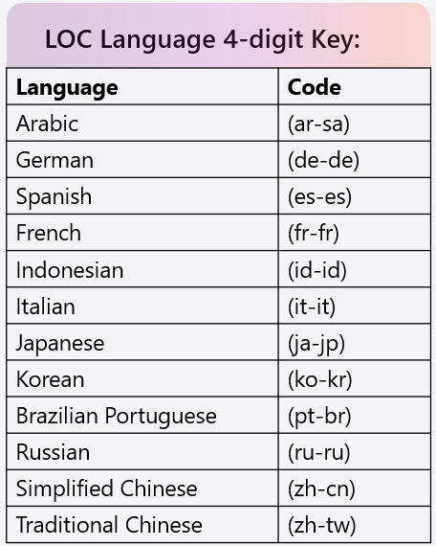
Course Number | LOC course number - note that the language is included in the course number as the last 2 letters in the number
Title | Course title in English
Release date | LOC course release date
Retired Date | Retired date or upcoming retirement date of the localized course
LOC Language | Language
Status | Closed: Course is retired Released: The latest date and update shown in the Title Plan for a particular course has been published. This means there are no other planned updates currently in the scheduled for that course. Under Development: Next planned update for a particular course is being worked on, and hasn't published yet.

TAB: LOC Exams | All current localized exams scheduled for an update.

URL Creation Instructions
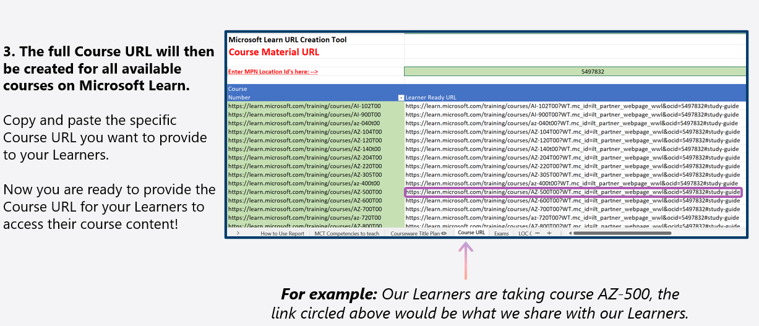
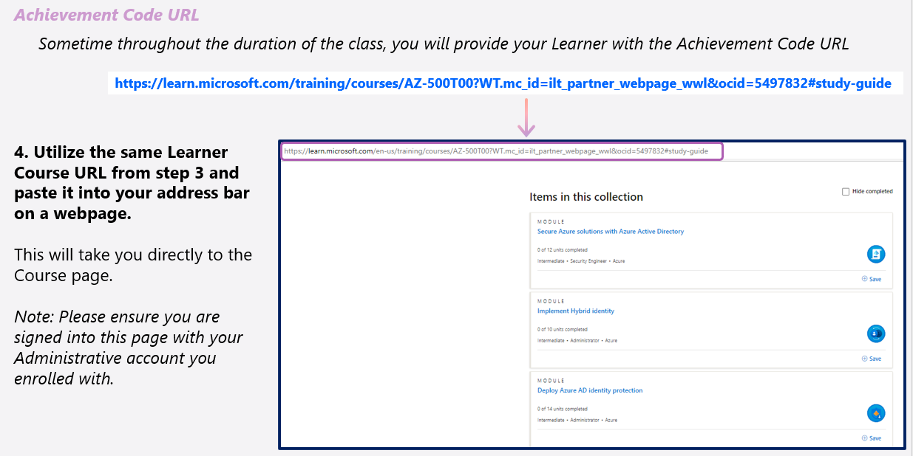
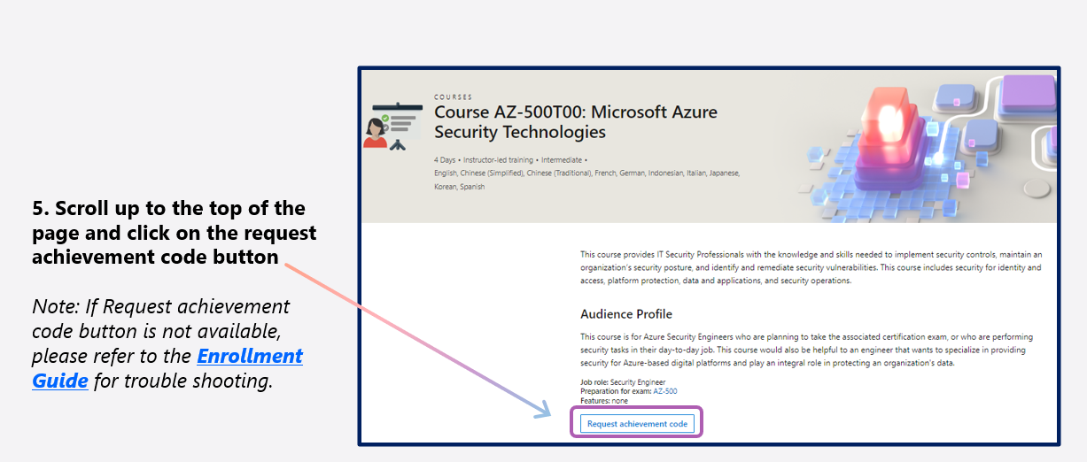
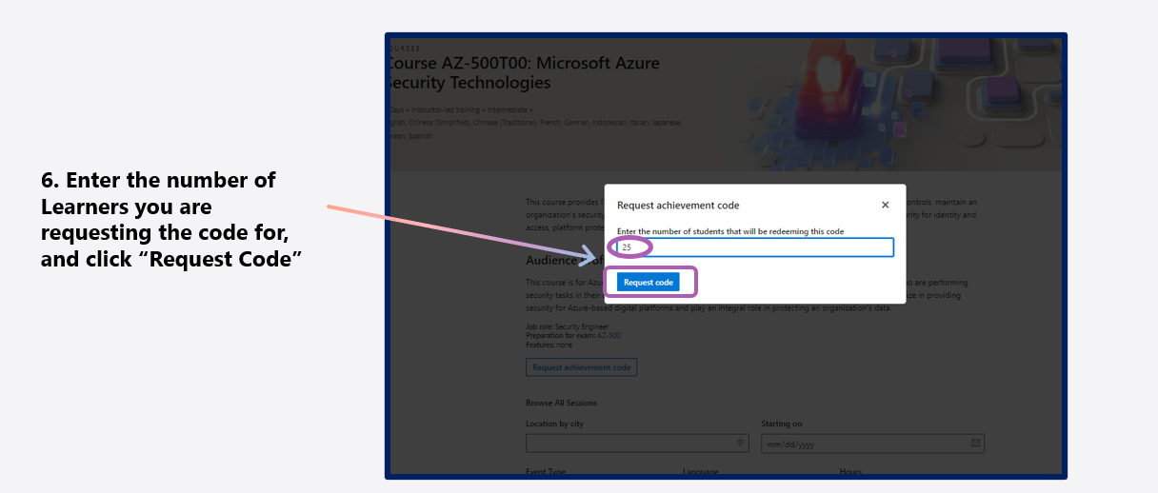
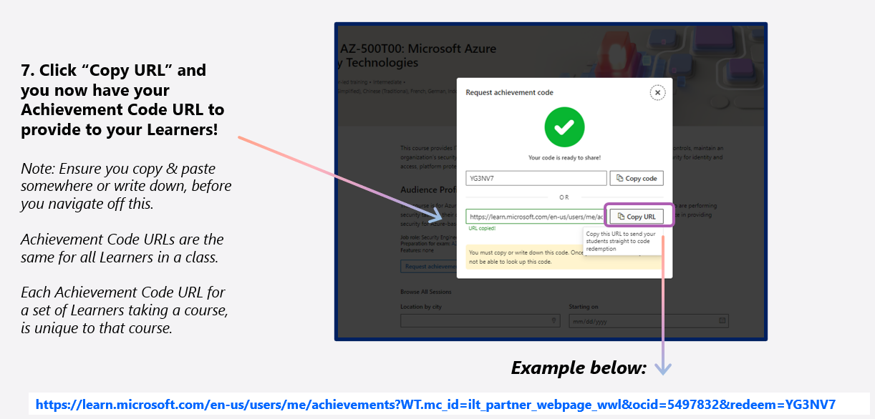
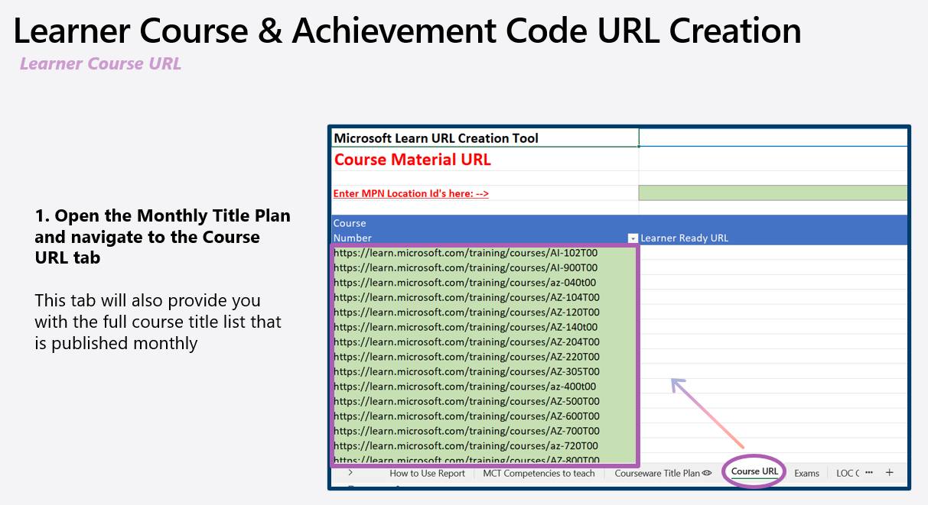

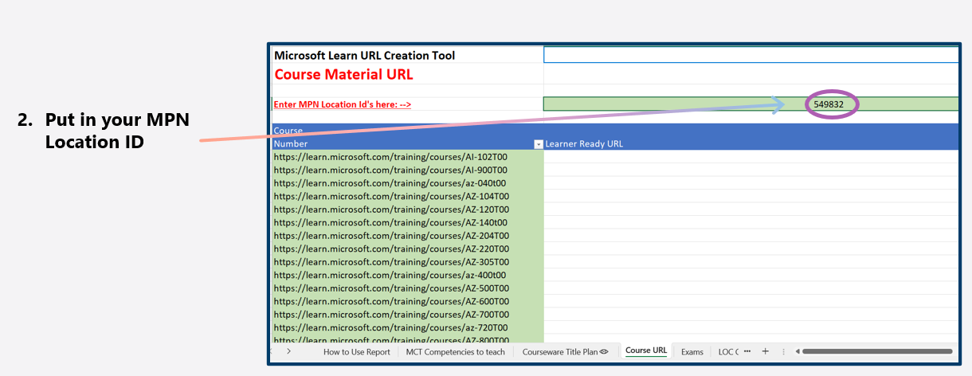

S

LOC Courseware

Solution Area | Course Number | Title | Loc Language | Duration | Credential | Pub Type | Release Date | State
Business Applications | AB-100T00AR | AB-100T00: Architecting agentic AI business solutions (Arabic) | Arabic (ar-sa) | 3 | Exam/Certification | New | 2026-06-30 07:00:00 | Released
Business Applications | AB-100T00BR | AB-100T00: Architecting agentic AI business solutions (Portuguese Brazil) | Portuguese Brazil (pt-br) | 3 | Exam/Certification | New | 2026-06-30 07:00:00 | Released
Business Applications | AB-100T00DE | AB-100T00: Architecting agentic AI business solutions (German) | German (de-de) | 3 | Exam/Certification | New | 2026-06-30 07:00:00 | Released
Business Applications | AB-100T00ES | AB-100T00: Architecting agentic AI business solutions (Spanish) | Spanish (es-es) | 3 | Exam/Certification | New | 2026-06-30 07:00:00 | Released
Business Applications | AB-100T00FR | AB-100T00: Architecting agentic AI business solutions (French) | French (fr-fr) | 3 | Exam/Certification | New | 2026-06-30 07:00:00 | Released
Business Applications | AB-100T00ID | AB-100T00: Architecting agentic AI business solutions (Indonesian) | Indonesian (id-id) | 3 | Exam/Certification | New | 2026-06-30 07:00:00 | Released
Business Applications | AB-100T00IT | AB-100T00: Architecting agentic AI business solutions (Italian) | Italian (it-it) | 3 | Exam/Certification | New | 2026-06-30 07:00:00 | Released
Business Applications | AB-100T00JA | AB-100T00: Architecting agentic AI business solutions (Japanese) | Japanese (ja-jp) | 3 | Exam/Certification | New | 2026-06-30 07:00:00 | Released
Business Applications | AB-100T00KO | AB-100T00: Architecting agentic AI business solutions (Korean) | Korean (ko-kr) | 3 | Exam/Certification | New | 2026-06-30 07:00:00 | Released
Business Applications | AB-100T00RU | AB-100T00: Architecting agentic AI business solutions (Russian) | Russian (ru-ru) | 3 | Exam/Certification | New | 2026-06-30 07:00:00 | Released
Business Applications | AB-100T00TW | AB-100T00: Architecting agentic AI business solutions (Chinese Traditional) | Chinese Traditional (zh-tw) | 3 | Exam/Certification | New | 2026-06-30 07:00:00 | Released
Business Applications | AB-100T00ZH | AB-100T00: Architecting agentic AI business solutions (Chinese Simplified) | Chinese Simplified (zh-cn) | 3 | Exam/Certification | New | 2026-06-30 07:00:00 | Released
Business Applications | AB-210T00BR | AB-210T00: Accelerate sales pipelines with AI in Dynamics 365 (Portugese Brazil) | Portuguese Brazil (pt-br) | 3 | Exam/Certification | New | 2026-07-31 07:00:00 | Released
Business Applications | AB-210T00DE | AB-210T00: Accelerate sales pipelines with AI in Dynamics 365 (German) | German (de-de) | 3 | Exam/Certification | New | 2026-07-31 07:00:00 | Released
Business Applications | AB-210T00ES | AB-210T00: Accelerate sales pipelines with AI in Dynamics 365 (Spanish) | Spanish (es-es) | 3 | Exam/Certification | New | 2026-07-31 07:00:00 | Released
Business Applications | AB-210T00FR | AB-210T00: Accelerate sales pipelines with AI in Dynamics 365 (French) | French (fr-fr) | 3 | Exam/Certification | New | 2026-07-31 07:00:00 | Released
Business Applications | AB-210T00JA | AB-210T00: Accelerate sales pipelines with AI in Dynamics 365 (Japanese) | Japanese (ja-jp) | 3 | Exam/Certification | New | 2026-07-31 07:00:00 | Released
Business Applications | AB-210T00ZH | AB-210T00: Accelerate sales pipelines with AI in Dynamics 365 (Chinese Simplified) | Chinese Simplified (zh-cn) | 3 | Exam/Certification | New | 2026-07-31 07:00:00 | Released
Business Applications | AB-250T00BR | AB-250T00: Transform contact center experiences with AI in Dynamics 365 (Portuguese Brazil) | Portuguese Brazil (pt-br) | 3 | Exam/Certification | New | 2026-07-02 07:00:00 | Released
Business Applications | AB-250T00DE | AB-250T00: Transform contact center experiences with AI in Dynamics 365 (German) | German (de-de) | 3 | Exam/Certification | New | 2026-07-02 07:00:00 | Released
Business Applications | AB-250T00ES | AB-250T00: Transform contact center experiences with AI in Dynamics 365 (Spanish) | Spanish (es-es) | 3 | Exam/Certification | New | 2026-07-02 07:00:00 | Released
Business Applications | AB-250T00FR | AB-250T00: Transform contact center experiences with AI in Dynamics 365 (French) | French (fr-fr) | 3 | Exam/Certification | New | 2026-07-02 07:00:00 | Released
Business Applications | AB-250T00JA | AB-250T00: Transform contact center experiences with AI in Dynamics 365 (Japanese) | Japanese (ja-jp) | 3 | Exam/Certification | New | 2026-07-02 07:00:00 | Released
Business Applications | AB-250T00ZH | AB-250T00: Transform contact center experiences with AI in Dynamics 365 (Chinese Simplified) | Chinese Simplified (zh-cn) | 3 | Exam/Certification | New | 2026-07-02 07:00:00 | Released
Business Applications | AB-410T00AR | AB-410T00: Build intelligent applications (Arabic) | Arabic (ar-sa) | 3 | Exam/Certification | New | 2026-07-17 07:00:00 | Released
Business Applications | AB-410T00BR | AB-410T00: Build intelligent applications (Portugese Brazil) | Portuguese Brazil (pt-br) | 3 | Exam/Certification | New | 2026-07-17 07:00:00 | Released
Business Applications | AB-410T00DE | AB-410T00: Build intelligent applications (German) | German (de-de) | 3 | Exam/Certification | New | 2026-07-17 07:00:00 | Released
Business Applications | AB-410T00ES | AB-410T00: Build intelligent applications (Spanish) | Spanish (es-es) | 3 | Exam/Certification | New | 2026-07-17 07:00:00 | Released
Business Applications | AB-410T00FR | AB-410T00: Build intelligent applications (French) | French (fr-fr) | 3 | Exam/Certification | New | 2026-07-17 07:00:00 | Released
Business Applications | AB-410T00ID | AB-410T00: Build intelligent applications (Indonesian) | Indonesian (id-id) | 3 | Exam/Certification | New | 2026-07-17 07:00:00 | Released
Business Applications | AB-410T00IT | AB-410T00: Build intelligent applications (Italian) | Italian (it-it) | 3 | Exam/Certification | New | 2026-07-17 07:00:00 | Released
Business Applications | AB-410T00JA | AB-410T00: Build intelligent applications (Japanese) | Japanese (ja-jp) | 3 | Exam/Certification | New | 2026-07-17 07:00:00 | Released
Business Applications | AB-410T00KO | AB-410T00: Build intelligent applications (Korean) | Korean (ko-kr) | 3 | Exam/Certification | New | 2026-07-17 07:00:00 | Released
Business Applications | AB-410T00RU | AB-410T00: Build intelligent applications (Russian) | Russian (ru-ru) | 3 | Exam/Certification | New | 2026-07-17 07:00:00 | Released
Business Applications | AB-410T00TW | AB-410T00: Build intelligent applications (Chinese Traditional) | Chinese Traditional (zh-tw) | 3 | Exam/Certification | New | 2026-07-17 07:00:00 | Released
Business Applications | AB-410T00ZH | AB-410T00: Build intelligent applications (Chinese Simplified) | Chinese Simplified (zh-cn) | 3 | Exam/Certification | New | 2026-07-17 07:00:00 | Released
Business Applications | AB-6002AR | AB-6002: Introduction to finance in Dynamics 365 (Arabic) | Arabic (ar-sa) | 1 | N/A | Update | 2026-02-20 08:00:00 | Released
Business Applications | AB-6002BR | AB-6002: Introduction to finance in Dynamics 365 (Portuguese Brazil) | Portuguese Brazil (pt-br) | 1 | N/A | Update | 2026-02-20 08:00:00 | Released
Business Applications | AB-6002DE | AB-6002: Introduction to finance in Dynamics 365 (German) | German (de-de) | 1 | N/A | Update | 2026-02-20 08:00:00 | Released
Business Applications | AB-6002ES | AB-6002: Introduction to finance in Dynamics 365 (Spanish) | Spanish (es-es) | 1 | N/A | Update | 2026-02-20 08:00:00 | Released
Business Applications | AB-6002FR | AB-6002: Introduction to finance in Dynamics 365 (French) | French (fr-fr) | 1 | N/A | Update | 2026-02-20 08:00:00 | Released
Business Applications | AB-6002ID | AB-6002: Introduction to finance in Dynamics 365 (Indonesian) | Indonesian (id-id) | 1 | N/A | Update | 2026-02-20 08:00:00 | Released
Business Applications | AB-6002IT | AB-6002: Introduction to finance in Dynamics 365 (Italian) | Italian (it-it) | 1 | N/A | Update | 2026-02-20 08:00:00 | Released
Business Applications | AB-6002JA | AB-6002: Introduction to finance in Dynamics 365 (Japanese) | Japanese (ja-jp) | 1 | N/A | Update | 2026-02-20 08:00:00 | Released
Business Applications | AB-6002KO | AB-6002: Introduction to finance in Dynamics 365 (Korean) | Korean (ko-kr) | 1 | N/A | Update | 2026-02-20 08:00:00 | Released
Business Applications | AB-6002RU | AB-6002: Introduction to finance in Dynamics 365 (Russian) | Russian (ru-ru) | 1 | N/A | Update | 2026-02-20 08:00:00 | Released
Business Applications | AB-6002TW | AB-6002: Introduction to finance in Dynamics 365 (Chinese Traditional) | Chinese Traditional (zh-tw) | 1 | N/A | Update | 2026-02-20 08:00:00 | Released
Business Applications | AB-6002ZH | AB-6002: Introduction to finance in Dynamics 365 (Chinese Simplified) | Chinese Simplified (zh-cn) | 1 | N/A | Update | 2026-02-20 08:00:00 | Released
Business Applications | AB-6003BR | AB-6003: Introduction to sales in Dynamics 365 (Portugese Brazil) | Portuguese Brazil (pt-br) | 1 | N/A | New | 2026-07-24 07:00:00 | Released
Business Applications | AB-6003DE | AB-6003: Introduction to sales in Dynamics 365 (German) | German (de-de) | 1 | N/A | New | 2026-07-24 07:00:00 | Released
Business Applications | AB-6003ES | AB-6003: Introduction to sales in Dynamics 365 (Spanish) | Spanish (es-es) | 1 | N/A | New | 2026-07-24 07:00:00 | Released
Business Applications | AB-6003FR | AB-6003: Introduction to sales in Dynamics 365 (French) | French (fr-fr) | 1 | N/A | New | 2026-07-24 07:00:00 | Released
Business Applications | AB-6003JA | AB-6003: Introduction to sales in Dynamics 365 (Japanese) | Japanese (ja-jp) | 1 | N/A | New | 2026-07-24 07:00:00 | Released
Business Applications | AB-6003ZH | AB-6003: Introduction to sales in Dynamics 365 (Chinese Simplified) | Chinese Simplified (zh-cn) | 1 | N/A | New | 2026-07-24 07:00:00 | Released
Business Applications | AB-6004AR | AB-6004: Introduction to service in Dynamics 365 (Arabic) | Arabic (ar-sa) | 1 | N/A | Update | 2026-03-13 07:00:00 | Released
Business Applications | AB-6004BR | AB-6004: Introduction to service in Dynamics 365 (Portuguese Brazil) | Portuguese Brazil (pt-br) | 1 | N/A | Update | 2026-03-13 07:00:00 | Released
Business Applications | AB-6004DE | AB-6004: Introduction to service in Dynamics 365 (German) | German (de-de) | 1 | N/A | Update | 2026-03-13 07:00:00 | Released
Business Applications | AB-6004ES | AB-6004: Introduction to service in Dynamics 365 (Spanish) | Spanish (es-es) | 1 | N/A | Update | 2026-03-13 07:00:00 | Released
Business Applications | AB-6004FR | AB-6004: Introduction to service in Dynamics 365 (French) | French (fr-fr) | 1 | N/A | Update | 2026-03-13 07:00:00 | Released
Business Applications | AB-6004ID | AB-6004: Introduction to service in Dynamics 365 (Indonesian) | Indonesian (id-id) | 1 | N/A | Update | 2026-03-13 07:00:00 | Released
Business Applications | AB-6004IT | AB-6004: Introduction to service in Dynamics 365 (Italian) | Italian (it-it) | 1 | N/A | Update | 2026-03-13 07:00:00 | Released
Business Applications | AB-6004JA | AB-6004: Introduction to service in Dynamics 365 (Japanese) | Japanese (ja-jp) | 1 | N/A | Update | 2026-03-13 07:00:00 | Released
Business Applications | AB-6004KO | AB-6004: Introduction to service in Dynamics 365 (Korean) | Korean (ko-kr) | 1 | N/A | Update | 2026-03-13 07:00:00 | Released
Business Applications | AB-6004RU | AB-6004: Introduction to service in Dynamics 365 (Russian) | Russian (ru-ru) | 1 | N/A | Update | 2026-03-13 07:00:00 | Released
Business Applications | AB-6004TW | AB-6004: Introduction to service in Dynamics 365 (Chinese Traditional) | Chinese Traditional (zh-tw) | 1 | N/A | Update | 2026-03-13 07:00:00 | Released
Business Applications | AB-6004ZH | AB-6004: Introduction to service in Dynamics 365 (Chinese Simplified) | Chinese Simplified (zh-cn) | 1 | N/A | Update | 2026-03-13 07:00:00 | Released
Business Applications | AB-6005BR | AB-6005: Introduction to supply chain management in Dynamics 365 (Portugese Brazil) | Portuguese Brazil (pt-br) | 1 | N/A | New | 2026-07-24 07:00:00 | Released
Business Applications | AB-6005DE | AB-6005: Introduction to supply chain management in Dynamics 365 (German) | German (de-de) | 1 | N/A | New | 2026-07-24 07:00:00 | Released
Business Applications | AB-6005ES | AB-6005: Introduction to supply chain management in Dynamics 365 (Spanish) | Spanish (es-es) | 1 | N/A | New | 2026-07-24 07:00:00 | Released
Business Applications | AB-6005FR | AB-6005: Introduction to supply chain management in Dynamics 365 (French) | French (fr-fr) | 1 | N/A | New | 2026-07-24 07:00:00 | Released
Business Applications | AB-6005JA | AB-6005: Introduction to supply chain management in Dynamics 365 (Japanese) | Japanese (ja-jp) | 1 | N/A | New | 2026-07-24 07:00:00 | Released
Business Applications | AB-6005ZH | AB-6005: Introduction to supply chain management in Dynamics 365 (Chinese Simplified) | Chinese Simplified (zh-cn) | 1 | N/A | New | 2026-07-24 07:00:00 | Released
Modern Work | AB-6007AR | AB-6007: Secure and Govern your AI agent workforce (Arabic) | Arabic (ar-sa) | 1 | N/A | New | 2026-06-26 07:00:00 | Released
Modern Work | AB-6007BR | AB-6007: Secure and Govern your AI agent workforce (Portuguese Brazil) | Portuguese Brazil (pt-br) | 1 | N/A | New | 2026-06-26 07:00:00 | Released
Modern Work | AB-6007DE | AB-6007: Secure and Govern your AI agent workforce (German) | German (de-de) | 1 | N/A | New | 2026-06-26 07:00:00 | Released
Modern Work | AB-6007ES | AB-6007: Secure and Govern your AI agent workforce (Spanish) | Spanish (es-es) | 1 | N/A | New | 2026-06-26 07:00:00 | Released
Modern Work | AB-6007FR | AB-6007: Secure and Govern your AI agent workforce (French) | French (fr-fr) | 1 | N/A | New | 2026-06-26 07:00:00 | Released
Modern Work | AB-6007ID | AB-6007: Secure and Govern your AI agent workforce (Indonesian) | Indonesian (id-id) | 1 | N/A | New | 2026-06-26 07:00:00 | Released
Modern Work | AB-6007IT | AB-6007: Secure and Govern your AI agent workforce (Italian) | Italian (it-it) | 1 | N/A | New | 2026-06-26 07:00:00 | Released
Modern Work | AB-6007JA | AB-6007: Secure and Govern your AI agent workforce (Japanese) | Japanese (ja-jp) | 1 | N/A | New | 2026-06-26 07:00:00 | Released
Modern Work | AB-6007KO | AB-6007: Secure and Govern your AI agent workforce (Korean) | Korean (ko-kr) | 1 | N/A | New | 2026-06-26 07:00:00 | Released
Modern Work | AB-6007RU | AB-6007: Secure and Govern your AI agent workforce (Russian) | Russian (ru-ru) | 1 | N/A | New | 2026-06-26 07:00:00 | Released
Modern Work | AB-6007TW | AB-6007: Secure and Govern your AI agent workforce (Chinese Traditional) | Chinese Traditional (zh-tw) | 1 | N/A | New | 2026-06-26 07:00:00 | Released
Modern Work | AB-6007ZH | AB-6007: Secure and Govern your AI agent workforce (Chinese Simplified) | Chinese Simplified (zh-cn) | 1 | N/A | New | 2026-06-26 07:00:00 | Released
Modern Work | AB-6008AR | AB-6008: Delegate work with AI (Arabic) | Arabic (ar-sa) | 1 | N/A | New | 2026-09-29 07:00:00 | Released
Modern Work | AB-6008BR | AB-6008: Delegate work with AI (Portugese Brazil) | Portuguese Brazil (pt-br) | 1 | N/A | New | 2026-09-29 07:00:00 | Released
Modern Work | AB-6008DE | AB-6008: Delegate work with AI (German) | German (de-de) | 1 | N/A | New | 2026-09-29 07:00:00 | Released
Modern Work | AB-6008ES | AB-6008: Delegate work with AI (Spanish) | Spanish (es-es) | 1 | N/A | New | 2026-09-29 07:00:00 | Released
Modern Work | AB-6008FR | AB-6008: Delegate work with AI (French) | French (fr-fr) | 1 | N/A | New | 2026-09-29 07:00:00 | Released
Modern Work | AB-6008ID | AB-6008: Delegate work with AI (Indonesian) | Indonesian (id-id) | 1 | N/A | New | 2026-09-29 07:00:00 | Released
Modern Work | AB-6008IT | AB-6008: Delegate work with AI (Italian) | Italian (it-it) | 1 | N/A | New | 2026-09-29 07:00:00 | Released
Modern Work | AB-6008JA | AB-6008: Delegate work with AI (Japanese) | Japanese (ja-jp) | 1 | N/A | New | 2026-09-29 07:00:00 | Released
Modern Work | AB-6008KO | AB-6008: Delegate work with AI (Korean) | Korean (ko-kr) | 1 | N/A | New | 2026-09-29 07:00:00 | Released
Modern Work | AB-6008RU | AB-6008: Delegate work with AI (Russian) | Russian (ru-ru) | 1 | N/A | New | 2026-09-29 07:00:00 | Released
Modern Work | AB-6008TW | AB-6008: Delegate work with AI (Chinese Traditional) | Chinese Traditional (zh-tw) | 1 | N/A | New | 2026-09-29 07:00:00 | Released
Modern Work | AB-6008ZH | AB-6008: Delegate work with AI (Chinese Simplified) | Chinese Simplified (zh-cn) | 1 | N/A | New | 2026-09-29 07:00:00 | Released
Business Applications | AB-7011AR | AB-7011: Introduction to navigating the modern Contact Center (Arabic) | Arabic (ar-sa) | 1 | N/A | New | 2026-05-22 07:00:00 | Released
Business Applications | AB-7011BR | AB-7011: Introduction to navigating the modern Contact Center (Portuguese Brazil) | Portuguese Brazil (pt-br) | 1 | N/A | New | 2026-05-22 07:00:00 | Released
Business Applications | AB-7011DE | AB-7011: Introduction to navigating the modern Contact Center (German) | German (de-de) | 1 | N/A | New | 2026-05-22 07:00:00 | Released
Business Applications | AB-7011ES | AB-7011: Introduction to navigating the modern Contact Center (Spanish) | Spanish (es-es) | 1 | N/A | New | 2026-05-22 07:00:00 | Released
Business Applications | AB-7011FR | AB-7011: Introduction to navigating the modern Contact Center (French) | French (fr-fr) | 1 | N/A | New | 2026-05-22 07:00:00 | Released
Business Applications | AB-7011ID | AB-7011: Introduction to navigating the modern Contact Center (Indonesian) | Indonesian (id-id) | 1 | N/A | New | 2026-05-22 07:00:00 | Released
Business Applications | AB-7011IT | AB-7011: Introduction to navigating the modern Contact Center (Italian) | Italian (it-it) | 1 | N/A | New | 2026-05-22 07:00:00 | Released
Business Applications | AB-7011JA | AB-7011: Introduction to navigating the modern Contact Center (Japanese) | Japanese (ja-jp) | 1 | N/A | New | 2026-05-22 07:00:00 | Released
Business Applications | AB-7011KO | AB-7011: Introduction to navigating the modern Contact Center (Korean) | Korean (ko-kr) | 1 | N/A | New | 2026-05-22 07:00:00 | Released
Business Applications | AB-7011RU | AB-7011: Introduction to navigating the modern Contact Center (Russian) | Russian (ru-ru) | 1 | N/A | New | 2026-05-22 07:00:00 | Released
Business Applications | AB-7011TW | AB-7011: Introduction to navigating the modern Contact Center (Chinese Traditional) | Chinese Traditional (zh-tw) | 1 | N/A | New | 2026-05-22 07:00:00 | Released
Business Applications | AB-7011ZH | AB-7011: Introduction to navigating the modern Contact Center (Chinese Simplified) | Chinese Simplified (zh-cn) | 1 | N/A | New | 2026-05-22 07:00:00 | Released
Modern Work | AB-730T00AR | AB-730T00: Transform business workflows with generative AI (Arabic) | Arabic (ar-sa) | 1 | Exam/Certification | New | 2025-12-02 08:00:00 | Released
Modern Work | AB-730T00BR | AB-730T00: Transform business workflows with generative AI (Portuguese Brazil) | Portuguese Brazil (pt-br) | 1 | Exam/Certification | New | 2025-12-02 08:00:00 | Released
Modern Work | AB-730T00DE | AB-730T00: Transform business workflows with generative AI (German) | German (de-de) | 1 | Exam/Certification | New | 2025-12-02 08:00:00 | Released
Modern Work | AB-730T00ES | AB-730T00: Transform business workflows with generative AI (Spanish) | Spanish (es-es) | 1 | Exam/Certification | New | 2025-12-02 08:00:00 | Released
Modern Work | AB-730T00FR | AB-730T00: Transform business workflows with generative AI (French) | French (fr-fr) | 1 | Exam/Certification | New | 2025-12-02 08:00:00 | Released
Modern Work | AB-730T00ID | AB-730T00: Transform business workflows with generative AI (Indonesian) | Indonesian (id-id) | 1 | Exam/Certification | New | 2025-12-02 08:00:00 | Released
Modern Work | AB-730T00IT | AB-730T00: Transform business workflows with generative AI (Italian) | Italian (it-it) | 1 | Exam/Certification | New | 2025-12-02 08:00:00 | Released
Modern Work | AB-730T00JA | AB-730T00: Transform business workflows with generative AI (Japanese) | Japanese (ja-jp) | 1 | Exam/Certification | New | 2025-12-02 08:00:00 | Released
Modern Work | AB-730T00KO | AB-730T00: Transform business workflows with generative AI (Korean) | Korean (ko-kr) | 1 | Exam/Certification | New | 2025-12-02 08:00:00 | Released
Modern Work | AB-730T00RU | AB-730T00: Transform business workflows with generative AI (Russian) | Russian (ru-ru) | 1 | Exam/Certification | New | 2025-12-02 08:00:00 | Released
Modern Work | AB-730T00TW | AB-730T00: Transform business workflows with generative AI (Chinese Traditional) | Chinese Traditional (zh-tw) | 1 | Exam/Certification | New | 2025-12-02 08:00:00 | Released
Modern Work | AB-730T00ZH | AB-730T00: Transform business workflows with generative AI (Chinese Simplified) | Chinese Simplified (zh-cn) | 1 | Exam/Certification | New | 2025-12-02 08:00:00 | Released
Modern Work | AB-731T00AR | AB-731T00: Drive AI transformation in your organization (Arabic) | Arabic (ar-sa) | 1 | Exam/Certification | New | 2026-01-20 08:00:00 | Released
Modern Work | AB-731T00BR | AB-731T00: Drive AI transformation in your organization (Portuguese Brazil) | Portuguese Brazil (pt-br) | 1 | Exam/Certification | New | 2026-01-20 08:00:00 | Released
Modern Work | AB-731T00DE | AB-731T00: Drive AI transformation in your organization (German) | German (de-de) | 1 | Exam/Certification | New | 2026-01-20 08:00:00 | Released
Modern Work | AB-731T00ES | AB-731T00: Drive AI transformation in your organization (Spanish) | Spanish (es-es) | 1 | Exam/Certification | New | 2026-01-20 08:00:00 | Released
Modern Work | AB-731T00FR | AB-731T00: Drive AI transformation in your organization (French) | French (fr-fr) | 1 | Exam/Certification | New | 2026-01-20 08:00:00 | Released
Modern Work | AB-731T00ID | AB-731T00: Drive AI transformation in your organization (Indonesian) | Indonesian (id-id) | 1 | Exam/Certification | New | 2026-01-20 08:00:00 | Released
Modern Work | AB-731T00IT | AB-731T00: Drive AI transformation in your organization (Italian) | Italian (it-it) | 1 | Exam/Certification | New | 2026-01-20 08:00:00 | Released
Modern Work | AB-731T00JA | AB-731T00: Drive AI transformation in your organization (Japanese) | Japanese (ja-jp) | 1 | Exam/Certification | Update | 2026-07-24 07:00:00 | Released
Modern Work | AB-731T00KO | AB-731T00: Drive AI transformation in your organization (Korean) | Korean (ko-kr) | 1 | Exam/Certification | New | 2026-01-20 08:00:00 | Released
Modern Work | AB-731T00RU | AB-731T00: Drive AI transformation in your organization (Russian) | Russian (ru-ru) | 1 | Exam/Certification | New | 2026-01-20 08:00:00 | Released
Modern Work | AB-731T00TW | AB-731T00: Drive AI transformation in your organization (Chinese Traditional) | Chinese Traditional (zh-tw) | 1 | Exam/Certification | New | 2026-01-20 08:00:00 | Released
Modern Work | AB-731T00ZH | AB-731T00: Drive AI transformation in your organization (Chinese Simplified) | Chinese Simplified (zh-cn) | 1 | Exam/Certification | New | 2026-01-20 08:00:00 | Released
Modern Work | AB-900T00AR | AB-900T00: Introduction to Microsoft 365 and AI administration (Arabic) | Arabic (ar-sa) | 1 | Exam/Certification | Update | 2026-05-29 07:00:00 | Released
Modern Work | AB-900T00BR | AB-900T00: Introduction to Microsoft 365 and AI administration (Portuguese Brazil) | Portuguese Brazil (pt-br) | 1 | Exam/Certification | Update | 2026-05-29 07:00:00 | Released
Modern Work | AB-900T00DE | AB-900T00: Introduction to Microsoft 365 and AI administration (German) | German (de-de) | 1 | Exam/Certification | Update | 2026-05-29 07:00:00 | Released
Modern Work | AB-900T00ES | AB-900T00: Introduction to Microsoft 365 and AI administration (Spanish) | Spanish (es-es) | 1 | Exam/Certification | Update | 2026-05-29 07:00:00 | Released
Modern Work | AB-900T00FR | AB-900T00: Introduction to Microsoft 365 and AI administration (French) | French (fr-fr) | 1 | Exam/Certification | Update | 2026-05-29 07:00:00 | Released
Modern Work | AB-900T00ID | AB-900T00: Introduction to Microsoft 365 and AI administration (Indonesian) | Indonesian (id-id) | 1 | Exam/Certification | Update | 2026-05-29 07:00:00 | Released
Modern Work | AB-900T00IT | AB-900T00: Introduction to Microsoft 365 and AI administration (Italian) | Italian (it-it) | 1 | Exam/Certification | Update | 2026-05-29 07:00:00 | Released
Modern Work | AB-900T00JA | AB-900T00: Introduction to Microsoft 365 and AI administration (Japanese) | Japanese (ja-jp) | 1 | Exam/Certification | Update | 2026-05-29 07:00:00 | Released
Modern Work | AB-900T00KO | AB-900T00: Introduction to Microsoft 365 and AI administration (Korean) | Korean (ko-kr) | 1 | Exam/Certification | Update | 2026-05-29 07:00:00 | Released
Modern Work | AB-900T00RU | AB-900T00: Introduction to Microsoft 365 and AI administration (Russian) | Russian (ru-ru) | 1 | Exam/Certification | Update | 2026-05-29 07:00:00 | Released
Modern Work | AB-900T00TW | AB-900T00: Introduction to Microsoft 365 and AI administration (Chinese Traditional) | Chinese Traditional (zh-tw) | 1 | Exam/Certification | Update | 2026-05-29 07:00:00 | Released
Modern Work | AB-900T00ZH | AB-900T00: Introduction to Microsoft 365 and AI administration (Chinese Simplified) | Chinese Simplified (zh-cn) | 1 | Exam/Certification | Update | 2026-05-29 07:00:00 | Released
Data & AI | AI-103T00AR | AI-103T00: Develop AI apps and agents on Azure (Arabic) | Arabic (ar-sa) | 1 | Exam/Certification | Update | 2026-05-29 07:00:00 | Released
Data & AI | AI-103T00BR | AI-103T00: Develop AI apps and agents on Azure (Portuguese Brazil) | Portuguese Brazil (pt-br) | 1 | Exam/Certification | Update | 2026-05-29 07:00:00 | Released
Data & AI | AI-103T00DE | AI-103T00: Develop AI apps and agents on Azure (German) | German (de-de) | 1 | Exam/Certification | Update | 2026-05-29 07:00:00 | Released
Data & AI | AI-103T00ES | AI-103T00: Develop AI apps and agents on Azure (Spanish) | Spanish (es-es) | 1 | Exam/Certification | Update | 2026-05-29 07:00:00 | Released
Data & AI | AI-103T00FR | AI-103T00: Develop AI apps and agents on Azure (French) | French (fr-fr) | 1 | Exam/Certification | Update | 2026-05-29 07:00:00 | Released
Data & AI | AI-103T00ID | AI-103T00: Develop AI apps and agents on Azure (Indonesian) | Indonesian (id-id) | 1 | Exam/Certification | Update | 2026-05-29 07:00:00 | Released
Data & AI | AI-103T00IT | AI-103T00: Develop AI apps and agents on Azure (Italian) | Italian (it-it) | 1 | Exam/Certification | Update | 2026-05-29 07:00:00 | Released
Data & AI | AI-103T00JA | AI-103T00: Develop AI apps and agents on Azure (Japanese) | Japanese (ja-jp) | 1 | Exam/Certification | Update | 2026-07-09 16:57:00 | Released
Data & AI | AI-103T00KO | AI-103T00: Develop AI apps and agents on Azure (Korean) | Korean (ko-kr) | 1 | Exam/Certification | Update | 2026-05-29 07:00:00 | Released
Data & AI | AI-103T00TW | AI-103T00: Develop AI apps and agents on Azure (Chinese Traditional) | Chinese Traditional (zh-tw) | 1 | Exam/Certification | Update | 2026-05-29 07:00:00 | Released
Data & AI | AI-103T00ZH | AI-103T00: Develop AI apps and agents on Azure (Chinese Simplified) | Chinese Simplified (zh-cn) | 1 | Exam/Certification | Update | 2026-05-29 07:00:00 | Released
Data & AI | AI-200T00AR | AI-200T00: Develop AI cloud solutions on Azure (Arabic) | Arabic (ar-sa) | 5 | Exam/Certification | New | 2026-06-26 07:00:00 | Released
Data & AI | AI-200T00BR | AI-200T00: Develop AI cloud solutions on Azure (Portuguese Brazil) | Portuguese Brazil (pt-br) | 5 | Exam/Certification | New | 2026-05-22 07:00:00 | Released
Data & AI | AI-200T00DE | AI-200T00: Develop AI cloud solutions on Azure (German) | German (de-de) | 5 | Exam/Certification | New | 2026-05-22 07:00:00 | Released
Data & AI | AI-200T00ES | AI-200T00: Develop AI cloud solutions on Azure (Spanish) | Spanish (es-es) | 5 | Exam/Certification | New | 2026-05-22 07:00:00 | Released
Data & AI | AI-200T00FR | AI-200T00: Develop AI cloud solutions on Azure (French) | French (fr-fr) | 5 | Exam/Certification | New | 2026-05-22 07:00:00 | Released
Data & AI | AI-200T00ID | AI-200T00: Develop AI cloud solutions on Azure (Indonesian) | Indonesian (id-id) | 5 | Exam/Certification | New | 2026-06-26 07:00:00 | Released
Data & AI | AI-200T00IT | AI-200T00: Develop AI cloud solutions on Azure (Italian) | Italian (it-it) | 5 | Exam/Certification | New | 2026-05-22 07:00:00 | Released
Data & AI | AI-200T00JA | AI-200T00: Develop AI cloud solutions on Azure (Japanese) | Japanese (ja-jp) | 5 | Exam/Certification | New | 2026-05-22 07:00:00 | Released
Data & AI | AI-200T00KO | AI-200T00: Develop AI cloud solutions on Azure (Korean) | Korean (ko-kr) | 5 | Exam/Certification | New | 2026-05-22 07:00:00 | Released
Data & AI | AI-200T00TW | AI-200T00: Develop AI cloud solutions on Azure (Chinese Traditional) | Chinese Traditional (zh-tw) | 5 | Exam/Certification | New | 2026-05-22 07:00:00 | Released
Data & AI | AI-200T00ZH | AI-200T00: Develop AI cloud solutions on Azure (Chinese Simplified) | Chinese Simplified (zh-cn) | 5 | Exam/Certification | New | 2026-05-22 07:00:00 | Released
Data & AI | AI-3003AR | AI-3003: Develop natural language solutions in Azure​ (Arabic) | Arabic (ar-sa) | 1 | Applied Skills Assessment | Update | 2026-05-29 07:00:00 | Released
Data & AI | AI-3003BR | AI-3003: Develop natural language solutions in Azure​ (Portuguese Brazil) | Portuguese Brazil (pt-br) | 1 | Applied Skills Assessment | Update | 2026-05-29 07:00:00 | Released
Data & AI | AI-3003DE | AI-3003: Develop natural language solutions in Azure​ (German) | German (de-de) | 1 | Applied Skills Assessment | Update | 2026-05-29 07:00:00 | Released
Data & AI | AI-3003ES | AI-3003: Develop natural language solutions in Azure​ (Spanish) | Spanish (es-es) | 1 | Applied Skills Assessment | Update | 2026-05-29 07:00:00 | Released
Data & AI | AI-3003FR | AI-3003: Develop natural language solutions in Azure​ (French) | French (fr-fr) | 1 | Applied Skills Assessment | Update | 2026-05-29 07:00:00 | Released
Data & AI | AI-3003ID | AI-3003: Develop natural language solutions in Azure​ (Indonesian) | Indonesian (id-id) | 1 | Applied Skills Assessment | Update | 2026-05-29 07:00:00 | Released
Data & AI | AI-3003IT | AI-3003: Develop natural language solutions in Azure​ (Italian) | Italian (it-it) | 1 | Applied Skills Assessment | Update | 2026-05-29 07:00:00 | Released
Data & AI | AI-3003JA | AI-3003: Develop natural language solutions in Azure​ (Japanese) | Japanese (ja-jp) | 1 | Applied Skills Assessment | Update | 2026-05-29 07:00:00 | Released
Data & AI | AI-3003KO | AI-3003: Develop natural language solutions in Azure​ (Korean) | Korean (ko-kr) | 1 | Applied Skills Assessment | Update | 2026-05-29 07:00:00 | Released
Data & AI | AI-3003TW | AI-3003: Develop natural language solutions in Azure​ (Chinese Traditional) | Chinese Traditional (zh-tw) | 1 | Applied Skills Assessment | Update | 2026-05-29 07:00:00 | Released
Data & AI | AI-3003ZH | AI-3003: Develop natural language solutions in Azure​ (Chinese Simplified) | Chinese Simplified (zh-cn) | 1 | Applied Skills Assessment | Update | 2026-05-29 07:00:00 | Released
Data & AI | AI-3008AR | AI-3008: Extract insights from visual data on Azure (Arabic) | Arabic (ar-sa) | 1 | N/A | New | 2026-04-17 07:00:00 | Released
Data & AI | AI-3008BR | AI-3008: Extract insights from visual data on Azure (Portuguese Brazil) | Portuguese Brazil (pt-br) | 1 | N/A | New | 2026-04-17 07:00:00 | Released
Data & AI | AI-3008DE | AI-3008: Extract insights from visual data on Azure (German) | German (de-de) | 1 | N/A | New | 2026-04-17 07:00:00 | Released
Data & AI | AI-3008ES | AI-3008: Extract insights from visual data on Azure (Spanish) | Spanish (es-es) | 1 | N/A | New | 2026-04-17 07:00:00 | Released
Data & AI | AI-3008FR | AI-3008: Extract insights from visual data on Azure (French) | French (fr-fr) | 1 | N/A | New | 2026-04-17 07:00:00 | Released
Data & AI | AI-3008ID | AI-3008: Extract insights from visual data on Azure (Indonesian) | Indonesian (id-id) | 1 | N/A | New | 2026-04-17 07:00:00 | Released
Data & AI | AI-3008IT | AI-3008: Extract insights from visual data on Azure​ (Italian) | Italian (it-it) | 1 | N/A | New | 2026-04-17 07:00:00 | Released
Data & AI | AI-3008JA | AI-3008: Extract insights from visual data on Azure (Japanese) | Japanese (ja-jp) | 1 | N/A | New | 2026-04-17 07:00:00 | Released
Data & AI | AI-3008KO | AI-3008: Extract insights from visual data on Azure (Korean) | Korean (ko-kr) | 1 | N/A | New | 2026-04-17 07:00:00 | Released
Data & AI | AI-3008TW | AI-3008: Extract insights from visual data on Azure (Chinese Traditional) | Chinese Traditional (zh-tw) | 1 | N/A | New | 2026-04-17 07:00:00 | Released
Data & AI | AI-3008ZH | AI-3008: Extract insights from visual data on Azure (Chinese Simplified) | Chinese Simplified (zh-cn) | 1 | N/A | New | 2026-04-17 07:00:00 | Released
Data & AI | AI-300T00AR | AI-300T00: Operationalize machine learning and generative AI solutions (Arabic) | Arabic (ar-sa) | 4 | Exam/Certification | New | 2026-05-29 07:00:00 | Released
Data & AI | AI-300T00BR | AI-300T00: Operationalize machine learning and generative AI solutions (Portuguese Brazil) | Portuguese Brazil (pt-br) | 4 | Exam/Certification | New | 2026-04-03 07:00:00 | Released
Data & AI | AI-300T00DE | AI-300T00: Operationalize machine learning and generative AI solutions (German) | German (de-de) | 4 | Exam/Certification | New | 2026-04-03 07:00:00 | Released
Data & AI | AI-300T00ES | AI-300T00: Operationalize machine learning and generative AI solutions (Spanish) | Spanish (es-es) | 4 | Exam/Certification | New | 2026-04-03 07:00:00 | Released
Data & AI | AI-300T00FR | AI-300T00: Operationalize machine learning and generative AI solutions (French) | French (fr-fr) | 4 | Exam/Certification | New | 2026-04-03 07:00:00 | Released
Data & AI | AI-300T00ID | AI-300T00: Operationalize machine learning and generative AI solutions (Indonesian) | Indonesian (id-id) | 4 | Exam/Certification | New | 2026-05-29 07:00:00 | Released
Data & AI | AI-300T00IT | AI-300T00: Operationalize machine learning and generative AI solutions (Italian) | Italian (it-it) | 4 | Exam/Certification | New | 2026-04-03 07:00:00 | Released
Data & AI | AI-300T00JA | AI-300T00: Operationalize machine learning and generative AI solutions (Japanese) | Japanese (ja-jp) | 4 | Exam/Certification | New | 2026-04-03 07:00:00 | Released
Data & AI | AI-300T00KO | AI-300T00: Operationalize machine learning and generative AI solutions (Korean) | Korean (ko-kr) | 4 | Exam/Certification | New | 2026-04-03 07:00:00 | Released
Data & AI | AI-300T00TW | AI-300T00: Operationalize machine learning and generative AI solutions (Chinese Traditional) | Chinese Traditional (zh-tw) | 4 | Exam/Certification | New | 2026-04-03 07:00:00 | Released
Data & AI | AI-300T00ZH | AI-300T00: Operationalize machine learning and generative AI solutions (Chinese Simplified) | Chinese Simplified (zh-cn) | 4 | Exam/Certification | New | 2026-04-03 07:00:00 | Released
Data & AI | AI-3016AR | AI-3016: Develop generative AI apps in Azure (Arabic) | Arabic (ar-sa) | 1 | Applied Skills Assessment | Update | 2026-05-29 07:00:00 | Released
Data & AI | AI-3016BR | AI-3016: Develop generative AI apps in Azure (Portuguese Brazil) | Portuguese Brazil (pt-br) | 1 | Applied Skills Assessment | Update | 2026-05-29 07:00:00 | Released
Data & AI | AI-3016DE | AI-3016: Develop generative AI apps in Azure (German) | German (de-de) | 1 | Applied Skills Assessment | Update | 2026-05-29 07:00:00 | Released
Data & AI | AI-3016ES | AI-3016: Develop generative AI apps in Azure (Spanish) | Spanish (es-es) | 1 | Applied Skills Assessment | Update | 2026-05-29 07:00:00 | Released
Data & AI | AI-3016FR | AI-3016: Develop generative AI apps in Azure (French) | French (fr-fr) | 1 | Applied Skills Assessment | Update | 2026-05-29 07:00:00 | Released
Data & AI | AI-3016ID | AI-3016: Develop generative AI apps in Azure (Indonesian) | Indonesian (id-id) | 1 | Applied Skills Assessment | Update | 2026-05-29 07:00:00 | Released
Data & AI | AI-3016IT | AI-3016: Develop generative AI apps in Azure (Italian) | Italian (it-it) | 1 | Applied Skills Assessment | Update | 2026-05-29 07:00:00 | Released
Data & AI | AI-3016JA | AI-3016: Develop generative AI apps in Azure (Japanese) | Japanese (ja-jp) | 1 | Applied Skills Assessment | Update | 2026-05-29 07:00:00 | Released
Data & AI | AI-3016KO | AI-3016: Develop generative AI apps in Azure (Korean) | Korean (ko-kr) | 1 | Applied Skills Assessment | Update | 2026-05-29 07:00:00 | Released
Data & AI | AI-3016TW | AI-3016: Develop generative AI apps in Azure (Chinese Traditional) | Chinese Traditional (zh-tw) | 1 | Applied Skills Assessment | New | 2026-05-29 07:00:00 | Released
Data & AI | AI-3016ZH | AI-3016: Develop generative AI apps in Azure (Chinese Simplified) | Chinese Simplified (zh-cn) | 1 | Applied Skills Assessment | Update | 2026-05-29 07:00:00 | Released
Data & AI | AI-3019BR | AI-3019: Build AI Apps with Azure Database for PostgreSQL (Portuguese Brazil) | Portuguese Brazil (pt-br) | 1 | Applied Skills Assessment | New | 2024-09-27 07:00:00 | Released
Data & AI | AI-3019DE | AI-3019: Build AI Apps with Azure Database for PostgreSQL (German) | German (de-de) | 1 | Applied Skills Assessment | New | 2024-09-27 07:00:00 | Released
Data & AI | AI-3019ES | AI-3019: Build AI Apps with Azure Database for PostgreSQL (Spanish) | Spanish (es-es) | 1 | Applied Skills Assessment | New | 2024-09-27 07:00:00 | Released
Data & AI | AI-3019FR | AI-3019: Build AI Apps with Azure Database for PostgreSQL (French) | French (fr-fr) | 1 | Applied Skills Assessment | New | 2024-09-27 07:00:00 | Released
Data & AI | AI-3019JA | AI-3019: Build AI Apps with Azure Database for PostgreSQL (Japanese) | Japanese (ja-jp) | 1 | Applied Skills Assessment | New | 2024-09-27 07:00:00 | Released
Data & AI | AI-3019KO | AI-3019: Build AI Apps with Azure Database for PostgreSQL (Korean) | Korean (ko-kr) | 1 | Applied Skills Assessment | New | 2024-09-27 07:00:00 | Released
Data & AI | AI-3019ZH | AI-3019: Build AI Apps with Azure Database for PostgreSQL (Chinese Simplified) | Chinese Simplified (zh-cn) | 1 | Applied Skills Assessment | New | 2024-09-27 07:00:00 | Released
Modern Work | AI-3025AR | AI-3025: Work smarter with AI (Arabic) | Arabic (ar-sa) | 1 | N/A | Update | 2026-09-11 07:00:00 | Released
Modern Work | AI-3025BR | AI-3025: Work smarter with AI (Portuguese Brazil) | Portuguese Brazil (pt-br) | 1 | N/A | Update | 2026-09-11 07:00:00 | Released
Modern Work | AI-3025DE | AI-3025: Work smarter with AI (German) | German (de-de) | 1 | N/A | Update | 2026-09-11 07:00:00 | Released
Modern Work | AI-3025ES | AI-3025: Work smarter with AI (Spanish) | Spanish (es-es) | 1 | N/A | Update | 2026-09-11 07:00:00 | Released
Modern Work | AI-3025FR | AI-3025: Work smarter with AI (French) | French (fr-fr) | 1 | N/A | Update | 2026-09-11 07:00:00 | Released
Modern Work | AI-3025ID | AI-3025: Work smarter with AI (Indonesian) | Indonesian (id-id) | 1 | N/A | Update | 2026-09-11 07:00:00 | Released
Modern Work | AI-3025IT | AI-3025: Work smarter with AI (Italian) | Italian (it-it) | 1 | N/A | Update | 2026-09-11 07:00:00 | Released
Modern Work | AI-3025JA | AI-3025: Work smarter with AI (Japanese) | Japanese (ja-jp) | 1 | N/A | Update | 2026-09-11 07:00:00 | Released
Modern Work | AI-3025KO | AI-3025: Work smarter with AI (Korean) | Korean (ko-kr) | 1 | N/A | Update | 2026-09-11 07:00:00 | Released
Modern Work | AI-3025TW | AI-3025: Work smarter with AI (Chinese Traditional) | Chinese Traditional (zh-tw) | 1 | N/A | Update | 2026-09-11 07:00:00 | Released
Modern Work | AI-3025ZH | AI-3025: Work smarter with AI (Chinese Simplified) | Chinese Simplified (zh-cn) | 1 | N/A | Update | 2026-09-11 07:00:00 | Released
Data & AI | AI-3026AR | AI-3026: Develop AI agents on Azure (Arabic) | Arabic (ar-sa) | 1 | N/A | New | 2026-05-29 07:00:00 | Released
Data & AI | AI-3026BR | AI-3026: Develop AI agents on Azure (Portuguese Brazil) | Portuguese Brazil (pt-br) | 1 | N/A | Update | 2026-05-29 07:00:00 | Released
Data & AI | AI-3026DE | AI-3026: Develop AI agents on Azure (German) | German (de-de) | 1 | N/A | Update | 2026-05-29 07:00:00 | Released
Data & AI | AI-3026ES | AI-3026: Develop AI agents on Azure (Spanish) | Spanish (es-es) | 1 | N/A | Update | 2026-05-29 07:00:00 | Released
Data & AI | AI-3026FR | AI-3026: Develop AI agents on Azure (French) | French (fr-fr) | 1 | N/A | Update | 2026-05-29 07:00:00 | Released
Data & AI | AI-3026ID | AI-3026: Develop AI agents on Azure (Indonesian) | Indonesian (id-id) | 1 | N/A | New | 2026-05-29 07:00:00 | Released
Data & AI | AI-3026IT | AI-3026: Develop AI agents on Azure (Italian) | Italian (it-it) | 1 | N/A | New | 2026-05-29 07:00:00 | Released
Data & AI | AI-3026JA | AI-3026: Develop AI agents on Azure (Japanese) | Japanese (ja-jp) | 1 | N/A | Update | 2026-05-29 07:00:00 | Released
Data & AI | AI-3026KO | AI-3026: Develop AI agents on Azure (Korean) | Korean (ko-kr) | 1 | N/A | Update | 2026-05-29 07:00:00 | Released
Data & AI | AI-3026TW | AI-3026: Develop AI agents on Azure (Chinese Traditional) | Chinese Traditional (zh-tw) | 1 | N/A | New | 2026-05-29 07:00:00 | Released
Data & AI | AI-3026ZH | AI-3026: Develop AI agents on Azure (Chinese Simplified) | Chinese Simplified (zh-cn) | 1 | N/A | Update | 2026-05-29 07:00:00 | Released
Data & AI | AI-901T00AR | AI-901T00: Introduction to AI in Azure (Arabic) | Arabic (ar-sa) | 1 | Exam/Certification | Update | 2026-07-17 07:00:00 | Released
Data & AI | AI-901T00BR | AI-901T00: Introduction to AI in Azure (Portuguese Brazil) | Portuguese Brazil (pt-br) | 1 | Exam/Certification | Update | 2026-07-17 07:00:00 | Released
Data & AI | AI-901T00DE | AI-901T00: Introduction to AI in Azure (German) | German (de-de) | 1 | Exam/Certification | Update | 2026-07-17 07:00:00 | Released
Data & AI | AI-901T00ES | AI-901T00: Introduction to AI in Azure (Spanish) | Spanish (es-es) | 1 | Exam/Certification | Update | 2026-07-17 07:00:00 | Released
Data & AI | AI-901T00FR | AI-901T00: Introduction to AI in Azure (French) | French (fr-fr) | 1 | Exam/Certification | Update | 2026-07-17 07:00:00 | Released
Data & AI | AI-901T00ID | AI-901T00: Introduction to AI in Azure (Indonesian) | Indonesian (id-id) | 1 | Exam/Certification | Update | 2026-07-17 07:00:00 | Released
Data & AI | AI-901T00IT | AI-901T00: Introduction to AI in Azure (Italian) | Italian (it-it) | 1 | Exam/Certification | Update | 2026-07-17 07:00:00 | Released
Data & AI | AI-901T00JA | AI-901T00: Introduction to AI in Azure (Japanese) | Japanese (ja-jp) | 1 | Exam/Certification | Update | 2026-07-17 07:00:00 | Released
Data & AI | AI-901T00KO | AI-901T00: Introduction to AI in Azure (Korean) | Korean (ko-kr) | 1 | Exam/Certification | Update | 2026-07-17 07:00:00 | Released
Data & AI | AI-901T00RU | AI-901T00: Introduction to AI in Azure (Russian) | Russian (ru-ru) | 1 | Exam/Certification | Update | 2026-07-17 07:00:00 | Released
Data & AI | AI-901T00TW | AI-901T00: Introduction to AI in Azure (Chinese Traditional) | Chinese Traditional (zh-tw) | 1 | Exam/Certification | Update | 2026-07-17 07:00:00 | Released
Data & AI | AI-901T00ZH | AI-901T00: Introduction to AI in Azure (Chinese Simplified) | Chinese Simplified (zh-cn) | 1 | Exam/Certification | Update | 2026-07-17 07:00:00 | Released
Infrastructure | AZ-040T00JA | AZ-040T00: Automate Administration with PowerShell (Japanese) | Japanese (ja-jp) | 5 | N/A | Update | 2026-06-12 07:00:00 | Released
Infrastructure | AZ-1002BR | AZ-1002: Configure secure access to your workloads using networking with Azure Virtual Network (Portuguese Brazil) | Portuguese Brazil (pt-br) | 1 | Applied Skills Assessment | Update | 2026-02-27 08:00:00 | Released
Infrastructure | AZ-1002DE | AZ-1002: Configure secure access to your workloads using networking with Azure Virtual Network (German) | German (de-de) | 1 | Applied Skills Assessment | Update | 2026-02-27 08:00:00 | Released
Infrastructure | AZ-1002ES | AZ-1002: Configure secure access to your workloads using networking with Azure Virtual Network (Spanish) | Spanish (es-es) | 1 | Applied Skills Assessment | Update | 2026-02-27 08:00:00 | Released
Infrastructure | AZ-1002FR | AZ-1002: Configure secure access to your workloads using networking with Azure Virtual Network (French) | French (fr-fr) | 1 | Applied Skills Assessment | Update | 2026-02-27 08:00:00 | Released
Infrastructure | AZ-1002JA | AZ-1002: Configure secure access to your workloads using networking with Azure Virtual Network (Japanese) | Japanese (ja-jp) | 1 | Applied Skills Assessment | Update | 2026-02-27 08:00:00 | Released
Infrastructure | AZ-1002ZH | AZ-1002: Configure secure access to your workloads using networking with Azure Virtual Network (Chinese Simplified) | Chinese Simplified (zh-cn) | 1 | Applied Skills Assessment | Update | 2026-02-27 08:00:00 | Released
Infrastructure | AZ-1003BR | AZ-1003: Secure storage for Azure Files and Azure Blob Storage (Portuguese Brazil) | Portuguese Brazil (pt-br) | 1 | Applied Skills Assessment | Update | 2026-02-27 08:00:00 | Released
Infrastructure | AZ-1003DE | AZ-1003: Secure storage for Azure Files and Azure Blob Storage (German) | German (de-de) | 1 | Applied Skills Assessment | Update | 2026-02-27 08:00:00 | Released
Infrastructure | AZ-1003ES | AZ-1003: Secure storage for Azure Files and Azure Blob Storage (Spanish) | Spanish (es-es) | 1 | Applied Skills Assessment | Update | 2026-02-27 08:00:00 | Released
Infrastructure | AZ-1003FR | AZ-1003: Secure storage for Azure Files and Azure Blob Storage (French) | French (fr-fr) | 1 | Applied Skills Assessment | Update | 2026-02-27 08:00:00 | Released
Infrastructure | AZ-1003JA | AZ-1003: Secure storage for Azure Files and Azure Blob Storage (Japanese) | Japanese (ja-jp) | 1 | Applied Skills Assessment | Update | 2026-02-27 08:00:00 | Released
Infrastructure | AZ-1003ZH | AZ-1003: Secure storage for Azure Files and Azure Blob Storage (Chinese Simplified) | Chinese Simplified (zh-cn) | 1 | Applied Skills Assessment | Update | 2026-02-27 08:00:00 | Released
Infrastructure | AZ-1004BR | AZ-1004: Deploy and configure Azure Monitor (Portuguese Brazil) | Portuguese Brazil (pt-br) | 1 | Applied Skills Assessment | Update | 2025-11-07 08:00:00 | Released
Infrastructure | AZ-1004DE | AZ-1004: Deploy and configure Azure Monitor (German) | German (de-de) | 1 | Applied Skills Assessment | Update | 2025-11-07 08:00:00 | Released
Infrastructure | AZ-1004ES | AZ-1004: Deploy and configure Azure Monitor (Spanish) | Spanish (es-es) | 1 | Applied Skills Assessment | Update | 2025-11-07 08:00:00 | Released
Infrastructure | AZ-1004FR | AZ-1004: Deploy and configure Azure Monitor (French) | French (fr-fr) | 1 | Applied Skills Assessment | Update | 2025-11-07 08:00:00 | Released
Infrastructure | AZ-1004JA | AZ-1004: Deploy and configure Azure Monitor (Japanese) | Japanese (ja-jp) | 1 | Applied Skills Assessment | Update | 2025-11-07 08:00:00 | Released
Infrastructure | AZ-1004ZH | AZ-1004: Deploy and configure Azure Monitor (Chinese Simplified) | Chinese Simplified (zh-cn) | 1 | Applied Skills Assessment | Update | 2025-11-07 08:00:00 | Released
Infrastructure | AZ-1007BR | AZ-1007: Deploy and administer Linux virtual machines on Azure (Portuguese Brazil) | Portuguese Brazil (pt-br) | 1 | Applied Skills Assessment | Update | 2026-02-27 08:00:00 | Released
Infrastructure | AZ-1007DE | AZ-1007: Deploy and administer Linux virtual machines on Azure (German) | German (de-de) | 1 | Applied Skills Assessment | Update | 2026-02-27 08:00:00 | Released
Infrastructure | AZ-1007ES | AZ-1007: Deploy and administer Linux virtual machines on Azure (Spanish) | Spanish (es-es) | 1 | Applied Skills Assessment | Update | 2026-02-27 08:00:00 | Released
Infrastructure | AZ-1007FR | AZ-1007: Deploy and administer Linux virtual machines on Azure (French) | French (fr-fr) | 1 | Applied Skills Assessment | Update | 2026-02-27 08:00:00 | Released
Infrastructure | AZ-1007JA | AZ-1007: Deploy and administer Linux virtual machines on Azure (Japanese) | Japanese (ja-jp) | 1 | Applied Skills Assessment | Update | 2026-02-27 08:00:00 | Released
Infrastructure | AZ-1007ZH | AZ-1007: Deploy and administer Linux virtual machines on Azure (Chinese Simplified) | Chinese Simplified (zh-cn) | 1 | Applied Skills Assessment | Update | 2026-02-27 08:00:00 | Released
Infrastructure | AZ-1008BR | AZ-1008: Administer Active Directory Domain Services (Portuguese Brazil) | Portuguese Brazil (pt-br) | 1 | Applied Skills Assessment | New | 2024-09-27 07:00:00 | Released
Infrastructure | AZ-1008DE | AZ-1008: Administer Active Directory Domain Services (German) | German (de-de) | 1 | Applied Skills Assessment | New | 2024-09-27 07:00:00 | Released
Infrastructure | AZ-1008ES | AZ-1008: Administer Active Directory Domain Services (Spanish) | Spanish (es-es) | 1 | Applied Skills Assessment | New | 2024-09-27 07:00:00 | Released
Infrastructure | AZ-1008FR | AZ-1008: Administer Active Directory Domain Services (French) | French (fr-fr) | 1 | Applied Skills Assessment | New | 2024-09-27 07:00:00 | Released
Infrastructure | AZ-1008JA | AZ-1008: Administer Active Directory Domain Services (Japanese) | Japanese (ja-jp) | 1 | Applied Skills Assessment | New | 2024-09-27 07:00:00 | Released
Infrastructure | AZ-1008ZH | AZ-1008: Administer Active Directory Domain Services (Chinese Simplified) | Chinese Simplified (zh-cn) | 1 | Applied Skills Assessment | New | 2024-09-27 07:00:00 | Released
Infrastructure | AZ-104T00BR | AZ-104T00: Microsoft Azure Administrator (Portuguese Brazil) | Portuguese Brazil (pt-br) | 4 | Exam/Certification | Update | 2026-03-06 08:00:00 | Released
Infrastructure | AZ-104T00DE | AZ-104T00: Microsoft Azure Administrator (German) | German (de-de) | 4 | Exam/Certification | Update | 2026-03-06 08:00:00 | Released
Infrastructure | AZ-104T00ES | AZ-104T00: Microsoft Azure Administrator (Spanish) | Spanish (es-es) | 4 | Exam/Certification | Update | 2026-03-06 08:00:00 | Released
Infrastructure | AZ-104T00FR | AZ-104T00: Microsoft Azure Administrator (French) | French (fr-fr) | 4 | Exam/Certification | Update | 2026-03-06 08:00:00 | Released
Infrastructure | AZ-104T00IT | AZ-104T00: Microsoft Azure Administrator (Italian) | Italian (it-it) | 4 | Exam/Certification | Update | 2026-03-06 08:00:00 | Released
Infrastructure | AZ-104T00JA | AZ-104T00: Microsoft Azure Administrator (Japanese) | Japanese (ja-jp) | 4 | Exam/Certification | Update | 2026-03-06 08:00:00 | Released
Infrastructure | AZ-104T00KO | AZ-104T00: Microsoft Azure Administrator (Korean) | Korean (ko-kr) | 4 | Exam/Certification | Update | 2026-03-06 08:00:00 | Released
Infrastructure | AZ-104T00TW | AZ-104T00: Microsoft Azure Administrator (Chinese Traditional) | Chinese Traditional (zh-tw) | 4 | Exam/Certification | Update | 2026-03-06 08:00:00 | Released
Infrastructure | AZ-104T00ZH | AZ-104T00: Microsoft Azure Administrator (Chinese Simplified) | Chinese Simplified (zh-cn) | 4 | Exam/Certification | Update | 2026-03-06 08:00:00 | Released
Infrastructure | AZ-120T00JA | AZ-120T00: Planning and Deploying SAP on Azure (Japanese) | Japanese (ja-jp) | 3 | Exam/Certification | Update | 2024-08-30 07:00:00 | Released
Infrastructure | AZ-120T00ZH | AZ-120T00: Planning and Deploying SAP on Azure (Chinese Simplified) | Chinese Simplified (zh-cn) | 3 | Exam/Certification | Update | 2024-08-30 07:00:00 | Released
Infrastructure | AZ-140T00JA | AZ-140T00: Configure and Operate Microsoft Azure Virtual Desktop (Japanese) | Japanese (ja-jp) | 4 | Exam/Certification | Update | 2025-06-20 07:00:00 | Released
Infrastructure | AZ-140T00KO | AZ-140T00: Configure and Operate Microsoft Azure Virtual Desktop (Korean) | Korean (ko-kr) | 4 | Exam/Certification | Update | 2025-06-20 07:00:00 | Released
Infrastructure | AZ-140T00ZH | AZ-140T00: Configure and Operate Microsoft Azure Virtual Desktop (Chinese Simplified) | Chinese Simplified (zh-cn) | 4 | Exam/Certification | Update | 2025-06-20 07:00:00 | Released
Digital and App Innovation | AZ-2001BR | AZ-2001: Implement security through a pipeline using Azure DevOps (Portuguese Brazil) | Portuguese Brazil (pt-br) | 1 | Applied Skills Assessment | Update | 2024-11-22 08:00:00 | Released
Digital and App Innovation | AZ-2001DE | AZ-2001: Implement security through a pipeline using Azure DevOps (German) | German (de-de) | 1 | Applied Skills Assessment | Update | 2024-11-22 08:00:00 | Released
Digital and App Innovation | AZ-2001ES | AZ-2001: Implement security through a pipeline using Azure DevOps (Spanish) | Spanish (es-es) | 1 | Applied Skills Assessment | Update | 2024-11-22 08:00:00 | Released
Digital and App Innovation | AZ-2001FR | AZ-2001: Implement security through a pipeline using Azure DevOps (French) | French (fr-fr) | 1 | Applied Skills Assessment | Update | 2024-11-22 08:00:00 | Released
Digital and App Innovation | AZ-2001JA | AZ-2001: Implement security through a pipeline using Azure DevOps (Japanese) | Japanese (ja-jp) | 1 | Applied Skills Assessment | Update | 2024-11-22 08:00:00 | Released
Digital and App Innovation | AZ-2001ZH | AZ-2001: Implement security through a pipeline using Azure DevOps (Chinese Simplified) | Chinese Simplified (zh-cn) | 1 | Applied Skills Assessment | Update | 2024-11-22 08:00:00 | Released
Digital and App Innovation | AZ-2003BR | AZ-2003: Deploy cloud-native apps using Azure Container Apps (Portuguese Brazil) | Portuguese Brazil (pt-br) | 1 | Applied Skills Assessment | Update | 2024-03-01 08:00:00 | Released
Digital and App Innovation | AZ-2003DE | AZ-2003: Deploy cloud-native apps using Azure Container Apps (German) | German (de-de) | 1 | Applied Skills Assessment | Update | 2024-03-01 08:00:00 | Released
Digital and App Innovation | AZ-2003ES | AZ-2003: Deploy cloud-native apps using Azure Container Apps (Spanish) | Spanish (es-es) | 1 | Applied Skills Assessment | Update | 2024-03-01 08:00:00 | Released
Digital and App Innovation | AZ-2003FR | AZ-2003: Deploy cloud-native apps using Azure Container Apps (French) | French (fr-fr) | 1 | Applied Skills Assessment | Update | 2024-03-01 08:00:00 | Released
Digital and App Innovation | AZ-2003JA | AZ-2003: Deploy cloud-native apps using Azure Container Apps (Japanese) | Japanese (ja-jp) | 1 | Applied Skills Assessment | Update | 2024-03-01 08:00:00 | Released
Digital and App Innovation | AZ-2003ZH | AZ-2003: Deploy cloud-native apps using Azure Container Apps (Chinese Simplified) | Chinese Simplified (zh-cn) | 1 | Applied Skills Assessment | Update | 2024-03-01 08:00:00 | Released
Digital and App Innovation | AZ-2006BR | AZ-2006: Automate Azure Load Testing by using GitHub Actions (Portuguese Brazil) | Portuguese Brazil (pt-br) | 1 | Applied Skills Assessment | Update | 2025-08-08 07:00:00 | Released
Digital and App Innovation | AZ-2006DE | AZ-2006: Automate Azure Load Testing by using GitHub Actions (German) | German (de-de) | 1 | Applied Skills Assessment | Update | 2025-08-08 07:00:00 | Released
Digital and App Innovation | AZ-2006ES | AZ-2006: Automate Azure Load Testing by using GitHub Actions (Spanish) | Spanish (es-es) | 1 | Applied Skills Assessment | Update | 2025-08-08 07:00:00 | Released
Digital and App Innovation | AZ-2006FR | AZ-2006: Automate Azure Load Testing by using GitHub Actions (French) | French (fr-fr) | 1 | Applied Skills Assessment | Update | 2025-08-08 07:00:00 | Released
Digital and App Innovation | AZ-2006JA | AZ-2006: Automate Azure Load Testing by using GitHub Actions (Japanese) | Japanese (ja-jp) | 1 | Applied Skills Assessment | Update | 2025-08-08 07:00:00 | Released
Digital and App Innovation | AZ-2006ZH | AZ-2006: Automate Azure Load Testing by using GitHub Actions (Chinese Simplified) | Chinese Simplified (zh-cn) | 1 | Applied Skills Assessment | Update | 2025-08-08 07:00:00 | Released
Digital and App Innovation | AZ-2007BR | AZ-2007: Get started with AI-assisted development (Portuguese Brazil) | Portuguese Brazil (pt-br) | 1 | N/A | Update | 2026-06-12 07:00:00 | Released
Digital and App Innovation | AZ-2007DE | AZ-2007: Get started with AI-assisted development (German) | German (de-de) | 1 | N/A | Update | 2026-06-12 07:00:00 | Released
Digital and App Innovation | AZ-2007ES | AZ-2007: Get started with AI-assisted development (Spanish) | Spanish (es-es) | 1 | N/A | Update | 2026-06-12 07:00:00 | Released
Digital and App Innovation | AZ-2007FR | AZ-2007: Get started with AI-assisted development (French) | French (fr-fr) | 1 | N/A | Update | 2026-06-12 07:00:00 | Released
Digital and App Innovation | AZ-2007JA | AZ-2007: Get started with AI-assisted development (Japanese) | Japanese (ja-jp) | 1 | N/A | Update | 2026-06-12 07:00:00 | Released
Digital and App Innovation | AZ-2007ZH | AZ-2007: Get started with AI-assisted development (Chinese Simplified) | Chinese Simplified (zh-cn) | 1 | N/A | Update | 2026-06-12 07:00:00 | Released
Digital and App Innovation | AZ-2008BR | AZ-2008: DevOps Foundations: The Core Principles and Practices (Portuguese Brazil) | Portuguese Brazil (pt-br) | 1 | N/A | Update | 2025-11-26 08:00:00 | Released
Digital and App Innovation | AZ-2008DE | AZ-2008: DevOps Foundations: The Core Principles and Practices (German) | German (de-de) | 1 | N/A | Update | 2025-11-26 08:00:00 | Released
Digital and App Innovation | AZ-2008ES | AZ-2008: DevOps Foundations: The Core Principles and Practices (Spanish) | Spanish (es-es) | 1 | N/A | Update | 2025-11-26 08:00:00 | Released
Digital and App Innovation | AZ-2008FR | AZ-2008: DevOps Foundations: The Core Principles and Practices (French) | French (fr-fr) | 1 | N/A | Update | 2025-11-26 08:00:00 | Released
Digital and App Innovation | AZ-2008JA | AZ-2008: DevOps Foundations: The Core Principles and Practices (Japanese) | Japanese (ja-jp) | 1 | N/A | Update | 2025-11-26 08:00:00 | Released
Digital and App Innovation | AZ-2008ZH | AZ-2008: DevOps Foundations: The Core Principles and Practices (Chinese Simplified) | Chinese Simplified (zh-cn) | 1 | N/A | Update | 2025-11-26 08:00:00 | Released
Digital and App Innovation | AZ-2010BR | AZ-2010: Design and Implement Platform Engineering (Portuguese Brazil) | Portuguese Brazil (pt-br) | 1 | N/A | Update | 2025-11-26 08:00:00 | Released
Digital and App Innovation | AZ-2010DE | AZ-2010: Design and Implement Platform Engineering (German) | German (de-de) | 1 | N/A | Update | 2025-11-26 08:00:00 | Released
Digital and App Innovation | AZ-2010ES | AZ-2010: Design and Implement Platform Engineering (Spanish) | Spanish (es-es) | 1 | N/A | Update | 2025-11-26 08:00:00 | Released
Digital and App Innovation | AZ-2010FR | AZ-2010: Design and Implement Platform Engineering (French) | French (fr-fr) | 1 | N/A | Update | 2025-11-26 08:00:00 | Released
Digital and App Innovation | AZ-2010JA | AZ-2010: Design and Implement Platform Engineering (Japanese) | Japanese (ja-jp) | 1 | N/A | Update | 2025-11-26 08:00:00 | Released
Digital and App Innovation | AZ-2010ZH | AZ-2010: Design and Implement Platform Engineering (Chinese Simplified) | Chinese Simplified (zh-cn) | 1 | N/A | Update | 2025-11-26 08:00:00 | Released
Infrastructure | AZ-305T00BR | AZ-305T00: Design Microsoft Azure Infrastructure Solutions (Portuguese Brazil) | Portuguese Brazil (pt-br) | 4 | Exam/Certification | Update | 2026-03-06 08:00:00 | Released
Infrastructure | AZ-305T00DE | AZ-305T00: Design Microsoft Azure Infrastructure Solutions (German) | German (de-de) | 4 | Exam/Certification | Update | 2026-03-06 08:00:00 | Released
Infrastructure | AZ-305T00ES | AZ-305T00: Design Microsoft Azure Infrastructure Solutions (Spanish) | Spanish (es-es) | 4 | Exam/Certification | Update | 2026-03-06 08:00:00 | Released
Infrastructure | AZ-305T00FR | AZ-305T00: Design Microsoft Azure Infrastructure Solutions (French) | French (fr-fr) | 4 | Exam/Certification | Update | 2026-03-06 08:00:00 | Released
Infrastructure | AZ-305T00JA | AZ-305T00: Design Microsoft Azure Infrastructure Solutions (Japanese) | Japanese (ja-jp) | 4 | Exam/Certification | Update | 2026-03-06 08:00:00 | Released
Infrastructure | AZ-305T00KO | AZ-305T00: Design Microsoft Azure Infrastructure Solutions (Korean) | Korean (ko-kr) | 4 | Exam/Certification | Update | 2026-03-06 08:00:00 | Released
Infrastructure | AZ-305T00ZH | AZ-305T00: Design Microsoft Azure Infrastructure Solutions (Chinese Simplified) | Chinese Simplified (zh-cn) | 4 | Exam/Certification | Update | 2026-03-06 08:00:00 | Released
Digital and App Innovation | AZ-400T00BR | AZ-400T00: Design and Implement Microsoft DevOps solutions (Portuguese Brazil) | Portuguese Brazil (pt-br) | 4 | Exam/Certification | Update | 2025-12-05 08:00:00 | Released
Digital and App Innovation | AZ-400T00DE | AZ-400T00: Design and Implement Microsoft DevOps solutions (German) | German (de-de) | 4 | Exam/Certification | Update | 2025-12-05 08:00:00 | Released
Digital and App Innovation | AZ-400T00ES | AZ-400T00: Design and Implement Microsoft DevOps solutions (Spanish) | Spanish (es-es) | 4 | Exam/Certification | Update | 2025-12-05 08:00:00 | Released
Digital and App Innovation | AZ-400T00FR | AZ-400T00: Design and Implement Microsoft DevOps solutions (French) | French (fr-fr) | 4 | Exam/Certification | Update | 2025-12-05 08:00:00 | Released
Digital and App Innovation | AZ-400T00JA | AZ-400T00: Design and Implement Microsoft DevOps solutions (Japanese) | Japanese (ja-jp) | 4 | Exam/Certification | Update | 2025-12-05 08:00:00 | Released
Digital and App Innovation | AZ-400T00KO | AZ-400T00: Design and Implement Microsoft DevOps solutions (Korean) | Korean (ko-kr) | 4 | Exam/Certification | Update | 2025-12-05 08:00:00 | Released
Digital and App Innovation | AZ-400T00ZH | AZ-400T00: Design and Implement Microsoft DevOps solutions (Chinese Simplified) | Chinese Simplified (zh-cn) | 4 | Exam/Certification | Update | 2025-12-05 08:00:00 | Released
Infrastructure | AZ-700T00BR | AZ-700T00: Design and Implement Microsoft Azure Network Solutions (Portuguese Brazil) | Portuguese Brazil (pt-br) | 3 | Exam/Certification | Update | 2026-03-13 07:00:00 | Released
Infrastructure | AZ-700T00DE | AZ-700T00: Design and Implement Microsoft Azure Network Solutions (German) | German (de-de) | 3 | Exam/Certification | Update | 2026-03-13 07:00:00 | Released
Infrastructure | AZ-700T00ES | AZ-700T00: Design and Implement Microsoft Azure Network Solutions (Spanish) | Spanish (es-es) | 3 | Exam/Certification | Update | 2026-03-13 07:00:00 | Released
Infrastructure | AZ-700T00FR | AZ-700T00: Design and Implement Microsoft Azure Network Solutions (French) | French (fr-fr) | 3 | Exam/Certification | Update | 2026-03-13 07:00:00 | Released
Infrastructure | AZ-700T00JA | AZ-700T00: Design and Implement Microsoft Azure Network Solutions (Japanese) | Japanese (ja-jp) | 3 | Exam/Certification | Update | 2026-03-13 07:00:00 | Released
Infrastructure | AZ-700T00KO | AZ-700T00: Design and Implement Microsoft Azure Network Solutions (Korean) | Korean (ko-kr) | 3 | Exam/Certification | Update | 2026-03-13 07:00:00 | Released
Infrastructure | AZ-700T00ZH | AZ-700T00: Design and Implement Microsoft Azure Network Solutions (Chinese Simplified) | Chinese Simplified (zh-cn) | 3 | Exam/Certification | Update | 2026-03-13 07:00:00 | Released
Infrastructure | AZ-802T00BR | AZ-802T00: Administer Windows Server (Portuguese Brazil) | Portuguese Brazil (pt-br) | 5 | Exam/Certification | New | 2026-09-11 07:00:00 | Released
Infrastructure | AZ-802T00DE | AZ-802T00: Administer Windows Server (German) | German (de-de) | 5 | Exam/Certification | New | 2026-09-11 07:00:00 | Released
...

