Sheet1
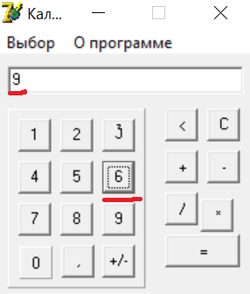
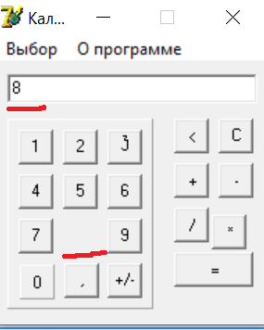
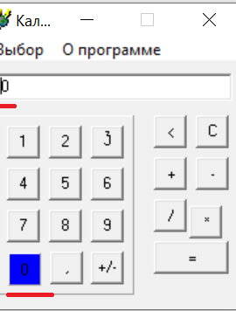
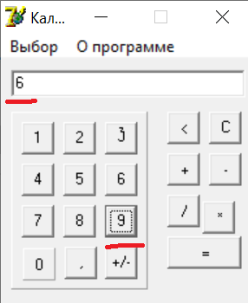
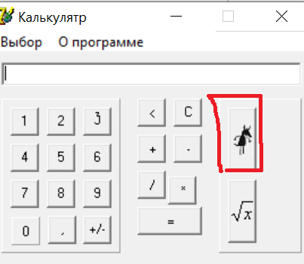
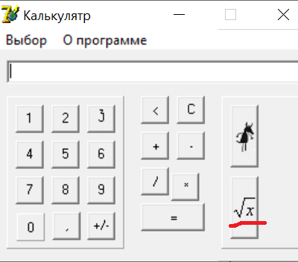
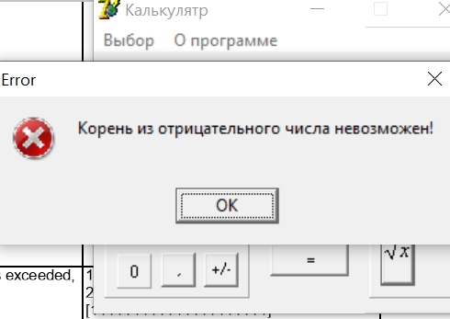
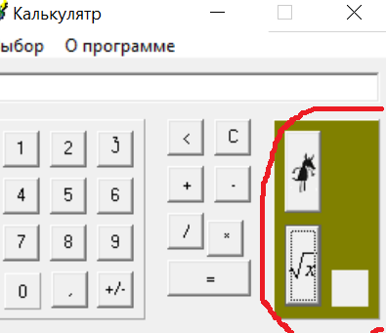
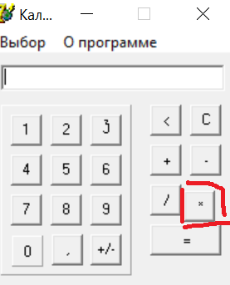
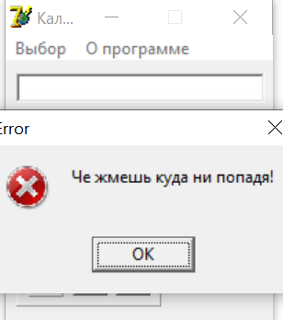
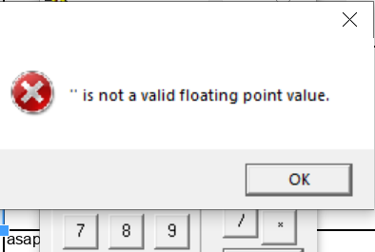
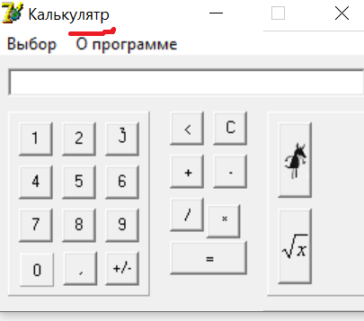
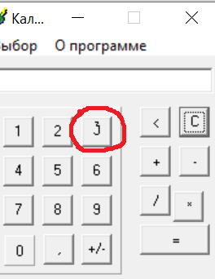
ID | Summary | Description | Steps to reproduce | Severity | Priority | Attachment
1 | an empty space instead of 0 in I/O field by default | Actual result: empty space in the I/O field by default Expected result: 0 in the I/O field by default Environment: win 10 | 1. open the app by double-clicking 2. click [Выбор] 3. click [Простой] 4. pay attention to I/O field 5. click [Выбор] 6. click [Инженерный] 7. pay attention to I/O field | minor | low
2 | grammar mistake in the name of mode: "Инжинерный" instead of "Инженерный" | Actual result: name of mode "Инжинерный" Expected result: name of mode "Инженерный" Environment: win 10 | 1. open the app by double-clicking 2. click [Выбор] 3. pay attention to name of mode 'Инженерный' | minor | low |  | 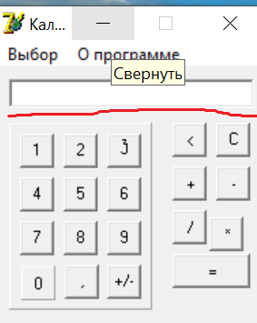
3 | after clicking [5] appears [55] | when you click [5] in simple or scientific mode in I/O filed '55' appears Actual result: in I/O field appears '55' Expected result: in I/O field appears '5' Environment: win 10 | 1. open the app by double-clicking 2. click [5] 3. pay attention to I/O filed 4. click [Выбор] 5. click [Инженерный] 6. click [5] 7. pay attention to I/O filed | critical | asap
4 | after clicking [6] appears 9 | when you click [6] in simple or scientific mode in I/O filed '9' appears Actual result: appears '9' Expected result: appears '6' Environment: win 10 | 1. open the app by double-clicking 2. click [6] 3. pay attention to I/O filed 4. click [Выбор] 5. click [Инженерный] 6. click [6] 7. pay attention to I/O filed | critical | asap
5 | after clicking [8] the button [8] disappears | After clicking '8' the button disappears from numeric panel. There is an empty space instead of button '8'. Actual result: there is no button '8' in the calculator number panel, app is closed Expected result: there is button '8' in the calculator number panel Environment: win 10 | 1. open the app by double-clicking 2. click [8] 3. pay attention to numeric panel 4. close the app 5. open the app by double-clicking 6. click [Выбор] 7. click [Инженерный] 8. click [8] 9. pay attention to numeric panel | critical | asap
6 | after clicking [0] the button changes the color | after clicking [0] in simple or scientific mode the button becomes blue instead of stay gray Actual result: button [0] is blue Expected result: button [0] is gray Environment: win 10 | 1. open the app by double-clicking 2. click [0] 3. pay attention to [0] 4. close the app 5. open the app by double-clicking 6. click [Выбор] 7. click [Инженерный] 8. click [0] 9. pay attention to [0] | minor | low
7 | after clicking [9] appears 6 | when you click [9] in I/O filed '6' appears Actual result: appears '6' Expected result: appears '9' Environment: win 10 | 1.open the app by double-clicking 2. click [9] 3. pay attention to I/O filed 4. click [Выбор] 5. click [Инженерный] 6. click [9] 7. pay attention to I/O filed | Critical | ASAP
8 | no sequence of operations in I/O field | In simple or scientific mode after clicking [+], [-], [*], [/], numbers, that you entered before, disappears Actual result: empty space Expected result: '1+', '1-', '1*', '1/' Environment: win 10 | 1. open the app by double-clicking, 2.click [1] 3.click [+] 4.click [C] 5.click [1] 6.click [-] 7.click [C] 8.click [1] 9.click [*] 10.click [C] 11.click [1] 12.click [/] 13.click [C] 14.click [Выбор] 15.click [Инженерный] 16.do the steps 2-12 | medium | normal
9 | miscalculation when multiplication on 0 | in simple and scientific mode when you multiply number on 0 there is wrong answer in I/O field Actual result: '-8' Expected result: '0' Environment: win 10 | 1. open the app by double-clicking 2. click [8] 3. click [*] 4. click [0] 5. click [=] 6. pay attention to result 7. click [C] 8. click [Выбор] 9. click [Инженерный] 10. do the steps 2-6 | critical | asap
10 | miscalculation when division by 0 | in simple and scientific mode when you division number that doesnt equal to 0 by 0 there is wrong answer in I/O field Actual result: '-7' Expected result: '0' Environment: win 10 | 1. open the app by double-clicking 2. click [7] 3. click [/] 4. click [0] 5. click [=] 6. pay attention to result 7. click [C] 8. click [Выбор] 9. click [Инженерный] 10. do the steps 2-6 | critical | asap
11 | wrong picture on button for squaring | button for squaring has picture of wolf instead of x² on it Actual result: 'picture of wolf' Expected result: 'x²' Environment: win 10 | 1. click [Выбор] 2. click [Инженерный] 3. pay attention to button for squaring | minor | normal |  | 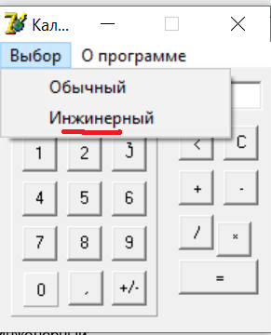
12 | wrong picture on button for root extraction | button for root extraction has wrong picture √x instead of √ on it Actual result: '√x' Expected result: '√' Environment: win 10 | 1. click [Выбор] 2. click [Инженерный] 3. pay attention to button for root extraction | minor | low
13 | unnecessary message when taking root of negative number | when trying to take the root of a negative number, a notification 'Корень из отрицательного числа невозможен!' appears Actual result: message 'Корень из отрицательного числа невозможен! appears Expected result: there is '0' in I/O field Environment: win 10 | 1. open the app 2. click [Выбор] 3. click [Инженерный] 4. click [4] 5. click [+/-] 6. click [√] 7. pay attention to message | minor | low
14 | the maximum number of characters for input is exceeded | the maximum number of characters for input is exceeded, more than 20 characters can be entered Actual result: possible to enter more than 20 symbols, there is 111111111111111111111 in I/O field Expected result: possible to enter only 20 symbols, there is 11111111111111111111 in I/O field Environment: win 10 | 1. open the app 2. enter 21 characters: click [111111111111111111111] | medium | normal
15 | no user guide after clicking "О программе" | there is no user guide after clicking "О программе" Actual result: no user guide Expected result: user guide appears Environment: win 10 | 1. open the app 2. click [О программе] | medium | normal
16 | changing panel color in scientific mode | part of the calculator panel with buttons for scientific mode changes color from gray to green and one button is added Actual result: the color of the panel with buttons for scientific mode is green with 3 buttons on it Expected result: the color of the panel with buttons for scientific mode does not change, it is gray with 2 buttons on it (for root extraction and squaring) Environment: win 10 | 1. open the app 2. click [О программе] 3. click [Выбор] 4. click [Инженерный] | minor | low
17 | multiply button is misaligned | multiply button is misaligned Actual result: button [*] is not aligned Expected result: button [*] is on the same row as [/] and the same column as [-] Environment: win 10 | 1.open the app 2.pay attention to button [*] | minor | low
18 | there is no way to enter numbers from the keyboard | there is no possibility to enter numbers from the keyboard Actual result: nothing happens Expected result: there is "1" in I/O field Environment: win 10 | 1. open the app 2. press [1] on your computer keyboard | major | high
19 | unnecessary message appears when you click between the buttons | when miss a number and сlick the number pad, unnecessary message "Че жмешь куда ни попадя" Actual result: message "Че жмешь куда ни попадя", the app is closed Expected result: nothing happens Environment: win 10 | 1. open the app 2. click any place on numeric panel between number buttons 3. pay attention to message 4. click [ok] 5. click [Выбор] 6. click [Инженерный] 7. click any place on numeric panel between number buttons 8. pay attention to message | medium | high
20 | unnecessary message appears when you click the buttons [+], [-], [/], [*], [=] | when you clicking the buttons [+], [-], [/], [*], [=] with empty field the message "is not a valid floating point value" appears Actual result: "is not a valid floating point value" Expected result: nothing happens Environment: win 10 | 1. open the app 2. click [=], or [+], or [-], or [*], or [/] 3. pay attention to message 4. click [ok] 5. click [Выбор] 6. click [Инженерный] 7. click [=], or [+], or [-], or [*], or [/] 8. pay attention to message | minor | low
21 | wrong result after division negative number by negative number | when you divide negative number by negative number the app shows wrong answer Actual result: "16" Expected result: "2" Environment: win 10 | 1. open the app 2. click [4] 3. click [+/-] 4. click [/] 5. click [2] 6. click [+/-] 7. click [=] 8. pay attention to result 9. click [C] 10. click [Выбор] 11. click [Инженерный] 12. do the steps 2-8 | critical | asap |  | 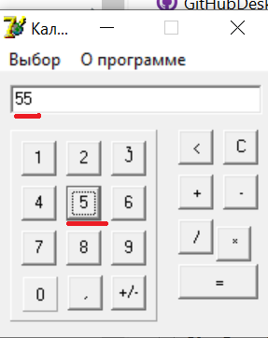
22 | wrong result after multiplication negative number on negative number | when you divide negative number by negative number the app shows wrong answer Actual result: "16" Expected result: 8 Environment: win 10 | 1. open the app 2. click [4] 3. click [+/-] 4. click [*] 5. click [2] 6. click [+/-] 7. click [=] 8. pay attention to result 9. click [C] 10. click [Выбор] 11. click [Инженерный] 12. do the steps 2-7 13. pay attention to result | critical | asap
23 | "Калькулятр" instead of "Калькулятор" in the left upper corner after switching scientific mode | when you choose scientific mode there is "Калькулятр" instead of "Калькулятор" in the left upper corner Actual result: "Калькулятр" Expected result: "Калькулятор" Environment: win 10 | 1. open the app by double-clicking 2. click [Выбор] 3. click [Инженерный] 4. pay attention to left upper corner | minor | low
24 | after clicking between buttons apps closes | If user click between buttons the app closes Actual result: apps is closed Expected result: nothing happens Environment: win 10 | 1. open the app 2. click any place on number panel between number buttons 3. click [ok] on the message 4. click any place on number panel between number buttons again 5. click [ok] on the message 6. click any place on number panel between number buttons | critical | asap
25 | number "3" in numeric panel is misaligned inside the button and has different font | number "3" in numeric panel is misaligned inside the button and has different font Actual result: number "3" in numeric panel is misaligned inside the button and has different font Expected result: number "3" in numeric panel is in the center of button and has the same font as the other numbers Environment: win 10 | 1. open the app by double-clicking 2. pay attention to button "3" in numeric panel | minor | low

