Bug_report_SkypeApp
Bug_report
ID | SMS001 | SMS002 | SMS003 | SMS004
Summary | Visual layout shift | Back button doesn’t work | Back button doesn’t work | Emoticons don’t work
Pre-conditions | Installed Skype Application | Installed Skype Application Authorized Skype Account | Installed Skype Application Authorized Skype Account | Installed Skype Application Authorized Skype Account Created chat
Steps | 1. Tap on Skype icon to open the App 2. Tap on «Sign in or create» 3.Tap on «Create One» to create new account 4. Enter valid email and tap on «Next» 5. Layout shifted unpredictably on forms: «Create password», «What’s your name», «What’s your date of birth» | 1. Tap on Profile icon to open Profile settings 2. Tap on «Skype Number» 3 . Tap on «available in 25 countries/regions» link to open link in the app 4. Tap on «Back» | 1. Tap on Profile icon to open Profile settings 2. Tap on «Skype Number» 3 . Tap on «accessible admin» link to open link in the app 4. Tap on «Back» | 1. Tap on «Chats» to open chats on the App bar 2. Tap on created conversation with user 3 . Tap on Emoticon icon on «Type a message» field
Attachments | 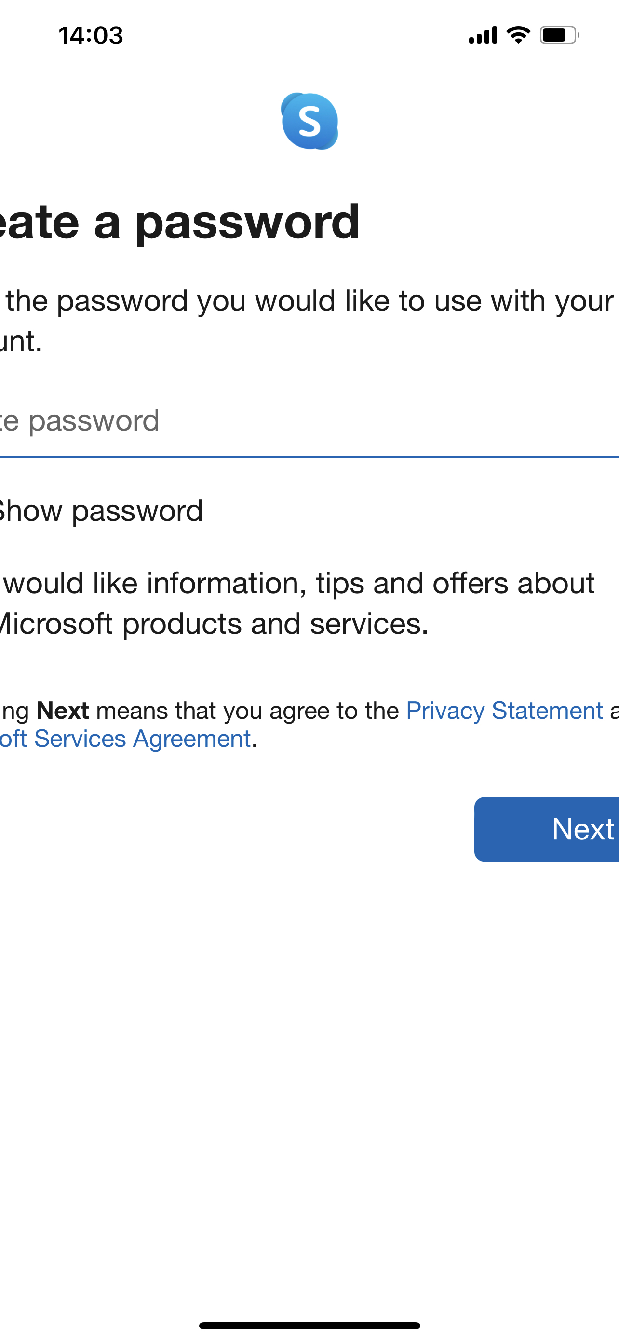 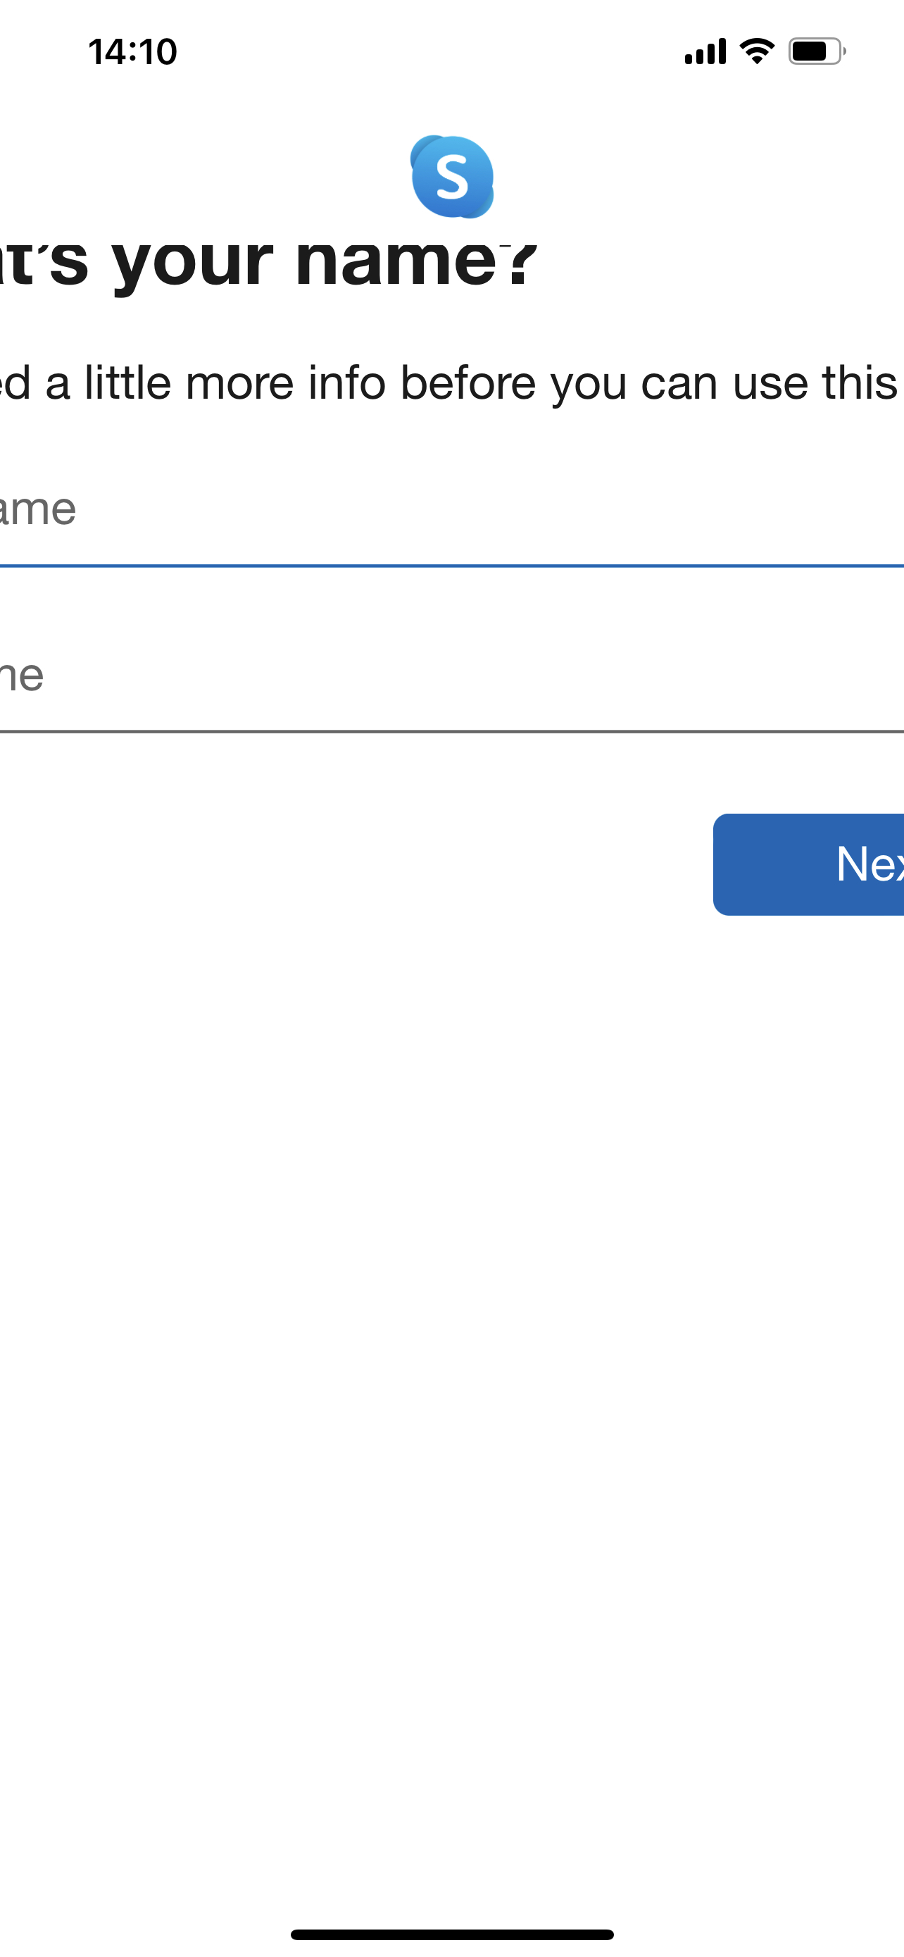 |  | 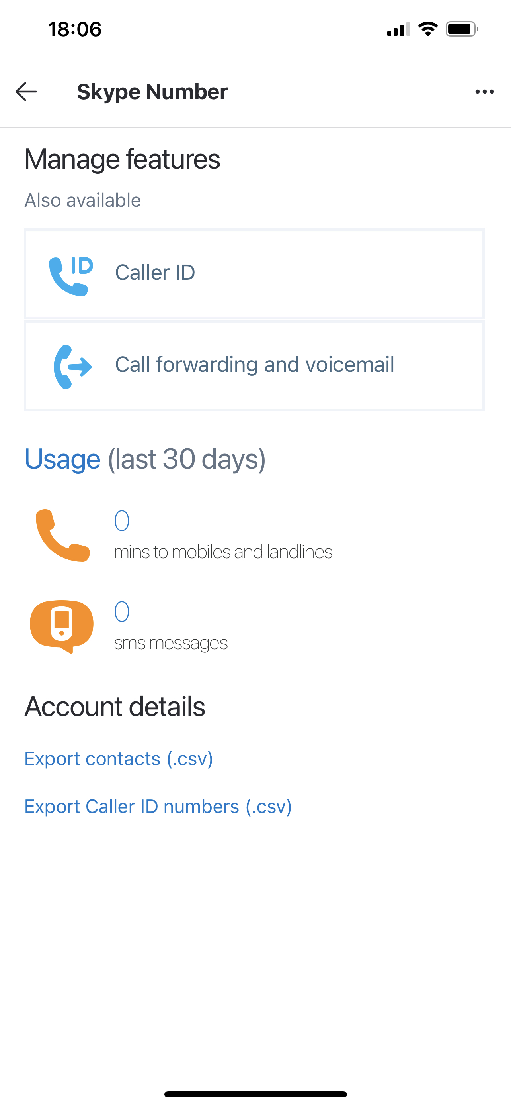 | 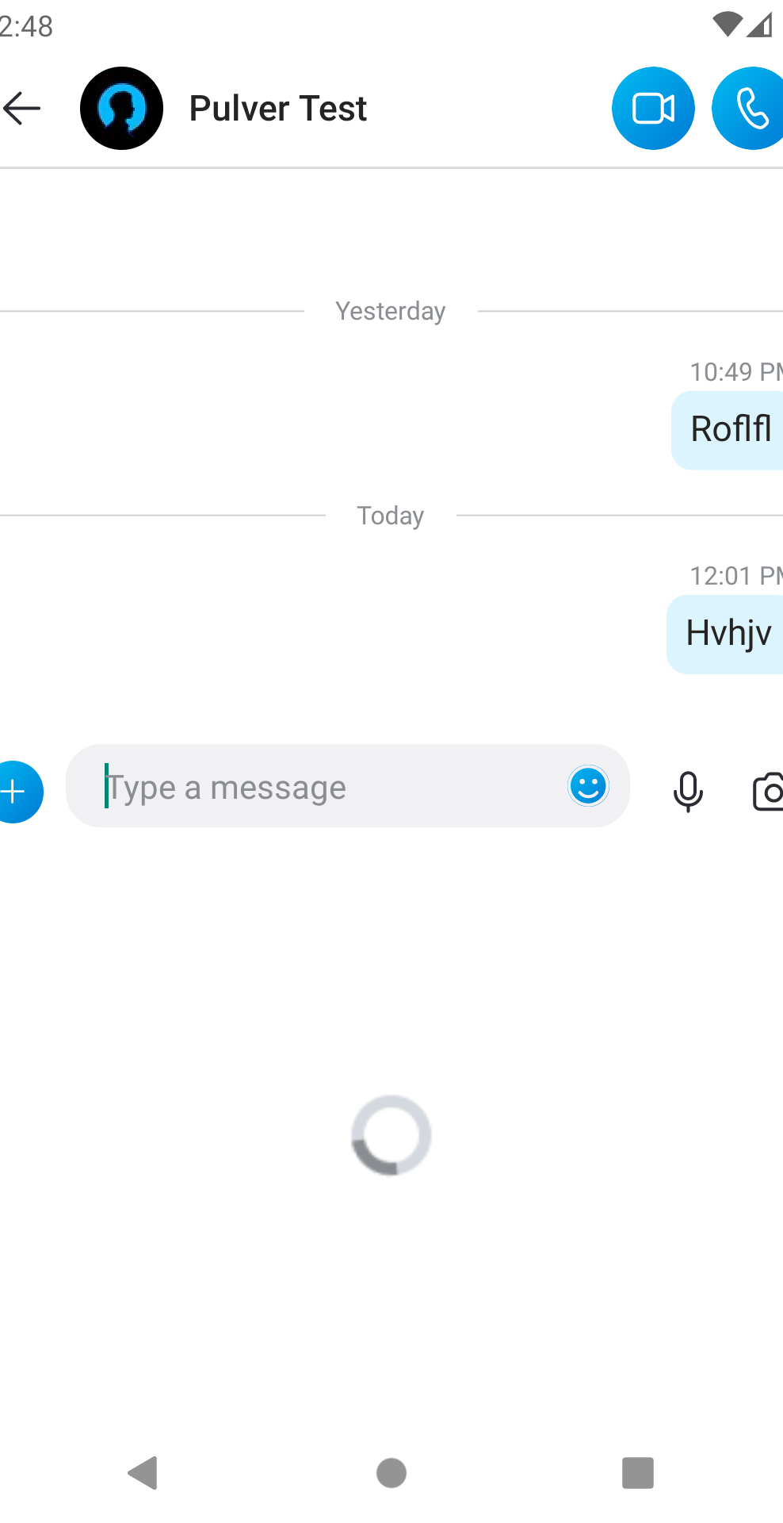
Post-conditions
Expected result | Elements are displayed correctly and user can see all of them | User can turn back to Settings | User can turn back to Settings | Emoticons, GIFs, Stickers tab is opened, user can use emoticons
Actual result | Cropped fields and buttons | Loading screen | User can’t leave Manage features section | Emoticons are unavailable

Environment | Iphone 12Pro Max iOS 16.0 (20A362) Skype version 8.88.0.404 | Iphone 12Pro Max iOS 16.0 (20A362 Skype version 8.88.0.404 | Iphone 12Pro Max iOS 16.0 (20A362) Skype version 8.88.0.404 | Android Studio AVD API 30 Android 11.0 Resolution 1080x1920 Skype version 8.88.0.404
Severity | minor | minor | minor | minor
Priority | low | low | low | low
Assigned
State | open | open | open | open
Date of creation | 2022-10-10 | 2022-10-10 | 2022-10-10 | 2022-10-10

