Лист1
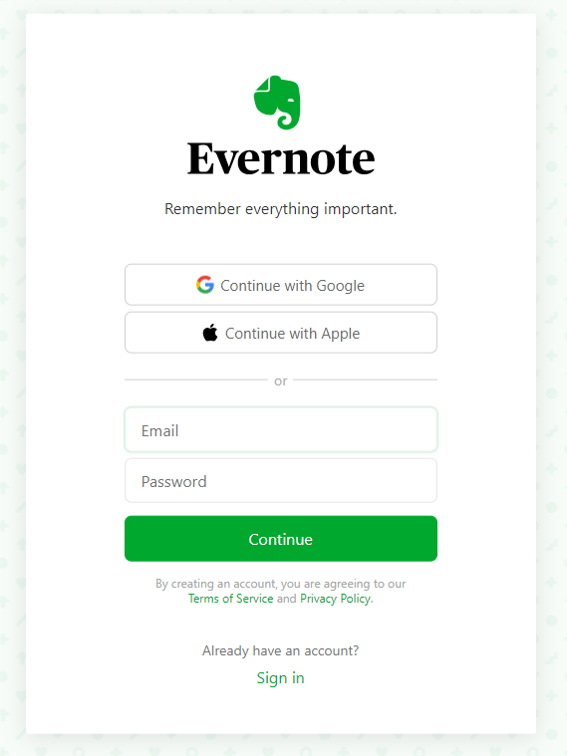
Check list for email address field
 | 1 | Valid email address
 | 2 | in lower case
 | 3 | in upper case
 | 4 | with digits, sumbols
 | 5 | Ctrl+C Ctrl+V
 | 6 | Invalid email address (see documentation)
 | 7 | with missing @
 | 8 | with two @
 | 9 | with leading dot in address
 | 10 | without dot
 | 11 | with multiple dots
 | 12 | with missing top level domain (.com/.net/.org/etc)
 | 13 | Already existing email
 | 14 | Empty field
 | 15 | Zero
 | 16 | Very short email
 | 17 | Very long email
 | 18 | Email with space
 | 19 | SQL injection (FOO’); DROP TABLE USERS)
 | 20 | URL address
 | 21 | XSS (<script>alert(«I hacked this!»)</script>)

