Instructions
 |  | Note to User
This Excel file serves as a guide to represent survey response data that the web application would programmatically read. Avoid amending the template as it may disrupt the program's logic flow.

Each survey question has its own set of response options, and as readers, we can quickly tell whether it's a qualitative or quantitative type of question. However, the program currently implemented is not intelligent enough to identify and differentiate these questions into their respective question-type categories. This is important as the Survey Response Chart would display the percentage of responses for each option based on the question type. Hence, we shall step in and perform this task for the program until a better solution surfaces.

 |  |  | Instructions For Use
For each question, assign a keyword that represents the survey response options by placing this keyword on top of the question itself. Below is a list of survey response options and their respective keywords. These keywords are also used as variables and stored in the server. hence it is crucial not to misspell them. Refer to "Updated Sheet 1" and "Updated Sheet 2" to see the sample end-product.

 | Response Options Type |  |  | Keyword
 |  |  |  | QUAL

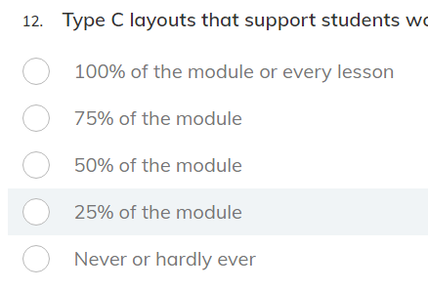
 |  |  |  | CUSTOMEVER

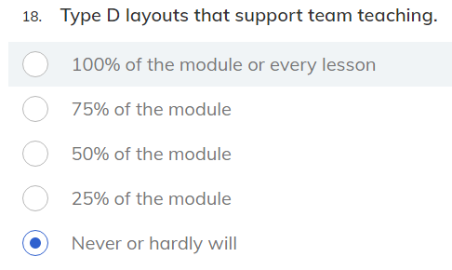
 |  |  |  | CUSTOMWILL

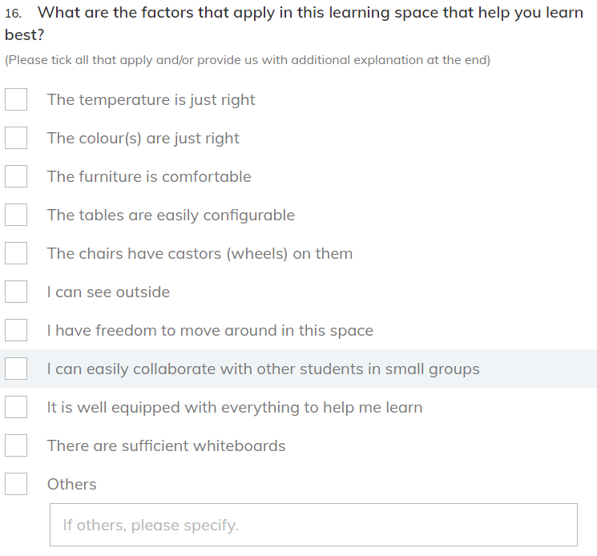
 |  |  |  | FACTORSTU

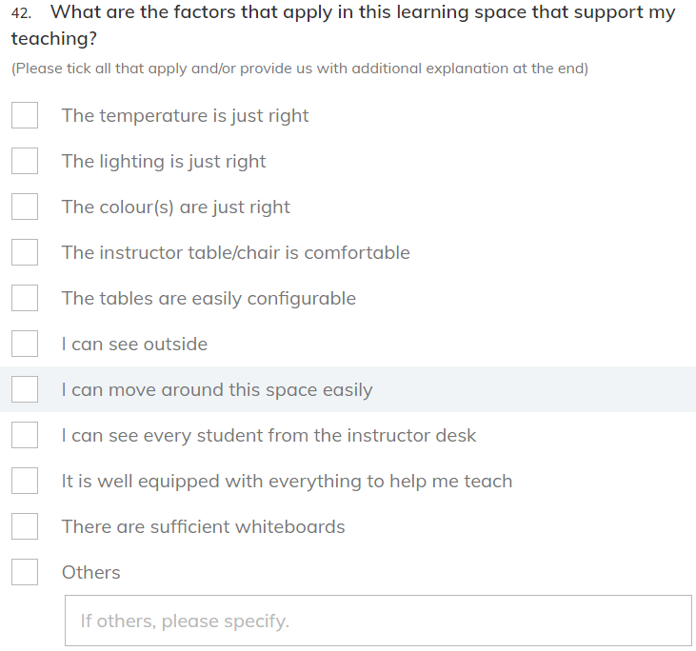
 |  |  |  | FACTORLEC

 |  |  |  | OPEN

