Sheet1
This is 2 different Coding Style for a simple design circuit.
It’s highly recommend to use the Right-hand side style for easily recognize the Flip-flop and Combination Logic.

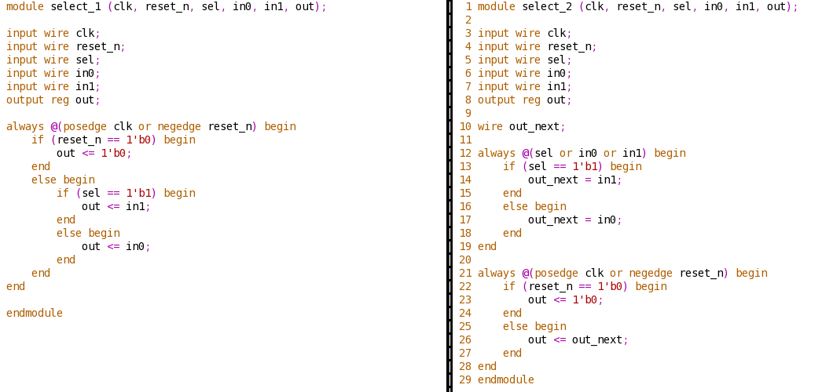

COMBINATION LOGIC
(CLOUD SHAPE IN DESIGN SPEC)

FLIP-FLOP

sel

in1
1
out_next
out
in0
0
FF

clk

reset_n

