Settings
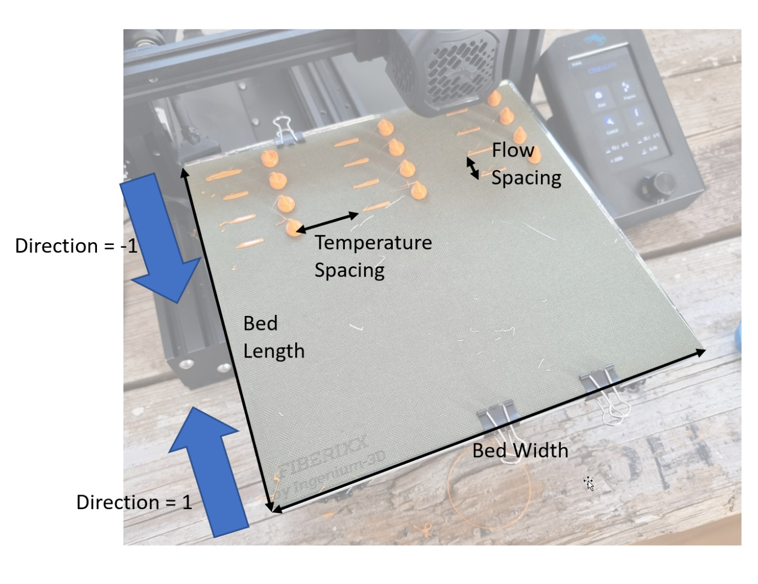
General Settings |  |  | Created by CNC Kitchen
Bed Width | 250 | mm
Bed Length | 250 | mm
Bed Margin | 5 | mm
Filament Diameter | 1.75 | mm
Travel Speed | 100 | mm/s
Stabilization Time | 20 | s
Bed Temperature | 60 | °C
Fan Speed | 0 | %

Prime Length | 25 | mm
Prime Amount | 20 | mm | Prime Flow
Prime Speed | 5 | mm/s | 10 | mm³/s
Wipe Length | 15 | mm
Retraction Distance | 1 | mm
Retraction Speed | 35 | mm/s

Blob Height | 10 | mm
Extrusion Amount | 200 | mm

Direction | 1 | 1=front to back, -1=back to front
Temperature Spacing | 45 | mm
Flow Spacing | 30 | mm

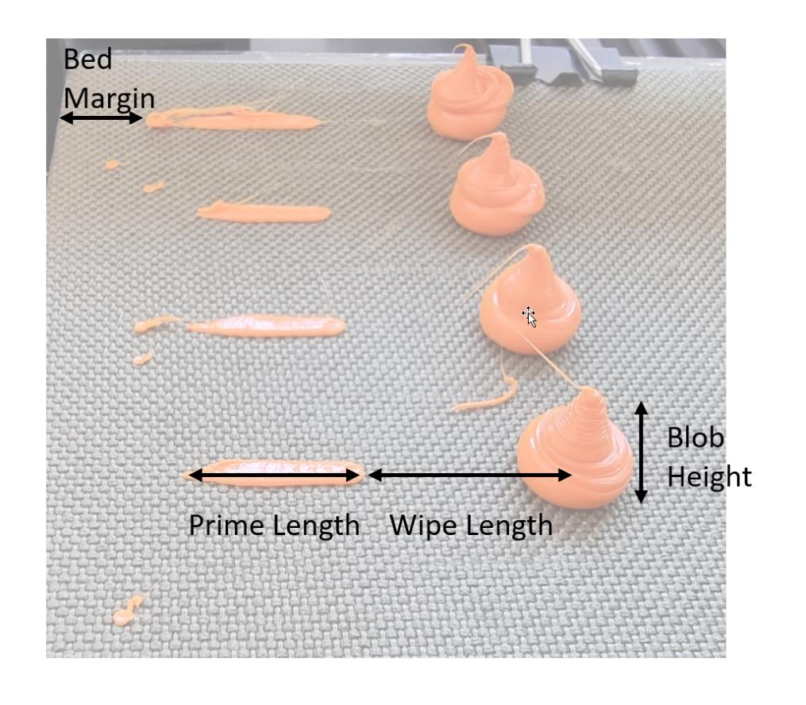
DOE Settings
Flow Variation
Start Flow | 10 | mm³/s
Offset | 2 | mm³/s
Steps | 8
End Flow | 24 | mm³/s | 24mm^3 = 250mm/s

Temperature Variation
Start Temperature | 220 | °C
Offset | 10 | K
Steps | 3 |  | If Steps = 1 "Fill Mode" is used
End Flow | 200 | °C

Comment | Ender-7

total bed width required | 220 | OK
total bed length required | 250 | OK

SampleEvaluation
 |  | Test 1
 | Printer | Ender-7 Pro
 | Material | Filament PLA
 | Temperature / °C | 220 | 210 | 200
 | Flow rate / mm³/s | weights / g
Input | 10 | 0.581 | 0.607 | 0.596
 | 12 | 0.594 | 0.589 | 0.585
 | 14 | 0.582 | 0.607 | 0.595
 | 16 | 0.588 | 0.59 | 0.585
 | 18 | 0.584 | 0.591 | 0.582
 | 20 | 0.597 | 0.572 | 0.536
 | 22 | 0.562 | 0.539 | 0.484
 | 24 | 0.528 | 0.486 | 0.442

Underextrusion Amount | 10 | 0% | 0% | 0%
 | 12 | 2% | -3% | -2%
 | 14 | 0% | 0% | 0%
 | 16 | 1% | -3% | -2%
 | 18 | 1% | -3% | -2%
 | 20 | 3% | -6% | -10%
 | 22 | -3% | -11% | -19%
 | 24 | -9% | -20% | -26%

Real Flow | 10 | 10.0 | 10.0 | 10.0
 | 12 | 12.3 | 11.6 | 11.8
 | 14 | 14.0 | 14.0 | 14.0
 | 16 | 16.2 | 15.6 | 15.7
 | 18 | 18.1 | 17.5 | 17.6
 | 20 | 20.6 | 18.8 | 18.0
 | 22 | 21.3 | 19.5 | 17.9
 | 24 | 21.8 | 19.2 | 17.8

Real Flow
Ender-7 - Extrusion Test

Evaluation
Real Flow
Under Extrusion
 |  | 2023-07-16
 | Printer | Ender-7
 | Hotend | Mosquito Magnum
 | Nozzle | 0.4 brass nozzle
 | Material | Aurarum PLA
 | Temperature | 220 | 210 | 200
10 | Flow rate (mm^3/s) | rates / g
Input (mm^3/s) | 10 | 0.581 | 0.607 | 0.596
 | 12 | 0.594 | 0.589 | 0.585
 | 14 | 0.582 | 0.607 | 0.595
 | 16 | 0.588 | 0.59 | 0.585
 | 18 | 0.584 | 0.591 | 0.582
 | 20 | 0.597 | 0.572 | 0.536
 | 22 | 0.562 | 0.539 | 0.484
 | 24 | 0.528 | 0.486 | 0.442

Under Extrusion Amount (%) | 10 | 0.0% | 0.0% | 0.0%
 | 12 | 2.2% | -3.0% | -1.8%
 | 14 | 0.2% | 0.0% | -0.2%
 | 16 | 1.2% | -2.8% | -1.8%
 | 18 | 0.5% | -2.6% | -2.3%
 | 20 | 2.8% | -5.8% | -10.1%
 | 22 | -3.3% | -11.2% | -18.8%
 | 24 | -9.1% | -19.9% | -25.8%

Real Flow (mm^3/s) | 10 | 10 | 10 | 10
 | 12 | 12.268502582 | 11.644151565 | 11.77852349
 | 14 | 14.024096386 | 14 | 13.976510067
 | 16 | 16.192771084 | 15.551894563 | 15.704697987
 | 18 | 18.092943201 | 17.52553542 | 17.577181208
 | 20 | 20.550774527 | 18.846787479 | 17.986577181
 | 22 | 21.280550775 | 19.535420099 | 17.865771812
 | 24 | 21.810671256 | 19.215815486 | 17.798657718

 | Calculate Print Speed |  |  |  | 18 | mm^3/s | 187.5 | mm/s

 | Ender-7 print speed calculations
 |  |  |  |  | Variables
 | Nozzle width |  |  |  | 0.4 | mm | Filament cross section |  | 2.4052818754 | mm^2
 | Layer Height |  |  |  | 0.2 | mm | filament_cross_section(mm^2) = PI() * (<filament_diameter(mm)>/2)^2
 | Line width (1.2*[nozzle]) |  |  |  | 0.48 | mm
 | Filament diameter |  |  |  | 1.75 | mm | Calculate test gcode blob lift speed |  | 17.461570899 | mm/min | 0.29102618165 | mm/s
 |  |  |  |  |  |  | extrusion_speed(mm/min) = <blob_height(mm)> / (<extrusion_amount(mm)> / (<start_flow(mm^3/s)> / <filament_cross_section(mm^2)> *60))
 | Extruder temperature |  |  |  | 220 | C
 | Maximum extrusion volume (mm^3/s) |  |  |  | 14 | mm^3/s | Maximum printing speed |  | 145.83333333 | mm/s
 | Filament extruded |  |  |  | 200 | mm | speed(mm/s) = <volumetric_flow(mm^3/s)> / <layer_height(mm)> / <line_width(mm)>
 | Blob height |  |  |  | 10 | mm
 | Blob weight |  |  |  | 0.58 | g | Maximum volumetric flow rate (confirm) |  | 14 | mm^3/s
 |  |  |  |  |  |  | volumetric_flow(mm^3/s) = <speed(mm/s)> * <layer_height(mm)> * <line_width(mm)>

 |  |  |  |  |  |  | Maximum Extruder Feedrate |  | 5.8205236331 | mm/s
 |  |  |  |  |  |  | max feedrate(mm/s) = <maximum volumetric flow(mm^3/s)> / <filament cross section(mm^2)>

 |  |  |  |  |  |  | gcode feedrate |  | 349.23141798 | mm/min
 |  |  |  |  |  |  | gcode feedrate mm/min = <extruder feedrate(mm/s)> * 60

