dtw
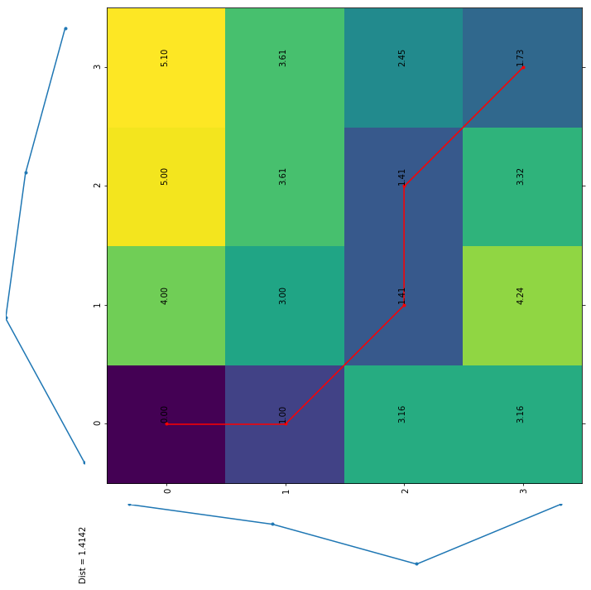
 | 1 | 5 | 4 | 2
1 | 0 | 4 | 7 | 8
2 | 1 | 3 | 5 | 5
4 | 4 | 2 | 2 | 4
1 | 4 | 6 | 5 | 3

 | 1 | 5 | 4 | 2
1 | 0 | 4.00 | 5.00 | 5.10
2 | 1.00 | 3.00 | 3.61 | 3.61
4 | 3.16 | 1.41 | 1.41 | 2.45
1 | 3.16 | 4.24 | 3.32 | 1.73

