TM4C side
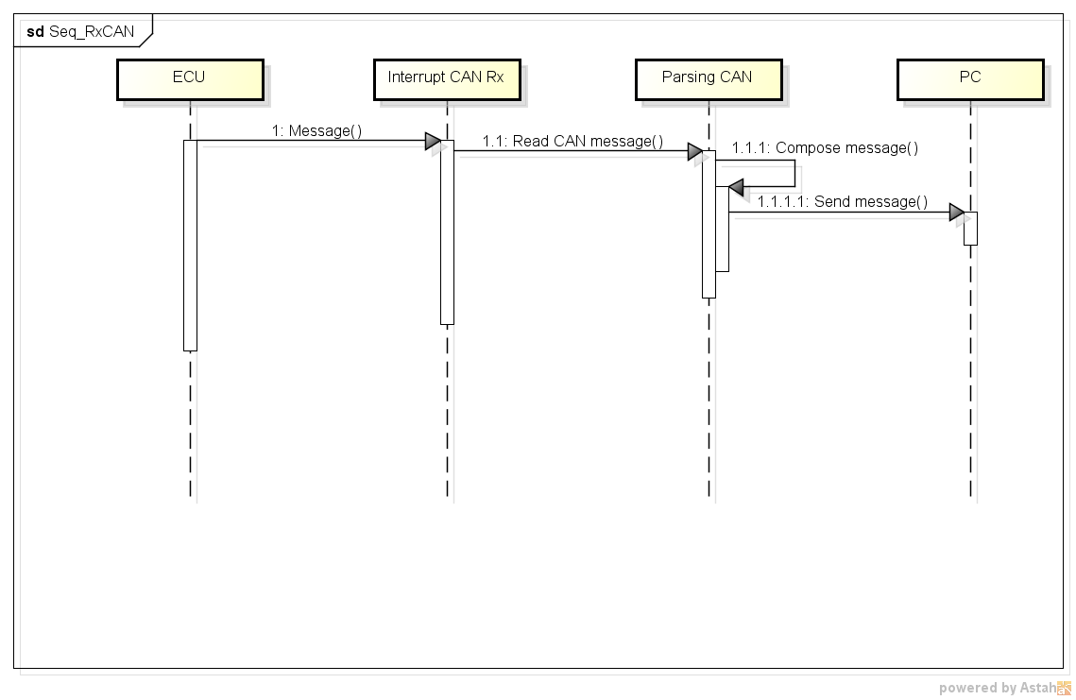
1 | Initial

 | Init USB: receive interrupt enable
 | Init CAN: receive interrupt enable

2 | Sequence receving message from PC
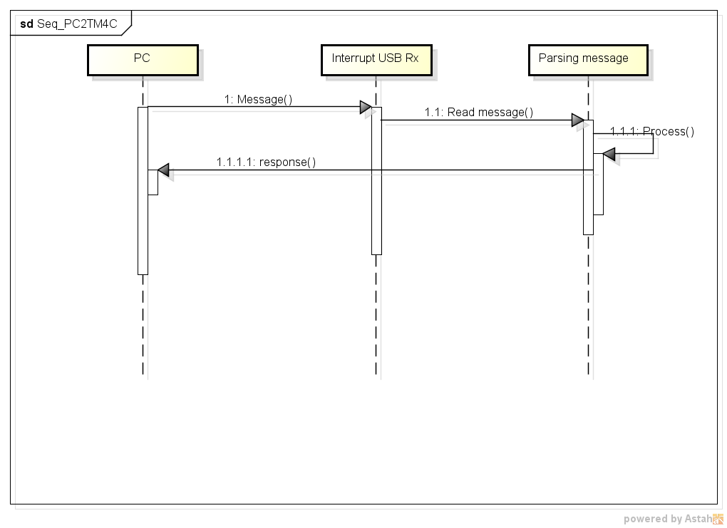

3 | Sequence receiving CAN message

