Login admin
Module Code | [Frontend] Test UI for login admin
Check Requirement
Tester
Status | Pass | Fail |  | Not Run | N/A |  | Number of test case
Round test 1 | 5 | 0 |  | 0 | 0 |  | 5
Round test 2 | 5 | 0 |  | 0 | 0 |  | 5

Test Case ID | Test case Description | Pre-condition | Step | Excepted Output | Actual Output | Result |  |  | Result |  |  | Note
 |  |  |  |  |  | Round test 1 |  |  | Round test 2
 |  |  |  |  |  | Status | Test Date | Tester | Status | Test Date | Tester
GUI Testing
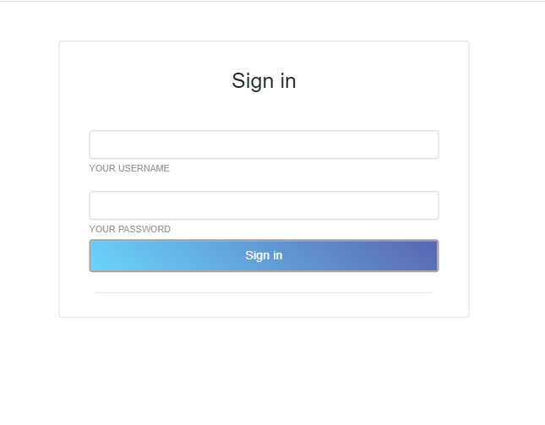
TC_01 | [UserName] textbox |  |  | Alignment=middle, under [Sign in] label | Alignment=middle,under [Sign in to start your session] label | Pass | 10 - Apr - 2021 | Loc | Pass | 13 - Apr - 2021 | Loc
 |  |  |  | Enabled | Enabled
TC_02 | [Password] textbox |  |  | Alignment=middle, under [Email] textbox | Alignment=middle,under [Email] textbox | Pass | 10 - Apr - 2021 | Loc | Pass | 13 - Apr - 2021 | Loc
 |  |  |  | Enabled | Enabled
TC_03 | [Sign In] button |  |  | Alignment=right, under [Password] textbox | Alignment=left,under [Password] textbox | Pass | 10 - Apr - 2021 | Loc | Pass | 13 - Apr - 2021 | Loc
 |  |  |  | type=“button” | type=“button”
Functional Testing
TC_01 | Verify user can login with valid information | Connect to internet | Step 1: Navigate to the URL: http://localhost:3000/admin/login Step 2: Login with valid user name and password Step 3: Click Login in button | 1. Dashboard page display | 1. Dashboard page display | Pass | 10 - Apr - 2021 | Loc | Pass | 13 - Apr - 2021 | Loc
TC_02 | Verify display error message when login with invalid data | Connect to internet | Step 1: Navigate to the URL:http://localhost:3000/admin/login Step 2: Login with invalid user name and password Step 3: Click Login in button | 1. Dashboard page not display 2. Display error message | 1. Dashboard page not display 2. Display error message | Pass | 10 - Apr - 2021 | Loc | Pass | 13 - Apr - 2021 | Loc

Login app
Module Code | Login learner
Check Requirement
Tester
Status | Pass | Fail |  | Not Run | N/A |  | Number of test case
Round test 1 | 6 | 0 |  | 0 | 0 |  | 6
Round test 2 | 6 | 0 |  | 0 | 0 |  | 6

Test Case ID | Test case Description | Pre-condition | Step | Excepted Output | Actual Output | Result |  |  | Result |  |  | Note
 |  |  |  |  |  | Round test 1 |  |  | Round test 2
 |  |  |  |  |  | Status | Test Date | Tester | Status | Test Date | Tester
GUI Testing
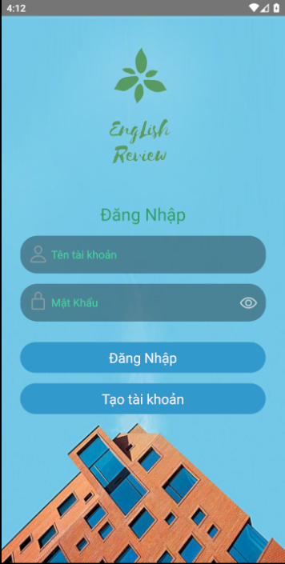
TC_01 | [Tên tài khoản] textbox |  |  | Alignment=middle, under [Sign in to start your session] label | Alignment=middle,under [Đăng Nhập] label | Pass | 10 - Apr - 2021 | Loc | Pass | 13 - Apr - 2021 | Loc
 |  |  |  | Enabled | Enabled
TC_02 | [Mật khẩu] textbox |  |  | Alignment=middle, under [UserName] textbox | Alignment=middle,under [UserName] textbox | Pass | 10 - Apr - 2021 | Loc | Pass | 13 - Apr - 2021 | Loc
 |  |  |  | Enabled | Enabled
TC_03 | [Đăng Nhập] button |  |  | Alignment=right, under [Password] textbox | Alignment=left,under [Password] textbox | Pass | 10 - Apr - 2021 | Loc | Pass | 13 - Apr - 2021 | Loc
 |  |  |  | type=“button” | type=“button”
Functional Testing
TC_04 | Verify user can login with valid information | Connect to internet | Step 1: Navigate to the login Screen Step 2: Login with valid user name and password Step 3: Click [Đăng Nhập] button | 1. Display message "Bạn đã đăng nhập thành công" 2. Home screen display | 1. Display message "Bạn đã đăng nhập thành công" 2. Home screen display | Pass | 10 - Apr - 2021 | Loc | Pass | 13 - Apr - 2021 | Loc
TC_05 | Verify display error message when login with invalid data | Connect to internet | Step 1: Navigate to the login Screen Step 2: Login with invalid user name and password Step 3: Click [Đăng Nhập] button | 1. Display message "Tài Khoản/ Mật khẩu không đúng" 2. Home screen display | 1. Display message "Tài Khoản/ Mật khẩu không đúng" 2. Home screen display | Pass | 10 - Apr - 2021 | Loc | Pass | 13 - Apr - 2021 | Loc
TC_06 | Verify error message displayed on login with no data input | Connect to internet | Step 1: Navigate to the login Screen Step 2: Login has no valid user name and password Step 3: Click [Đăng Nhập] button | 1. Display message "Tài Khoản/ Mật khẩu không đúng" 2. Home screen display | 1. Display message "Tài Khoản/ Mật khẩu không đúng" 2. Home screen display | Pass | 10 - Apr - 2021 | Loc | Pass | 13 - Apr - 2021 | Loc

Learner (profile)
Module Code | Profile learner
Check Requirement
Tester
Status | Pass | Fail |  | Not Run | N/A |  | Number of test case
Round test 1 | 6 | 0 |  | 0 | 0 |  | 6
Round test 2 | 5 | 0 |  | 0 | 0 |  | 5

Test Case ID | Test case Description | Pre-condition | Step | Excepted Output | Actual Output | Result |  |  | Result |  |  | Note
 |  |  |  |  |  | Round test 1 |  |  | Round test 2
 |  |  |  |  |  | Status | Test Date | Tester | Status | Test Date | Tester
GUI Testing
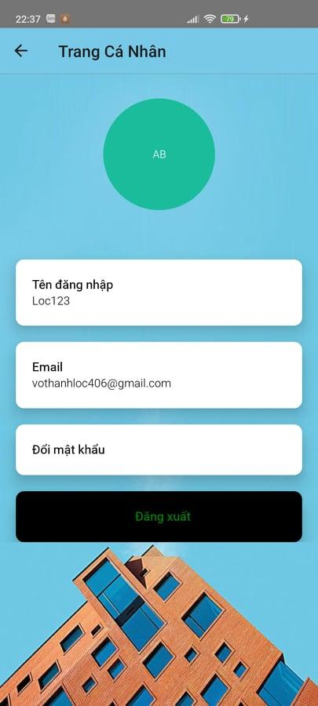
TC_01 | [Avatar] image |  |  | Alignment=center, | Alignment=center, | Pass | 10 - Apr - 2021 | Loc | Pass | 13 - Apr - 2021 | Loc
 |  |  |  | Type="image" | Type="image"
TC_02 | [Tên Đăng Nhập] textbox |  |  | Alignment=center, under [Avatar] image | Alignment=middle,under [Avatar] image | Pass | 10 - Apr - 2021 | Loc | Pass | 13 - Apr - 2021 | Loc
 |  |  |  | Type="textbox" | Type="textbox"
TC_03 | [Email] button |  |  | Alignment=center, under [UserName] image | Alignment=center, under [UserName] image | Pass | 10 - Apr - 2021 | Loc | Pass | 13 - Apr - 2021 | Loc
 |  |  |  | Type="textbox" | Type="textbox"
TC_04 | [Đổi mật khẩu] button |  |  | Alignment=center, under [Email] button | Alignment=center, under [Email] button | Pass | 10 - Apr - 2021 | Loc | Pass | 13 - Apr - 2021 | Loc
 |  |  |  | Type="button" | Type="button"
TC_05 | [Đăng Xuất] button |  |  | Alignment=center, under [Đổi mật khẩu] button | Alignment=center, under [Đổi mật khẩu] button | Pass | 10 - Apr - 2021 | Loc | Pass | 13 - Apr - 2021 | Loc
 |  |  |  | Type="button" | Type="button"
Functional Testing
TC_06 | Change the password | Internet Connection | 1. Login successfully 2. Click[Profile] button 3. Click[Đổi Mật khẩu button] | Change the password successfully | Change the password failed | Not run | '10 - Apr - 2021 | Loc | Not run | 31 - May - 2021 | Loc
TC_07 | Change the email | Internet Connection | 1. Login successfully 2. Click[Profile] button 3. Click[Email] | Change the email successfully | Change the email failed | Not run | '10 - Apr - 2021 | Loc | Not run | '31 - May - 2021 | Loc
TC_08 | Logout | Internet Connection | 1. Login successfully 2. Click[Profile] button 3. Click[Đăng Xuất] | Display login screen | Display login screen | Pass | '10 - Apr - 2021 | Loc | Not run | '31 - May - 2021 | Loc
TC_09 | Change the avatar | Internet Connection | 1. Login successfully 2. Click[Profile] button 3. Click[Avatar] image | Change the avatar successfully | Change the avatar failer | Not run | '10 - Apr - 2021 | Loc | Not run | '31 - May - 2021 | Loc

Lesson
Module Code | [Frontend] Lesson
Check Requirement
Tester
Status | Pass | Fail |  | Not Run | N/A |  | Number of test case
Round test 1 | 21 | 2 |  | 0 | 0 |  | 23
Round test 2 | 23 | 0 |  | 0 | 0 |  | 23

Test Case ID | Test case Description | Pre-condition | Step | Excepted Output | Actual Output | Result |  |  | Result |  |  | Note
 |  |  |  |  |  | Round test 1 |  |  | Round test 2
 |  |  |  |  |  | Status | Test Date | Tester | Status | Test Date | Tester
GUI Testing
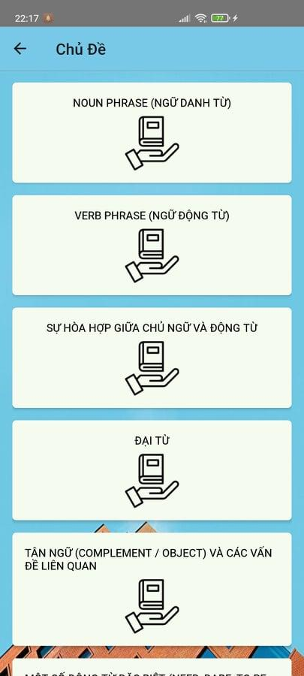  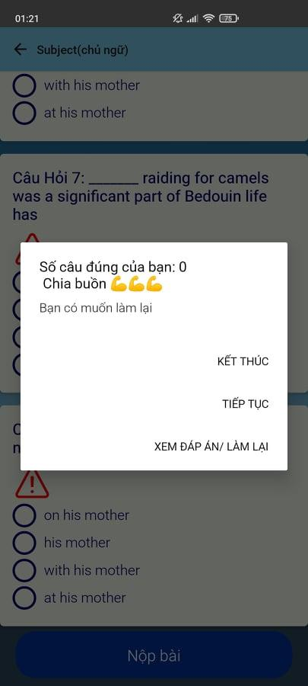 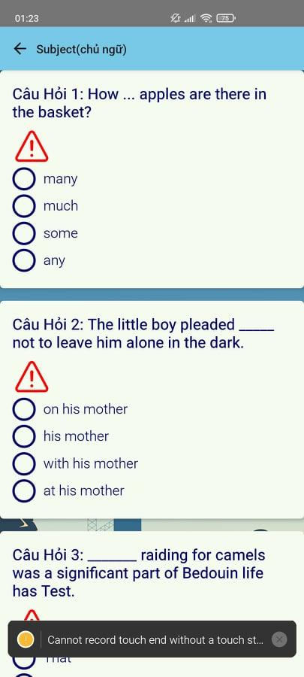 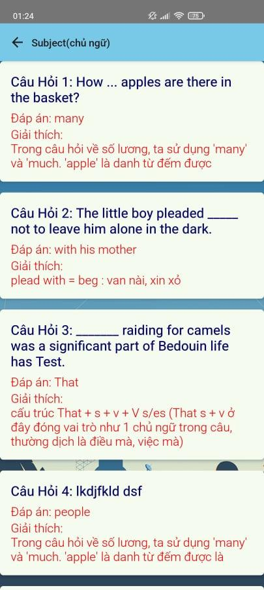 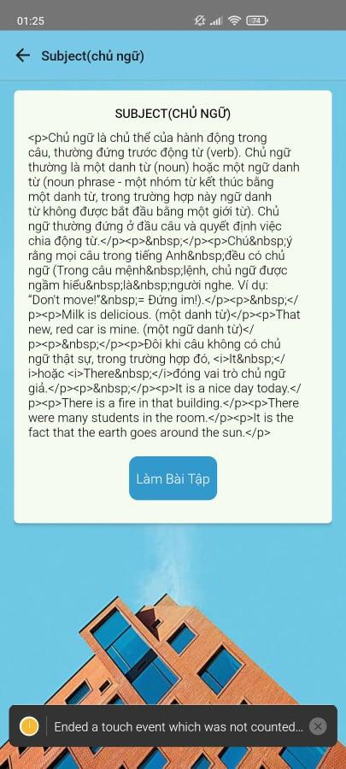 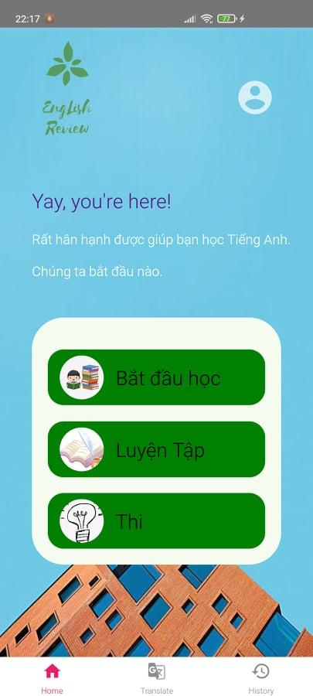 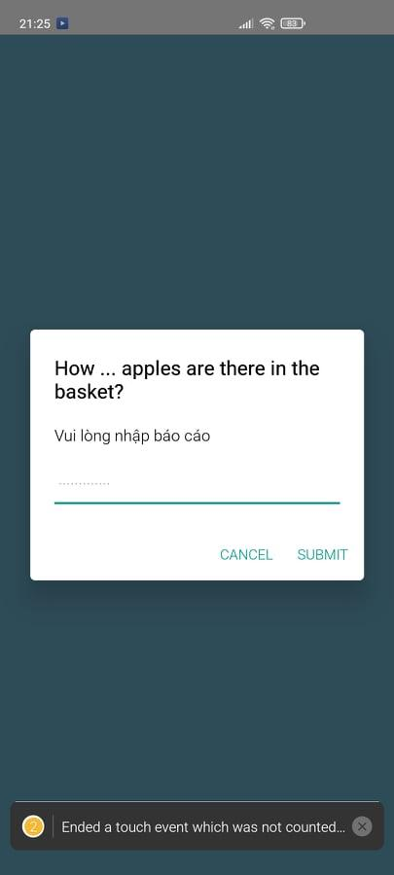
TC_01 | [Bắt đầu học] button |  |  | Alignment=middle, under [Chúng ta bắt đầu nào] label | Alignment=middle, under [Chúng ta bắt đầu nào] label | Pass | '10 - Apr - 2021 | Loc | Pass | 13 - Apr - 2021 | Loc
 |  |  |  | type="button" | type="button"
TC_02 | [List topic] button |  |  | Alignment=middle | Alignment=middle | Pass | '10 - Apr - 2021 | Loc | Pass | 13 - Apr - 2021 | Loc
 |  |  |  | type="button" | type="button"
TC_03 | [List lesson] button |  |  | Alignment=middle | Alignment=middle | Pass | '10 - Apr - 2021 | Loc | Pass | 13 - Apr - 2021 | Loc
 |  |  |  | type="button" | type="button"
TC_04 | [Lesson content] textbox |  |  | Alignment=middle | Alignment=middle | Pass | '10 - Apr - 2021 | Loc | Pass | 13 - Apr - 2021 | Loc
 |  |  |  | type="textbox" | type="textbox"
TC_05 | [Làm bài tập] button |  |  | Alignment=middle, under [Lesson content] textbox | Alignment=middle, under [Lesson content] textbox | Pass | '10 - Apr - 2021 | Loc | Pass | 13 - Apr - 2021 | Loc
 |  |  |  | type="button" | type="button"
TC_06 | [Question content] textbox |  |  | Alignment=middle, after click [Làm bài tập] button | Alignment=middle, after click [Làm bài tập] button | Pass | '10 - Apr - 2021 | Loc | Pass | 13 - Apr - 2021 | Loc
 |  |  |  | type="textbox" | type="textbox"
TC_07 | [Answer Choose] radiobutton |  |  | Alignment=left, under [Report button] | Alignment=left, under [Report button] | Pass | '10 - Apr - 2021 | Loc | Pass | 13 - Apr - 2021 | Loc
 |  |  |  | type="radiobutton" | type="radiobutton"
TC_08 | [Report] button |  |  | Alignment=left, above [Answer Choose] radiobutton | Alignment=left, above [Answer Choose] radiobutton | Pass | '10 - Apr - 2021 | Loc | Pass | 13 - Apr - 2021 | Loc
 |  |  |  | type="button" | type="button"
TC_09 | [Nộp bài] button |  |  | Alignment=center, under[Question content] textbox | Alignment=center, under[Question content] textbox | Pass | '10 - Apr - 2021 | Loc | Pass | 13 - Apr - 2021 | Loc
 |  |  |  | type="button" | type="button"
TC_10 | [Result] textbox |  |  | Alignment=center | Alignment=center | Pass | '10 - Apr - 2021 | Loc | Pass | 13 - Apr - 2021 | Loc
 |  |  |  | type="textbox" | type="textbox"
TC_11 | [Kết thúc] button |  |  | Alignment=right, under[Result] button | Alignment=right, under[Result] button | Pass | '10 - Apr - 2021 | Loc | Pass | 13 - Apr - 2021 | Loc
 |  |  |  | type="button" | type="button"
TC_12 | [Xem đáp án/ Làm lại]button |  |  | Alignment=right, under[Kết thúc] button | Alignment=right, under[Kết thúc] button | Pass | '10 - Apr - 2021 | Loc | Pass | 13 - Apr - 2021 | Loc
 |  |  |  | type="button" | type="button"
Functional Testing
TC_13 | Show list topic | Connect to internet and navigate to the Try on screen | 1. Successful logining in Home page 2. Click[Bắt đầu học] button | Display topic screen | Display topic screen | Pass | '10 - Apr - 2021 | Loc | Pass | 13 - Apr - 2021 | Loc
TC_14 | Show list lesson of the topic | Connect to internet and navigate to the Try on screen | 1. Successful logining in Home page 2. Click[Bắt đầu học] button 3. Click [Topic] button | Display lesson screen | Display lesson screen | Pass | '10 - Apr - 2021 | Loc | Pass | 13 - Apr - 2021 | Loc
TC_15 | Show lesson content | Connect to internet and navigate to the Try on screen | 1. Successful logining in Home page 2. Click[Bắt đầu học] button 3. Click [Topic] button 4. Click [Lesson] button | Display lesson content screen | Display lesson content screen | Pass | '10 - Apr - 2021 | Loc | Pass | 13 - Apr - 2021 | Loc
TC_16 | Show practice by the lesson | Connect to internet and navigate to the Try on screen | 1. Successful logining in Home page 2. Click[Bắt đầu học] button 3. Click [Topic] button 4. Click [Lesson] button 5. Click [Làm bài tập] button | Display content of practice according to the lesson | Display content of practice according to the lesson | Pass | '10 - Apr - 2021 | Loc | Pass | 13 - Apr - 2021 | Loc
TC_17 | Select on the answers on the question texbox | Connect to internet and navigate to the Try on screen | 1. Successful logining in Home page 2. Click[Bắt đầu học] button 3. Click [Topic] button 4. Click [Lesson] button 5. Click [Làm bài tập] button | After choosing, a blue tick will appear on the selected answer | After choosing, a blue tick will appear on the selected answer | Pass | '10 - Apr - 2021 | Loc | Pass | 13 - Apr - 2021 | Loc

TC_18 | Click the [Nộp bài] button to see the score |  | 1. Successful logining in Home page 2. Click[Bắt đầu học] button 3. Click [Topic] button 4. Click [Lesson] button 5. Click [Làm bài tập] button 6. Selcect all answer | Display the number of points achieved | Display the number of points achieved | Fail | '10 - Apr - 2021 | Loc | Pass | 31 - May - 2021 | Loc

TC_19 | Click the [Kết thúc] button to navigate home screen |  | 1. Successful logining in Home page 2. Click[Bắt đầu học] button 3. Click [Topic] button 4. Click [Lesson] button 5. Click [Làm bài tập] button 6. Selcect all answer 7. Click [Nộp bài] button | Display home screen | Display home screen | Pass | '10 - Apr - 2021 | Loc | Pass | 13 - Apr - 2021 | Loc
TC_20 | Click the [Xem đáp án] button to see the answers to the questions |  | 1. Successful logining in Home page 2. Click[Bắt đầu học] button 3. Click [Topic] button 4. Click [Lesson] button 5. Click [Làm bài tập] button 6. Selcect all answer 7. Click [Nộp bài] button | Display result screen | Display result screen | Fail | '10 - Apr - 2021 | Loc | Pass | 13 - Apr - 2021 | Loc
TC_21 | Click [Report] button |  | 1. Successful logining in Home page 2. Click[Bắt đầu học] button 3. Click [Topic] button 4. Click [Lesson] button 5. Click [Làm bài tập] button | Display report screen | Display report screen | Pass | '10 - Apr - 2021 | Loc | Pass | 13 - Apr - 2021 | Loc
TC_22 | Enter the content you want to report into textinput |  | 1. Successful logining in Home page 2. Click[Bắt đầu học] button 3. Click [Topic] button 4. Click [Lesson] button 5. Click [Làm bài tập] button 6. Click on [Report] button 7. Click on [Submit] button | The report content of the question is sent to the system admin | The report content of the question is sent to the system admin | Pass | '10 - Apr - 2021 | Loc | Pass | 13 - Apr - 2021 | Loc
TC_23 | Click[Cancel]button |  | 1. Successful logining in Home page 2. Click[Bắt đầu học] button 3. Click [Topic] button 4. Click [Lesson] button 5. Click [Làm bài tập] button 6. Click on [Report] button 7. Click on [Cancel] button | Go back exam content screen | Go back exam content screen | Pass | '10 - Apr - 2021 | Loc | Pass | 13 - Apr - 2021 | Loc

Practice
Module Code | List of the practice
Check Requirement
Tester | Han, Hoang Gia Bao
Status | Pass | Fail |  | Not Run | N/A |  | Number of test case
Round test 1 | 16 | 1 |  | 0 | 0 |  | 17
Round test 2 | 17 | 0 |  | 0 | 0 |  | 17

Test Case ID | Test case Description | Pre-condition | Step | Excepted Output | Actual Output | Result |  |  | Result |  |  | Note
 |  |  |  |  |  | Round test 1 |  |  | Round test 2
 |  |  |  |  |  | Status | Test Date | Tester | Status | Test Date | Tester
GUI Testing
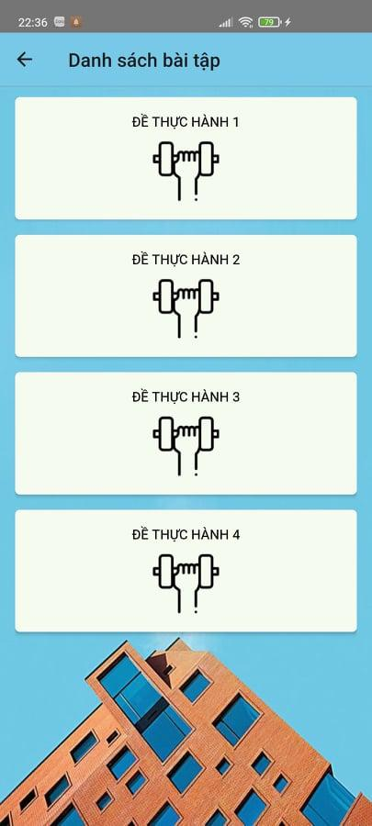
TC_01 | [Luyện tập] button |  |  | Alignment=center, under [Chúng ta bắt đầu nào] label | Alignment=center, under [Chúng ta bắt đầu nào] label | Pass | 2021-05-30 | Loc | Pass | 01-Jun-2021 | Loc
 |  |  |  | Type= "button" | Type= "button"
TC_02 | [Practice list] button |  |  | Alignment=center , center of screen | Alignment=center , center of screen | Pass | 2021-05-30 | Loc | Pass | 01-Jun-2021 | Loc
 |  |  |  | Type= "button" | Type= "button"
TC_03 | [Practice content] textbox | Access Practice screen and press [Practice] button |  | Alignment=center | Alignment=center | Pass | 2021-05-30 | Loc | Pass | 01-Jun-2021 | Loc
 |  |  |  | Type= "textbox" | Type= "textbox"
TC_04 | [Question content] textbox |  |  | Alignment=middle, after click [Làm bài tập] button | Alignment=middle, after click [Làm bài tập] button | Pass | '10 - Apr - 2021 | Loc | Pass | 13 - Apr - 2021 | Loc
 |  |  |  | type="textbox" | type="textbox"
TC_05 | [Answer Choose] radiobutton |  |  | Alignment=left, under [Report button] | Alignment=left, under [Report button] | Pass | '10 - Apr - 2021 | Loc | Pass | 13 - Apr - 2021 | Loc
 |  |  |  | type="radiobutton" | type="radiobutton"
TC_06 | [Report] button |  |  | Alignment=left, above [Answer Choose] radiobutton | Alignment=left, above [Answer Choose] radiobutton | Pass | '10 - Apr - 2021 | Loc | Pass | 13 - Apr - 2021 | Loc
 |  |  |  | type="button" | type="button"
TC_07 | [Nộp bài] button |  |  | Alignment=center, under[Question content] textbox | Alignment=center, under[Question content] textbox | Pass | '10 - Apr - 2021 | Loc | Pass | 13 - Apr - 2021 | Loc
 |  |  |  | type="button" | type="button"
TC_08 | [Result] textbox |  |  | Alignment=center | Alignment=center | Pass | '10 - Apr - 2021 | Loc | Pass | 13 - Apr - 2021 | Loc
 |  |  |  | type="textbox" | type="textbox"
TC_09 | [Kết thúc] button |  |  | Alignment=right, under[Result] button | Alignment=right, under[Result] button | Pass | '10 - Apr - 2021 | Loc | Pass | 13 - Apr - 2021 | Loc
 |  |  |  | type="button" | type="button"
TC_10 | [Xem đáp án/ Làm lại]button |  |  | Alignment=right, under[Kết thúc] button | Alignment=right, under[Kết thúc] button | Pass | 10 - Apr - 2021 | Loc | Pass | 13 - Apr - 2021 | Loc
 |  |  |  | type="button" | type="button"
Functional Testing
TC_11 | Select on the answers on the question texbox |  | 1. Successful logining in Home page 2. Click on [Luyện tập] button 3. Click on [Practice list] button | After choosing, a blue tick will appear on the selected answer | After choosing, a blue tick will appear on the selected answer | Pass | 2021-05-30 | Loc | Pass | 31/05/20211 | Loc

TC_12 | Click the [Nộp bài] button to see the score |  | 1. Successful logining in Home page 2. Click on [Luyện tập] button 3. Click on [Practice list] button 4. Select all answer | Display the number of points achieved | Display the number of points achieved | Fail | 2021-05-30 | Loc | Pass | 31/05/20211 | Loc

TC_13 | Click the [Kết thúc] button to navigate home screen |  | 1. Successful logining in Home page 2. Click on [Luyện tập] button 3. Click on [Practice list] button 4. Select all answer 5. Click [Nộp bài]button | Display home screen | Display home screen | Pass | 2021-05-30 | Loc | Pass | 31/05/20211 | Loc
TC_14 | Click the [Xem đáp án] button to see the answers to the questions |  | 1. Successful logining in Home page 2. Click on [Luyện tập] button 3. Click on [Practice list] button 4. Select all answer 5. Click [Nộp bài]button | Display result screen | Display result screen | Pass | 2021-05-30 | Loc | Pass | 31/05/20211 | Loc
TC_04 | Click [Report] button |  | 1. Successful logining in Home page 2. Click on [Luyện tập] button 3. Click on [Practice list] button | Display report screen | Display report screen | Pass | 2021-05-30 | Loc | Pass | 31/05/20211 | Loc
TC_05 | Enter the content you want to report into textinput |  | 1. Successful logining in Home page 2. Click on [Luyện tập] button 3. Click on [Practice list] button 4. Click on [Report] button 5. Click on [Submit] button | The report content of the question is sent to the system admin | The report content of the question is sent to the system admin | Pass | 2021-05-30 | Loc | Pass | 31/05/20211 | Loc
TC_06 | Click[Cancel]button |  | 1. Successful logining in Home page 2. Click on [Luyện tập] button 3. Click on [Practice list] button 4. Click on [Report] button | Go back exam content screen | Go back exam content screen | Pass | 2021-05-30 | Loc | Pass | 31/05/20211 | Loc

Register FE
Module Code | Register
Check Requirement
Tester
Status | Pass | Fail |  | Not Run | N/A |  | Number of test case
Round test 1 | 7 | 0 |  | 0 | 0 |  | 7
Round test 2 | 7 | 0 |  | 0 | 0 |  | 7

Test Case ID | Test case Description | Pre-condition | Step | Excepted Output | Actual Output | Result |  |  | Result |  |  | Note
 |  |  |  |  |  | Round test 1 |  |  | Round test 2
 |  |  |  |  |  | Status | Test Date | Tester | Status | Test Date | Tester
GUI Testing
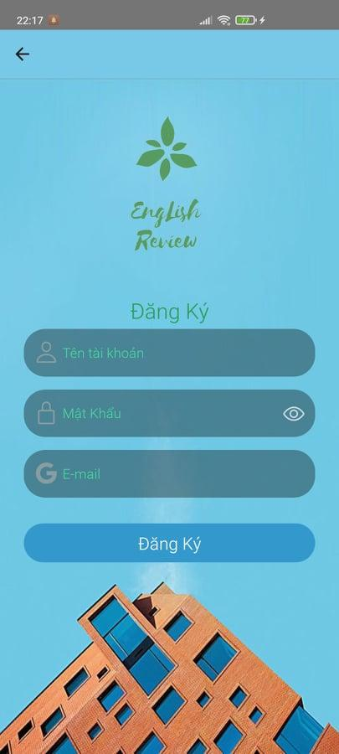
TC_01 | [Tên tài khoản] textbox |  |  | Alignment=middle, under [Đăng ký] label | Alignment=middle, under [Đăng ký] label | Pass | '10 - Apr - 2021 | Loc | Pass | 13 - Apr - 2021 | Loc
 |  |  |  | Type="textbox" | Type="textbox"
TC_02 | [Password] textbox |  |  | Alignment=middle, under [Tên tài khoản] textbox | Alignment=middle, under [Tên tài khoản] textbox | Pass | '10 - Apr - 2021 | Loc | Pass | 13 - Apr - 2021 | Loc
 |  |  |  | Type="textbox" | Type="textbox"
TC_03 | [Email] textbox |  |  | Alignment=middle, under [Password] textbox | Alignment=middle, under [Password] textbox | Pass | '10 - Apr - 2021 | Loc | Pass | 13 - Apr - 2021 | Loc
 |  |  |  | Type="textbox" | Type="textbox"
TC_04 | [Đăng Ký] button |  |  | Alignment=middle, under [Email] textbox | Alignment=middle, under [Email] textbox | Pass | 10 - Apr - 2021 | Loc | Pass | 13 - Apr - 2021 | Loc
 |  |  |  | Type="button" | Type="button"
Functional Testing
TC_05 | Verify user can login with valid information | Connect to internet | Step 1: Navigate to the login Screen Step 2: Click [Tạo tài khoản] button Step 3: Register with valid user name, password and email Step 4: Click [Đăng ký] button | 1. Display message "Bạn đã đăng ký thành công" 2. Login screen display | 1. Display message "Bạn đã đăng ký thành công" 2. Login screen display | Pass | 10 - Apr - 2021 | Loc | Pass | 13 - Apr - 2021 | Loc
TC_06 | Verify error message displayed on register with no data input | Connect to internet | Step 1: Navigate to the login Screen Step 2: Click [Tạo tài khoản] button Step 3: Register with valid user name, password and email Step 4: Click [Đăng ký] button | 1. Display message "Vui lòng điền đầy đủ thông tin". | 1. Display message "Vui lòng điền đầy đủ thông tin". | Pass | 10 - Apr - 2021 | Loc | Pass | 13 - Apr - 2021 | Loc
TC_07 | Verify display error message when login with invalid data | Connect to internet | Step 1: Navigate to the login Screen Step 2: Click [Tạo tài khoản] button Step 3: Register with valid user name, password and email Step 4: Click [Đăng ký] button | 1. Display message "Vui lòng điền đầy đủ thông tin". | 1. Display message "Vui lòng điền đầy đủ thông tin". | Pass | 10 - Apr - 2021 | Loc | Pass | 13 - Apr - 2021 | Loc

