Sheet1
Babyever婴儿头型矫正
编号
姓名
生日
报告日期
疗程
备注
Level(3) Measurements |  |  | 周数
Circumference | 头围 | 425.426 | (mm) | 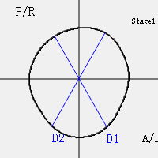
Cranial Breadth (M-L) | 颅宽 | 129.321 | (mm)
Cranial Length (A-P) | 颅长 | 142.171 | (mm)
Cephalic Ratio (M-L/A-P) | 颅骨比例 | 0.909614
Radial Symmetry Index (RSI) | 放射对称指数 | 19.8633 | (mm)
Oblique-Diagonal 1 at -30 degree (D1) | 对角线1 -30度 | 136.492 | (mm)
Oblique-Diagonal 2 at 30 degree (D2) | 对角线2 30度 | 139.984 | (mm)
Cranial Vault Asymmetry Index (CVAI) | 颅顶不对称指数 | 0.0249455 | %
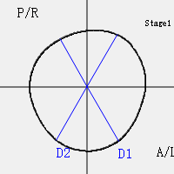
Level(5) Measurements
Circumference | 头围 | 414.78 | (mm)
Cranial Breadth (M-L) | 颅宽 | 129.203 | (mm)
Cranial Length (A-P) | 颅长 | 134.106 | (mm)
Cephalic Ratio (M-L/A-P) | 颅骨比例 | 0.96344
Radial Symmetry Index (RSI) | 放射对称指数 | 26.5827 | (mm)
Oblique-Diagonal 1 at -30 degree (D1) | 对角线1 -30度 | 130.924 | (mm)
Oblique-Diagonal 2 at 30 degree (D2) | 对角线2 30度 | 135.963 | (mm)
Cranial Vault Asymmetry Index (CVAI) | 颅顶不对称指数 | 0.0370648 | %
Level(8) Measurements
Circumference | 头围 | 303.993 | (mm) | 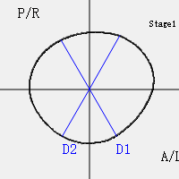
Cranial Breadth (M-L) | 颅宽 | 101.853 | (mm)
Cranial Length (A-P) | 颅长 | 91.6202 | (mm)
Cephalic Ratio (M-L/A-P) | 颅骨比例 | 1.11169
Radial Symmetry Index (RSI) | 放射对称指数 | 23.7609 | (mm)
Oblique-Diagonal 1 at -30 degree (D1) | 对角线1 -30度 | 91.5751 | (mm)
Oblique-Diagonal 2 at 30 degree (D2) | 对角线2 30度 | 95.7323 | (mm)
Cranial Vault Asymmetry Index (CVAI) | 颅顶不对称指数 | 0.043425 | %
Volumes(Level 2 to Level 8)
Q1 Volume (A/L) | 颅脑容积第一象限 | 228.932 | (cc)
Q2 Volume (A/R) | 颅脑容积第二象限 | 225.093 | (cc)
Q3 Volume (P/R) | 颅脑容积第三象限 | 205.059 | (cc)
Q4 Volume (P/L) | 颅脑容积第四象限 | 228.433 | (cc)
Anterior Symmetry Ratio (ASR) | 前颅对称指数 | 0.983234
Posterior Symmetry Ratio (PSR) | 后颅对称指数 | 0.897676
Overall Symmetry Ratio | 总对称指数 | 1.09531
Anterior-Posterior Volume Ratio | 颅脑容积前后比例 | 1.04737

