T01.01
T01.01 Significant institutions by country and classification
(number of institutions)

Country | Q1 2019 | Size | Q1 2019
Belgium | 7 | Banks with total assets
Germany | 21 | Less than €30 billion | 28
Estonia | 3 | Between €30 billion and €100 billion | 47
Ireland | 6 | Between €100 billion and €200 billion | 15
Greece | 4 | More than €200 billion | 16
Spain | 12 | G-SIBs 2) | 8
France | 11 | Total | 114
Italy | 12
Cyprus | 3
Latvia | 3
Lithuania | 2
Luxembourg | 6
 |  | Geographical diversification | Q1 2019
Malta | 3
Netherlands | 6 | Banks with significant domestic exposures 3) | 21
Austria | 6 | Banks with largest non-domestic exposures
Portugal | 3 | SSM | 59
Slovenia | 3 | Non-SSM EEA 4) | 17
Slovakia 1) | - | Non-EEA Europe 5) | 6
Finland | 3 | RoW 6) | 11
Total | 114 | Total | 114
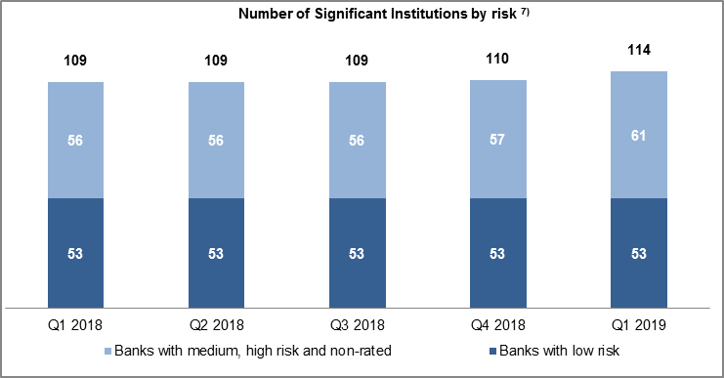

Source: ECB. Notes: Significant institutions at the highest level of consolidation for which common reporting (COREP) and financial reporting (FINREP) are available. The number of entities per reference period reflects changes resulting from amendments to the list of SIs following assessments by ECB Banking Supervision, which generally occur on an annual basis, and mergers and acquisitions. 1) There are no significant institutions at the highest level of consolidation in Slovakia. 2) G-SIBs: global systemically important banks. Data based on the last available list of G-SIBs as published by the Financial Stability Board. 3) Domestic exposures more than 95% of total debt securities and loans and advances. 4) Countries in the European Economic Area (EEA) not participating in the Single Supervisory Mechanism (SSM). 5) European countries not in the EEA. 6) RoW: rest of the world, i.e. all countries except European countries. 7) Risk-based classification using Supervisory Review and Evaluation Process (SREP) results. Non-rated banks are those which have not been assigned a score in a specific SREP cycle, owing for example a recent change in significance, a merger or restructuring, etc. Classification as non-rated does not therefore necessarily indicate a high risk.

