OrinPinOut
https://jetsonhacks.com/nvidia-jetson-agx-orin-gpio-header-pinout/

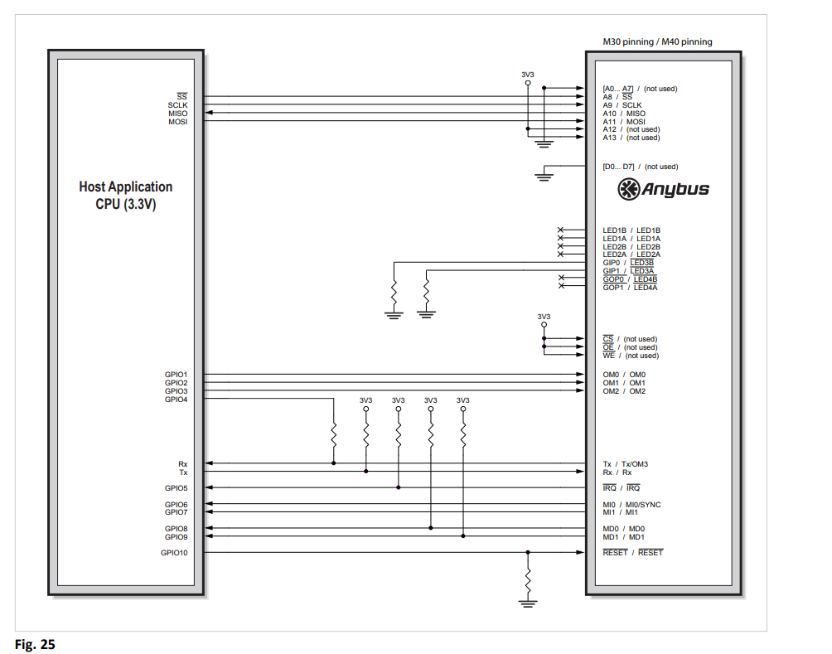
 | Jetson AGX Orin Expansion Header |  |  |  |  |  |  | anybus spi接続
 | Sysfs GPIO | Connector | Pin | Pin | Connector | Sysfs GPIO
 |  | Label |  |  | Label
 | 〇 | 3.3 VDC | 1 | 2 | 5.0 VDC
 |  | Power, 1A max |  |  | Power, 1A max
 |  | I2C5_DAT | 3 | 4 | 5.0 VDC
 |  | General I2C5 Data |  |  | Power, 1A max
 |  | I2C Bus 7
 |  | I2C5_CLK | 5 | 6 | GND
 |  | General I2C #5 Clock
 |  | I2C Bus 7
 |  | MCLK05 | 7 | 8 | UART1_TX
 |  | Audio Master Clock |  |  | UART #1 Transmit
 |  | GND | 9 | 10 | UART1_RX
 |  |  |  |  | UART #1 Receive
 |  | UART1_RTS | 11 | 12 | I2S2_CLK
 |  | UART #1 Request to Send |  |  | Audio I2S #2 Clock
 |  | GPIO32 | 13 | 14 | GND
 |  | GPIO #32
 |  | GPIO27 | 15 | 16 | GPIO8 | 〇 | IRQ

 |  | 3.3 VDC | 17 | 18 | GPIO35 | 〇 | RESET
 |  | Power, 1A max |  |  | GPIO
 | 〇 | SPI1_MOSI | 19 | 20 | GND
 |  | SPI #1 Master Out/Slave In
 | 〇 | SPI1_MISO | 21 | 22 | GPIO17
 |  | SPI #1 Master In/Slave Out |  |  | GPIO
 | 〇 | SPI1_SCK | 23 | 24 | SPI1_CS0_N | 〇
 |  | SPI #1 Shift Clock |  |  | SPI #1 Chip Select #0
 |  | GND | 25 | 26 | SPI1_CS1_N
 |  |  |  |  | SPI #1 Chip Select #1
 |  | I2C2_DAT | 27 | 28 | I2C2_CLK
 |  | General I2C #2 Data |  |  | General I2C #2 Clock
 |  | I2C Bus 1 |  |  | I2C Bus 1
 |  | CAN0_DIN | 29 | 30 | GND
 |  | CAN #0 Data In
 |  | CAN0_DOUT | 31 | 32 | GPIO9
 |  | CAN #0 Data Out
 |  | CAN1_DOUT | 33 | 34 | GND
 |  | CAN #1 Data Out
 |  | I2S_FS | 35 | 36 | UART1_CTS
 |  | AUDIO I2S #2 Left/Right Clock |  |  | UART #1 Clear to Send
 |  | CAN1_DIN | 37 | 38 | I2S_SDIN
 |  | CAN #1 Data In |  |  | Audio I2S #2 Data In
 | 〇 | GND | 39 | 40 | I2S_SDOUT
 |  |  |  |  | Audio I2S #2 Data Out

