Country Data
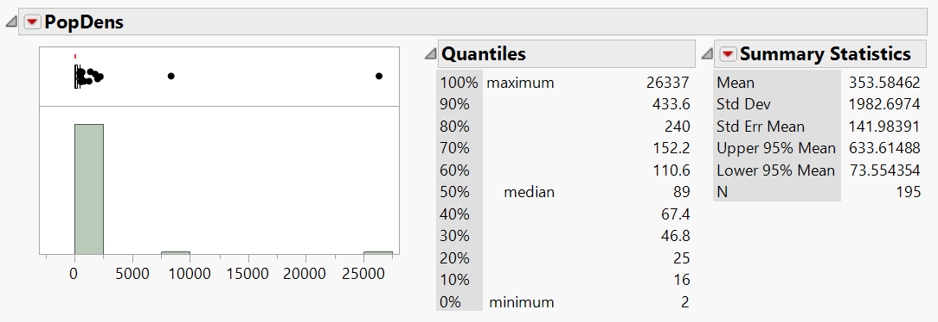
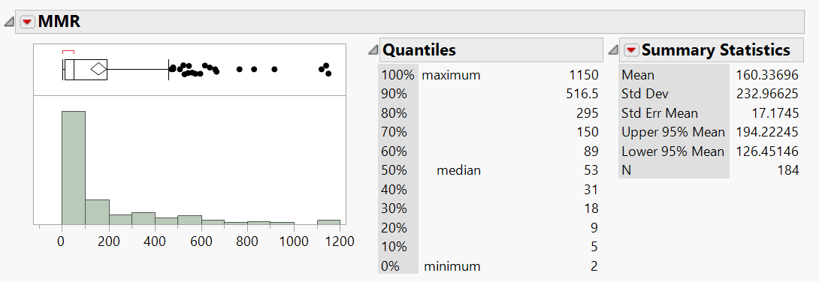
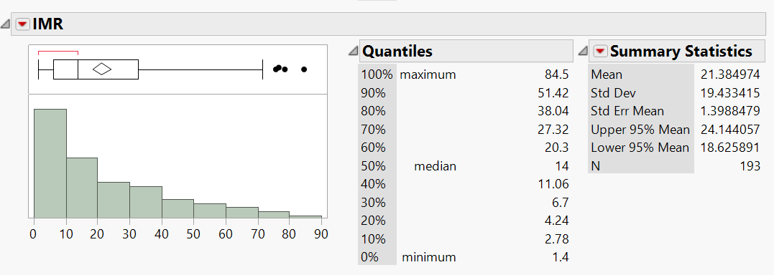
Country Data
Source | Source | Source | Source | Source
Country | 2020 Population Density (P/Km²) | Maternal Mortality Rate | Infant Mortality Rate | Crime Rate Index
Afghanistan | 60 | 638 | 47.9 | 73.26
Albania | 105 | 15 | 7.8 | 40.02
Algeria | 18 | 112 | 20.1 | 54.41
Andorra | 164 |  | 2.7
Angola | 26 | 241 | 51.6
Antigua and Barbuda | 223 | 42 | 5.0 | 62.96
Argentina | 17 | 39 | 8.8 | 20.78
Armenia | 104 | 26 | 11.0 | 42.7
Australia | 3 | 6 | 3.1 | 23.23
Austria | 109 | 5 | 2.9 | 32.68
Azerbaijan | 123 | 26 | 19.2
Bahamas | 39 | 70 | 8.3
Bahrain | 2239 | 14 | 6.1 | 29.18
Bangladesh | 1265 | 173 | 25.1 | 64.98
Barbados | 668 | 27 | 11.3
Belarus | 47 | 2 | 2.6 | 24.8
Belgium | 383 | 5 | 2.9 | 42.5
Belize | 17 | 36 | 11.2
Benin | 108 | 397 | 60.5
Bhutan | 20 | 183 | 24.8
Bolivia | 11 | 155 | 21.8 | 54.31
Bosnia and Herzegovina | 64 | 10 | 5.0 | 43.57
Botswana | 4 | 144 | 30.0 | 52.89
Brazil | 25 | 60 | 12.8 | 69.48
Brunei | 83 | 31 | 9.8 | 28.05
Bulgaria | 64 | 10 | 5.9 | 39.31
Burkina Faso | 76 | 320 | 49.0
Burundi | 463 | 548 | 41.0
Cabo Verde | 138 | 58 | 16.7
Cambodia | 95 | 160 | 24.0 | 51.8
Cameroon | 56 | 529 | 50.6
Canada | 4 | 10 | 4.3 | 39.48
Central African Republic | 8 | 829 | 84.5
Chad | 13 | 1140 | 71.4
Chile | 26 | 13 | 6.2 | 47.12
China | 153 | 29 | 7.4 | 36.7
Colombia | 46 | 83 | 12.2 | 52.54
Comoros | 467 | 273 | 51.3
Congo (Congo-Brazzaville) | 16 | 378 | 36.2
Costa Rica | 100 | 27 | 7.6 | 55.77
Côte d'Ivoire | 83 | 617 | 59.4
Croatia | 73 | 8 | 4.0 | 24.23
Cuba | 106 | 36 | 3.7 | 27.62
Cyprus | 131 | 6 | 1.9 | 29.62
Czechia (Czech Republic) | 139 | 3 | 2.7 | 25.99
Democratic Republic of the Congo | 40 | 473 | 68.2 | 24.72
Denmark | 137 | 4 | 3.6
Djibouti | 43 | 248 | 49.8
Dominica | 96 |  | 32.9
Dominican Republic | 225 | 95 | 24.1 | 60.62
Ecuador | 71 | 59 | 12.2 | 48.91
Egypt | 103 | 37 | 18.1 | 48.53
El Salvador | 313 | 46 | 11.8 | 68.63
Equatorial Guinea | 50 | 301 | 62.6
Eritrea | 35 | 480 | 31.3
Estonia | 31 | 9 | 2.1 | 22.17
Eswatini (fmr. "Swaziland") | 67 | 437 | 43.0
Ethiopia | 115 | 401 | 39.1 | 47.46
Fiji | 49 | 34 | 21.6 | 60.52
Finland | 18 | 3 | 1.4 | 22.75
France | 119 | 8 | 3.4 | 46.45
Gabon | 9 | 252 | 32.7
Gambia | 239 | 597 | 39.0
Georgia | 57 | 25 | 8.7 | 20.18
Germany | 240 | 7 | 3.1 | 34.6
Ghana | 137 | 308 | 34.9 | 51.57
Greece | 81 | 3 | 3.6 | 39.29
Grenada | 331 | 25 | 13.7
Guatemala | 167 | 95 | 22.1 | 56.05
Guinea | 53 | 576 | 64.9
Guinea-Bissau | 70 | 667 | 54.0
Guyana | 4 | 169 | 25.1
Haiti | 414 | 480 | 49.5
Holy See | 2003
Honduras | 89 | 65 | 15.1 | 75.84
Hungary | 107 | 12 | 3.6 | 35.41
Iceland | 3 | 4 | 1.5 | 23.15
India | 464 | 145 | 29.9 | 42.38
Indonesia | 151 | 177 | 21.1 | 46.26
Iran | 52 | 16 | 12.4 | 49.03
Iraq | 93 | 79 | 22.5 | 46.35
Ireland | 72 | 5 | 3.1 | 46.18
Israel | 400 | 3 | 3.0 | 30.71
Italy | 206 | 2 | 2.6 | 44.35
Jamaica | 273 | 80 | 12.4 | 65.26
Japan | 347 | 5 | 1.8 | 15.91
Jordan | 115 | 46 | 13.9 | 42.89
Kazakhstan | 7 | 10 | 8.8 | 64.23
Kenya | 94 | 342 | 30.6 | 62.38
Kiribati | 147 | 92 | 41.2
Kuwait | 240 | 12 | 6.7 | 35.61
Kyrgyzstan | 34 | 60 | 16.9
Laos | 32 | 185 | 37.6
Latvia | 30 | 19 | 3.3 | 36.6
Lebanon | 667 | 29 | 6.4 | 43.38
Lesotho | 71 | 544 | 65.7
Liberia | 53 | 661 | 53.5
Libya | 4 | 72 | 10.2 | 61.26
Liechtenstein | 238
Lithuania | 43 | 8 | 3.3 | 34.82
Luxembourg | 242 | 5 | 1.9 | 30.17
Madagascar | 48 | 335 | 38.2
Malawi | 203 | 349 | 35.3
Malaysia | 99 | 29 | 6.7 | 60.66
Maldives | 1802 | 53 | 7.4 | 53.83
Mali | 17 | 562 | 62.0
Malta | 1380 | 6 | 6.1 | 37.73
Marshall Islands | 329 |  | 27.4
Mauritania | 5 | 766 | 51.5
Mauritius | 626 | 61 | 13.6 | 47.34
Mexico | 66 | 33 | 11.0 | 52.51
Micronesia | 164 | 88 | 25.6
Moldova | 123 | 19 | 13.6 | 45.7
Monaco | 26337 |  | 2.6
Mongolia | 2 | 45 | 14.0 | 57.76
Montenegro | 47 | 6 | 2.3 | 39.67
Morocco | 83 | 70 | 19.2 | 49.53
Mozambique | 40 | 289 | 54.0
Myanmar (formerly Burma) | 83 | 250 | 36.8
Namibia | 3 | 195 | 29.0 | 68.14
Nauru | 541 |  | 26.4
Nepal | 203 | 186 | 26.7 | 35.7
Netherlands | 508 | 5 | 3.3 | 28.54
New Zealand | 18 | 9 | 4.7 | 40.89
Nicaragua | 55 | 98 | 15.7 | 44.34
Niger | 19 | 509 | 48.0
Nigeria | 226 | 917 | 75.7 | 64.64
North Korea | 214 | 89 | 13.7
North Macedonia | 83 | 7 | 8.7
Norway | 15 | 2 | 2.1 | 33.51
Oman | 16 | 19 | 9.8 | 21.55
Pakistan | 287 | 140 | 57.2 | 44.58
Palau | 39 |  | 16.6
Palestine State | 847 | 27 | 17.3
Panama | 58 | 52 | 13.1 | 45.47
Papua New Guinea | 20 | 145 | 38.0 | 80.26
Paraguay | 18 | 129 | 17.2
Peru | 26 | 88 | 11.1 | 64.58
Philippines | 368 | 121 | 22.5 | 41.09
Poland | 124 | 2 | 3.8 | 29.67
Portugal | 111 | 8 | 3.1 | 30.11
Qatar | 248 | 9 | 5.8 | 12
Romania | 84 | 19 | 6.1 | 27.84
Russia | 9 | 17 | 6.1 | 41.7
Rwanda | 525 | 248 | 27.0
Saint Kitts and Nevis | 205 |  | 9.8
Saint Lucia | 301 | 117 | 14.9
Saint Vincent and the Grenadines | 284 | 68 | 14.8
Samoa | 70 | 43 | 13.6
San Marino | 566 |  | 1.7
Sao Tome and Principe | 228 | 130 | 24.4
Saudi Arabia | 16 | 17 | 6.0 | 28.22
Senegal | 87 | 315 | 31.8
Serbia | 100 | 12 | 4.8 | 37.63
Seychelles | 214 | 53 | 12.4
Sierra Leone | 111 | 1120 | 78.5
Singapore | 8358 | 8 | 2.3 | 27.7
Slovakia | 114 | 5 | 4.6 | 29.18
Slovenia | 103 | 7 | 1.7 | 22.01
Solomon Islands | 25 | 104 | 17.1 | 58.74
Somalia | 25 | 829 | 76.6 | 77.02
South Africa | 49 | 119 | 28.5 | 29.24
South Korea | 527 | 11 | 2.7
South Sudan | 18 | 1150 | 63.7
Spain | 94 | 4 | 2.5 | 31.07
Sri Lanka | 341 | 36 | 6.4 | 40.15
Sudan | 25 | 295 | 42.1
Suriname | 4 | 120 | 16.9
Sweden | 25 | 4 | 2.2 | 47.21
Switzerland | 219 | 5 | 3.7 | 21.18
Syria | 95 | 31 | 14.0 | 66.91
Tajikistan | 68 | 17 | 30.4
Tanzania | 67 | 524 | 37.6 | 59.83
Thailand | 137 | 37 | 7.8 | 41.29
Timor-Leste | 89 | 142 | 39.3
Togo | 152 | 396 | 47.4
Tonga | 147 | 52 | 13.4
Trinidad and Tobago | 273 | 67 | 16.4 | 73.15
Tunisia | 76 | 43 | 14.6 | 40.64
Turkey | 110 | 17 | 9.1 | 39.86
Turkmenistan | 13 | 7 | 39.3
Tuvalu | 393 |  | 20.6
Uganda | 229 | 375 | 33.8 | 56.47
Ukraine | 75 | 19 | 7.5 | 49.04
United Arab Emirates | 118 | 3 | 6.5 | 15.52
United Kingdom | 281 | 7 | 3.6 | 43.64
United States of America | 36 | 19 | 5.6 | 46.73
Uruguay | 20 | 17 | 6.4 | 52.33
Uzbekistan | 79 | 29 | 19.1
Vanuatu | 25 | 72 | 22.3
Venezuela | 32 | 125 | 21.4 | 84.86
Vietnam | 314 | 43 | 16.5 | 48.22
Yemen | 56 | 164 | 42.9
Zambia | 25 | 213 | 40.4
Zimbabwe | 38 | 458 | 33.9 | 53.84
 |  | 0
Average | 354 | 160 | 21 | 44
Standard Deviation | 1983 | 233 | 19 | 15

