UI Test Cases
Test ID | Area | Change under test | Steps (UI) | Expected result | Pass / Fail | Screenshot
01 | Analyst — AI summary removed | AI order review summary UI / API removed | 1. Login analyst portal. 2. Open Fraud Dashboard. 3. Open any order in Single Order Investigation. 4. Scan the investigation panel top-to-bottom. | No AI Summary / AI Recommendation panel, button, or section on the order investigation page. Core sections remain (hero, flagged reason, customer/order details, security, decision). | Pass | 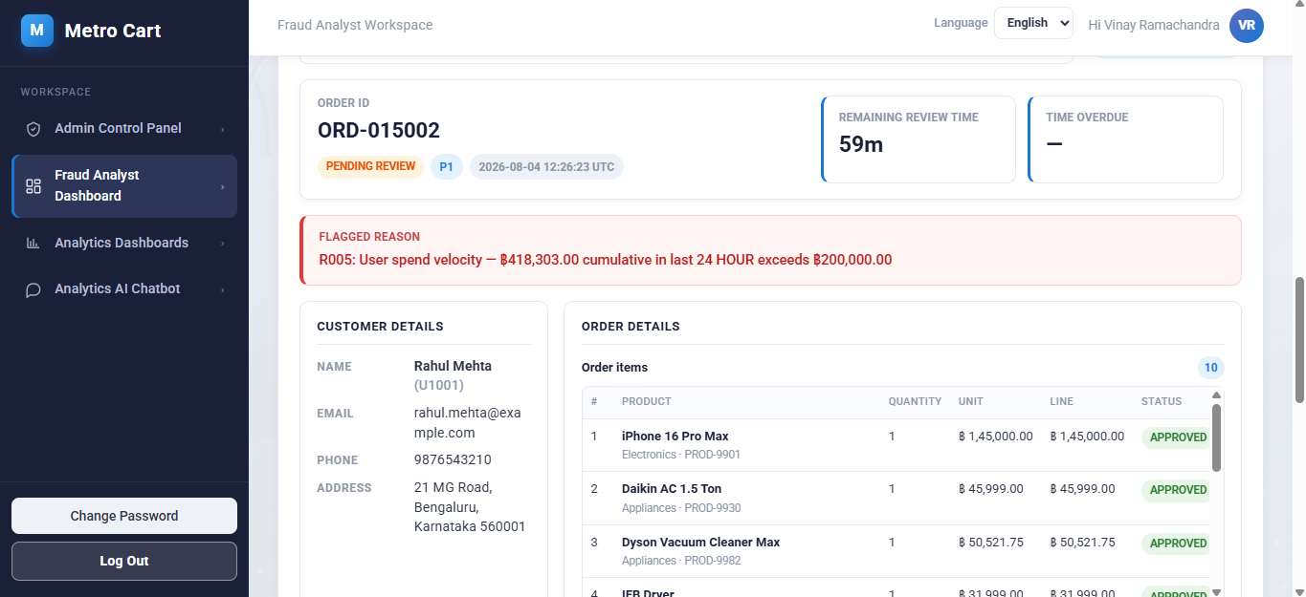
02 | Analyst — Investigation hero | Order ID + remaining/overdue timing combined into one hero card | 1. Open Fraud Dashboard with a queue order. 2. In Single Order Investigation, select an order. 3. Look at the top card under the order selector. | One hero card shows Order ID (status/program/timestamp) AND Remaining review / Time overdue metrics together — not separate distant cards. | Pass | 
03 | Analyst — Flagged reason | Flagged reason moved directly under Order ID hero card | 1. Open an order that has a flagged_reason (fraud rule hit). 2. Check vertical order of sections under the hero. | Flagged reason appears immediately under the Order ID hero card, before Customer details / Order details. Text aligns with shared panel gutters (not indented oddly). | Pass | 
04 | Analyst — Decision placement | Analyst Decision after Security actions; Approve/Reject/Mark Fraud + comments kept | 1. Open an ON_HOLD or PENDING_REVIEW order. 2. Scroll the investigation panel. 3. Confirm section order, then try comments + buttons (smoke only). | Section order: Hero → Flagged reason → Customer/Order details → Security actions → Analyst Decision (comments + Approve / Reject / Mark Fraud). Buttons still work; no nested page-inside-page scroll box for the investigation. | Pass | 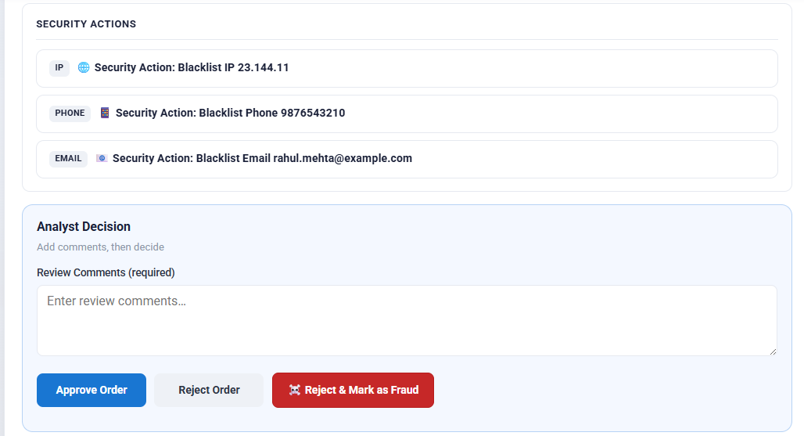
05 | Analyst — Layout / scroll | Removed nested page-inside-page scroll panel | 1. Open Single Order Investigation on a desktop-height window. 2. Scroll using the main page scrollbar only. 3. Resize window shorter and re-check. | Investigation content scrolls with the main portal page. No inner nested scroll frame trapping the investigation content. | Pass | 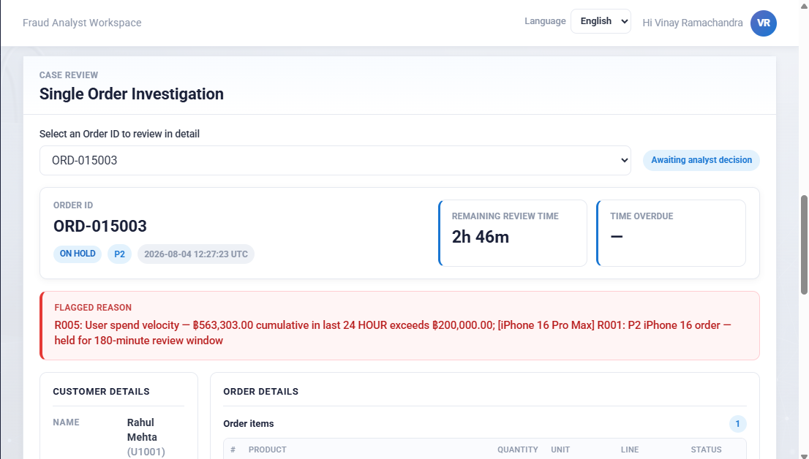
06 | Analyst — Core intact (smoke) | Fraud queue / Approve / Reject / Mark Fraud still available | 1. Confirm Review queue table still lists orders. 2. On one review order: enter a comment. 3. Click Approve (or Reject / Mark Fraud on a disposable test order). | Queue visible; decision actions succeed and order leaves review queue. | Pass |  
07 | Customer — Vouchers placement | Vouchers independent control top-right of Shop heading (not global topbar) | 1. Login customer portal → open Shop. 2. Look at page heading (Shop / browse title). 3. Check global topbar separately. | Compact Vouchers pill sits top-right of the Shop page heading (beside title), NOT in the global topbar. Cart remains as header cart chip only. | Pass | 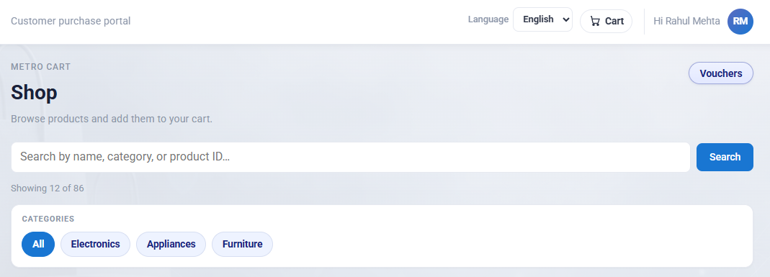
08 | Customer — Categories bar | Categories bar is product categories only (All / Electronics / Appliances / Furniture) | 1. On Shop, look at Categories filter under search. 2. Confirm chips present. 3. Confirm Vouchers is NOT a category chip in that bar. | Categories bar shows only product categories (e.g. All, Electronics, Appliances, Furniture). Vouchers is separate (heading pill), not mixed into category chips. | Pass
09 | Customer — No View cart under Vouchers | Removed View cart button under Vouchers; cart stays in header chip | 1. On Shop page, inspect area near Vouchers and under the heading. 2. Click header cart chip to open cart. | No View cart button under Vouchers or in the shop heading actions. Cart access is via the header cart chip only. | Pass | 
10 | Customer — Vouchers behavior | Vouchers button filters gift vouchers; compact pill width | 1. Click Vouchers . 2. Confirm product grid shows voucher items only. 3. Click again to return to All (or click All). | Vouchers toggles voucher catalog; button is a compact pill (not full-width). Active styling when selected. | Pass | 