Sheet1
Characteristics of portfolio (Please provide real numbers instead of percentages. For example, use 0.02 instead of 2%.) |  |  | Monthly Portfolio returns (Please provide real numbers instead of percentages. For example, use 0.02 instead of 2%.)
 | Value-weighted portfolio | Minimum variance portfolio |  | Value-weighted portfolio | Minimum variance portfolio
Annualized average return | 0.081563432099 | 0.078751947299 | Jan-14 | -0.070264980043 | -0.036498653957
Annualized volatility | 0.15677240044 | 0.10807480369 | Feb-14 | 0.020776226867 | 0.019659620319
Annualized cumulative return | 0.071555665292 | 0.075519764617 | Mar-14 | 0.044677235741 | 0.015539127999
Sharp ratio | 0.52026652567 | 0.72867999397 | Apr-14 | 0.0067951701251 | 0.027346413041
Minimum monthly return | -0.16760634465 | -0.074699154121 | May-14 | 0.0433962018 | 0.0062623365605
Maximum monthly return | 0.13442886726 | 0.13672730682 | Jun-14 | 0.035695302681 | 0.013200438665
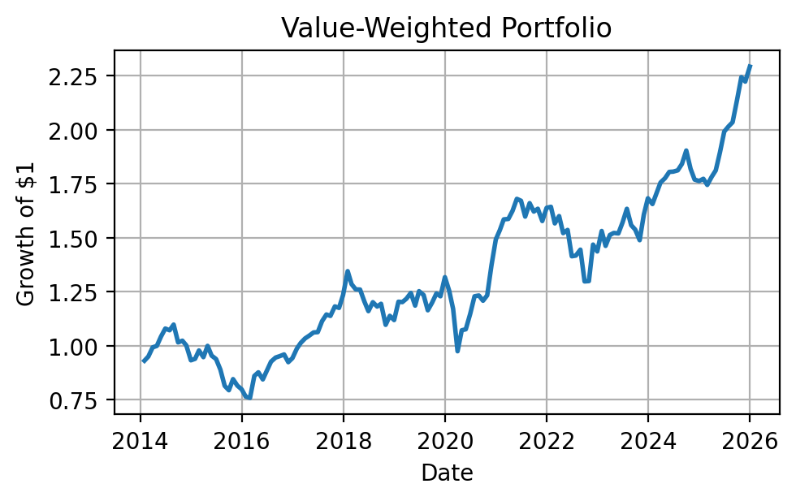
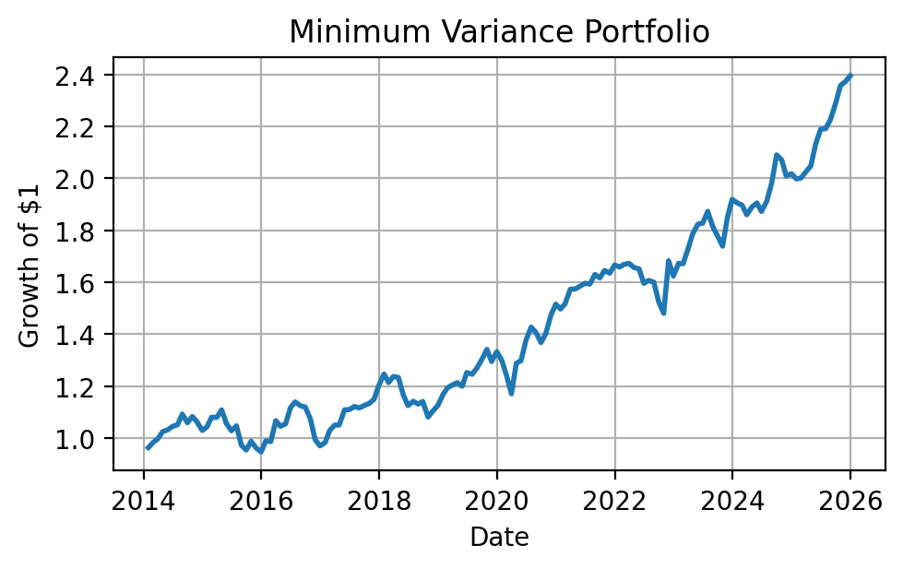
Plot of the cumulative return | (insert your plot here) | (insert your plot here) | Jul-14 | -0.0073610262604 | 0.0063408941878
 |  |  | Aug-14 | 0.024634943495 | 0.038771212125
 |  |  | Sep-14 | -0.075311352747 | -0.030503543754
 |  |  | Oct-14 | 0.007756588666 | 0.022819068014
 |  |  | Nov-14 | -0.021263239168 | -0.018872285326
 |  |  | Dec-14 | -0.069010072059 | -0.031168834379
 |  |  | Jan-15 | 0.0073393314539 | 0.013711526218
 |  |  | Feb-15 | 0.041413903614 | 0.035085084319
 |  |  | Mar-15 | -0.03181535717 | -0.00077449173018
 |  |  | Apr-15 | 0.055208422627 | 0.027068266631
 |  |  | May-15 | -0.045193961456 | -0.046310659176
 |  |  | Jun-15 | -0.016718371148 | -0.027704130068
 |  |  | Jul-15 | -0.052124520928 | 0.018603790342
 |  |  | Aug-15 | -0.084644223387 | -0.07187086909
 |  |  | Sep-15 | -0.024931332753 | -0.018331657753
 |  |  | Oct-15 | 0.064910293299 | 0.035113636787
 |  |  | Nov-15 | -0.03575581449 | -0.025910294444
 |  |  | Dec-15 | -0.021065356031 | -0.015961118775
 |  |  | Jan-16 | -0.042300235594 | 0.044734070849
 |  |  | Feb-16 | -0.0078763026839 | -0.0024388948982
 |  |  | Mar-16 | 0.13442886726 | 0.081470795593
 |  |  | Apr-16 | 0.019650899382 | -0.020140932138
 |  |  | May-16 | -0.037793920156 | 0.0090538264838
 |  |  | Jun-16 | 0.049775296482 | 0.058876729498
 |  |  | Jul-16 | 0.045742719591 | 0.019734862613
 |  |  | Aug-16 | 0.02043609851 | -0.012474817667
 |  |  | Sep-16 | 0.0070188851176 | -0.0052389192295
 |  |  | Oct-16 | 0.0081825293626 | -0.040047941327
 |  |  | Nov-16 | -0.037323418222 | -0.074699154121
 |  |  | Dec-16 | 0.020323295114 | -0.024343053545
 |  |  | Jan-17 | 0.047273857093 | 0.01357608536
 |  |  | Feb-17 | 0.02665901511 | 0.047086008572
 |  |  | Mar-17 | 0.020281455746 | 0.020189274059
 |  |  | Apr-17 | 0.011589769412 | 0.00037155703348
 |  |  | May-17 | 0.015040552871 | 0.055432376955
 |  |  | Jun-17 | 0.001160368966 | 0.00090131938712
 |  |  | Jul-17 | 0.04799108027 | 0.010662995906
 |  |  | Aug-17 | 0.027682043622 | -0.0046078312857
 |  |  | Sep-17 | -0.005707252266 | 0.0078750825161
 |  |  | Oct-17 | 0.038705627489 | 0.0073075102936
 |  |  | Nov-17 | -0.0058762125245 | 0.013640893923
 |  |  | Dec-17 | 0.051042460159 | 0.046281556871
 |  |  | Jan-18 | 0.089323468445 | 0.037243212097
 |  |  | Feb-18 | -0.044791306571 | -0.026187606143
 |  |  | Mar-18 | -0.018805102153 | 0.019006782327
 |  |  | Apr-18 | -0.00067263061472 | -0.0028225311222
 |  |  | May-18 | -0.043796140112 | -0.055504333848
 |  |  | Jun-18 | -0.0372771309 | -0.034419906807
 |  |  | Jul-18 | 0.035803693558 | 0.014919531288
 |  |  | Aug-18 | -0.016838058005 | -0.009778613903
 |  |  | Sep-18 | 0.010827143476 | 0.009075954559
 |  |  | Oct-18 | -0.081624482707 | -0.052533383336
 |  |  | Nov-18 | 0.038034616152 | 0.021536740332
 |  |  | Dec-18 | -0.017268152058 | 0.019532650459
 |  |  | Jan-19 | 0.076036908631 | 0.036610543949
 |  |  | Feb-19 | -0.0014832841798 | 0.022402864223
 |  |  | Mar-19 | 0.012969873439 | 0.0089176431945
 |  |  | Apr-19 | 0.02224224989 | 0.0080732050054
 |  |  | May-19 | -0.047315895565 | -0.011241324335
 |  |  | Jun-19 | 0.056412090106 | 0.043735496463
 |  |  | Jul-19 | -0.014400081185 | -0.0052864511889
 |  |  | Aug-19 | -0.057101210975 | 0.019147902007
 |  |  | Sep-19 | 0.030389718834 | 0.026278451341
 |  |  | Oct-19 | 0.03558394553 | 0.029621663974
 |  |  | Nov-19 | -0.01065678405 | -0.034936225209
 |  |  | Dec-19 | 0.072067386501 | 0.029278599944
 |  |  | Jan-20 | -0.048206475665 | -0.025028365086
 |  |  | Feb-20 | -0.066703237461 | -0.042486891857
 |  |  | Mar-20 | -0.16760634465 | -0.05917456638
 |  |  | Apr-20 | 0.099853737848 | 0.10041748396
 |  |  | May-20 | 0.0042477924712 | 0.0075609937144
 |  |  | Jun-20 | 0.06678052775 | 0.062043079721
 |  |  | Jul-20 | 0.07069760292 | 0.035391920428
 |  |  | Aug-20 | 0.0029634550627 | -0.01487788983
 |  |  | Sep-20 | -0.019760191592 | -0.027098249063
 |  |  | Oct-20 | 0.020766948963 | 0.025270555417
 |  |  | Nov-20 | 0.11387264618 | 0.049977657348
 |  |  | Dec-20 | 0.086330086838 | 0.029523712695
 |  |  | Jan-21 | 0.029032374368 | -0.012406426317
 |  |  | Feb-21 | 0.032351074003 | 0.012941898718
 |  |  | Mar-21 | 0.0011879898459 | 0.037428075333
 |  |  | Apr-21 | 0.023527729575 | 0.00054210605867
 |  |  | May-21 | 0.034363385297 | 0.0071740887786
 |  |  | Jun-21 | -0.005238501109 | 0.0066655689333
 |  |  | Jul-21 | -0.043975545404 | -0.0016845612633
 |  |  | Aug-21 | 0.039035113219 | 0.023200698006
 |  |  | Sep-21 | -0.023528283984 | -0.0081334718978
 |  |  | Oct-21 | 0.0081195572674 | 0.017538000141
 |  |  | Nov-21 | -0.034870571445 | -0.0061384955552
 |  |  | Dec-21 | 0.038772937113 | 0.019088791135
 |  |  | Jan-22 | 0.0029240922294 | -0.0044162790054
 |  |  | Feb-22 | -0.046784091717 | 0.0059296977687
 |  |  | Mar-22 | 0.021601714298 | 0.002369401686
 |  |  | Apr-22 | -0.04929689727 | -0.0094324379303
 |  |  | May-22 | 0.0096383648035 | -0.0032651099393
 |  |  | Jun-22 | -0.079400587266 | -0.0337621119
 |  |  | Jul-22 | 0.0022528321892 | 0.0070456764296
 |  |  | Aug-22 | 0.019459220008 | -0.0043444073354
 |  |  | Sep-22 | -0.10194113215 | -0.047160765264
 |  |  | Oct-22 | 0.0012038192372 | -0.028982751321
 |  |  | Nov-22 | 0.13016429685 | 0.13672730682
 |  |  | Dec-22 | -0.02161397376 | -0.035055791691
 |  |  | Jan-23 | 0.065908336208 | 0.029692062666
 |  |  | Feb-23 | -0.045027471291 | -0.00032397168245
 |  |  | Mar-23 | 0.03462702521 | 0.034334842914
 |  |  | Apr-23 | 0.0062214081893 | 0.032845319279
 |  |  | May-23 | -0.0014989422294 | 0.021176425997
 |  |  | Jun-23 | 0.03338471223 | 0.0022552212068
 |  |  | Jul-23 | 0.040309613903 | 0.024703302654
 |  |  | Aug-23 | -0.04637740617 | -0.031085997758
 |  |  | Sep-23 | -0.013191739682 | -0.019494589091
 |  |  | Oct-23 | -0.031936609965 | -0.022664548286
 |  |  | Nov-23 | 0.07971419851 | 0.063642755568
 |  |  | Dec-23 | 0.047033963674 | 0.037590261089
 |  |  | Jan-24 | -0.015857875274 | -0.0072174139146
 |  |  | Feb-24 | 0.030224956429 | -0.0043422563644
 |  |  | Mar-24 | 0.029177409618 | -0.019538433587
 |  |  | Apr-24 | 0.011237300812 | 0.016192237925
 |  |  | May-24 | 0.016488726445 | 0.0082406429317
 |  |  | Jun-24 | 0.00073546466592 | -0.017245112091
 |  |  | Jul-24 | 0.0033345793496 | 0.021137851413
 |  |  | Aug-24 | 0.016383875487 | 0.035985617075
 |  |  | Sep-24 | 0.033666084054 | 0.055092128611
 |  |  | Oct-24 | -0.044585669573 | -0.0088994477717
 |  |  | Nov-24 | -0.027383350714 | -0.03019807266
 |  |  | Dec-24 | -0.0036936540355 | 0.0044587092673
 |  |  | Jan-25 | 0.0058095860696 | -0.010120982388
 |  |  | Feb-25 | -0.016023922257 | 0.0019754711675
 |  |  | Mar-25 | 0.021163031367 | 0.011979822752
 |  |  | Apr-25 | 0.017163109633 | 0.011078180934
 |  |  | May-25 | 0.045711084114 | 0.040874876786
 |  |  | Jun-25 | 0.051144996953 | 0.026953551568
 |  |  | Jul-25 | 0.012076508343 | 0.0011053375231
 |  |  | Aug-25 | 0.0094903825562 | 0.015483530811
 |  |  | Sep-25 | 0.050809593914 | 0.027718013535
 |  |  | Oct-25 | 0.049464209263 | 0.030727331151
 |  |  | Nov-25 | -0.0092903859711 | 0.0057760131019
 |  |  | Dec-25 | 0.031214262163 | 0.010257400079

