Summary
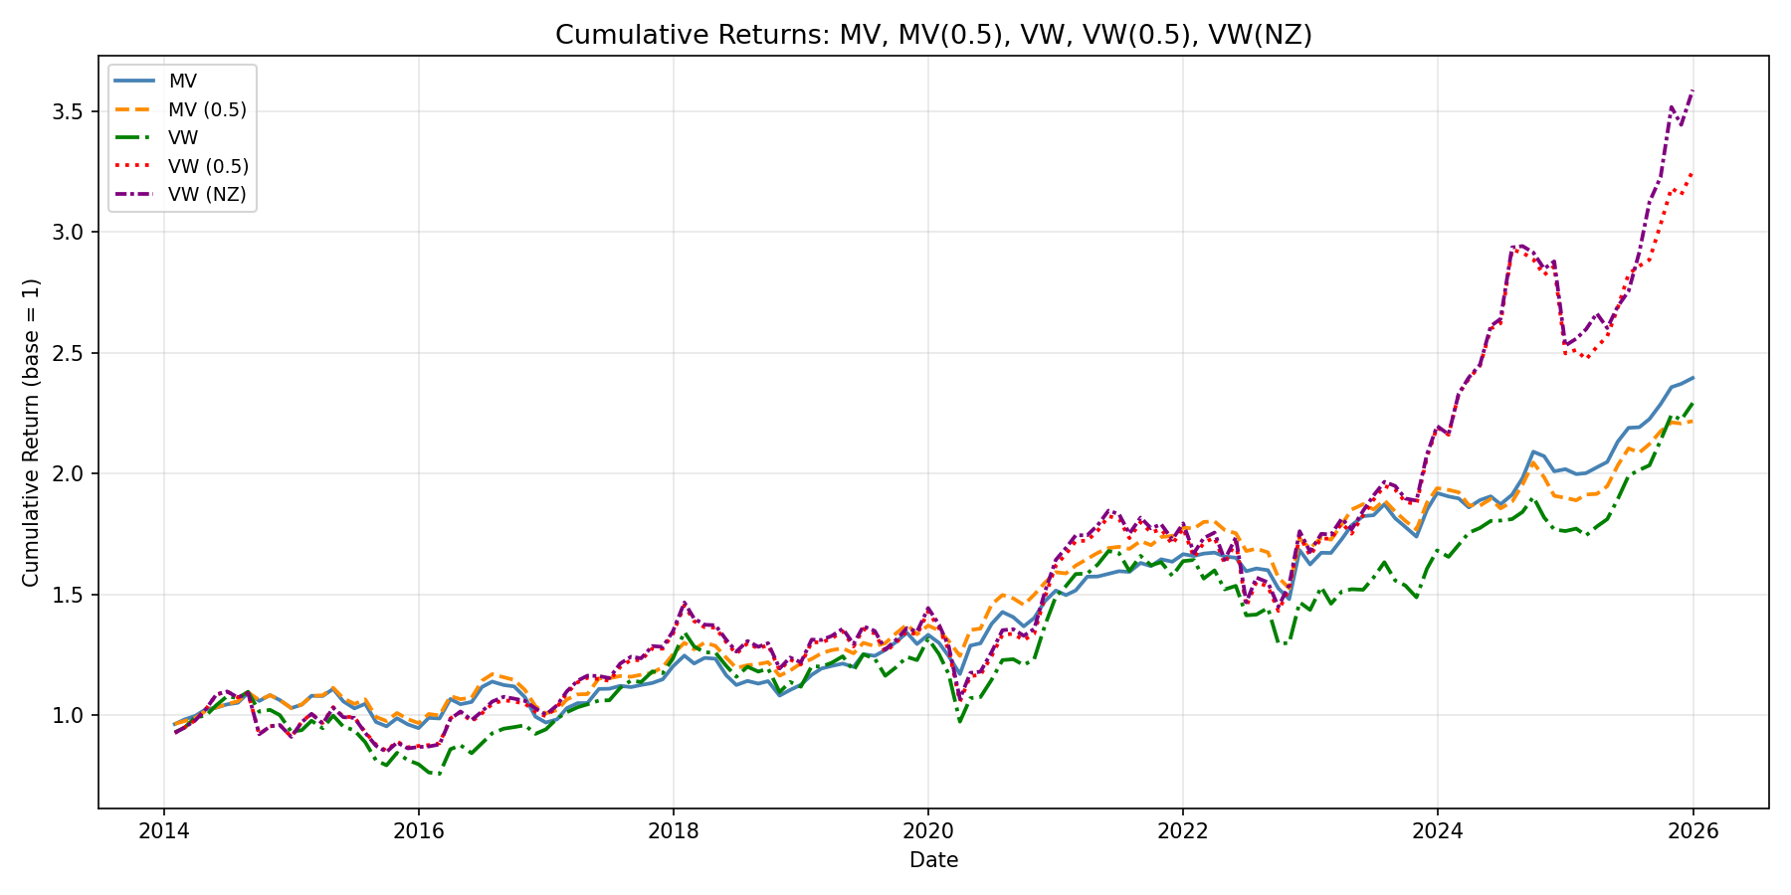
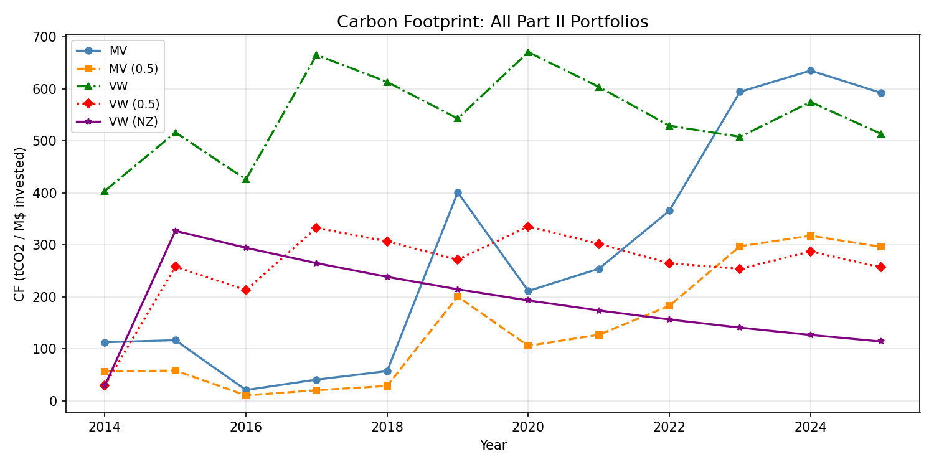
Part II - Portfolio Allocation with Carbon Objective

Financial performance

Carbon metrics

Figures

