Sheet1
Characteristics of portfolio (Please provide real numbers instead of percentages. For example, use 0.02 instead of 2%.) |  |  | Monthly Portfolio returns (Please provide real numbers instead of percentages. For example, use 0.02 instead of 2%.)
 | Value-weighted portfolio | Minimum variance portfolio |  | Value-weighted portfolio | Minimum variance portfolio
Annualized average return | 0.081563432099 | 0.078751947624 | Jan-14 | -0.070264980043 | -0.036498653831
Annualized volatility | 0.15677240044 | 0.10807480388 | Feb-14 | 0.020776226867 | 0.019659620416
Annualized cumulative return | 0.071555665292 | 0.075519764942 | Mar-14 | 0.044677235741 | 0.015539128211
Sharp ratio | 0.40879920138 | 0.5669864337 | Apr-14 | 0.0067951701251 | 0.027346412901
Minimum monthly return | -0.16760634465 | -0.07469915454 | May-14 | 0.0433962018 | 0.0062623364571
Maximum monthly return | 0.13442886726 | 0.13672730666 | Jun-14 | 0.035695302681 | 0.013200438487
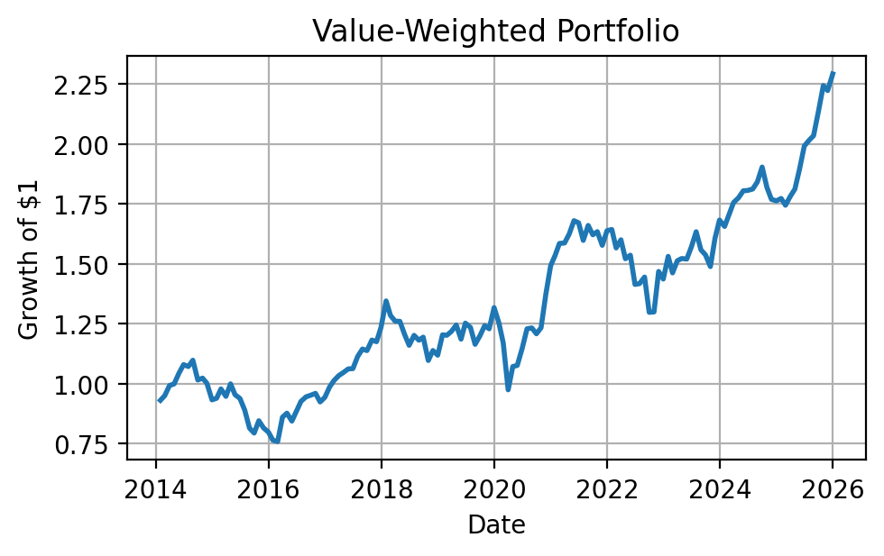
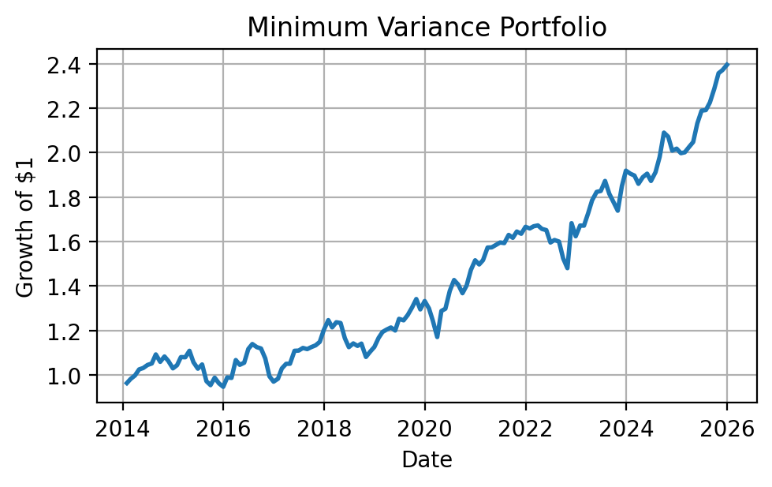
Plot of the cumulative return | (insert your plot here) | (insert your plot here) | Jul-14 | -0.0073610262604 | 0.0063408937002
 |  |  | Aug-14 | 0.024634943495 | 0.038771211971
 |  |  | Sep-14 | -0.075311352747 | -0.03050354376
 |  |  | Oct-14 | 0.007756588666 | 0.022819068021
 |  |  | Nov-14 | -0.021263239168 | -0.018872285437
 |  |  | Dec-14 | -0.069010072059 | -0.031168834255
 |  |  | Jan-15 | 0.0073393314539 | 0.013711526039
 |  |  | Feb-15 | 0.041413903614 | 0.035085083946
 |  |  | Mar-15 | -0.03181535717 | -0.00077449206457
 |  |  | Apr-15 | 0.055208422627 | 0.027068267042
 |  |  | May-15 | -0.045193961456 | -0.046310659196
 |  |  | Jun-15 | -0.016718371148 | -0.027704129896
 |  |  | Jul-15 | -0.052124520928 | 0.018603789411
 |  |  | Aug-15 | -0.084644223387 | -0.071870869332
 |  |  | Sep-15 | -0.024931332753 | -0.018331657734
 |  |  | Oct-15 | 0.064910293299 | 0.03511363643
 |  |  | Nov-15 | -0.03575581449 | -0.025910294085
 |  |  | Dec-15 | -0.021065356031 | -0.015961119249
 |  |  | Jan-16 | -0.042300235594 | 0.044734071493
 |  |  | Feb-16 | -0.0078763026839 | -0.0024388939068
 |  |  | Mar-16 | 0.13442886726 | 0.081470796037
 |  |  | Apr-16 | 0.019650899382 | -0.020140931718
 |  |  | May-16 | -0.037793920156 | 0.0090538263488
 |  |  | Jun-16 | 0.049775296482 | 0.058876729913
 |  |  | Jul-16 | 0.045742719591 | 0.0197348637
 |  |  | Aug-16 | 0.02043609851 | -0.012474818724
 |  |  | Sep-16 | 0.0070188851176 | -0.0052389193545
 |  |  | Oct-16 | 0.0081825293626 | -0.040047941408
 |  |  | Nov-16 | -0.037323418222 | -0.07469915454
 |  |  | Dec-16 | 0.020323295114 | -0.024343053371
 |  |  | Jan-17 | 0.047273857093 | 0.01357608547
 |  |  | Feb-17 | 0.02665901511 | 0.047086008122
 |  |  | Mar-17 | 0.020281455746 | 0.020189274471
 |  |  | Apr-17 | 0.011589769412 | 0.00037155642713
 |  |  | May-17 | 0.015040552871 | 0.055432376998
 |  |  | Jun-17 | 0.001160368966 | 0.00090131969493
 |  |  | Jul-17 | 0.04799108027 | 0.010662995977
 |  |  | Aug-17 | 0.027682043622 | -0.0046078312117
 |  |  | Sep-17 | -0.005707252266 | 0.0078750829169
 |  |  | Oct-17 | 0.038705627489 | 0.0073075100979
 |  |  | Nov-17 | -0.0058762125245 | 0.01364089485
 |  |  | Dec-17 | 0.051042460159 | 0.046281556779
 |  |  | Jan-18 | 0.089323468445 | 0.037243211852
 |  |  | Feb-18 | -0.044791306571 | -0.026187605972
 |  |  | Mar-18 | -0.018805102153 | 0.019006782053
 |  |  | Apr-18 | -0.00067263061472 | -0.0028225312602
 |  |  | May-18 | -0.043796140112 | -0.055504333431
 |  |  | Jun-18 | -0.0372771309 | -0.034419907968
 |  |  | Jul-18 | 0.035803693558 | 0.014919531612
 |  |  | Aug-18 | -0.016838058005 | -0.0097786135944
 |  |  | Sep-18 | 0.010827143476 | 0.0090759544669
 |  |  | Oct-18 | -0.081624482707 | -0.052533383701
 |  |  | Nov-18 | 0.038034616152 | 0.021536740471
 |  |  | Dec-18 | -0.017268152058 | 0.01953265001
 |  |  | Jan-19 | 0.076036908631 | 0.036610543631
 |  |  | Feb-19 | -0.0014832841798 | 0.022402862947
 |  |  | Mar-19 | 0.012969873439 | 0.0089176438598
 |  |  | Apr-19 | 0.02224224989 | 0.0080732057704
 |  |  | May-19 | -0.047315895565 | -0.011241324228
 |  |  | Jun-19 | 0.056412090106 | 0.043735498387
 |  |  | Jul-19 | -0.014400081185 | -0.0052864508022
 |  |  | Aug-19 | -0.057101210975 | 0.019147905159
 |  |  | Sep-19 | 0.030389718834 | 0.026278451825
 |  |  | Oct-19 | 0.03558394553 | 0.029621664189
 |  |  | Nov-19 | -0.01065678405 | -0.034936226485
 |  |  | Dec-19 | 0.072067386501 | 0.02927859896
 |  |  | Jan-20 | -0.048206475665 | -0.02502836438
 |  |  | Feb-20 | -0.066703237461 | -0.042486890882
 |  |  | Mar-20 | -0.16760634465 | -0.059174566985
 |  |  | Apr-20 | 0.099853737848 | 0.10041748451
 |  |  | May-20 | 0.0042477924712 | 0.0075609930631
 |  |  | Jun-20 | 0.06678052775 | 0.062043079793
 |  |  | Jul-20 | 0.07069760292 | 0.03539191981
 |  |  | Aug-20 | 0.0029634550627 | -0.014877889977
 |  |  | Sep-20 | -0.019760191592 | -0.027098250556
 |  |  | Oct-20 | 0.020766948963 | 0.025270555889
 |  |  | Nov-20 | 0.11387264618 | 0.049977657294
 |  |  | Dec-20 | 0.086330086838 | 0.02952371265
 |  |  | Jan-21 | 0.029032374368 | -0.01240642629
 |  |  | Feb-21 | 0.032351074003 | 0.012941898611
 |  |  | Mar-21 | 0.0011879898459 | 0.037428075196
 |  |  | Apr-21 | 0.023527729575 | 0.00054210624868
 |  |  | May-21 | 0.034363385297 | 0.0071740891156
 |  |  | Jun-21 | -0.005238501109 | 0.0066655686494
 |  |  | Jul-21 | -0.043975545404 | -0.0016845611626
 |  |  | Aug-21 | 0.039035113219 | 0.023200698344
 |  |  | Sep-21 | -0.023528283984 | -0.0081334722618
 |  |  | Oct-21 | 0.0081195572674 | 0.017538000165
 |  |  | Nov-21 | -0.034870571445 | -0.0061384943885
 |  |  | Dec-21 | 0.038772937113 | 0.019088791179
 |  |  | Jan-22 | 0.0029240922294 | -0.0044162790177
 |  |  | Feb-22 | -0.046784091717 | 0.0059296976166
 |  |  | Mar-22 | 0.021601714298 | 0.0023694016426
 |  |  | Apr-22 | -0.04929689727 | -0.0094324376979
 |  |  | May-22 | 0.0096383648035 | -0.0032651100432
 |  |  | Jun-22 | -0.079400587266 | -0.033762111651
 |  |  | Jul-22 | 0.0022528321892 | 0.0070456763259
 |  |  | Aug-22 | 0.019459220008 | -0.0043444074076
 |  |  | Sep-22 | -0.10194113215 | -0.047160765206
 |  |  | Oct-22 | 0.0012038192372 | -0.028982751388
 |  |  | Nov-22 | 0.13016429685 | 0.13672730666
 |  |  | Dec-22 | -0.02161397376 | -0.035055791696
 |  |  | Jan-23 | 0.065908336208 | 0.029692062617
 |  |  | Feb-23 | -0.045027471291 | -0.0003239716449
 |  |  | Mar-23 | 0.03462702521 | 0.03433484294
 |  |  | Apr-23 | 0.0062214081893 | 0.032845319321
 |  |  | May-23 | -0.0014989422294 | 0.021176426016
 |  |  | Jun-23 | 0.03338471223 | 0.0022552212514
 |  |  | Jul-23 | 0.040309613903 | 0.024703302741
 |  |  | Aug-23 | -0.04637740617 | -0.031085997759
 |  |  | Sep-23 | -0.013191739682 | -0.019494589064
 |  |  | Oct-23 | -0.031936609965 | -0.022664548299
 |  |  | Nov-23 | 0.07971419851 | 0.063642755533
 |  |  | Dec-23 | 0.047033963674 | 0.037590261151
 |  |  | Jan-24 | -0.015857875274 | -0.0072174138996
 |  |  | Feb-24 | 0.030224956429 | -0.0043422561744
 |  |  | Mar-24 | 0.029177409618 | -0.019538433355
 |  |  | Apr-24 | 0.011237300812 | 0.016192238058
 |  |  | May-24 | 0.016488726445 | 0.008240642717
 |  |  | Jun-24 | 0.00073546466592 | -0.017245111916
 |  |  | Jul-24 | 0.0033345793496 | 0.021137851229
 |  |  | Aug-24 | 0.016383875487 | 0.035985616892
 |  |  | Sep-24 | 0.033666084054 | 0.055092128721
 |  |  | Oct-24 | -0.044585669573 | -0.0088994477911
 |  |  | Nov-24 | -0.027383350714 | -0.030198072538
 |  |  | Dec-24 | -0.0036936540355 | 0.0044587093252
 |  |  | Jan-25 | 0.0058095860696 | -0.010120982414
 |  |  | Feb-25 | -0.016023922257 | 0.0019754711774
 |  |  | Mar-25 | 0.021163031367 | 0.011979822779
 |  |  | Apr-25 | 0.017163109633 | 0.011078180905
 |  |  | May-25 | 0.045711084114 | 0.04087487684
 |  |  | Jun-25 | 0.051144996953 | 0.026953551518
 |  |  | Jul-25 | 0.012076508343 | 0.0011053374831
 |  |  | Aug-25 | 0.0094903825562 | 0.01548353075
 |  |  | Sep-25 | 0.050809593914 | 0.027718013466
 |  |  | Oct-25 | 0.049464209263 | 0.030727331097
 |  |  | Nov-25 | -0.0092903859711 | 0.0057760130264
 |  |  | Dec-25 | 0.031214262163 | 0.010257400015

