BugReport 1-FO
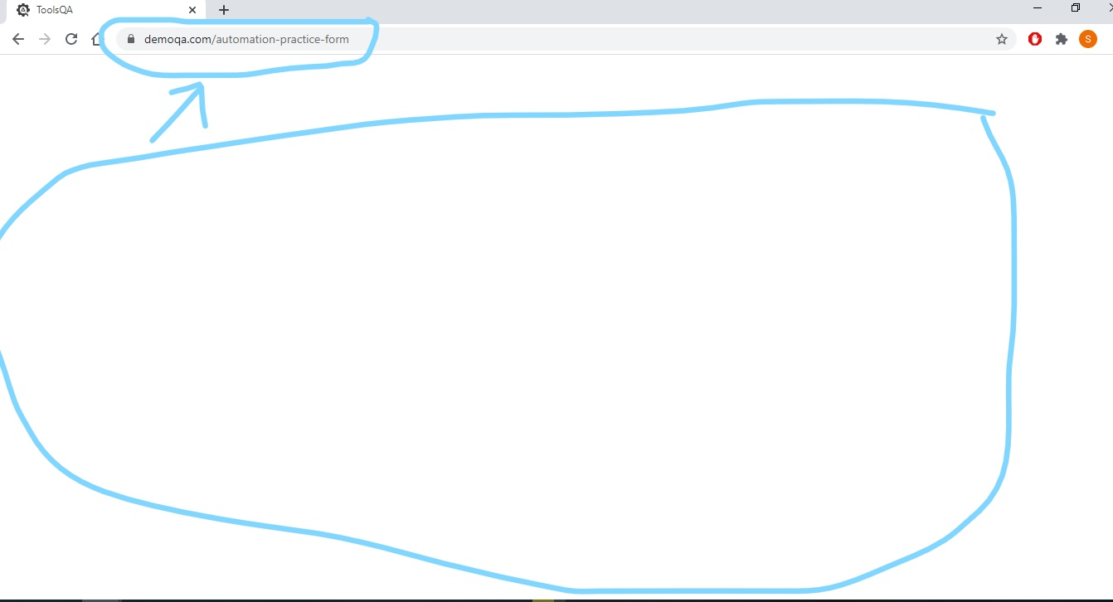
BUG NAME: | Web page is stuck and blank on clearing date field manual with backspace in Practice form
DESCRIPTION: | In Forms section, on Practice form, when user click on date field, and try to enter date manualy, when clearing predefined date with backspace, page becomes blank and stucks, only option is to refresh page
STEPS: | Go to "Forms" group to expand options
 | Click on "Practice Form" item
 | Click on "Date of Birth" field
 | Clear all characters with backspace
 | When backspace is pressed for last time, page becomes blank
EXPECTED RESULT: | field is clear, and user can enter date manualy
ACTUAL RESULT: | Page is blank, and no any option to click
Priority(1-10): | 6
Severity(1-10): | 6
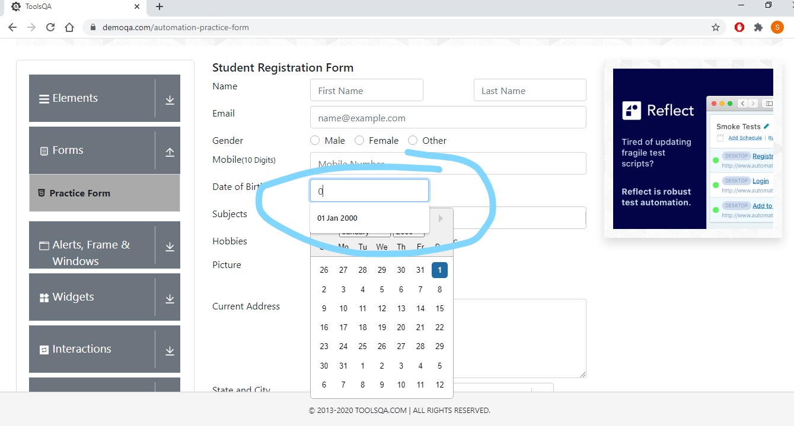
 | SCREENSHOTS

