Bug report 1
BUG NAME: | Quantity field allows input of 1000000000, and when this number is entered, the field itself changes to 4294967295
DESCRIPTION: | When user choose produkt and go to the cart summary, and wants to enter another quantity of product, he can enter 10 digits, which changes itself to 4294967295 pieces, and price is shown according to that quantity
STEPS: | Sign in
 | Choose any of products
 | add that product to cart
 | Proceed to checkout
 | And in the field "Qty" change quantity to 1000000000
EXPECTED RESULT: | if that number is possible, than it stay on that number
ACTUAL RESULT: | Number change to 4294967295 by self after 1-2 seconds
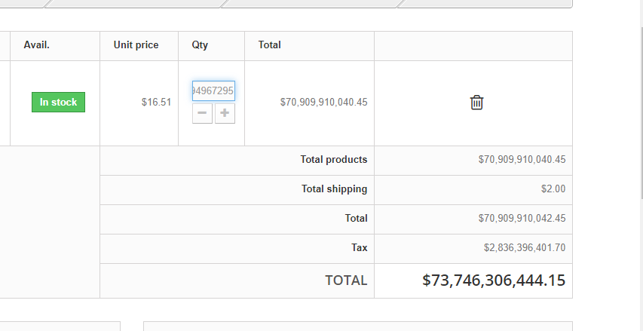
screenshot

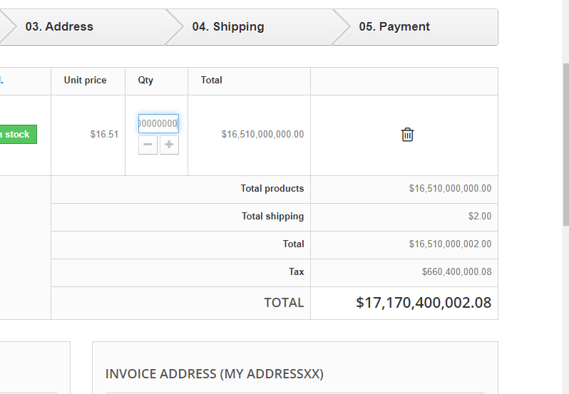

Priority: | 10
Severity: | 10

