Admin
 | Module Menu - Admin Console

 |  |  |  |  | IWE API Integration Console |  |  |  |  |  |  | Admin | Notifications

 |  |  |  |  |  |  |  |  |  |  |  |  | Logout
Module Menu | API Admin Console |  | Connections |  |  |  |  |  | Heat Map

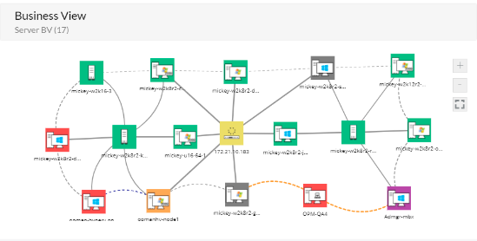
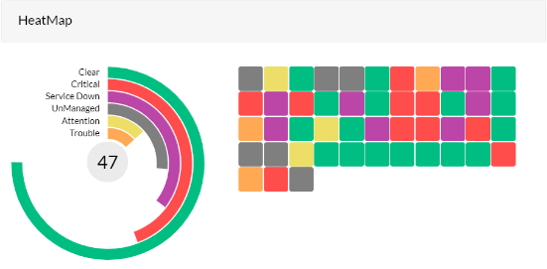
Main Menu | Setup & Configuration
 | Client Assignment & Control

 |  |  | Availability

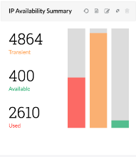
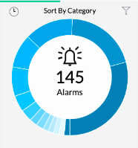
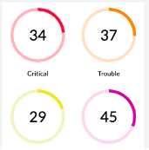

 |  | Credentials & Link

 | Main Menu - Setup & Configuration

 |  |  |  |  | IWE API Integration Console |  |  |  |  |  |  | Admin | Notifications

 |  |  |  |  |  |  |  |  |  |  |  |  | Logout
 | API Admin Console |  | User Profiles |  | User Creation |  |  | System/Partner Maser

 | Setup & Configuration
 | Client Assignment & Control |  | Profile Types | Admin |  | Drop Down
 |  |  |  | Operations
 |  |  |  | Data Analytics |  |  | Activities Enabled |  |  | □ | User Creation
 |  |  |  | Type - 04 |  |  |  |  |  | □ | Data Access
 |  |  | User Name | Admin_TC |  | Drop Down |  |  |  | □ | Dashboard Access
 |  |  |  | Op_IWE_01 |  |  |  |  |  | □ | API Dev
 |  |  |  | Op_IWE_02 |  |  |  |  |  | □ | API Subscription Assignement
 |  |  |  | DA_IWE_01
 |  |  |  | DA_IWE_02
 |  |  | System/Partners | LMD Partners |  | Drop Down
 |  |  |  | IWE System

 |  |  | Add/Update | Cancel |  | Delete

 |  | Credentials & Link

 | Main Menu - Setup & Configuration

 |  |  |  |  | IWE API Integration Console |  |  |  |  |  |  | Admin | Notifications

 |  |  |  |  |  |  |  |  |  |  |  |  |  | Drop Down
 |  |  |  |  |  |  |  |  |  |  |  |  | Logout | Drop Down
 | API Admin Console |  | User Profiles |  | User Creation |  |  | System/Partner Maser

 | Setup & Configuration
 | Client Assignment & Control |  | Employee Name | Raj
 |  |  | User Name | Admin_TC
 |  |  | Password | ******
 |  |  | Organisation | TC
 |  |  | Active | Yes |  | Dropdown

 |  |  | Add/Update | Cancel |  | Delete

 |  | Credentials & Link

 | Main Menu - Setup & Configuration

 |  |  |  |  | IWE API Integration Console |  |  |  |  |  |  | Admin | Notifications

 |  |  |  |  |  |  |  |  |  |  |  |  | Logout
 | API Admin Console |  | User Profiles |  | User Creation |  |  | System/Partner Master

 | Setup & Configuration
 | Client Assignment & Control |  | System/Partner | Asiyadh
 |  |  | Subscription Type | LMD Service API
 |  |  | API Key | *******************
 |  |  | Organisation | Asiyadh
 |  |  | Source system | Asiyadh
 |  |  | Target System | Shipsy

 |  |  | Add/Update | Cancel |  | Delete

 |  | Credentials & Link

 | Main Menu - Client Assignment & Control

 |  |  |  |  | IWE API Integration Console |  |  |  |  |  |  | Admin | Notifications

 |  |  |  |  |  |  |  |  |  |  |  |  | Logout
 | API Admin Console |  | Client Assignment

 | Setup & Configuration
 | Client Assignment & Control |  | Organisation | Asiyadh
 |  |  | API Subscription | LMD |  | LMD
 |  |  | Partner Type | Customer |  | IWE
 |  |  | Access Type | Full Access

 |  |  | Add/Update | Cancel |  | Delete

 |  | Credentials & Link

Monitoring Section
 |  |  |  | IWE API Integration Console |  |  | Admin | Notifications

 |  |  |  |  |  |  |  | Logout
Module Menu | Monitoring & Control |  | Connections |  |  | Heat Map

Main Menu | Dashboard & Cockpit
Sub-Menu | API Console Health Check
 | Systems Monitoring Deck
 | Partners Activity Deck

 |  |  | Availability

 |  | Credentials & Link

 |  |  |  | IWE API Integration Console |  |  | Admin | Notifications |  |  |  |  |  |  |  | IWE API Integration Console |  |  |  |  | Admin |  | Notifications

 |  |  |  |  |  |  |  | Logout |  |  |  |  |  |  |  |  |  |  |  |  |  |  | Logout
Module Menu | Monitoring & Control |  | API Console Health Check | Systems Monitoring Deck | Partners Activity Deck |  |  |  | Module Menu | Monitoring & Control |  |  | API Console Health Check |  |  | Systems Monitoring Deck |  |  | Partners Activity Deck

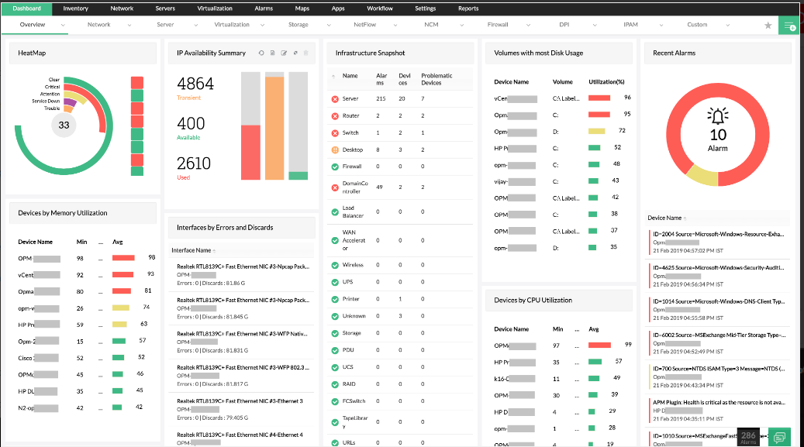
Main Menu | Dashboard & Cockpit |  |  |  |  |  |  |  | Main Menu | Dashboard & Cockpit

 |  |  |  |  |  |  |  |  |  |  |  |  | System/Partner |  | 100001
 |  |  |  |  |  |  |  |  |  |  |  |  | Partner Name |  | IWE API Console
 |  |  |  |  |  |  |  |  |  |  |  |  | Systems_List |  | List Value
 |  |  |  |  |  |  |  |  |  |  |  |  | Active Systems |  | 5
 |  |  |  |  |  |  |  |  |  |  |  |  | Inactive Systems |  | 0
 |  |  |  |  |  |  |  |  |  |  |  |  | IP_Availability |  | List Value
 |  |  |  |  |  |  |  |  |  |  |  |  | Devices-Memory Utilization |  | List Value
 |  |  |  |  |  |  |  |  |  |  |  |  | Devices-CPU Utilization |  | List Value
 |  |  |  |  |  |  |  |  |  |  |  |  | Issue List |  | Critical
 |  |  |  |  |  |  |  |  |  |  |  |  | Alarms |  | List Value
 |  |  |  |  |  |  |  |  |  |  |  |  | Active_Since |  | 17.09.00

 |  |  |  |  |  |  |  |  |  |  |  |  | Add/Update |  | Cancel |  | Delete

 |  | Credentials & Link |  |  |  |  |  |  |  |  | Credentials & Link

 |  |  |  | IWE API Integration Console |  |  | Admin | Notifications |  |  |  |  |  |  |  |  | IWE API Integration Console |  |  |  |  | Admin |  | Notifications

 |  |  |  |  |  |  |  | Logout |  |  |  |  |  |  |  |  |  |  |  |  |  |  |  | Logout
Module Menu | Monitoring & Control |  | API Console Health Check | Systems Monitoring Deck | Partners Activity Deck |  |  |  |  | Module Menu | Monitoring & Control |  |  | API Console Health Check |  |  | Systems Monitoring Deck |  |  | Partners Activity Deck

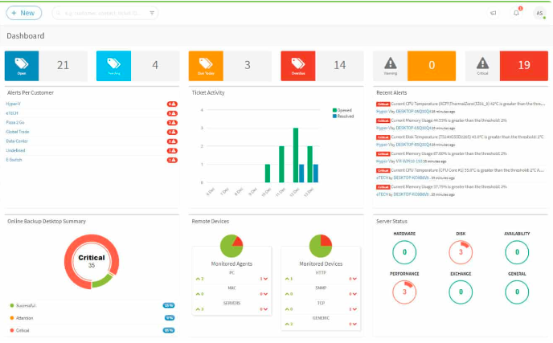
Main Menu | Dashboard & Cockpit |  |  |  |  |  |  |  |  | Main Menu | Dashboard & Cockpit
 |  |  |  |  |  |  |  |  |  |  |  |  |  | System/Partner |  | 1000
 |  |  |  |  |  |  |  |  |  |  |  |  |  | Partner Name |  | Asiyadh
 |  |  |  |  |  |  |  |  |  |  |  |  |  | Alerts |  | List Value
 |  |  |  |  |  |  |  |  |  |  |  |  |  | RequestVsReponse |  | 0.95
 |  |  |  |  |  |  |  |  |  |  |  |  |  | Doc_Creation Faliures |  | 0.05
 |  |  |  |  |  |  |  |  |  |  |  |  |  | Issues_By Systems |  | List Value
 |  |  |  |  |  |  |  |  |  |  |  |  |  | API Failures_By System |  | List Value
 |  |  |  |  |  |  |  |  |  |  |  |  |  | Sys_DownTime Total |  | List Value
 |  |  |  |  |  |  |  |  |  |  |  |  |  | DT Duration |  | 00.09.00

 |  |  |  |  |  |  |  |  |  |  |  |  |  | Add/Update |  | Cancel |  | Delete

 |  | Credentials & Link |  |  |  |  |  |  |  |  |  | Credentials & Link

 |  |  |  | IWE API Integration Console |  |  | Admin | Notifications |  |  |  |  |  |  |  | IWE API Integration Console |  |  |  |  | Admin |  | Notifications

 |  |  |  |  |  |  |  | Logout |  |  |  |  |  |  |  |  |  |  |  |  |  |  | Logout
Module Menu | Monitoring & Control |  | API Console Health Check | Systems Monitoring Deck | Partners Activity Deck |  |  |  | Module Menu | Monitoring & Control |  |  | API Console Health Check |  |  | Systems Monitoring Deck |  |  | Partners Activity Deck

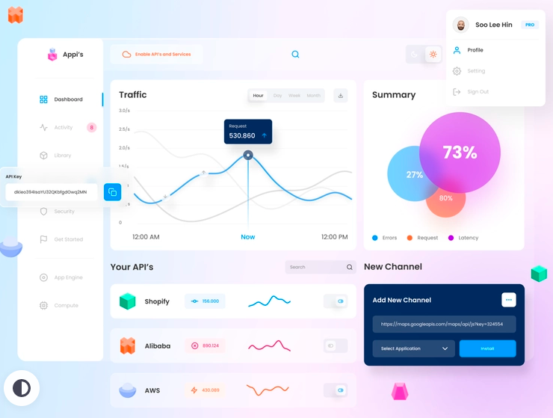
Main Menu | Dashboard & Cockpit |  |  |  |  |  |  |  | Main Menu | Dashboard & Cockpit
 |  |  |  |  |  |  |  |  |  |  |  |  | System/Partner |  | 1000
 |  |  |  |  |  |  |  |  |  |  |  |  |  | Partner Name | Asiyadh
 |  |  |  |  |  |  |  |  |  |  |  |  |  | System Change | Change-LogsList
 |  |  |  |  |  |  |  |  |  |  |  |  |  | User Change | Change-LogsList
 |  |  |  |  |  |  |  |  |  |  |  |  |  | Data_Traffic | Docs List
 |  |  |  |  |  |  |  |  |  |  |  |  |  | Data_Traffic_Delta | Docs List Failures
 |  |  |  |  |  |  |  |  |  |  |  |  |  | System Notification_By Partner | List

 |  |  |  |  |  |  |  |  |  |  |  |  | Add/Update |  | Cancel |  | Delete

 |  | Credentials & Link |  |  |  |  |  |  |  |  | Credentials & Link

Analytics Dashboard
 |  |  |  | IWE API Integration Console |  | Admin | Notifications |  |  |  |  |  |  | IWE API Integration Console |  |  | Admin | Notifications

 |  |  |  |  |  |  | Logout |  |  |  |  |  |  |  |  |  |  | Logout
Module Menu | Analytics & Logs |  | Data Traffic & Analytics | Archives/Logs | Notification |  |  | Module Menu | Analytics & Logs |  | Data Traffic & Analytics |  |  | Archives/Logs |  | Notification

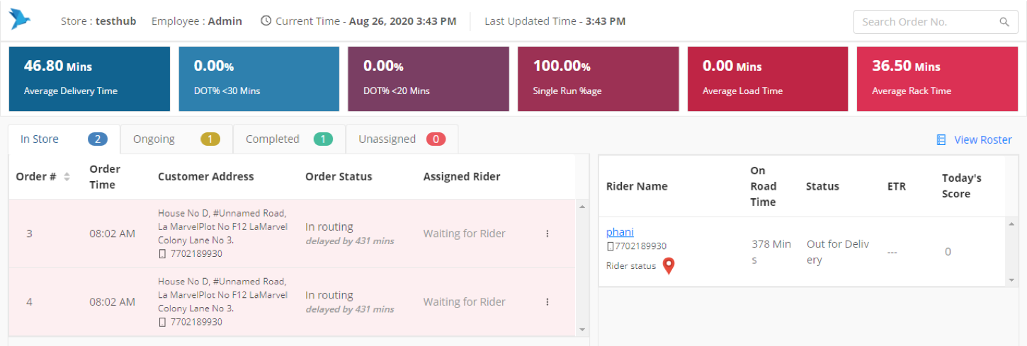
Main Menu | Data Analytics |  |  |  |  |  |  | Main Menu | Data Analytics
 |  |  |  |  |  |  |  |  |  |  | System/Partner |  | 1000
 |  |  |  |  |  |  |  |  |  |  | Partner Name |  | Asiyadh
 |  |  |  |  |  |  |  |  |  |  | Data_Traffic_Total |  | Docs List
 |  |  |  |  |  |  |  |  |  |  | Data_Traffic_System |  | Docs List
 |  |  |  |  |  |  |  |  |  |  | Data_Traffic_Partner |  | Docs List
 |  |  |  |  |  |  |  |  |  |  | Orders Booked |  | Docs List
 |  |  |  |  |  |  |  |  |  |  | Status_Updated |  | Docs List
 |  |  |  |  |  |  |  |  |  |  | Delivered |  | Docs List

 |  |  |  |  |  |  |  |  |  |  | Add/Update |  | Cancel |  | Delete

 |  | Credentials & Link |  |  |  |  |  |  |  | Credentials & Link

 |  |  |  | IWE API Integration Console |  | Admin | Notifications |  |  |  |  |  |  | IWE API Integration Console |  |  | Admin | Notifications

 |  |  |  |  |  |  | Logout |  |  |  |  |  |  |  |  |  |  | Logout
Module Menu | Analytics & Logs |  | Data Traffic & Analytics | Archives/Logs | Notification |  |  | Module Menu | Analytics & Logs |  | Data Traffic & Analytics |  |  | Archives/Logs |  | Notification

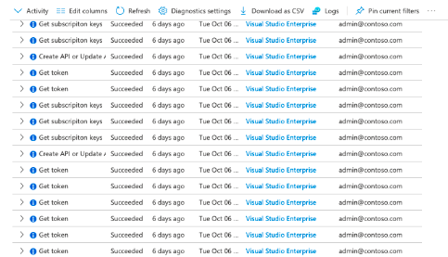
Main Menu | Data Analytics |  |  |  |  |  |  | Main Menu | Data Analytics

 |  |  |  |  |  |  |  |  |  |  | System/Partner |  |  | 1000
 |  |  |  |  |  |  |  |  |  |  | Partner Name |  |  | Asiyadh
 |  |  |  |  |  |  |  |  |  |  |  | Access Log-User |  | Docs List
 |  |  |  |  |  |  |  |  |  |  | Access Log-API |  |  | Docs List
 |  |  |  |  |  |  |  |  |  |  | Avg. Response Time |  |  | 0
 |  |  |  |  |  |  |  |  |  |  | Response Time>Avg. |  |  | List Value
 |  |  |  |  |  |  |  |  |  |  | Delivery Frequency-Every |  |  | 0

 |  |  |  |  |  |  |  |  |  |  | Add/Update |  | Cancel |  | Delete

 |  | Credentials & Link |  |  |  |  |  |  |  | Credentials & Link

 |  |  |  | IWE API Integration Console |  | Admin | Notifications |  |  |  |  |  |  | IWE API Integration Console |  |  | Admin | Notifications

 |  |  |  |  |  |  | Logout |  |  |  |  |  |  |  |  |  |  | Logout
Module Menu | Analytics & Logs |  | Data Traffic & Analytics | Archives/Logs | Notification |  |  | Module Menu | Analytics & Logs |  | Data Traffic & Analytics |  |  | Archives/Logs |  | Notification

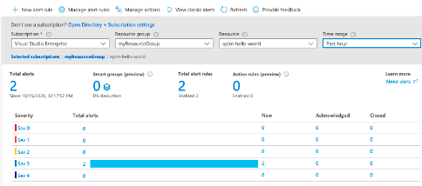
Main Menu | Data Analytics |  |  |  |  |  |  | Main Menu | Data Analytics

 |  |  |  |  |  |  |  |  |  |  | System/Partner |  |  |  | 1000
 |  |  |  |  |  |  |  |  |  |  | Partner Name |  |  |  | Asiyadh
 |  |  |  |  |  |  |  |  |  |  | Notifications_API Console Health |  |  |  | List Value
 |  |  |  |  |  |  |  |  |  |  | Notifications_API. Down |  |  |  | List Value
 |  |  |  |  |  |  |  |  |  |  | Notifications_Sys. Down |  |  |  | List Value
 |  |  |  |  |  |  |  |  |  |  | Notifications_Data Sync. Failure |  |  |  | List Value

 |  |  |  |  |  |  |  |  |  |  | Add/Update |  | Cancel |  | Delete

 |  | Credentials & Link |  |  |  |  |  |  |  | Credentials & Link

