Sheet 1
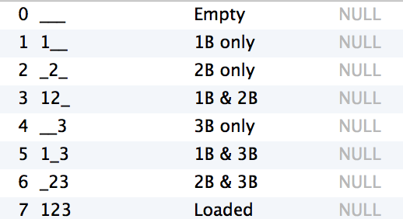
 | Base State | Percentages
0 | 0 | 0.027655991
0 | 1 | 0.070247199
0 | 2 | 0.138873292
0 | 4 | 0.519950124
0 | 3 | 0.206553614
0 | 5 | 0.624744376
0 | 6 | 0.634665282
0 | 7 | 0.869733656
1 | 0 | 0.025392061
1 | 1 | 0.069748682
1 | 2 | 0.149500932
1 | 4 | 0.485289144
1 | 3 | 0.238348123
1 | 5 | 0.559139784
1 | 6 | 0.580579355
1 | 7 | 0.792073408
2 | 0 | 0.024709339
2 | 1 | 0.074182126
2 | 2 | 0.183518486
2 | 4 | 0.224698133
2 | 3 | 0.254111286
2 | 5 | 0.296383121
2 | 6 | 0.352426684
2 | 7 | 0.578783151

