contacts
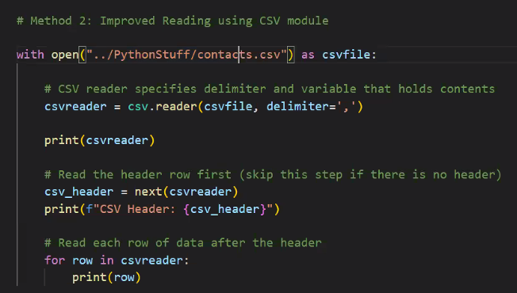
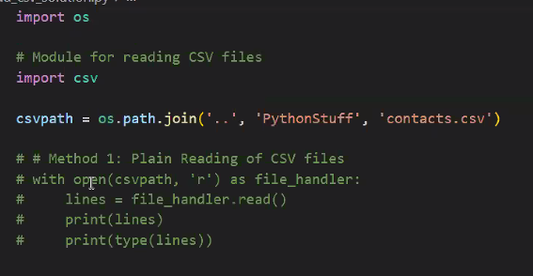
First Name | Last Name | Phone
Janetta | Bolduc | 499-820-0212
Bent | Hanburry | 125-890-6291
Kath | Beeres | 807-511-9864
Clarisse | Surgeon | 499-224-5982
Hae-Won | Park | 727-224-1623
Rodd | Camier | 199-541-8033
Javier | Martinez | 543-206-4422
Patty | De'Ath | 950-579-4341
Charlie | Clewlow | 874-246-8418
Izel | Xiu | 362-965-1637
Zechariah | Spikings | 570-486-2219
Stephie | Tootal | 326-912-0003

