2N3904_Characteristic
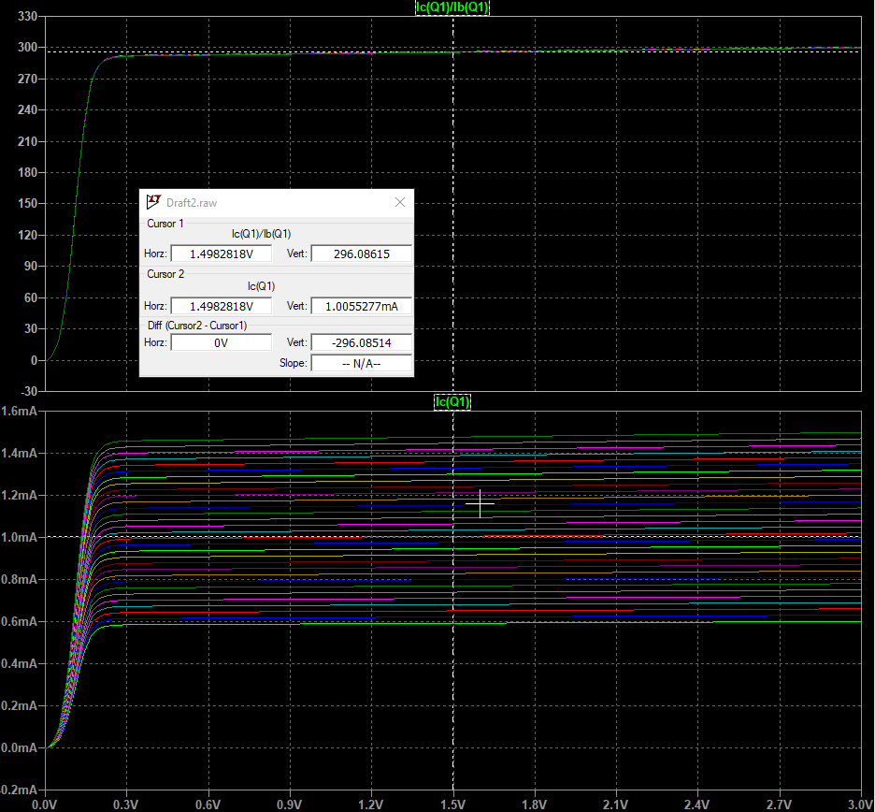
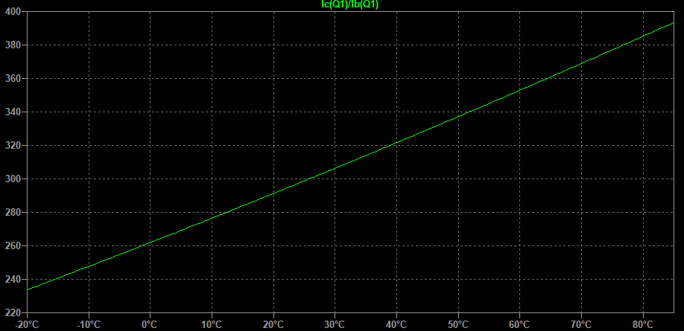
2N3904
Gain | 296 | Gain vs Temp

Calculation
 | Calc | Standard
VCC | 3 |  |  |  | 2N3904 | TV broadcast | 76-88 MHz
Vc | 1.5 |  |  | Gain | 300 | Radio | 88-108MHz
Ic | 1.00E-03 |  |  | Vbe | 0.65
Vre | 0.47156666667
Ib | 3.33E-06

RC | 1.50E+03
RE | 470
RB | 563530
RB1 | 5473.2583807 | 5.60E+03
RB2 | 3.30E+03

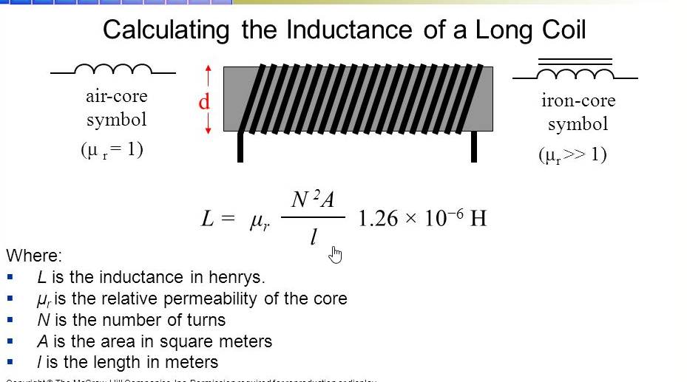
Vth | 1.1215666667
Rth | 3.36E+05

f_start | 7.60E+07
XC | 47
Ce | 4.46E-11 | 4.70E-11

R_in_amp | 3269 | (Measured)
Cc_in | 6.41E-12 | 10p

LC Tank
C1,C2 | 8.77E-11
C_total | 4.39E-11
L | 1.00E-07

LC Tank
L1,L2 | 1.22E-07
L_total | 2.44E-07
C | 1.80E-11 | C_var | 0-100p

L | 1.00E-06
D | 1.10E-02
d | 4.00E-04
length | 1.50E-02
ur | 1.00E+00
N | 11.192387329

C1,C2 | 1.50E-11
C | 7.50E-12
L | 1.00E-06
f | 5.81E+07

