Pinout
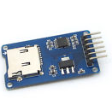
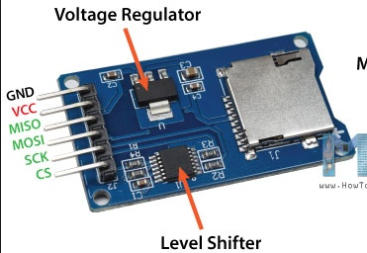
 | Pin
Component | Number | Name | Alias | Type | Description | Voltage Rating [V] |  |  | Comments
 |  |  |  |  |  | Min | Typ | Max
SD Card Block | 1 | CS | SD_CS | Input |  |  | 3.3 |  | 1. SD card supported smaller than 2GB
 | 2 | SCK | SD_SCK | Clock |  |  | 3.3
 | 3 | MOSI | SD_MOSI | Signal |  |  | 3.3
 | 4 | MISO | SD_MISO | Signal |  |  | 3.3 |  |  |  | Power
 | 5 | VCC | VCC_3V3 | Power |  |  | 3.3 |  |  |  | Ground
 | 6 | GND | GND | Gnd |  |  | 0 |  |  |  | Connected to another module (GPIO can change)
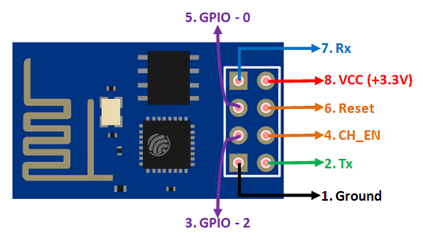
WiFi ESPP8266 | 1 | TX | WIFI_TX | Signal |  |  | 0.825 | 3.6 | 1. 2. The Typical voltage for the digital outputs refer to the minimum value that describes a high-logic state. The maximum value refers to the max rating |  | Connected to another module (GPIO cannot change)
 | 2 | GND | GND | Gnd |  |  | 0 |  |  |  | Connected to peripheral component
 | 3 | CH_PD | WIFI_EN |  |  |  | 0.825 | 3.6
 | 4 | GPIO2 |  | Signal |  |  | 0.825 | 3.6
 | 5 | RST | WIFI_RST | Signal |  |  | 0.825 | 3.6
 | 6 | GPIO0 |  | Signal |  |  | 0.825 | 3.6
 | 7 | VCC | VCC_3V3 | Power |  | 3 | 3.3 | 3.6 |  | test
 | 8 | RX | WIFI_RX | Signal |  |  | 0.825 | 3.6
Camera OV7670 | 1 | 3V3 | VCC_3V3 | Power |  |  | 3.3 | 5 | 1. From the datasheet: AVDD: 2V8 DOVDD=2V8 DVDD=1V8 2. The Typical voltage for the digital outputs refer to the minimum value that describes a high-logic state. The maximum value refers to the max rating
 | 2 | GND | GND | Gnd |  |  | 0
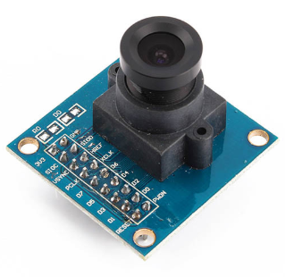
 | 3 | SIOC | SCL_3V3 | Input |  |  | 1.96 | 3.3
 | 4 | SIOD | SDA_3V3 | I/O |  |  | 1.96 | 3.3
 | 5 | VSYNC | CAM_VSYNC | Output |  |  | 2.52 | 3.3
 | 6 | HREF | CAM_HREF | Output |  |  | 2.52 | 3.3
 | 7 | PCLK | CAM_PCLK | Output |  |  | 2.52 | 3.3
 | 8 | XCLK | CAM_XCLK | Input |  |  | 1.96 | 3.3
 | 9 | D7 | CAM_D7 | Output |  |  | 2.52 | 3.3
 | 10 | D6 | CAM_D6 | Output |  |  | 2.52 | 3.3
 | 11 | D5 | CAM_D5 | Output |  |  | 2.52 | 3.3
 | 12 | D4 | CAM_D4 | Output |  |  | 2.52 | 3.3
 | 13 | D3 | CAM_D3 | Output |  |  | 2.52 | 3.3
 | 14 | D2 | CAM_D2 | Output |  |  | 2.52 | 3.3
 | 15 | D1 | CAM_D1 | Output |  |  | 2.52 | 3.3
 | 16 | D0 | CAM_D0 | Output |  |  | 2.52 | 3.3
 | 17 | RESET | CAM_RST | Input |  |  | 1.96 | 3.3
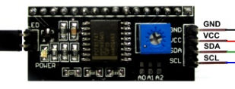
 | 18 | PWDN | CAM_PWDN | Input |  |  | 1.96 | 3.3
2 x 26 LCD Display | 1 | GND | GND | Gnd |  |  | 0 |  | LCD is connected to a level shifter 3.3V
 | 2 | VCC | VCC_5V0 | Power |  |  | 5
 | 3 | SDA | LCD_SDA_5V0 | Signal |  |  | 5
 | 4 | SCL | LCD_SCL_5V0 | Clock |  |  | 5
ATMEGA16A-AU TQFP-44 | 1 | (MOSI) PB5 | SD_MISO
 | 2 | (MISO) PB6 | SD_MOSI
 | 3 | (SCK) PB7 | SD_SCK
 | 4 | RESET | UC_RST
 | 5 | VCC | VCC_3V3
 | 6 | GND | GND
 | 7 | XTAL2 | XTAL2
 | 8 | XTAL1 | XTAL1
 | 9 | (RXD) PD0 | WIFI_TX
 | 10 | (TXD) PD1 | WIFI_RX
 | 11 | (INT0) PD2
 | 12 | (INT1) PD3
 | 13 | (OC1B) PD4
 | 14 | (OC1A) PD5 | CAM_XCLK
 | 15 | (ICP1) PD6
 | 16 | (OC2) PD7
 | 17 | VCC | VCC_3V3
 | 18 | GND | GND
 | 19 | (SCL) PC0 | SCL_3V3
 | 20 | (SDA) PC1 | SDA_3V3
 | 21 | (TCK) PC2
 | 22 | (TMS) PC3
 | 23 | PC4 (TDO)
 | 24 | PC5 (TDI)
 | 25 | PC6 (TOSC1)
 | 26 | PC7 (TOSC2)
 | 27 | AVCC | VCC_3V3
 | 28 | GND | GND
 | 29 | AREF
 | 30 | PA7 (ADC7) | CAM_D7
 | 31 | PA6 (ADC6) | CAM_D6
 | 32 | PA5 (ADC5) | CAM_D5
 | 33 | PA4 (ADC4) | CAM_D4
 | 34 | PA3 (ADC3 | CAM_D3
 | 35 | PA2 (ADC2) | CAM_D2
 | 36 | PA1 (ADC1) | CAM_D1
 | 37 | PA0 (ADC0) | CAM_D0
 | 38 | VCC | VCC_3V3
 | 39 | GND | GND
 | 40 | PB0 (XCK/T0) | WIFI_EN
 | 41 | PB1 (T1) | WIFI_RST
 | 42 | PB2 (AIN0/INT2)
 | 43 | PB3 (AIN1/OC0)
 | 44 | PB4 (SS)

