Output_Power
Pout_max[W] | 1.5
Vout_max[V] | 12

Vout | Iout
12 | 0.125
11.75 | 0.12765957447
11.5 | 0.13043478261
11.25 | 0.13333333333
11 | 0.13636363636
10.75 | 0.13953488372
10.5 | 0.14285714286
10.25 | 0.14634146341
10 | 0.15
9.75 | 0.15384615385
9.5 | 0.15789473684
9.25 | 0.16216216216
9 | 0.16666666667
8.75 | 0.17142857143
8.5 | 0.17647058824
8.25 | 0.18181818182
8 | 0.1875
7.75 | 0.1935483871
7.5 | 0.2
7.25 | 0.20689655172
7 | 0.21428571429
6.75 | 0.22222222222
6.5 | 0.23076923077
6.25 | 0.24
6 | 0.25
5.75 | 0.26086956522
5.5 | 0.27272727273
5.25 | 0.28571428571
5 | 0.3
4.75 | 0.31578947368
4.5 | 0.33333333333
4.25 | 0.35294117647
4 | 0.375
3.75 | 0.4
3.5 | 0.42857142857
3.25 | 0.46153846154
3 | 0.5
2.75 | 0.54545454545
2.5 | 0.6
2.25 | 0.66666666667
2 | 0.75
1.75 | 0.85714285714
1.5 | 1
1.25 | 1.2
1 | 1.5
0.75 | 2
0.5 | 3
0.25 | 6

Calculation
Battery
Model | 18650
Capacity | 5000mAh
Charge Voltage | 4.2V
Charge Current max (0.5CC) | 2500mA
Rated Voltage | 3.7V
Rechargeable | >1000 cycles, theoretically
Chemistry | Li-ion
Color | Blue
(HxD) | 6.5X1.8cm/2.56X0.71"

Solar Panel
Vout_min=?? (depends on the buck)
Vout_max=12V
Iout_min=125mA
Iout_max=?? depends on the buck
Buck
TD1583
TPS54331
n=
Vin_max=16V
Iin=
Vout=5V
Iout=
Pump
Pump size: | 55×52×40.5mm
Rated voltage: | 5V
Power: | 0.85W
Current | 170mA
Maximum flow: | 120L/H
Highest lift: | 100cm
Pump housing material: | ABS |  |  |  |  |  |  |  |  |  |  | 450mA
Outlet size: | Ø8.5
Working environment temperature: | 60°C
Maximum water temperature: | 60°C
Bat Char
TP4056
Vin=4..5..8
Iin=0.5mA
Vout=4.2V
Iout_max=1A
Battery
Vin 3.7V
Cap=5000mAh
Boost
MT3608
n=
Vin_min << 3.7V
Vin=
Iin=
Vout=5V
Iout=
Drive mode: | Brushless, magnetically isolated
Sound and noise: | <40db
Waterproof rating: | IPX8 (submersible installation)
Service life: | ≥20000Hours
Power cord length: | 1.5 meters USB head
Arduino nano
Vin: 5-10V
Iin: 280mA (50mA)
Pmax:1.4W (200mW)
Pump
Vin: 5V
Iin: 170mA
Pmax: 0.85W
Power supply: | USB power adapter

Calculation
Load
Variable | Value | Unit
P_max | 2.250 | W
Vout | 5.000 | V
I_max | 0.450 | A

Boost Converter |  |  | EN |  |  | FB
Eff | 0.9 |  | Vin | 5.5 | V | VREF | 0.6 | V
Vin_min | 2 | V | V_EN | 1.3 |  | Vout | 5 | V
Vin_max | 24 | V | R1 | 1.00E+04 |  | R1 | 7.50E+03 | Ohm
Vout | 5 | V | R2 | 32307.692308 |  | R2 | 1.02E+03
Iout | 4 | A |  |  |  | R2_real | 1.02E+03
Pout | 9 | W |  |  |  | Vout_real | 5.0031311155
V_EN | 1.5 | V

Battery
Battery_Cap | 5.000 | Ah
Battery_Discharge | 10.000 | h
Battery_Charging | 37.037 | h

Battery Charger |  |  | Thermistor
Vin_min | 4 | V | R1 | 1.80E+04 |  | Rth_low | 2.66E+04
Vin_typ | 4.925 | V | R2 | 3.30E+04 |  | R2 | 3.30E+04
Vin_max | 8 | V | Rth_high | 9.08E+05 |  | Vth_min | 2.21625
Vout | 4.2 | V | Rth_nom | 5.00E+04 |  | R1 | 1.80E+04
Charger_eff | 0.9 |  | Rth_low | 2.66E+04
Charger_Iout | 0.15 | A | R2_total_high | 3.18E+04
Vth_hot | 2.21625 |  | R2_total_nom | 1.99E+04
Vth_cold | 3.94 |  | R2_total_low | 1.47E+04
Vth_nom | 2.725 |  | Vth_high | 3.19E+00
 |  |  | Vth_nom | 2.58E+00
 |  |  | Vth_low | 2.22E+00

Buck Converter |  |  | EN |  |  | CFF |  |  | FB
Eff | 0.9 |  | Vin | 5.5 | V | R1 | 5.10E+03 | Ohm | VREF | 1.222 | V
Vin_min | 3.6 | V | V_EN | 1.3 |  | CFF | 6.3251106894E-09 | F | Vout | 5 | V
Vin_max | 28 | V | R1 | 1.00E+04 |  |  |  |  | R1 | 5.10E+03 | Ohm
Vout | 5 | V | R2 | 32307.692308 |  |  |  |  | R2 | 1.65E+03
Iout | 3 | A |  |  |  |  |  |  | R2_real | 1.65E+03
Pout | 8 | W |  |  |  |  |  |  | Vout_real | 4.9990909091
V_EN | 1.2 | V
Iout_min | 0.450

Solar Panel
Vout_min | 0 | V
Vout_max | 12 | V
Pout | 1.5 | W
I_min | 0.125 | A
I_max | #DIV/0! | A

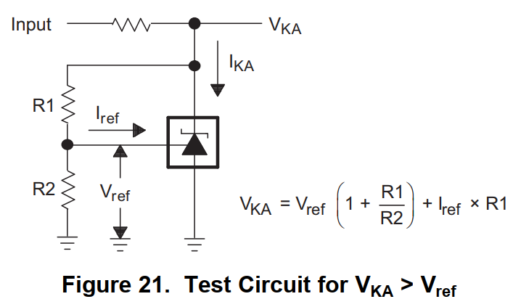
Reference voltage TL431
R1 | 1.80E+04
R2 | 1.00E+05
Vref | 2.495
Iref | 0.000004
VKA | 3.0161

